CR#_to_ON#
 |  |  | Wavelength
Normalized field location (Hx) | FOV (°) | Focal X (mm) | 360nm | 400nm | 500nm | 700nm | 800nm | 900nm | 960nm
0.01 | 0.014 | 5.88460 | 0.00515879 | 0.00520571 | 0.00527517 | 0.00533658 | 0.00535359 | 0.00536698 | 0.00537286
0.02 | 0.028 | 11.7693 | 0.00908584 | 0.00920906 | 0.00939086 | 0.00955107 | 0.00959536 | 0.0096302 | 0.0096455
0.03 | 0.042 | 17.654 | 0.01322951 | 0.01342424 | 0.01371137 | 0.01396411 | 0.01403394 | 0.01408887 | 0.01411298 | Note:
0.04 | 0.056 | 23.5388 | 0.0174033 | 0.01766798 | 0.01805802 | 0.01840129 | 0.01849612 | 0.01857069 | 0.01860343 | 1. 'Focal X' is the radial distance in the Focal Surface reference frame, i.e. the tangent plane at the origin of focal surface.
0.05 | 0.070 | 29.4237 | 0.0215531 | 0.02188712 | 0.02237929 | 0.02281235 | 0.02293197 | 0.02302604 | 0.02306733 | 2. Chief ray angle deviation goes positive first and negative at the edge of FOV.
0.06 | 0.084 | 35.3087 | 0.02565146 | 0.02605465 | 0.02664871 | 0.02717137 | 0.02731572 | 0.02742925 | 0.02747908
0.07 | 0.098 | 41.1939 | 0.02967905 | 0.03015145 | 0.03084746 | 0.03145979 | 0.03162891 | 0.03176191 | 0.03182029
0.08 | 0.112 | 47.0792 | 0.03361968 | 0.03416146 | 0.03495968 | 0.03566196 | 0.03585591 | 0.03600845 | 0.0360754
0.09 | 0.126 | 52.9648 | 0.03745872 | 0.03807015 | 0.038971 | 0.03976357 | 0.03998247 | 0.04015462 | 0.04023019
0.1 | 0.140 | 58.8506 | 0.04118233 | 0.04186376 | 0.04286775 | 0.04375109 | 0.04399507 | 0.04418694 | 0.04427116
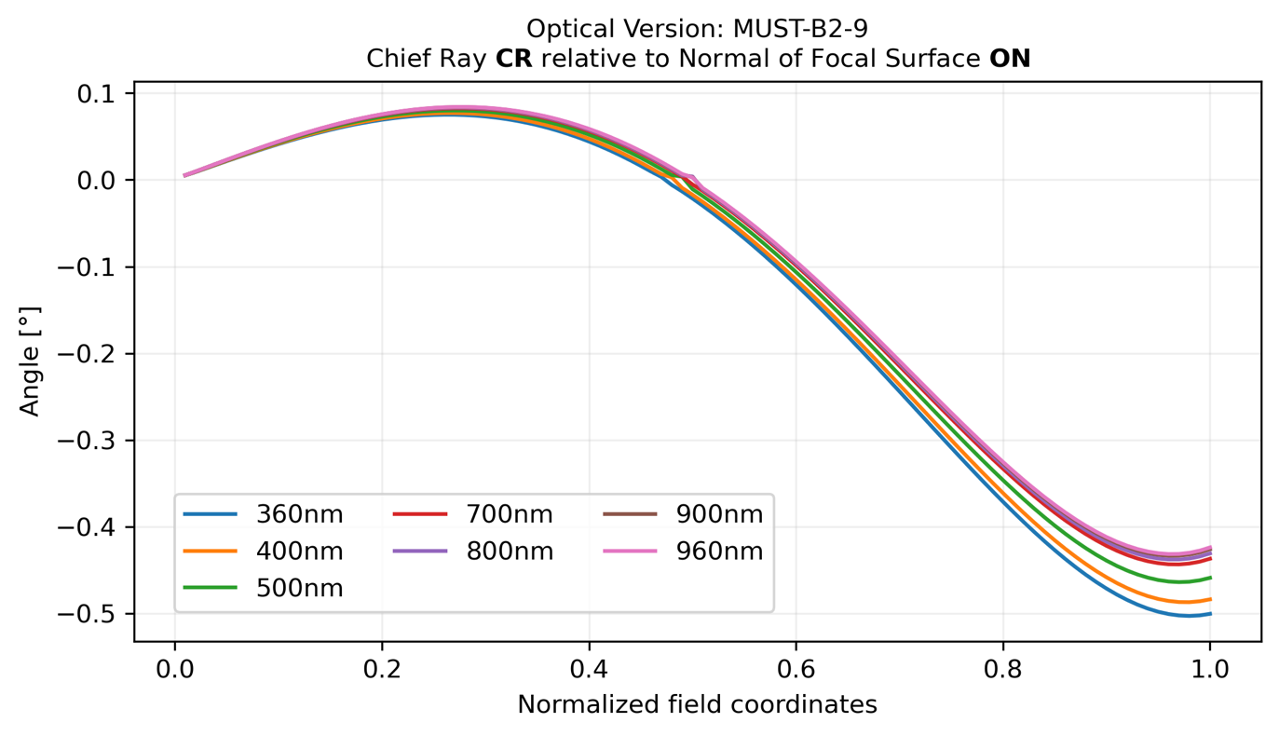
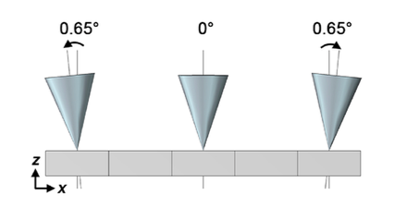
0.11 | 0.154 | 64.7366 | 0.04477717 | 0.04552901 | 0.04663676 | 0.04761146 | 0.04788066 | 0.04809238 | 0.04818532
0.12 | 0.168 | 70.6229 | 0.04823036 | 0.04905307 | 0.0502653 | 0.05133193 | 0.05162658 | 0.05185829 | 0.05196
0.13 | 0.182 | 76.5095 | 0.05152924 | 0.05242336 | 0.05374085 | 0.05490016 | 0.05522042 | 0.05547228 | 0.05558283
0.14 | 0.196 | 82.3965 | 0.05466147 | 0.05562755 | 0.05705118 | 0.05830397 | 0.05865007 | 0.05892224 | 0.05904171
0.15 | 0.210 | 88.2838 | 0.05761493 | 0.05865364 | 0.06018435 | 0.06153146 | 0.06190364 | 0.06219631 | 0.06232479
0.16 | 0.224 | 94.1715 | 0.0603778 | 0.06148981 | 0.06312863 | 0.06457099 | 0.0649695 | 0.06528289 | 0.06542046
0.17 | 0.238 | 100.0596 | 0.06293848 | 0.06412453 | 0.06587257 | 0.06741116 | 0.06783628 | 0.0681706 | 0.06831737
0.18 | 0.252 | 105.9482 | 0.06528565 | 0.06654652 | 0.06840495 | 0.07004085 | 0.07049287 | 0.07084836 | 0.07100442
0.19 | 0.266 | 111.8371 | 0.06740823 | 0.06874476 | 0.07071485 | 0.07244919 | 0.07292843 | 0.07330534 | 0.07347081
0.2 | 0.280 | 117.7266 | 0.06929549 | 0.07070857 | 0.07279165 | 0.07462562 | 0.07513242 | 0.07553101 | 0.075706
0.21 | 0.294 | 123.6166 | 0.07093696 | 0.07242752 | 0.074625 | 0.07655986 | 0.07709457 | 0.07751513 | 0.07769976
0.22 | 0.308 | 129.507 | 0.07232247 | 0.07389151 | 0.07620486 | 0.07824195 | 0.07880492 | 0.07924777 | 0.07944218
0.23 | 0.322 | 135.3981 | 0.07344218 | 0.07509075 | 0.07752154 | 0.07966225 | 0.08025391 | 0.08071934 | 0.08092366
0.24 | 0.336 | 141.2897 | 0.07428662 | 0.0760158 | 0.07856568 | 0.08081149 | 0.08143224 | 0.08192057 | 0.08213494
0.25 | 0.350 | 147.1818 | 0.07484664 | 0.07665755 | 0.07932824 | 0.08168072 | 0.082331 | 0.08284256 | 0.08306715
0.26 | 0.364 | 153.0747 | 0.07511345 | 0.07700734 | 0.07980063 | 0.08226138 | 0.08294163 | 0.0834768 | 0.08371174
0.27 | 0.378 | 158.9681 | 0.07507871 | 0.07705682 | 0.07997458 | 0.08254529 | 0.08325599 | 0.08381512 | 0.0840606
0.28 | 0.392 | 164.8622 | 0.07473443 | 0.07679805 | 0.07984225 | 0.08252467 | 0.08326631 | 0.0838498 | 0.08410598
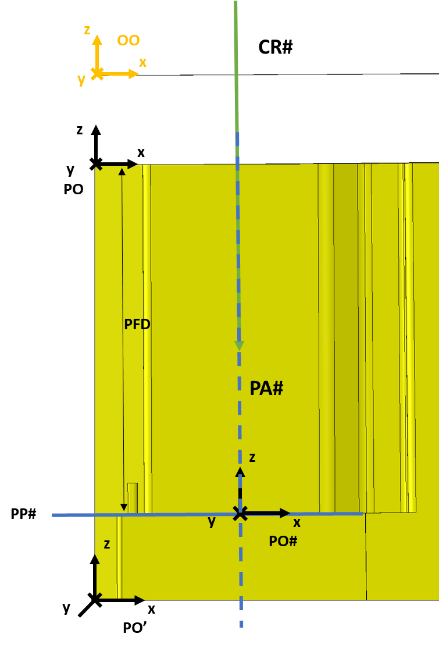
0.29 | 0.406 | 170.757 | 0.07407304 | 0.07622353 | 0.07939621 | 0.08219217 | 0.08296526 | 0.08357352 | 0.08384057
0.3 | 0.420 | 176.6524 | 0.07308741 | 0.07532619 | 0.07862945 | 0.08154086 | 0.08234594 | 0.08297939 | 0.0832575
0.31 | 0.434 | 182.5486 | 0.07177087 | 0.0740994 | 0.07753545 | 0.08056426 | 0.0814019 | 0.08206097 | 0.08235034
0.32 | 0.448 | 188.4456 | 0.07011721 | 0.072537 | 0.07610812 | 0.0792564 | 0.08012715 | 0.0808123 | 0.08111312
0.33 | 0.462 | 194.3433 | 0.06812071 | 0.07063331 | 0.07434185 | 0.07761175 | 0.0785162 | 0.07922789 | 0.07954038
0.34 | 0.476 | 200.2418 | 0.06577606 | 0.06838319 | 0.0722316 | 0.07562527 | 0.07656405 | 0.07730277 | 0.07762714
0.35 | 0.490 | 206.1411 | 0.06307874 | 0.06578199 | 0.06977277 | 0.07329249 | 0.07426622 | 0.07503248 | 0.07536895
0.36 | 0.504 | 212.0412 | 0.06002452 | 0.06282561 | 0.06696133 | 0.07060944 | 0.07161878 | 0.07241309 | 0.07276188
0.37 | 0.518 | 217.9421 | 0.05660985 | 0.05951051 | 0.06379384 | 0.06757272 | 0.06861834 | 0.06944124 | 0.06980259
0.38 | 0.532 | 223.8439 | 0.05283177 | 0.05583378 | 0.0602674 | 0.06417951 | 0.06526211 | 0.06611414 | 0.06648829
0.39 | 0.546 | 229.7466 | 0.04868801 | 0.05179314 | 0.05637978 | 0.06042762 | 0.06154789 | 0.06242961 | 0.06281681
0.4 | 0.560 | 235.6502 | 0.04417703 | 0.047387 | 0.05212938 | 0.05631545 | 0.05747413 | 0.05838611 | 0.0587866
0.41 | 0.574 | 241.5547 | 0.03929817 | 0.0426146 | 0.04751534 | 0.05184217 | 0.05303996 | 0.05398276 | 0.05439681
0.42 | 0.588 | 247.4601 | 0.03405196 | 0.03747614 | 0.04253765 | 0.04700764 | 0.04824523 | 0.04921944 | 0.04964729
0.43 | 0.602 | 253.3665 | 0.02844073 | 0.03197322 | 0.0371973 | 0.04181263 | 0.0430907 | 0.04409684 | 0.04453873
0.44 | 0.616 | 259.2738 | 0.02247041 | 0.02610971 | 0.03149676 | 0.03625901 | 0.03757812 | 0.03861666 | 0.03907281
0.45 | 0.630 | 265.1821 | 0.01615686 | 0.019895 | 0.02544116 | 0.03035033 | 0.03171077 | 0.03278201 | 0.03325256
0.46 | 0.644 | 271.0914 | 0.00956014 | 0.01335587 | 0.01904171 | 0.0240932 | 0.02549456 | 0.02659833 | 0.02708324
0.47 | 0.658 | 277.0017 | 0.00329174 | 0.00662897 | 0.01233189 | 0.01750229 | 0.01894175 | 0.02007639 | 0.02057512
0.48 | 0.672 | 282.9131 | -0.00590495 | 0.00276847 | 0.00551143 | 0.01062562 | 0.0120881 | 0.01324523 | 0.01375477
0.49 | 0.686 | 288.8255 | -0.01340048 | -0.00923416 | 0.00356399 | 0.00386914 | 0.00515883 | 0.00625637 | 0.00675145
0.5 | 0.700 | 294.7389 | -0.02148285 | -0.01711628 | -0.01071178 | -0.00526921 | 0.00392104 | 0.00303181 | 0.00273328
0.51 | 0.714 | 300.6535 | -0.02996074 | -0.02544313 | -0.01877673 | -0.0129189 | -0.01130886 | -0.01004846 | -0.00949752
0.52 | 0.728 | 306.5691 | -0.03879714 | -0.03413662 | -0.02724927 | -0.0211721 | -0.01949158 | -0.01816982 | -0.01758965
0.53 | 0.742 | 312.4858 | -0.04797555 | -0.04317281 | -0.03607125 | -0.02979766 | -0.02806057 | -0.02669329 | -0.02609277
0.54 | 0.756 | 318.4036 | -0.05748419 | -0.05253773 | -0.0452214 | -0.03875474 | -0.03696339 | -0.03555301 | -0.03493346
0.55 | 0.770 | 324.3225 | -0.06731242 | -0.06221985 | -0.05468585 | -0.04802476 | -0.04617911 | -0.04472581 | -0.04408736
0.56 | 0.784 | 330.2426 | -0.07744957 | -0.07220807 | -0.06445248 | -0.05759397 | -0.05569332 | -0.05419661 | -0.05353906
0.57 | 0.798 | 336.1639 | -0.08788454 | -0.08249103 | -0.0745094 | -0.06744972 | -0.06549308 | -0.0639522 | -0.06327521
0.58 | 0.812 | 342.0863 | -0.09860553 | -0.09305676 | -0.08484432 | -0.07757929 | -0.07556552 | -0.07397959 | -0.07328279
0.59 | 0.826 | 348.0099 | -0.1096 | -0.10389256 | -0.09544425 | -0.08796945 | -0.08589735 | -0.0842654 | -0.08354837
0.6 | 0.840 | 353.9346 | -0.12085454 | -0.1149849 | -0.10629549 | -0.09860628 | -0.09647455 | -0.09479557 | -0.09405786
0.61 | 0.854 | 359.8606 | -0.13235487 | -0.12631938 | -0.11738344 | -0.10947501 | -0.10728231 | -0.10555526 | -0.1047964
0.62 | 0.868 | 365.7878 | -0.14408579 | -0.1378807 | -0.12869263 | -0.12056 | -0.11830494 | -0.11652872 | -0.11574825
0.63 | 0.882 | 371.7162 | -0.15603116 | -0.14965259 | -0.14020664 | -0.13184467 | -0.12952584 | -0.12769932 | -0.12689673
0.64 | 0.896 | 377.6459 | -0.16817385 | -0.16161783 | -0.15190808 | -0.14331149 | -0.14092741 | -0.13904943 | -0.13822421
0.65 | 0.910 | 383.5768 | -0.18049576 | -0.1737582 | -0.16377856 | -0.15494194 | -0.1524911 | -0.15056047 | -0.1497121
0.66 | 0.924 | 389.5089 | -0.19297778 | -0.18605449 | -0.1757987 | -0.16671648 | -0.16419732 | -0.16221283 | -0.16134077
0.67 | 0.938 | 395.4424 | -0.20559977 | -0.19848643 | -0.18794809 | -0.17861454 | -0.17602548 | -0.17398585 | -0.17308955
0.68 | 0.952 | 401.3771 | -0.21834053 | -0.21103274 | -0.20020525 | -0.1906145 | -0.1879539 | -0.18585786 | -0.18493675
0.69 | 0.966 | 407.3131 | -0.23117783 | -0.22367103 | -0.21254764 | -0.20269369 | -0.19995986 | -0.19780608 | -0.19685957
0.7 | 0.980 | 413.2504 | -0.24408833 | -0.23637787 | -0.22495164 | -0.21482829 | -0.21201954 | -0.20980665 | -0.20883415
0.71 | 0.994 | 419.189 | -0.2570476 | -0.2491287 | -0.23739251 | -0.22699343 | -0.22410799 | -0.2218346 | -0.22083551
0.72 | 1.008 | 425.129 | -0.27003009 | -0.26189785 | -0.24984441 | -0.23916309 | -0.23619914 | -0.23386384 | -0.23283752
0.73 | 1.022 | 431.0703 | -0.28300913 | -0.27465851 | -0.26228033 | -0.25131013 | -0.24826581 | -0.24586713 | -0.24481294
0.74 | 1.036 | 437.013 | -0.29595688 | -0.28738273 | -0.27467214 | -0.2634062 | -0.26027963 | -0.25781607 | -0.25673339
0.75 | 1.050 | 442.957 | -0.30884436 | -0.30004137 | -0.28699049 | -0.27542182 | -0.27221103 | -0.26968106 | -0.26856918
0.76 | 1.064 | 448.9024 | -0.32164137 | -0.31260413 | -0.29920488 | -0.28732629 | -0.28402929 | -0.28143133 | -0.28028955
0.77 | 1.078 | 454.8492 | -0.33431654 | -0.32503947 | -0.31128365 | -0.29908769 | -0.29570244 | -0.29303487 | -0.29186247
0.78 | 1.092 | 460.7974 | -0.34683726 | -0.33731464 | -0.32319369 | -0.31067288 | -0.30719727 | -0.30445844 | -0.30325471
0.79 | 1.106 | 466.747 | -0.35916969 | -0.34939567 | -0.33490086 | -0.32204747 | -0.31847934 | -0.31566755 | -0.31443174
0.8 | 1.120 | 472.698 | -0.37127874 | -0.3612473 | -0.34636971 | -0.33317579 | -0.32951294 | -0.32662647 | -0.32535778
0.81 | 1.134 | 478.6505 | -0.38312804 | -0.37283301 | -0.35756347 | -0.34402088 | -0.34026105 | -0.33729809 | -0.33599577
0.82 | 1.148 | 484.6044 | -0.39467992 | -0.38411499 | -0.36844409 | -0.35454448 | -0.35068535 | -0.34764407 | -0.34630732
0.83 | 1.162 | 490.5598 | -0.40589542 | -0.39505409 | -0.37897221 | -0.36470701 | -0.3607462 | -0.35762474 | -0.35625272
0.84 | 1.176 | 496.5167 | -0.41673425 | -0.40560985 | -0.3891071 | -0.37446755 | -0.37040261 | -0.36719904 | -0.36579092
0.85 | 1.190 | 502.4751 | -0.42715476 | -0.41574047 | -0.3988067 | -0.38378379 | -0.37961223 | -0.37632458 | -0.37487948
0.86 | 1.204 | 508.435 | -0.43711394 | -0.42540275 | -0.40802757 | -0.39261206 | -0.38833132 | -0.38495756 | -0.38347461
0.87 | 1.218 | 514.3965 | -0.4465674 | -0.43455211 | -0.41672485 | -0.40090728 | -0.39651473 | -0.3930528 | -0.39153108
0.88 | 1.232 | 520.3595 | -0.45546934 | -0.44314259 | -0.42485229 | -0.40862296 | -0.40411592 | -0.40056367 | -0.39900224
0.89 | 1.246 | 526.3241 | -0.46377254 | -0.45112675 | -0.4323622 | -0.41571114 | -0.41108683 | -0.40744211 | -0.40584002
0.9 | 1.260 | 532.2903 | -0.47142834 | -0.45845574 | -0.43920541 | -0.42212244 | -0.41737799 | -0.41363857 | -0.41199483
0.91 | 1.274 | 538.2581 | -0.4783866 | -0.46507922 | -0.4453313 | -0.42780591 | -0.42293846 | -0.41910203 | -0.41741565
0.92 | 1.288 | 544.2275 | -0.48459571 | -0.47094537 | -0.45068773 | -0.43270918 | -0.42771573 | -0.42377996 | -0.42204989
0.93 | 1.302 | 550.1986 | -0.49000253 | -0.47600083 | -0.45522103 | -0.4367783 | -0.4316558 | -0.42761827 | -0.42584347
0.94 | 1.316 | 556.1714 | -0.49455242 | -0.48019075 | -0.45887601 | -0.43995779 | -0.4347031 | -0.43056134 | -0.42874071
0.95 | 1.330 | 562.146 | -0.49818916 | -0.48345866 | -0.46159589 | -0.44219057 | -0.43680047 | -0.43255196 | -0.43068439
0.96 | 1.344 | 568.1222 | -0.50085496 | -0.48574656 | -0.4633223 | -0.44341799 | -0.43788918 | -0.43353131 | -0.43161566
0.97 | 1.358 | 574.1003 | -0.50249042 | -0.4869948 | -0.46399525 | -0.44357973 | -0.43790883 | -0.43343895 | -0.43147403
0.98 | 1.372 | 580.0801 | -0.50303455 | -0.48714213 | -0.46355313 | -0.44261385 | -0.43679739 | -0.43221275 | -0.43019737
0.99 | 1.386 | 586.0618 | -0.50242465 | -0.48612561 | -0.46193261 | -0.44045673 | -0.43449113 | -0.42978892 | -0.42772185
1 | 1.400 | 592.0453 | -0.50059639 | -0.48388064 | -0.45906872 | -0.43704302 | -0.43092463 | -0.42610197 | -0.42398195

F#_Platescale
Normalized field location | FOV (deg) | Focal x (mm) | Py(-1) deg | Py(+1) deg | Meridional Cone Angle | Meridional F# | Hy(l-0.0005) mm | Hy(l+0.0005) mm | RENB | Meridional Plate Scale um/arcsec | Px(-1) deg | Px(1) deg | Sagittal Cone Angle | Sagittal F# | Hx(0.0005) mm | Hx(-0.0005) mm | Sagittal Plate Scale um/arcsec |  | Meridional F# | Meridional Plate Scale um/arcsec | Sagittal F# | Sagittal Plate Scale um/arcsec
0 | 0 | 0 | 7.7285197841 | 7.7285197841 | 15.45703957 | 3.684267085 | -0.29423130316 | 0.29423130316 | 0 | 116.7584536 | 7.7257319746 | 7.7313126372 | 15.45704461 | 3.684265868 | 0.16492380159 | -0.42353858935 | 116.7584109 | Average Value | 3.709804305 | 117.539266 | 3.6911234 | 117.0038663
0.01 | 0.014 | 5.8846 | 7.7331708715 | 7.7238329567 | 15.45700383 | 3.684275708 | 5.5903984363 | 6.1788623325 | 0.00050304647244 | 116.7587243 | 7.7257277696 | 7.7313081705 | 15.45703594 | 3.684267961 | 0.16492393636 | -0.42353887282 | 116.7584939
0.02 | 0.028 | 11.7693 | 7.7377730076 | 7.7191236104 | 15.45689662 | 3.684301575 | 11.475052682 | 12.063520447 | 0.0010062793385 | 116.7595363 | 7.7257151393 | 7.7312947563 | 15.4570099 | 3.684274244 | 0.16492434064 | -0.4235397232 | 116.7587428 |  | 3.700463853 | 117.2715662
0.03 | 0.042 | 17.654 | 7.7423130091 | 7.7144049632 | 15.45671797 | 3.684344679 | 17.359757218 | 17.948231429 | 0.0015098846991 | 116.7608894 | 7.7256940414 | 7.7312723521 | 15.45696639 | 3.68428474 | 0.16492501421 | -0.4235411403 | 116.7591576
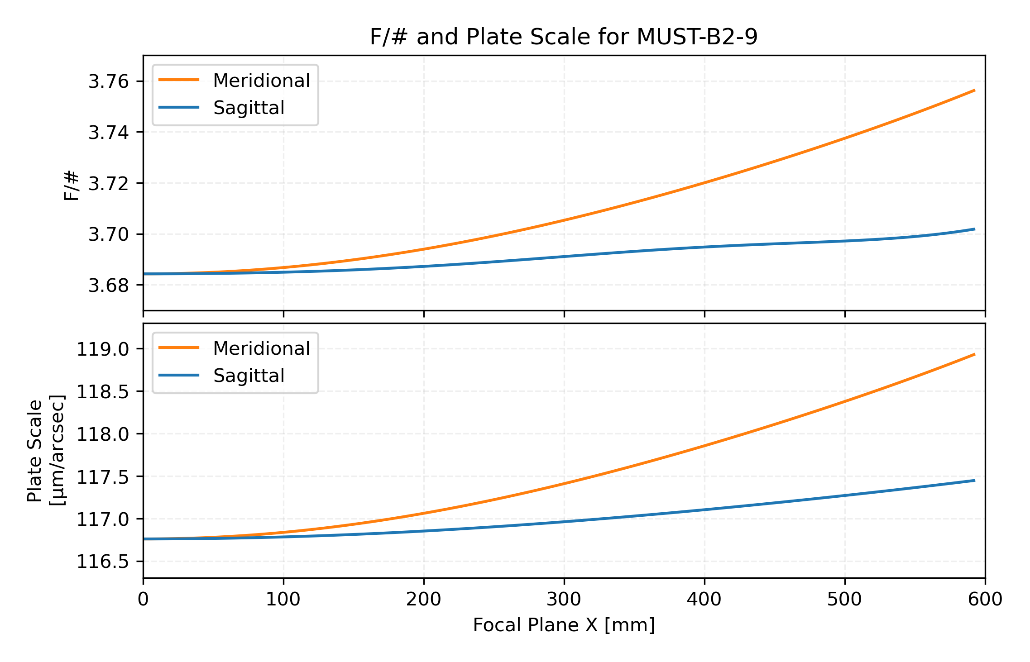
0.04 | 0.056 | 23.5388 | 7.7467777341 | 7.7096902137 | 15.45646795 | 3.684405006 | 23.244537804 | 23.833021036 | 0.0020140480703 | 116.7627829 | 7.7256644057 | 7.7312408878 | 15.45690529 | 3.684299482 | 0.16492595676 | -0.42354312383 | 116.7597382
0.05 | 0.07 | 29.4237 | 7.7511540983 | 7.7049925259 | 15.45614662 | 3.684482539 | 29.129420165 | 29.717914987 | 0.0025189540903 | 116.7652162 | 7.7256261342 | 7.7312002663 | 15.4568264 | 3.684318517 | 0.16492716784 | -0.42354567338 | 116.7604844
0.06 | 0.084 | 35.3087 | 7.75542909 | 7.7003250135 | 15.4557541 | 3.684577256 | 35.014429975 | 35.602938953 | 0.0030247862265 | 116.7681885 | 7.7255791031 | 7.7311503641 | 15.45672947 | 3.684341905 | 0.16492864685 | -0.42354878843 | 116.7613959
0.07 | 0.098 | 41.1939 | 7.7595897854 | 7.6957007251 | 15.45529051 | 3.68468913 | 40.89959285 | 41.48811854 | 0.0035317264829 | 116.7716985 | 7.7255231633 | 7.731091033 | 15.4566142 | 3.684369718 | 0.16493039309 | -0.42355246833 | 116.7624725
0.08 | 0.112 | 47.0792 | 7.7636233639 | 7.6911326283 | 15.45475599 | 3.684818127 | 46.784934331 | 47.373479284 | 0.0040399551064 | 116.7757451 | 7.7254581422 | 7.7310221012 | 15.45648024 | 3.684402039 | 0.16493240572 | -0.42355671235 | 116.7637139
0.09 | 0.126 | 52.9648 | 7.7675171239 | 7.6866335945 | 15.45415072 | 3.684964211 | 52.670479875 | 53.259046631 | 0.0045496502933 | 116.7803267 | 7.7253838452 | 7.7309433752 | 15.45632722 | 3.684438962 | 0.16493468375 | -0.4235615196 | 116.7651197
0.1 | 0.14 | 58.8506 | 7.7712584971 | 7.6822163834 | 15.45347488 | 3.685127339 | 58.556254843 | 59.144845931 | 0.0050609878955 | 116.7854417 | 7.725300058 | 7.7308546418 | 15.4561547 | 3.684480591 | 0.16493722609 | -0.42356688914 | 116.7666895
0.11 | 0.154 | 64.7366 | 7.7748350651 | 7.6778936276 | 15.45272869 | 3.685307464 | 64.442284486 | 65.030902426 | 0.005574141126 | 116.7910882 | 7.7252065484 | 7.73075567 | 15.45596222 | 3.684527037 | 0.1649400315 | -0.42357281987 | 116.7684229
0.12 | 0.168 | 70.6229 | 7.7782345737 | 7.673677817 | 15.45191239 | 3.685504534 | 70.328593934 | 70.917241232 | 0.0060892802642 | 116.7972642 | 7.725103069 | 7.7306462138 | 15.45574928 | 3.68457842 | 0.1649430986 | -0.42357931061 | 116.7703193
0.13 | 0.182 | 76.5095 | 7.7814449488 | 7.6695812833 | 15.45102623 | 3.685718491 | 76.215208188 | 76.803887336 | 0.0066065723605 | 116.8039673 | 7.7249893596 | 7.7305260146 | 15.45551537 | 3.684634865 | 0.1649464259 | -0.42358636009 | 116.7723782
0.14 | 0.196 | 82.3965 | 7.7844543116 | 7.6656161845 | 15.4500705 | 3.685949276 | 82.102152104 | 82.69086558 | 0.0071261809406 | 116.8111953 | 7.7248651503 | 7.7303948041 | 15.45525995 | 3.684696504 | 0.16495001175 | -0.42359396691 | 116.7745989
0.15 | 0.21 | 88.2838 | 7.7872509941 | 7.6617944891 | 15.44904548 | 3.68619682 | 87.989450383 | 88.578200647 | 0.0076482657089 | 116.8189453 | 7.724730164 | 7.7302523069 | 15.45498247 | 3.684763469 | 0.1649538544 | -0.42360212961 | 116.776981
0.16 | 0.224 | 94.1715 | 7.7898235543 | 7.658127961 | 15.44795152 | 3.686461053 | 93.877127562 | 94.465917059 | 0.0081729822516 | 116.8272148 | 7.7245841201 | 7.7300982443 | 15.45468236 | 3.684835897 | 0.16495795194 | -0.4236108466 | 116.7795235
0.17 | 0.238 | 100.0596 | 7.7921607918 | 7.6546281431 | 15.44678893 | 3.686741899 | 99.765208001 | 100.35403916 | 0.0087004817392 | 116.8360007 | 7.7244267373 | 7.729932337 | 15.45435907 | 3.684913923 | 0.16496230232 | -0.42362011624 | 116.7822259
0.18 | 0.252 | 105.9482 | 7.7942517631 | 7.6513063421 | 15.44555811 | 3.687039279 | 105.65371587 | 106.24259109 | 0.0092309106277 | 116.8452999 | 7.7242577374 | 7.7297543088 | 15.45401205 | 3.684997681 | 0.16496690338 | -0.42362993678 | 116.7850873
0.19 | 0.266 | 111.8371 | 7.7960857973 | 7.6481736127 | 15.44425941 | 3.687353106 | 111.54267515 | 112.13159682 | 0.0097644103598 | 116.855109 | 7.7240768483 | 7.72956389 | 15.45364074 | 3.685087304 | 0.16497175279 | -0.42364030639 | 116.788107
0.2 | 0.28 | 117.7266 | 7.7976525111 | 7.6452407418 | 15.44289325 | 3.687683292 | 117.43210961 | 118.0210801 | 0.010301117065 | 116.8654247 | 7.7238838083 | 7.7293608209 | 15.45324463 | 3.685182918 | 0.16497684811 | -0.42365122319 | 116.791284
0.21 | 0.294 | 123.6166 | 7.798941825 | 7.6425182325 | 15.44146006 | 3.688029743 | 123.32204279 | 123.91106444 | 0.010841161258 | 116.8762432 | 7.7236783689 | 7.7291448557 | 15.45282322 | 3.685284644 | 0.16498218675 | -0.4236626852 | 116.7946175
0.22 | 0.308 | 129.507 | 7.799943978 | 7.6400162884 | 15.43996027 | 3.68839236 | 129.21249803 | 129.80157316 | 0.011384667538 | 116.8875608 | 7.723460299 | 7.7289157657 | 15.45237606 | 3.685392592 | 0.16498776597 | -0.4236746904 | 116.7981064
0.23 | 0.322 | 135.3981 | 7.8006495438 | 7.6377447976 | 15.43839434 | 3.688771042 | 135.10349841 | 135.69262931 | 0.011931754288 | 116.8993736 | 7.7232293888 | 7.7286733435 | 15.45190273 | 3.685506865 | 0.16499358292 | -0.42368723668 | 116.8017499
0.24 | 0.336 | 141.2897 | 7.8010494461 | 7.635713317 | 15.43676276 | 3.689165682 | 140.99506677 | 141.58425572 | 0.012482533368 | 116.9116775 | 7.7229854526 | 7.7284174063 | 15.45140286 | 3.685627554 | 0.16499963456 | -0.4237003219 | 116.8055469
0.25 | 0.35 | 147.1818 | 7.8011349743 | 7.6339310557 | 15.43506603 | 3.68957617 | 146.88722571 | 147.47647495 | 0.013037109813 | 116.9244682 | 7.7227283335 | 7.7281477999 | 15.45087613 | 3.685754734 | 0.16500591776 | -0.42371394387 | 116.8094964
0.26 | 0.364 | 153.0747 | 7.8008977989 | 7.6324068596 | 15.43330466 | 3.69000239 | 152.77999755 | 153.3693093 | 0.013595581527 | 116.9377414 | 7.722457906 | 7.7278644018 | 15.45032231 | 3.685888467 | 0.16501242921 | -0.42372810034 | 116.8135971
0.27 | 0.378 | 158.9681 | 7.8003299875 | 7.6311491949 | 15.43147918 | 3.690444224 | 158.67340435 | 159.26278079 | 0.014158038976 | 116.9514926 | 7.7221740802 | 7.7275671249 | 15.44974121 | 3.686028797 | 0.16501916546 | -0.42374278905 | 116.8178481
0.28 | 0.392 | 164.8622 | 7.79942402 | 7.630166132 | 15.42959015 | 3.69090155 | 164.56746789 | 165.1569112 | 0.014724564886 | 116.9657172 | 7.7218768049 | 7.727255921 | 15.44913273 | 3.686175749 | 0.16502612292 | -0.42375800768 | 116.8222481
0.29 | 0.406 | 170.757 | 7.7981728048 | 7.6294653292 | 15.42763813 | 3.691374243 | 170.46220967 | 171.05172197 | 0.015295233927 | 116.9804104 | 7.7215660708 | 7.7269307839 | 15.44849685 | 3.686329329 | 0.16503329785 | -0.42377375392 | 116.826796
0.3 | 0.42 | 176.6524 | 7.7965696944 | 7.6290540168 | 15.42562371 | 3.691862171 | 176.35765088 | 176.94723428 | 0.01587011241 | 116.9955673 | 7.7212419133 | 7.7265917524 | 15.44783367 | 3.68648952 | 0.16504068638 | -0.42379002542 | 116.8314904
0.31 | 0.434 | 182.5486 | 7.7946085007 | 7.6289389801 | 15.42354748 | 3.692365203 | 182.25381245 | 182.84346902 | 0.016449257975 | 117.0111829 | 7.7209044159 | 7.7262389131 | 15.44714333 | 3.686656283 | 0.16504828445 | -0.42380681983 | 116.8363302
0.32 | 0.448 | 188.4456 | 7.7922835116 | 7.6291265437 | 15.42141006 | 3.692883202 | 188.15071497 | 188.74044676 | 0.017032719278 | 117.0272523 | 7.7205537125 | 7.7258724032 | 15.44642612 | 3.686829555 | 0.16505608789 | -0.4238241348 | 116.841314
0.33 | 0.462 | 194.3433 | 7.789589506 | 7.6296225546 | 15.41921206 | 3.693416029 | 194.04837874 | 194.63818776 | 0.017620535684 | 117.0437702 | 7.7201899898 | 7.7254924128 | 15.4456824 | 3.687009245 | 0.16506409234 | -0.42384196799 | 116.8464405
0.34 | 0.476 | 200.2418 | 7.7865217703 | 7.6304323659 | 15.41695414 | 3.693963541 | 199.94682374 | 200.53671196 | 0.018212736947 | 117.0607313 | 7.7198134893 | 7.7250991869 | 15.44491268 | 3.687195239 | 0.16507229333 | -0.42386031708 | 116.8517084
0.35 | 0.49 | 206.1411 | 7.7830761136 | 7.6315608202 | 15.41463693 | 3.694525593 | 205.84606963 | 206.43603902 | 0.018809342902 | 117.0781303 | 7.7194245093 | 7.7246930275 | 15.44411754 | 3.687387392 | 0.16508068619 | -0.42387917975 | 116.8571163
0.36 | 0.504 | 212.0412 | 7.7792488845 | 7.6330122329 | 15.41226112 | 3.695102036 | 211.74613576 | 212.33618822 | 0.019410363145 | 117.0959617 | 7.7190234062 | 7.7242742945 | 15.4432977 | 3.687585535 | 0.16508926613 | -0.42389855376 | 116.8626627
0.37 | 0.518 | 217.9421 | 7.7750369859 | 7.6347903756 | 15.40982736 | 3.69569272 | 217.64704115 | 218.23717857 | 0.020015796721 | 117.1142201 | 7.7186105957 | 7.7238434072 | 15.442454 | 3.687789466 | 0.16509802819 | -0.42391843686 | 116.8683462
0.38 | 0.532 | 223.8439 | 7.7704378918 | 7.6368984594 | 15.40733635 | 3.696297493 | 223.54880448 | 224.1390287 | 0.020625631804 | 117.1328999 | 7.7181865534 | 7.723400845 | 15.4415874 | 3.687998957 | 0.16510696724 | -0.42393882688 | 116.8741655
0.39 | 0.546 | 229.7466 | 7.7654496631 | 7.639339118 | 15.40478878 | 3.696916198 | 229.45144411 | 230.04175697 | 0.021239845378 | 117.1519954 | 7.7177518151 | 7.7229471475 | 15.44069896 | 3.68821375 | 0.16511607801 | -0.42395972171 | 116.880119
0.4 | 0.56 | 235.6502 | 7.7600709632 | 7.6421143907 | 15.40218535 | 3.697548678 | 235.35497808 | 235.94538135 | 0.021858402921 | 117.1715009 | 7.7173069767 | 7.7224829147 | 15.43978989 | 3.688433558 | 0.16512535506 | -0.42398111931 | 116.8862052
0.41 | 0.574 | 241.5547 | 7.7543010744 | 7.6452257061 | 15.39952678 | 3.698194776 | 241.25942408 | 241.84991952 | 0.022481258084 | 117.1914108 | 7.7168526937 | 7.7220088059 | 15.4388615 | 3.688658063 | 0.16513479279 | -0.42400301771 | 116.8924227
0.42 | 0.588 | 247.4601 | 7.7481399138 | 7.6486738641 | 15.39681378 | 3.698854329 | 247.16479948 | 247.7553888 | 0.023108352366 | 117.2117192 | 7.71638968 | 7.7215255389 | 15.43791522 | 3.688886922 | 0.16514438544 | -0.42402541505 | 116.8987699
0.43 | 0.602 | 253.3665 | 7.7415880493 | 7.6524590201 | 15.39404707 | 3.699527177 | 253.07112131 | 253.66180619 | 0.023739614796 | 117.2324204 | 7.7159187063 | 7.7210338889 | 15.4369526 | 3.689119762 | 0.16515412708 | -0.42404830955 | 116.9052454
0.44 | 0.616 | 259.2738 | 7.7346467157 | 7.6565806666 | 15.39122738 | 3.700213157 | 258.97840627 | 259.56918838 | 0.024374961611 | 117.2535086 | 7.7154405982 | 7.7205346853 | 15.43597528 | 3.689356184 | 0.16516401163 | -0.42407169955 | 116.9118475
0.45 | 0.63 | 265.1821 | 7.727317831 | 7.6610376172 | 15.38835545 | 3.700912104 | 264.88667075 | 265.47755169 | 0.025014295925 | 117.274978 | 7.7149562335 | 7.7200288104 | 15.43498504 | 3.689595765 | 0.16517403283 | -0.42409558352 | 116.9185747
0.46 | 0.644 | 271.0914 | 7.7196040121 | 7.6658279884 | 15.385432 | 3.701623854 | 270.79593077 | 271.38691214 | 0.025657507413 | 117.2968227 | 7.714466539 | 7.7195171951 | 15.43398373 | 3.689838054 | 0.16518418426 | -0.42411996007 | 116.9254255
0.47 | 0.658 | 277.0017 | 7.711508591 | 7.6709491832 | 15.38245777 | 3.702348244 | 276.70620209 | 277.29728543 | 0.026304471979 | 117.319037 | 7.7139724866 | 7.7190008161 | 15.4329733 | 3.690082583 | 0.16519445933 | -0.42414482793 | 116.9323983
0.48 | 0.672 | 282.9131 | 7.7030356314 | 7.6763978731 | 15.3794335 | 3.703085107 | 282.61750009 | 283.20868694 | 0.026955051431 | 117.3416151 | 7.7134750895 | 7.7184806909 | 15.43195578 | 3.690328859 | 0.16520485129 | -0.42417018601 | 116.9394915
0.49 | 0.686 | 288.8255 | 7.6941899441 | 7.6821699809 | 15.37635993 | 3.703834279 | 288.52983988 | 289.12113173 | 0.027609093156 | 117.3645511 | 7.712975397 | 7.7179578734 | 15.43093327 | 3.690576376 | 0.16521535321 | -0.42419603339 | 116.9467037
0.5 | 0.7 | 294.7389 | 7.6849771039 | 7.6882606634 | 15.37323777 | 3.704595597 | 294.44323624 | 295.03463455 | 0.028266429786 | 117.3878394 | 7.7124744891 | 7.7174334484 | 15.42990794 | 3.690824608 | 0.165225958 | -0.42422236931 | 116.9540332
0.51 | 0.714 | 300.6535 | 7.6754034651 | 7.6946642936 | 15.37006776 | 3.705368898 | 300.35770366 | 300.94920986 | 0.028926878874 | 117.4114743 | 7.7119734705 | 7.7169085252 | 15.428882 | 3.691073021 | 0.1652366584 | -0.42424919324 | 116.9614785
0.52 | 0.728 | 306.5691 | 7.665476178 | 7.7013744434 | 15.36685062 | 3.70615402 | 306.27325634 | 306.86487183 | 0.029590242564 | 117.4354501 | 7.7114734639 | 7.7163842318 | 15.4278577 | 3.691321069 | 0.16524744699 | -0.42427650481 | 116.9690381
0.53 | 0.742 | 312.4858 | 7.6552032053 | 7.7083838656 | 15.36358707 | 3.706950802 | 312.18990818 | 312.78163434 | 0.030256307255 | 117.4597614 | 7.7109756031 | 7.7158617067 | 15.42683731 | 3.691568201 | 0.16525831615 | -0.42430430392 | 116.9767103
0.54 | 0.756 | 318.4036 | 7.6445933378 | 7.7156844766 | 15.36027781 | 3.707759087 | 318.10767281 | 318.699511 | 0.030924843275 | 117.4844025 | 7.710481025 | 7.715342092 | 15.42582312 | 3.691813866 | 0.16526925813 | -0.42433259068 | 116.9844938
0.55 | 0.77 | 324.3225 | 7.6336562108 | 7.7232673384 | 15.35692355 | 3.708578719 | 324.02656362 | 324.61851514 | 0.031595604544 | 117.5093681 | 7.7099908614 | 7.7148265248 | 15.42481739 | 3.692057513 | 0.16528026497 | -0.42436136542 | 116.992387
0.56 | 0.784 | 330.2426 | 7.6224023204 | 7.7311226405 | 15.35352496 | 3.709409545 | 329.94659371 | 330.53865987 | 0.032268328246 | 117.534653 | 7.7095062301 | 7.7143161283 | 15.42382236 | 3.692298598 | 0.16529132858 | -0.42439062879 | 117.0003884
0.57 | 0.798 | 336.1639 | 7.6108430397 | 7.7392396826 | 15.35008272 | 3.710251414 | 335.86777595 | 336.45995804 | 0.032942734489 | 117.5602518 | 7.7090282256 | 7.7138120025 | 15.42284023 | 3.692536588 | 0.16530244067 | -0.42442038165 | 117.0084965
0.58 | 0.812 | 342.0863 | 7.5989906348 | 7.747606856 | 15.34659749 | 3.71110418 | 341.79012301 | 342.38242226 | 0.033618525975 | 117.5861597 | 7.7085579093 | 7.7133152145 | 15.42187312 | 3.692770967 | 0.1653135928 | -0.42445062519 | 117.0167099
0.59 | 0.826 | 348.0099 | 7.5868582812 | 7.7562116261 | 15.34306991 | 3.711967701 | 347.71364731 | 348.30606497 | 0.034295387662 | 117.6123715 | 7.7080962992 | 7.7128267879 | 15.42092309 | 3.693001238 | 0.16532477634 | -0.4244813609 | 117.0250272
0.6 | 0.84 | 353.9346 | 7.57446008 | 7.7650405138 | 15.33950059 | 3.712841839 | 353.6383611 | 354.23089837 | 0.034972986426 | 117.6388826 | 7.707644359 | 7.7123476925 | 15.41999205 | 3.693226931 | 0.16533598252 | -0.42451259055 | 117.033447
0.61 | 0.854 | 359.8606 | 7.5618110738 | 7.7740790776 | 15.33589015 | 3.713726462 | 359.56427643 | 360.15693451 | 0.035650970726 | 117.6656882 | 7.7072029871 | 7.7118788327 | 15.41908182 | 3.693447606 | 0.16534720238 | -0.42454431628 | 117.041968
0.62 | 0.868 | 365.7878 | 7.5489272636 | 7.7833118953 | 15.33223916 | 3.71462144 | 365.49140521 | 366.08418528 | 0.036328970266 | 117.6927841 | 7.7067730052 | 7.7114210366 | 15.41819404 | 3.693662863 | 0.16535842681 | -0.42457654056 | 117.0505888
0.63 | 0.882 | 371.7162 | 7.5358256244 | 7.7927225457 | 15.32854817 | 3.715526654 | 371.41975918 | 372.01266241 | 0.037006595653 | 117.7201659 | 7.7063551466 | 7.7109750437 | 15.41733019 | 3.693872343 | 0.16536964653 | -0.42460926622 | 117.0593081
0.64 | 0.896 | 377.6459 | 7.5225241217 | 7.8022935899 | 15.32481771 | 3.716441989 | 377.34934998 | 377.94237753 | 0.037683438055 | 117.7478296 | 7.705950044 | 7.7105414934 | 15.41649154 | 3.694075734 | 0.16538085209 | -0.42464249647 | 117.0681247
0.65 | 0.91 | 383.5768 | 7.5090417278 | 7.8120065529 | 15.32104828 | 3.717367336 | 383.28018914 | 383.87334215 | 0.038359068867 | 117.7757713 | 7.7055582177 | 7.7101209126 | 15.41567913 | 3.694272781 | 0.16539203389 | -0.4246762349 | 117.0770375
0.66 | 0.924 | 389.5089 | 7.4953984379 | 7.8218419052 | 15.31724034 | 3.718302595 | 389.2122881 | 389.80556773 | 0.039033039358 | 117.8039874 | 7.7051800628 | 7.7097137036 | 15.41489377 | 3.694463288 | 0.16540318216 | -0.42471048552 | 117.0860452
0.67 | 0.938 | 395.4424 | 7.4816152866 | 7.8317790439 | 15.31339433 | 3.719247676 | 395.14565828 | 395.73906565 | 0.039704880335 | 117.8324747 | 7.7048158379 | 7.7093201317 | 15.41413597 | 3.694647127 | 0.16541428699 | -0.42474525274 | 117.0951468
0.68 | 0.952 | 401.3771 | 7.4677143639 | 7.8417962738 | 15.30951064 | 3.720202494 | 401.08031104 | 401.67384729 | 0.040374101792 | 117.86123 | 7.704465652 | 7.7089403135 | 15.41340597 | 3.69482424 | 0.1654253383 | -0.42478054144 | 117.1043412
0.69 | 0.966 | 407.3131 | 7.453718832 | 7.8518707886 | 15.30558962 | 3.721166978 | 407.01625774 | 407.60992401 | 0.041040192565 | 117.8902506 | 7.704129453 | 7.7085742041 | 15.41270366 | 3.694994649 | 0.16543632585 | -0.42481635692 | 117.1136275
0.7 | 0.98 | 413.2504 | 7.4396529411 | 7.8619786518 | 15.30163159 | 3.722141064 | 412.95350978 | 413.54730722 | 0.041702619983 | 117.9195341 | 7.7038070159 | 7.7082215863 | 15.4120286 | 3.695158461 | 0.16544723928 | -0.42485270498 | 117.1230048
0.71 | 0.994 | 419.189 | 7.425542046 | 7.8720947773 | 15.29763682 | 3.7231247 | 418.89207861 | 419.48600836 | 0.042360829515 | 117.9490782 | 7.7034979311 | 7.7078820584 | 15.41137999 | 3.695315869 | 0.16545806807 | -0.42488959187 | 117.1324722
0.72 | 1.008 | 425.129 | 7.411412623 | 7.8821929105 | 15.29360553 | 3.724117846 | 424.83197578 | 425.426039 | 0.043014244421 | 117.9788812 | 7.7032015942 | 7.7075550238 | 15.41075662 | 3.695467163 | 0.16546880154 | -0.42492702437 | 117.1420289
0.73 | 1.022 | 431.0703 | 7.3972922854 | 7.8922456085 | 15.28953789 | 3.725120475 | 430.77321293 | 431.3674108 | 0.043662265392 | 118.0089418 | 7.7029171949 | 7.7072396807 | 15.41015688 | 3.695612735 | 0.1654794289 | -0.42496500976 | 117.1516743
0.74 | 1.036 | 437.013 | 7.3832097617 | 7.9022242598 | 15.28543402 | 3.726132572 | 436.71580188 | 437.31013559 | 0.044304270197 | 118.0392588 | 7.7026437095 | 7.7069350135 | 15.40957872 | 3.695753077 | 0.16548993921 | -0.42500355588 | 117.1614078
0.75 | 1.05 | 442.957 | 7.3691950679 | 7.9120989084 | 15.28129398 | 3.727154138 | 442.65975464 | 443.25422539 | 0.044939613318 | 118.0698317 | 7.7023798865 | 7.7066397794 | 15.40901967 | 3.695888793 | 0.16550032141 | -0.42504267107 | 117.1712287
0.76 | 1.064 | 448.9024 | 7.3552792912 | 7.9218384664 | 15.27711776 | 3.728185188 | 448.60508343 | 449.19969247 | 0.045567625588 | 118.1006604 | 7.702124247 | 7.7063525083 | 15.40847676 | 3.696020599 | 0.16551056432 | -0.42508236429 | 117.1811366
0.77 | 1.078 | 454.8492 | 7.3414947613 | 7.93141054 | 15.2729053 | 3.729225752 | 454.55180075 | 455.14654934 | 0.046187613827 | 118.1317451 | 7.7018750733 | 7.7060714912 | 15.40794656 | 3.696149326 | 0.16552065662 | -0.42512264506 | 117.1911313
0.78 | 1.092 | 460.7974 | 7.3278750289 | 7.9407814467 | 15.26865648 | 3.730275878 | 460.4999194 | 461.09480885 | 0.046798860468 | 118.1630868 | 7.7016304047 | 7.7057947768 | 15.40742518 | 3.696275923 | 0.16553058689 | -0.42516352349 | 117.2012124
0.79 | 1.106 | 466.747 | 7.3144548824 | 7.9499161955 | 15.26437108 | 3.731335632 | 466.44945255 | 467.04448418 | 0.047400623183 | 118.1946868 | 7.7013880343 | 7.7055201673 | 15.4069082 | 3.696401459 | 0.16554034361 | -0.42520501034 | 117.2113798
0.8 | 1.12 | 472.698 | 7.3012703653 | 7.958778465 | 15.26004883 | 3.732405098 | 472.40041372 | 472.99558892 | 0.047992134505 | 118.2265471 | 7.7011455073 | 7.7052452173 | 15.40639072 | 3.696527125 | 0.16554991515 | -0.42524711696 | 117.2216334
0.81 | 1.134 | 478.6505 | 7.2883587932 | 7.9673305832 | 15.25568938 | 3.73348438 | 478.35281692 | 478.9481371 | 0.048572601446 | 118.2586701 | 7.700900121 | 7.7049672337 | 15.40586735 | 3.69665423 | 0.1655592898 | -0.42528985539 | 117.2319733
0.82 | 1.148 | 484.6044 | 7.275758771 | 7.9755335052 | 15.25129228 | 3.734573604 | 484.30667661 | 484.90214326 | 0.049141205105 | 118.291059 | 7.7006489273 | 7.704683278 | 15.40533221 | 3.696784204 | 0.16556845574 | -0.4253332383 | 117.2423996
0.83 | 1.162 | 490.5598 | 7.2635102108 | 7.983346792 | 15.246857 | 3.735672916 | 490.2620078 | 490.85762245 | 0.049697100275 | 118.3237177 | 7.7003887372 | 7.7043901711 | 15.40477891 | 3.696918596 | 0.16557740109 | -0.42537727908 | 117.2529127
0.84 | 1.176 | 496.5167 | 7.2516543493 | 7.9907285881 | 15.24238294 | 3.736782488 | 496.21882609 | 496.81459033 | 0.050239415043 | 118.3566507 | 7.7001161284 | 7.7040845006 | 15.40420063 | 3.697059066 | 0.16558611391 | -0.4254219918 | 117.263513
0.85 | 1.19 | 502.4751 | 7.2402337657 | 7.9976355988 | 15.23786936 | 3.737902514 | 502.17714773 | 502.77306322 | 0.050767250385 | 118.3898633 | 7.6998274555 | 7.7037626311 | 15.40359009 | 3.697207384 | 0.16559458218 | -0.42546739126 | 117.2742011
0.86 | 1.204 | 508.435 | 7.2292924001 | 8.0040230677 | 15.23331547 | 3.739033214 | 508.13698964 | 508.73305812 | 0.051279679747 | 118.4233616 | 7.6995188633 | 7.7034207174 | 15.40293958 | 3.697365423 | 0.16560279384 | -0.42551349296 | 117.2849775
0.87 | 1.218 | 514.3965 | 7.2188755716 | 8.0098447532 | 15.22872032 | 3.740174838 | 514.09836953 | 514.69459281 | 0.051775748624 | 118.4571525 | 7.6991863037 | 7.7030547216 | 15.40224103 | 3.697535151 | 0.16561073679 | -0.4255603132 | 117.2958433
0.88 | 1.232 | 520.3595 | 7.2090299971 | 8.0150529044 | 15.2240829 | 3.74132766 | 520.06130589 | 520.65768587 | 0.052254474134 | 118.4912438 | 7.6988255562 | 7.7026604333 | 15.40148599 | 3.697718619 | 0.16561839891 | -0.42560786902 | 117.3067992
0.89 | 1.246 | 526.3241 | 7.1998038102 | 8.0195982375 | 15.21940205 | 3.742491986 | 526.02581812 | 526.62235678 | 0.052714844574 | 118.5256443 | 7.6984322524 | 7.7022334943 | 15.40066575 | 3.697917952 | 0.16562576803 | -0.42565617824 | 117.3178465
0.9 | 1.26 | 532.2903 | 7.1912465804 | 8.0234299103 | 15.21467649 | 3.743668155 | 531.99192652 | 532.58862597 | 0.05315581897 | 118.5603637 | 7.6980019051 | 7.7017694275 | 15.39977133 | 3.698135334 | 0.16563283202 | -0.42570525948 | 117.3289864
0.91 | 1.274 | 538.2581 | 7.1834093328 | 8.0264954972 | 15.20990483 | 3.744856536 | 537.95965245 | 538.55651485 | 0.053576326621 | 118.5954128 | 7.6975299419 | 7.7012636707 | 15.39879361 | 3.698372992 | 0.16563957872 | -0.4257551322 | 117.3402204
0.92 | 1.288 | 544.2275 | 7.1763445683 | 8.0287409634 | 15.20508553 | 3.746057534 | 543.92901828 | 544.52604596 | 0.053975266625 | 118.6308035 | 7.6970117443 | 7.7007116153 | 15.39772336 | 3.698633177 | 0.16564599601 | -0.42580581667 | 117.3515501
0.93 | 1.302 | 550.1986 | 7.1701062835 | 8.0301106377 | 15.20021692 | 3.747271589 | 549.90004759 | 550.49724295 | 0.054351507398 | 118.6665488 | 7.6964426913 | 7.7001086502 | 15.39655134 | 3.698918142 | 0.16565207181 | -0.42585733401 | 117.3629773
0.94 | 1.316 | 556.1714 | 7.1647499922 | 8.030547186 | 15.19529718 | 3.748499181 | 555.87276513 | 556.47013073 | 0.054703886175 | 118.7026632 | 7.6958182102 | 7.6994502124 | 15.39526842 | 3.699230122 | 0.16565779408 | -0.42590970621 | 117.374504
0.95 | 1.33 | 562.146 | 7.1603327462 | 8.0299915828 | 15.19032433 | 3.749740827 | 561.84719696 | 562.44473547 | 0.055031208503 | 118.7391621 | 7.6951338329 | 7.6987318435 | 15.39386568 | 3.6995713 | 0.16566315084 | -0.42596295615 | 117.3861323
0.96 | 1.344 | 568.1222 | 7.1569131573 | 8.0283830822 | 15.18529624 | 3.750997088 | 567.82337053 | 568.42108478 | 0.055332247717 | 118.7760626 | 7.694385259 | 7.6979492525 | 15.39233451 | 3.699943782 | 0.1656681302 | -0.42601710757 | 117.3978646
0.97 | 1.358 | 574.1003 | 7.1545514201 | 8.0256591892 | 15.18021061 | 3.752268567 | 573.80131471 | 574.39920767 | 0.055605744399 | 118.8133832 | 7.693568427 | 7.6970983867 | 15.39066681 | 3.700349563 | 0.16567272039 | -0.42607218516 | 117.4097035
0.98 | 1.372 | 580.0801 | 7.1533093343 | 8.0217556284 | 15.17506496 | 3.753555913 | 579.78105993 | 580.37913473 | 0.055850405822 | 118.8511438 | 7.692679592 | 7.6961755103 | 15.3888551 | 3.700790484 | 0.16567690974 | -0.42612821452 | 117.4216516
0.99 | 1.386 | 586.0618 | 7.153250329 | 8.0166063129 | 15.16985664 | 3.754859823 | 585.76263825 | 586.36089818 | 0.056064905376 | 118.8893662 | 7.6917154129 | 7.6951772905 | 15.3868927 | 3.701268194 | 0.1656806867 | -0.42618522219 | 117.4337121
1 | 1.4 | 592.0453 | 7.1544394865 | 8.010143312 | 15.1645828 | 3.756181044 | 591.74608341 | 592.34453196 | 0.056247881977 | 118.9280737 | 7.6906730484 | 7.694100894 | 15.38477394 | 3.701784104 | 0.16568403992 | -0.42624323566 | 117.445888

