Hoja1
Valores de Tiempo
h | t
0.9 | 241.2
0.8 | 50.4
0.7 | 26.6
0.6 | 18.6
0.5 | 14.5
0.4 | 13.2
0.3 | 12.6
0.2 | 12.4
0.1 | 12.2
0.09 | 12.06
0.08 | 12
0.07 | 11.97
0.06 | 11.94
0.05 | 11.85
0.04 | 11.76
0.03 | 11.67
0.02 | 11.52
0.01 | 11.28

Hoja2
 |  |  |  |  |  |  | euler |  | la formula
 | Ec Diferencial | d^2y/dt^2-u(1-y^2)dy/dt+y=0 |  |  | t | x1 | x2 | x'1 | x'2 | x'1i+1 | x'2i+1
 |  |  |  |  | 0 | 0.5 | 0 | 0 | -0.5 | 0.5 | -0.25
 | Sustituyendo | y"=u(1-y^2)y'-y |  |  | 0.5 | 0.5 | -0.25 | -0.25 | -0.875 | 0.375 | -0.6875
 |  |  |  | x1=y | 1 | 0.375 | -0.6875 | -0.6875 | -1.556640625 | 0.03125 | -1.4658203125
 | x1 | y |  | x2=y' | 1.5 | 0.03125 | -1.4658203125 | -1.4658203125 | -2.9600276947 | -0.70166015625 | -2.9458341599
 | x2 | y' |  | y''=u(1-(x1)^2)*x2-x1 | 2 | -0.70166015625 | -2.9458341599 | -2.9458341599 | -2.2893809227 | -2.1745772362 | -4.0905246212
 |  |  |  |  | 2.5 | -2.1745772362 | -4.0905246212 | -4.0905246212 | 32.679960393 | -4.2198395468 | 12.249455576
 | x'1 | y' |  | x'1 = x2 | 3 | -4.2198395468 | 12.249455576 | 12.249455576 | -407.53448223 | 1.904888241 | -191.51778554
 | x'2 | y'' |  | x'2=u(1-(x1)^2)*x2-x1 | 3.5 | 1.904888241 | -191.51778554 | -191.51778554 | 1004.9421116 | -93.854004529 | 310.95327025
 |  |  |  |  | 4 | -93.854004529 | 310.95327025 | 310.95327025 | -5477394.1259 | 61.622630596 | -2738386.1097
 |  |  |  |  | 4.5 | 61.622630596 | -2738386.1097 | -2738386.1097 | 20791736494 | -1369131.4322 | 10393129861
 | h | 0.5 |  |  | 5 | -1369131.4322 | 10393129861 | 10393129861 | -3.8964277838E+22 | 5195195799.1 | -1.9482138919E+22
 | t
y(0)=0,5 | 0 | 0.5 | x1
Y'(0)=0 | 0 | 0 | x2

 | u = | 2

Hoja3
 |  | i | x | x1 | x2 | k1 | L1 | k2 | L2 | k3 | L3 | k4 | L4 | x(i+1) | x1(i+1) | x2(i+1)
x1=y |  | 1 | 0 | 0.5 | 0 | 0 | -0.0500 | -0.0025 | -0.05375 | -0.002688 | -0.05391 | -0.0053912960352 | -0.05785 | 0.1 | 0.4974 | -0.053862169182
x2=y' |  | 2 | 0.1 | 0.4974 | -0.053862169182 | -0.0053862169182 | -0.0578 | -0.0083 | -0.06197 | -0.008485 | -0.06216 | -0.011602684869 | -0.06655 | 0.2 | 0.4890 | -0.11597356561
y''=u(1-(x1)^2)*x2-x1 |  | 3 | 0.2 | 0.4890 | -0.11597356561 | -0.011597356561 | -0.0665 | -0.0149 | -0.07120 | -0.015157 | -0.07144 | -0.018740913594 | -0.07645 | 0.3 | 0.4739 | -0.18734967253
 |  | 4 | 0.3 | 0.4739 | -0.18734967253 | -0.018734967253 | -0.0764 | -0.0226 | -0.08183 | -0.022826 | -0.08214 | -0.026949244345 | -0.08804 | 0.4 | 0.4511 | -0.26942085656
x'1 = x2 |  | 5 | 0.4 | 0.4511 | -0.26942085656 | -0.026942085656 | -0.0880 | -0.0313 | -0.09445 | -0.031664 | -0.09487 | -0.036428665431 | -0.10198 | 0.5 | 0.4196 | -0.36419382379
x'2=u(1-(x1)^2)*x2-x1 |  | 6 | 0.5 | 0.4196 | -0.36419382379 | -0.036419382379 | -0.1020 | -0.0415 | -0.10980 | -0.041909 | -0.11037 | -0.047456169254 | -0.11914 | 0.6 | 0.3778 | -0.47443399386
 |  | 7 | 0.6 | 0.3778 | -0.47443399386 | -0.047443399386 | -0.1191 | -0.0534 | -0.12882 | -0.053884 | -0.12959 | -0.060402710531 | -0.14052 | 0.7 | 0.3240 | -0.60384460356
h | 0.1 | 8 | 0.7 | 0.3240 | -0.60384460356 | -0.060384460356 | -0.1405 | -0.0674 | -0.15256 | -0.068013 | -0.15359 | -0.075743703912 | -0.16716 | 0.8 | 0.2562 | -0.75717135767
 |  | 9 | 0.8 | 0.2562 | -0.75717135767 | -0.075717135767 | -0.1671 | -0.0841 | -0.18196 | -0.084815 | -0.18327 | -0.094043840178 | -0.19970 | 0.9 | 0.1716 | -0.94005116699
 |  | 10 | 0.9 | 0.1716 | -0.94005116699 | -0.094005116699 | -0.1996 | -0.1040 | -0.21721 | -0.104865 | -0.21869 | -0.11587433263 | -0.23739 | 1 | 0.0670 | -1.1581881761

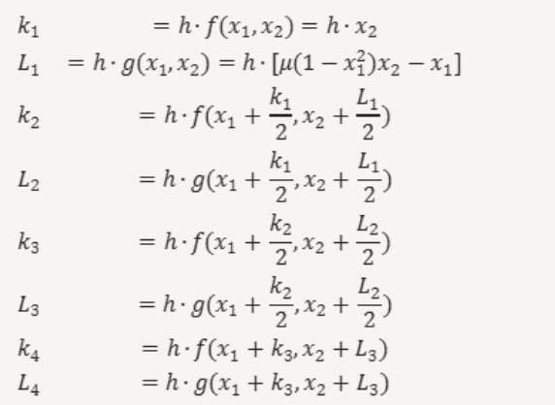

 |  | 1 | 0 | 0.5 | 0

