引脚图
名称 | 原理图标号 | PIN
时钟100MHz | SYS_CLK | P17 | 时钟100M
复位引脚 | FPGA_RESET | P15 | 低电平复位
S0 | PB0 | R11 | 按键(低电平触发)
S1 | PB1 | R17
S2 | PB2 | R15
S3 | PB3 | V1
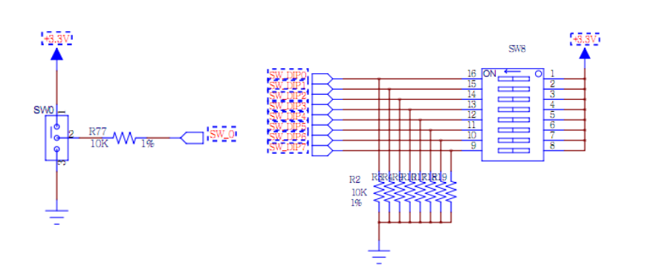
S4 | PB4 | U4
SW0 | SW_0 | P5 | 拨码开关
SW1 | SW_1 | P4
SW2 | SW_2 | P3
SW3 | SW_3 | P2
SW4 | SW_4 | R2
SW5 | SW_5 | M4
SW6 | SW_6 | N4
SW7 | SW_7 | R1
SW8 | SW_DIP0 | U3
 | SW_DIP1 | U2
 | SW_DIP2 | V2
 | SW_DIP3 | V5
 | SW_DIP4 | V4
 | SW_DIP5 | R3
 | SW_DIP6 | T3
 | SW_DIP7 | T5
D0 | LED0 | F6 | LED灯(共阴)
D1 | LED1 | G4
D2 | LED2 | G3
D3 | LED3 | J4
D4 | LED4 | H4
D5 | LED5 | J3
D6 | LED6 | J2
D7 | LED7 | K2
D8 | LED8 | K1
D9 | LED9 | H6
D10 | LED10 | H5
D11 | LED11 | J5
D12 | LED12 | K6
D13 | LED13 | L1
D14 | LED14 | M1
D15 | LED15 | K3
A0 | LED0_CA | B4 | 数码管
B0 | LED0_CB | A4
C0 | LED0_CC | A3
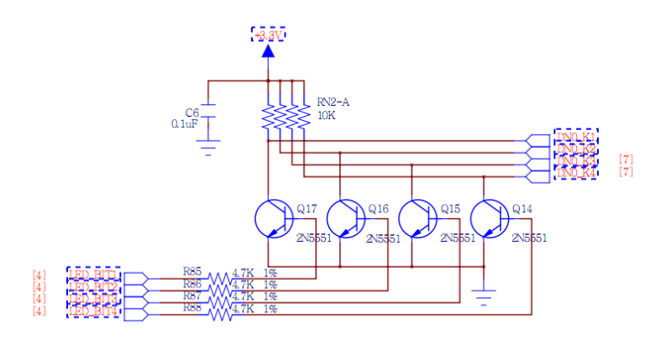
D0 | LED0_CD | B1
E0 | LED0_CE | A1
F0 | LED0_CF | B3
G0 | LED0_CG | B2
DP0 | LED0_DP | D5
A1 | LED1_CA | D4
B1 | LED1_CB | E3
C1 | LED1_CC | D3
D1 | LED1_CD | F4
E1 | LED1_CE | F3
F1 | LED1_CF | E2
G1 | LED1_CG | D2
DP1 | LED1_DP | H2
DN0_K1 | LED_BIT1 | G2
DN0_K2 | LED_BIT2 | C2
DN0_K3 | LED_BIT3 | C1
DN0_K4 | LED_BIT4 | H1
DN1_K1 | LED_BIT5 | G1
DN1_K2 | LED_BIT6 | F1
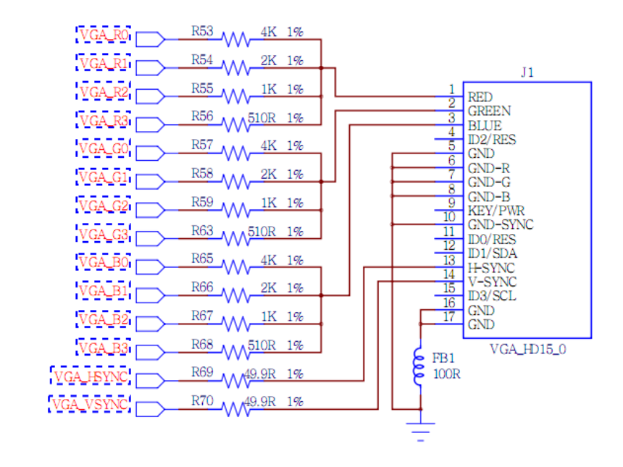
DN1_K3 | LED_BIT7 | E1
DN1_K4 | LED_BIT8 | G6
BLUE | VGA_B0(D0) | C7 | VGA
 | VGA_B1(D1) | E6
 | VGA_B2(D2) | E5
 | VGA_B3(D3) | E7
GREEN | VGA_G0(D4) | B6
 | VGA_G1(D5) | A6
 | VGA_G2(D6) | A5
 | VGA_G3(D7) | D8
RED | VGA_R0(D8) | F5
 | VGA_R1(D9) | C6
 | VGA_R2(D10) | C5
 | VGA_R3(D11) | B7
H-SYNC | VGA_HSYNC | D7
V-SYNC | VGA_VSYNC | C4
AUDIO PWM | AUDIO PWM | T1 | 音频
AUDIO SD | AUDIO_SD | M6
25 | UART_TX | T4(FPGA发送端) | UART
26 | UART_RX | N5(FPGA接收端)
15 | PS2_CLK | K5 | USB
12 | PS2_DATA | L4
I/O0 | MEM_D0 | U17 | SDRAM
I/O1 | MEM_D1 | U18
I/O2 | MEM_D2 | U16
I/O3 | MEM_D3 | V17
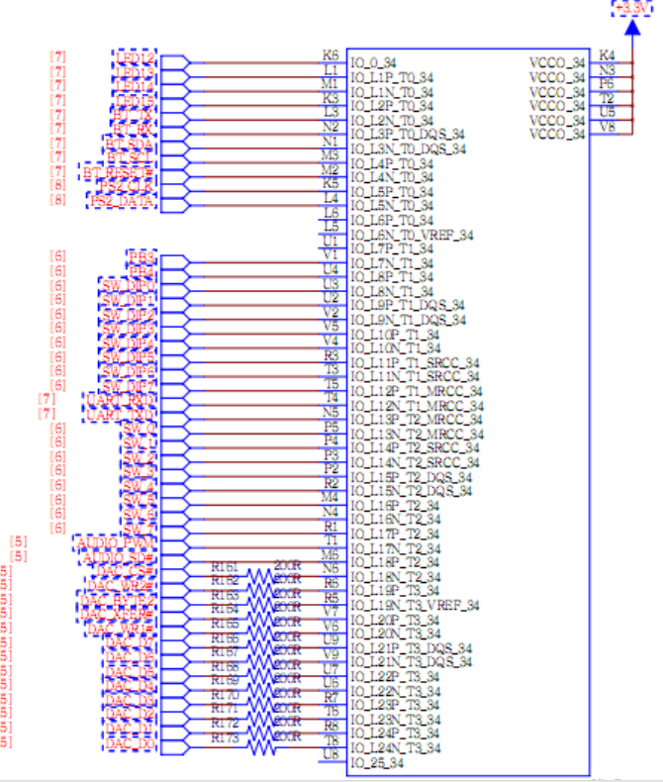
I/O4 | MEM_D4 | T11
I/O5 | MEM_D5 | U11
I/O6 | MEM_D6 | U12
I/O7 | MEM_D7 | V12
I/O8 | MEM_D8 | V10
I/O9 | MEM_D9 | V11
I/O10 | MEM_D10 | U14
I/O11 | MEM_D11 | V14
I/O12 | MEM_D12 | T13
I/O13 | MEM_D13 | U13
I/O14 | MEM_D14 | T9
I/O15 | MEM_D15 | T10
A00 | MEM_A00 | T15
A01 | MEM_A01 | T14
A02 | MEM_A02 | N16
A03 | MEM_A03 | N15
A04 | MEM_A04 | M17
A05 | MEM_A05 | M16
A06 | MEM_A06 | P18
A07 | MEM_A07 | N17
A08 | MEM_A08 | P14
A09 | MEM_A09 | N14
A10 | MEM_A10 | T18
A11 | MEM_A11 | R18
A12 | MEM_A12 | M13
A13 | MEM_A13 | R13
A14 | MEM_A14 | R12
A15 | MEM_A15 | M18
A16 | MEM_A16 | L18
A17 | MEM_A17 | L16
A18 | MEM_A18 | L15
OE | SRAM_OE | T16
CE | SRAM_CE | V15
WE | SRAM_WE | V16
UB | SRAM_UB | R16
LB | SRAM_LB | R10
DI0 | DAC_D0 | T8 | DAC
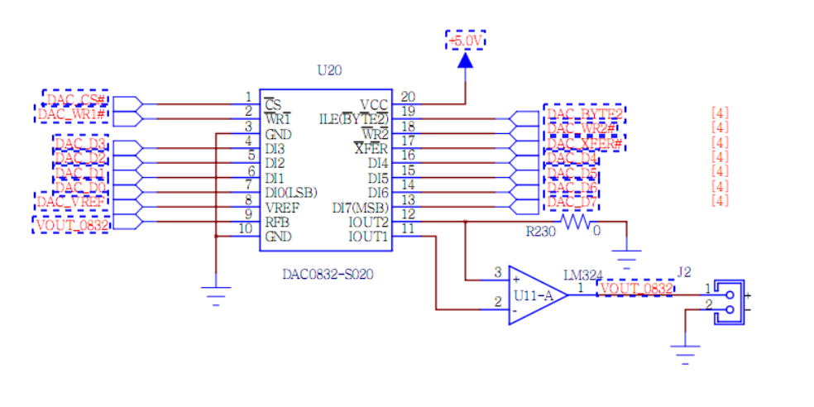
DI1 | DAC_D1 | R8
DI2 | DAC_D2 | T6
DI3 | DAC_D3 | R7
DI4 | DAC_D4 | U6
DI5 | DAC_D5 | U7
DI6 | DAC_D6 | V9
DI7 | DAC_D7 | U9
ILE(BYTE2) | DAC_BYTE2 | R5
CS | DAC_CS | N6
WR1 | DAC_WR1 | V6
WR2 | DAC_WR2 | R6
XFER | DAC_XFER | V7
UART_RX | BT_RX | N2(FPGA发送端) | 蓝牙
UART_TX | BT_TX | L3(FPGA接收端)
1 | AD2P_15 | B16 | GPIO
2 | AD2N_15 | B17
3 | AD10P_15 | A15
4 | AD10N_15 | A16
5 | AD3P_15 | A13
6 | AD3N_15 | A14
7 | AD11P_15 | B18
8 | AD11N_15 | A18
9 | AD9P_15 | F13
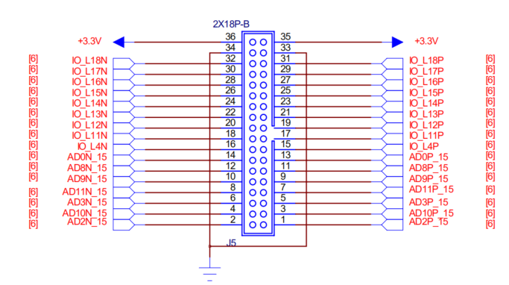
10 | AD9N_15 | F14
11 | AD8P_15 | B13
12 | AD8N_15 | B14
13 | AD0P_15 | D14
14 | AD0N_15 | C14
15 | IO_L4P | B11
16 | IO_L4N | A11
17 | IO_L11P | E15
18 | IO_L11N | E16
19 | IO_L12P | D15
20 | IO_L12N | C15
21 | IO_L13P | H16
22 | IO_L13N | G16
23 | IO_L14P | F15
24 | IO_L14N | F16
25 | IO_L15P | H14
26 | IO_L15N | G14
27 | IO_L16P | E17
28 | IO_L16N | D17
29 | IO_L17P | K13
30 | IO_L17N | J13
31 | IO_L18P | H17
32 | IO_L18N | G17

型号
