EEG
No. | Signal | Features | AI Models | Result | Cite Content | Code | Publisher | Year | Citation
1 | EEG | Various extracted features | Survey of ML/DL models | Overview of EEG-based emotion recognition |  | No | Neurocomputing | 2019 | Alarcao, S. M., & Fonseca, M. J. (2019). Emotions recognition using EEG signals: A survey. *Neurocomputing*, *324*, 28-41.

 | About Brain: what is the function for each part |  |  | What is EEG |  |  | Channels --> our channels
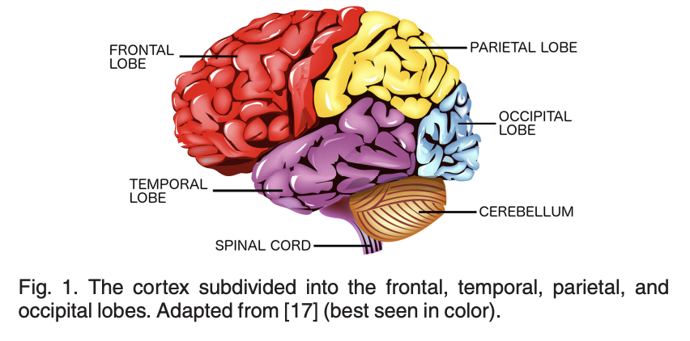
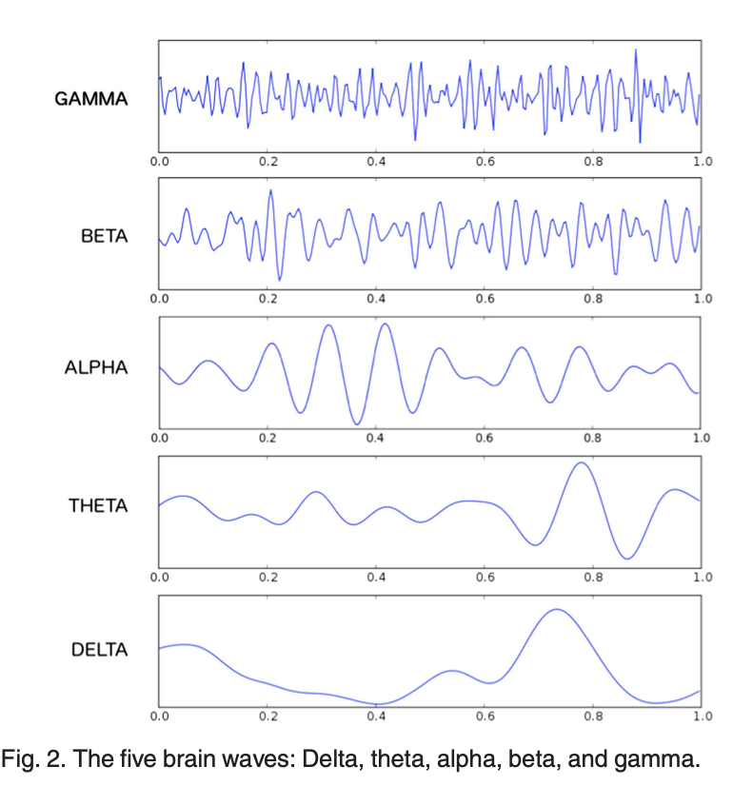
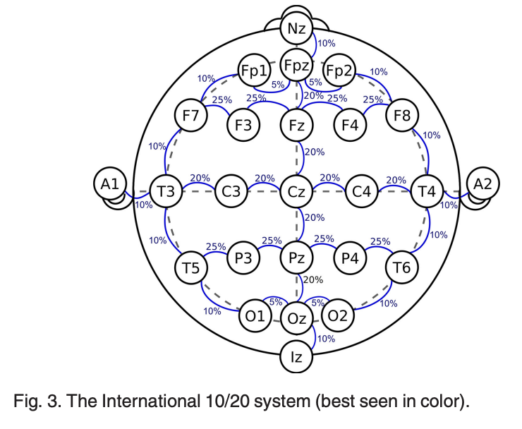

 | Emotions in the Brain | Jupiter
 | There are two main areas of the brain correlated with emotional activity: the amygdala (located close to the hippocampus, in the frontal portion of the temporal lobe); and the pre-frontal cortex (covers part of the frontal lobe).
 | Changes in alpha power and asymmetry between the hemispheres of the brain are related to emotions
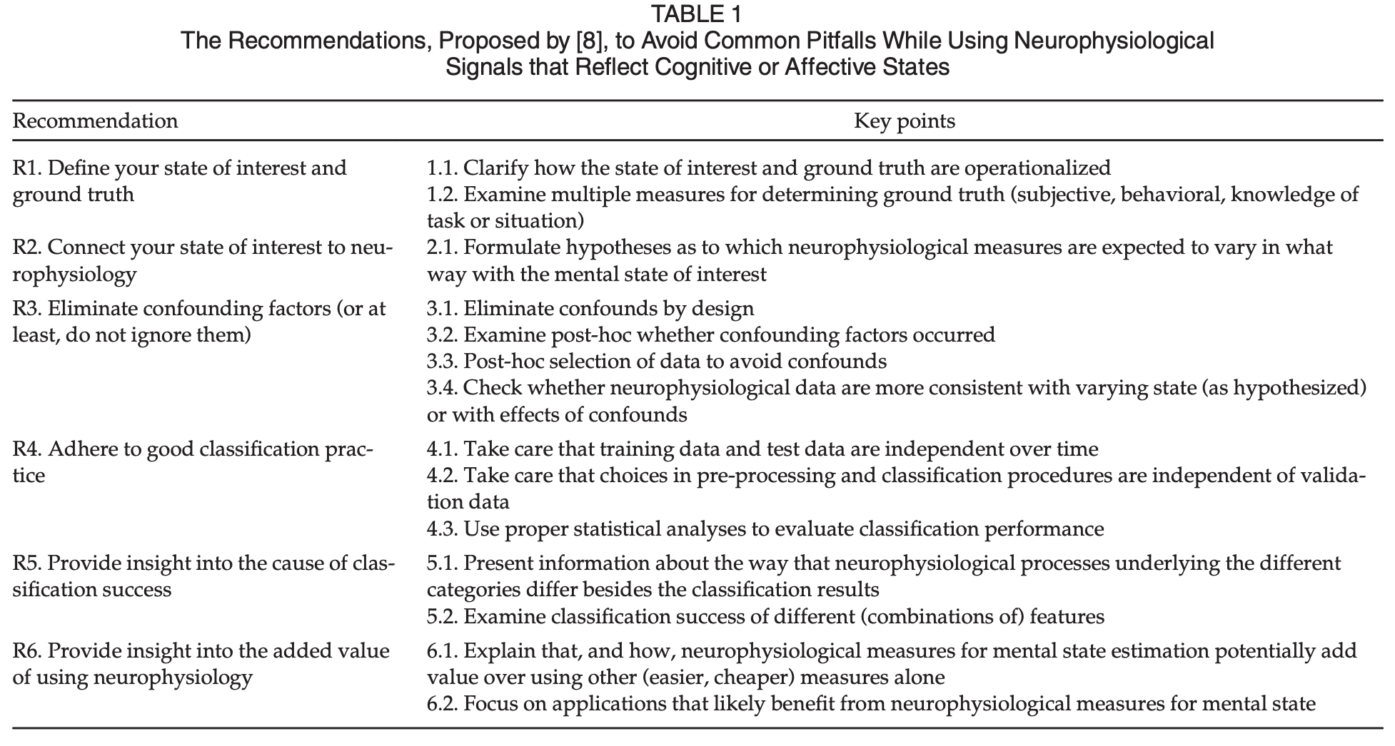
 | In summary, we can conclude that the frontal and parietal lobes are the most informative about the emotional states, while the alpha, gamma and beta waves appear to be the most discriminative. The gender-related findings are consistent with the common belief that women are more emotional than men, which suggests possible gender-related neural responses to emotional stimuli.

 | Definition of mental states

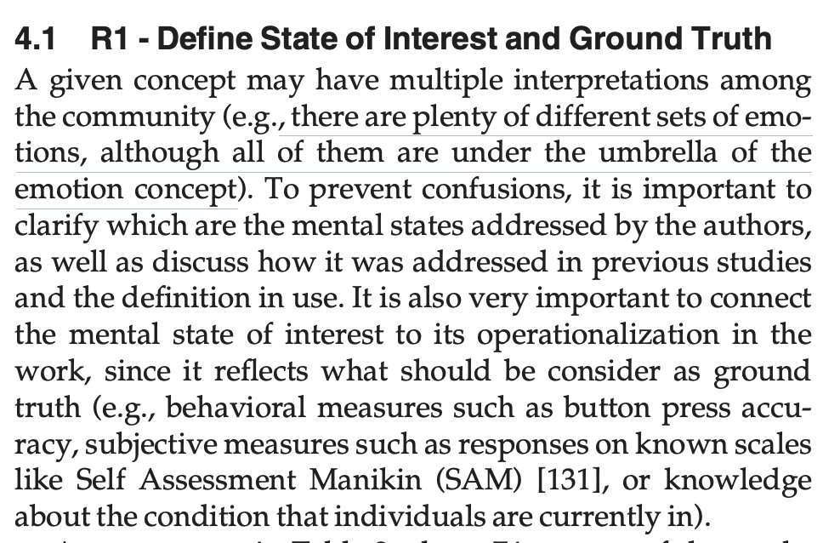

 | recognition of emotions)

ECG
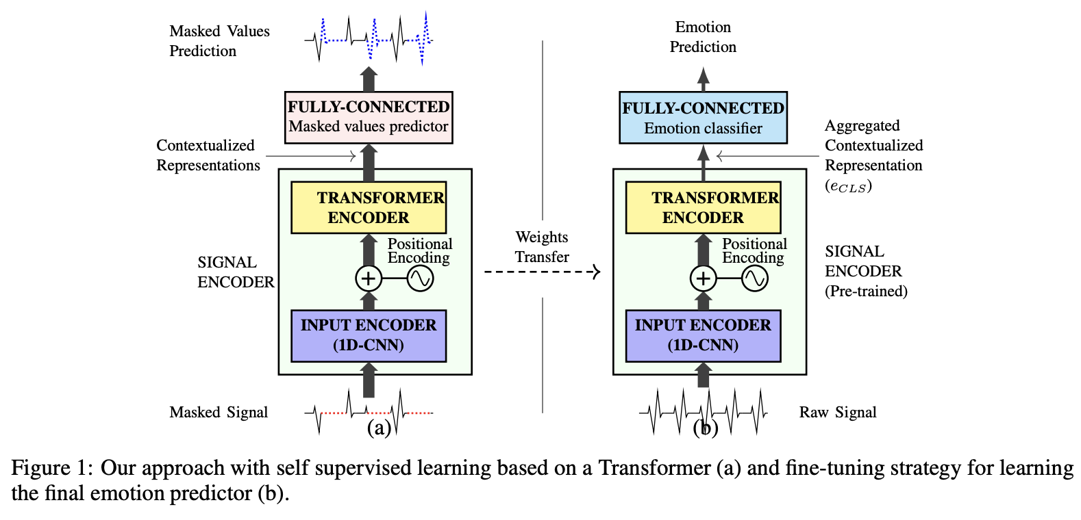
No. | Signal | Features | AI Models | Result | Cite Content | Code | Publisher | Year | Citation
3 | ECG | Time & frequency domain | Transformer-based DL | Improved emotion recognition |  | No | Sensors | 2022 | Cho, H., Park, J., & Lee, J. (2022). Transformer-based deep learning model for electrodermal activity-based emotion recognition. *Sensors*, *22(4)*, 1256.

