Features_table
Task | Feature Category | Specific Features | Result | Citation
Emotion recognition using EEG and eye movement signals (Positive, Neutral, Negative) | EEG & Eye Tracking | EEG: Power Spectral Density (PSD), Differential Entropy (DE) across delta, theta, alpha, beta, gamma bands; Eye: Pupil diameter (mean, std), fixation duration, blink frequency, saccade amplitude, etc. | Achieved 71.77% accuracy using DE features across all frequency bands; pupil diameter showed significant variation across emotional states. | Lu et al., 2015
Multimodal emotion recognition from EEG and eye movement signals (happy, sad, neutral and fearful emotions) | EEG & Eye Tracking | spatial features of the EEG signals, Pupil diameter, gaze coordinates (X and Y), saccade details, blink details; PCA used to remove illumination effects from pupil data. fused features. | CNN-based eye movement & EEG feature extractor achieved improved emotion recognition performance; specific accuracy not stated. | Frontiers in Neuroscience, 2023
Emotion recognition using EDA and music features (Valence, Arousal) | EDA | Convex optimization-based EDA (CvxEDA) to decompose signals into phasic and tonic components; channel-temporal attention mechanism applied. | Proposed RTCAN-1D model outperformed existing state-of-the-art models on PMEmo, DEAP, and AMIGOS datasets; specific accuracy values not provided. | Yin et al., 2020
Emotion recognition using EEG signals (Valence, Arousal) | EEG | EEG signals decomposed into gamma, beta, alpha, and theta bands using discrete wavelet transform (DWT); spectral features extracted from each band. | SVM with RBF kernel achieved 91.3% accuracy for arousal and 91.1% for valence on the DEAP dataset. | Bazgir et al., 2019
Emotion recognition using eye-tracking data (Valence, Arousal (happy, fear, surprise, relax, calm, anger) balance?) Can we feature Attention? Working memory load, how much people engaged disengaged, how to comperate attention | Eye Tracking | Fixations, saccades, pupil diameter; luminance effects removed using linear regression. (Fixations were used to calculate features such as the number of fixations, mean value, variance, skewness, and kurtosis of duration of fixations. The fixation durations were expressed as the number of samples. Based on fixations, the overall fixation vector (OFV) was also calculated. This feature considers the number, position, and duration of fixations.) | Classification of three emotion classes using SVM, LDA, and k-NN; specific accuracy values not provided. | Tarnowski et al., 2020
Real-time EEG-based emotion recognition model (Valence, Arousal, Dominance) | EEG | Principal Component Analysis (PCA) applied to extract best 8 channels and their respective best band powers; Power Spectral Density (PSD) features used. (PSD and Index Estimation)) | Extra-Trees classifier achieved 96% accuracy for real-time Valence, Arousal, and Dominance (VAD) estimations every 5 seconds. | Candela-Leal et al., 2024
Emotion recognition based on multimodal physiological electrical signals (Valence, Arousal, Dominance) | EEG & EDA | Features from EEG and EDA signals; specific features not detailed; Att-1DCNN-GRU model applied. (Extract the time-domain, frequency-domain, and nonlinear features of EEG and ECG and perform feature fusion, and use the method of random forest for feature selection.) | Achieved 96% training accuracy and 94% test accuracy on the DREAMER dataset using the proposed hybrid model. | Frontiers in Neuroscience, 2025
EEG-based emotion recognition with rhythm and time characteristics (Valence, Arousal) | EEG | Rhythm synchronization patterns with joint time–frequency–space correlation model (RSP-ERM); focus on beta and theta rhythms. | Achieved 62.12% accuracy for valence at 0.75s time scale and beta rhythm; 69.1% accuracy for arousal at 0.5s time scale and theta rhythm. | Brain Informatics, 2019
Emotion recognition using EEG signals and audiovisual features with contrastive learning | EEG & Audiovisual | EEG features combined with audiovisual features; specific EEG features not detailed; contrastive learning approach applied. | Proposed method achieved 93.4% accuracy for valence, 91.7% for arousal, and 93.5% for dominance in two-level classification on the DEAP dataset. | MDPI, 2024
Multimodal emotion recognition using EEG and eye tracking data | EEG & Eye Tracking | EEG: PSD and DE features across delta, theta, alpha, beta, gamma bands; Eye: Pupil diameter, fixation duration, blink frequency, saccade amplitude, etc.; features scaled between 0 and 1. | DE features achieved higher accuracy compared to PSD in most frequency bands; pupil diameter showed significant variation across emotional states; specific accuracy values not provided. | Lu et al., 2015
Driver attention assessment using physiological measures from EEG, ECG, and EDA signals | EEG, EDA, ECG | EEG: Beta frequency band power, blink rate; EDA: Skin Potential Response (SPR); ECG: Heart rate. | Manual driving scenario induced higher mental workload and attention compared to autonomous driving; physiological measures effectively assessed driver attention. | Najafi et al., 2023
Exploring emotions in EEG: Deep learning approach with feature fusion | EEG & Eye Tracking | EEG: Power spectrum features from six frequency bands using FFT; Eye: Eye movement features; combined with Differential Entropy (DE) features. | Proposed 1D-CNN model achieved 99.80% accuracy on SEED-V dataset, surpassing prior state-of-the-art systems. | Mridula et al., 2023
Emotion detection based on pupil variation | Eye Tracking | Pupil diameter variations; specific statistical features not detailed. | Demonstrated that pupil diameter variations can effectively detect emotions; specific accuracy values not provided. | Lee et al., 2023
EEG-based emotion recognition with consideration of individual difference | EEG | Differential Entropy (DE) features across theta, alpha, beta, and gamma bands; spatial features via CNN; temporal features via BiLSTM; individual difference module for personalization. | Proposed model achieved improved emotion classification performance by considering individual differences; specific accuracy values not provided. | Sensors, 2023
Optimal EEG electrode set for emotion recognition from brain signals | EEG | Power Spectral Density (PSD) features using FFT; analysis of electrode contributions to emotion recognition. | Achieved 95.81% accuracy using only 12 electrodes, indicating that a reduced set of electrodes can effectively recognize emotions. | Prodhan et al., 2023
EEG-based attention recognition method: fusion of time, frequency, and non-linear features | EEG | Time domain features, frequency domain features (PSD), non-linear dynamic features; fusion of all features. | Fusion features achieved highest intra-subject accuracy of 85.1% using Random Forest classifier; inter-subject accuracy of 81.6% using SVM. | Frontiers in Neuroscience, 2023
EEG alpha and pupil diameter reflect auditory attention switching and listening effort | EEG & Eye Tracking | EEG: Alpha band power; Eye: Pupil diameter measurements. | Alpha power and pupil diameter effectively reflected endogenous auditory attention switching and listening effort; specific accuracy values not provided. | Haro et al., 2022
Development of a real-time emotion recognition system using facial expressions and EEG | EEG & Facial Expressions | EEG signals and facial landmarks; convolutional neural network (CNN) and long short-term memory (LSTM) classifiers applied. | Real-time emotion recognition system effectively classified emotional expressions; specific accuracy values not provided. | Informatics in Medicine Unlocked, 2020

https://ar5iv.labs.arxiv.org/html/1602.08225v1
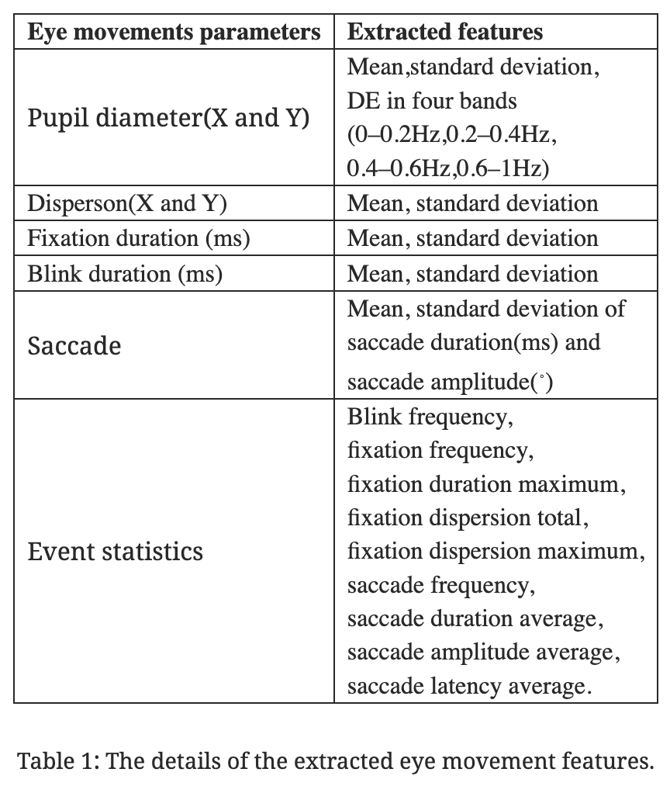
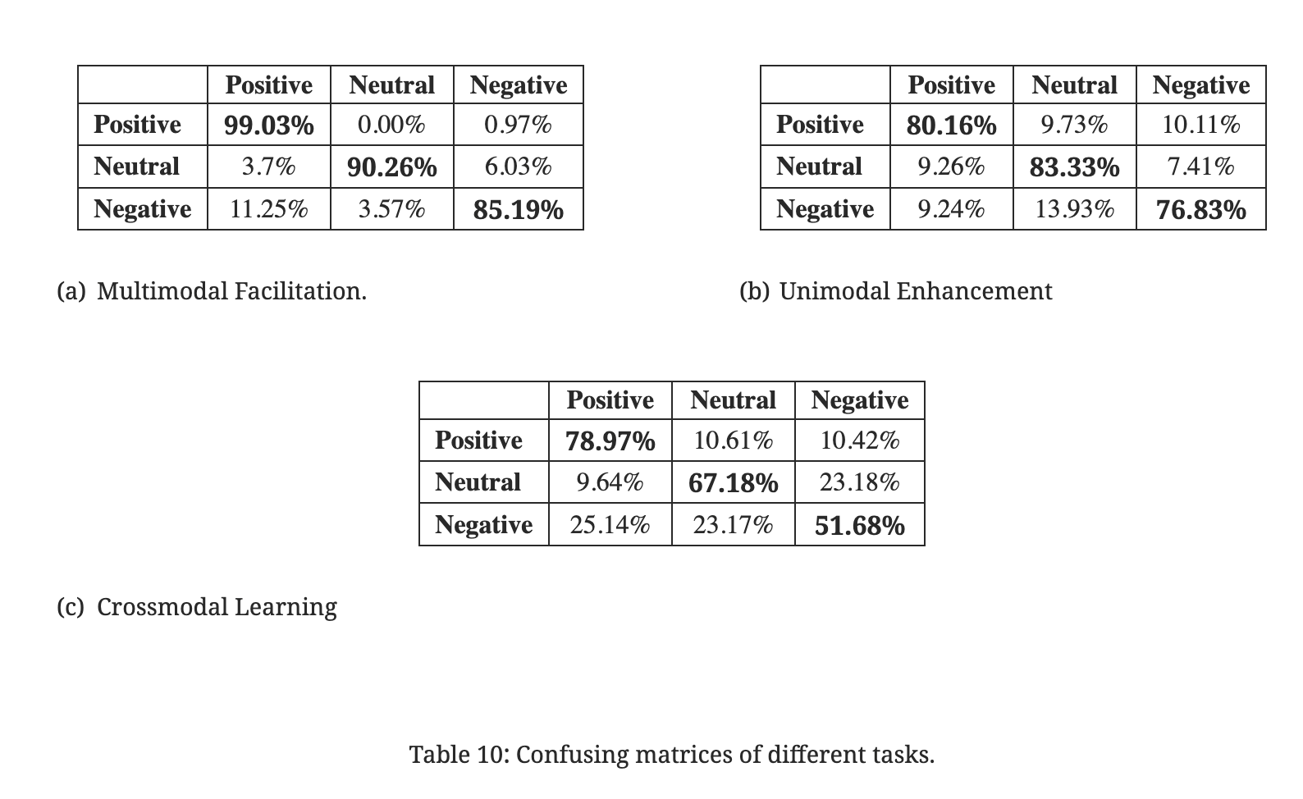

 | Pupil Lab documentation extract the blinks, other movements

Attention, Impasse, Aha!, Relax

https://www.frontiersin.org/journals/neuroscience/articles/10.3389/fnins.2023.1234162/full
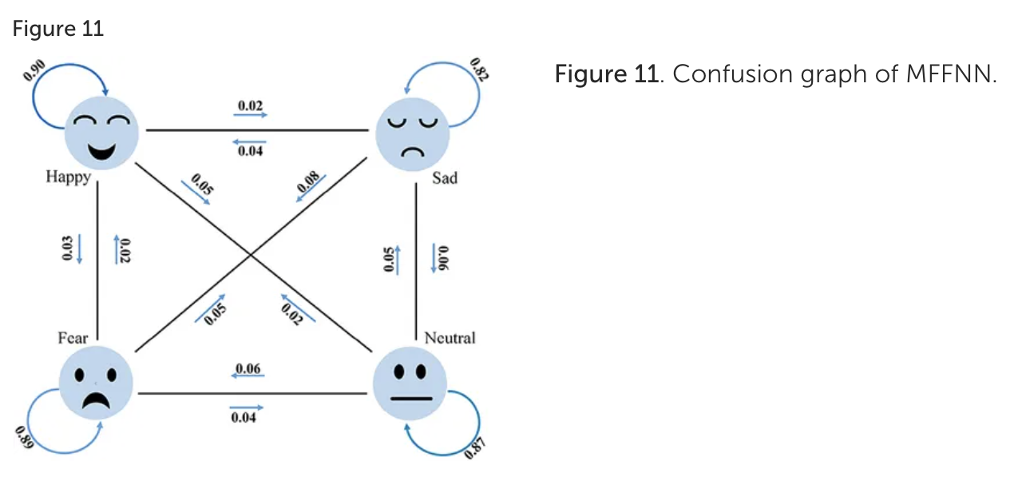
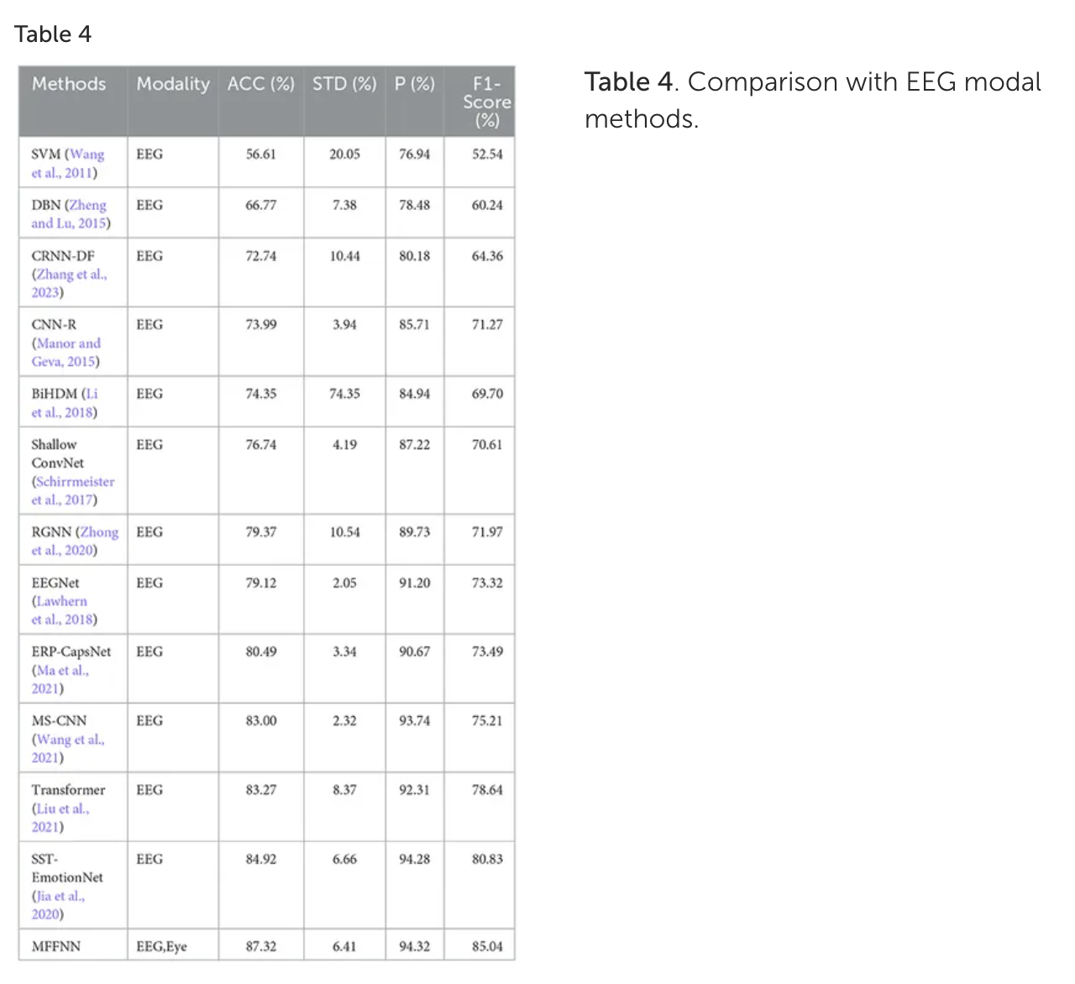

https://onlinelibrary.wiley.com/doi/epdf/10.1155/2020/2909267
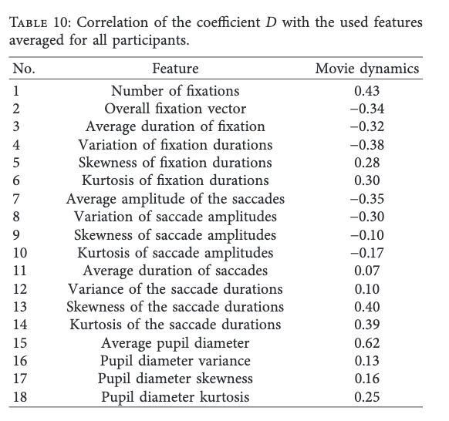

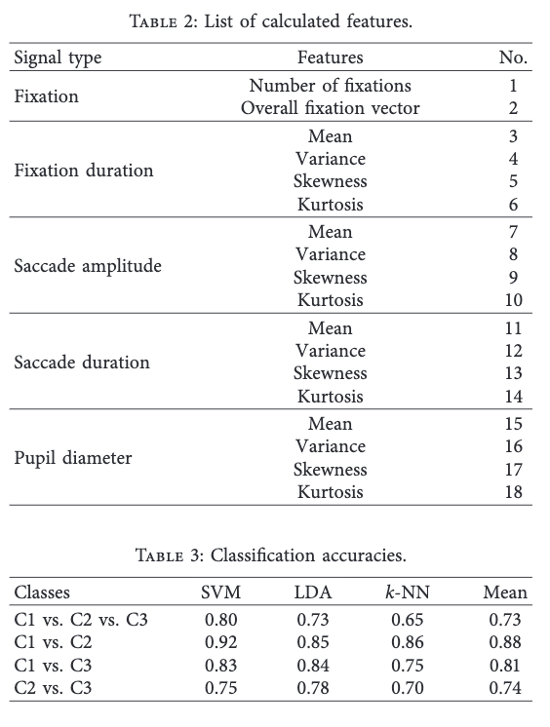

https://arxiv.org/pdf/2401.15743

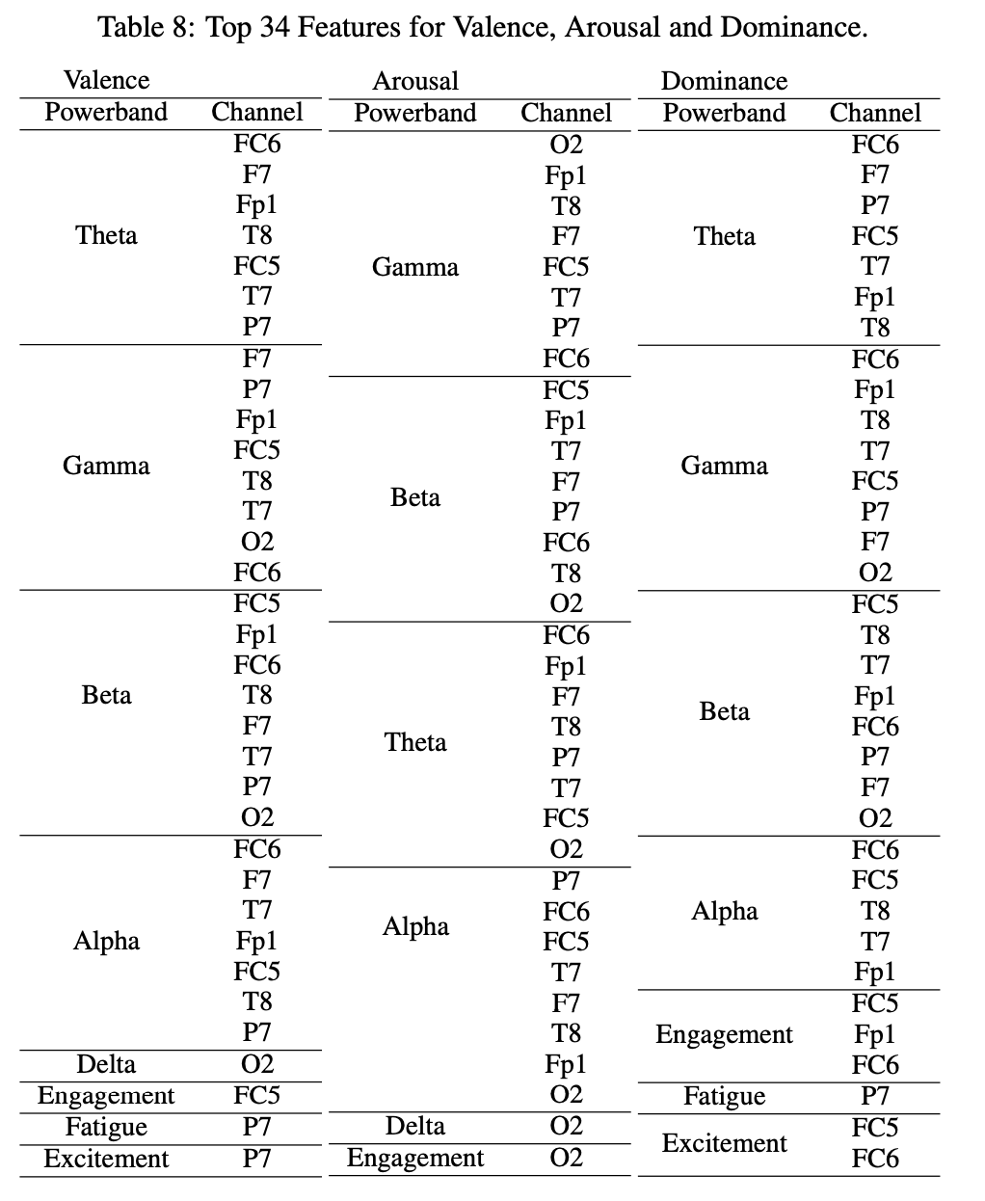

https://www.frontiersin.org/journals/neuroscience/articles/10.3389/fnins.2025.1512799/full
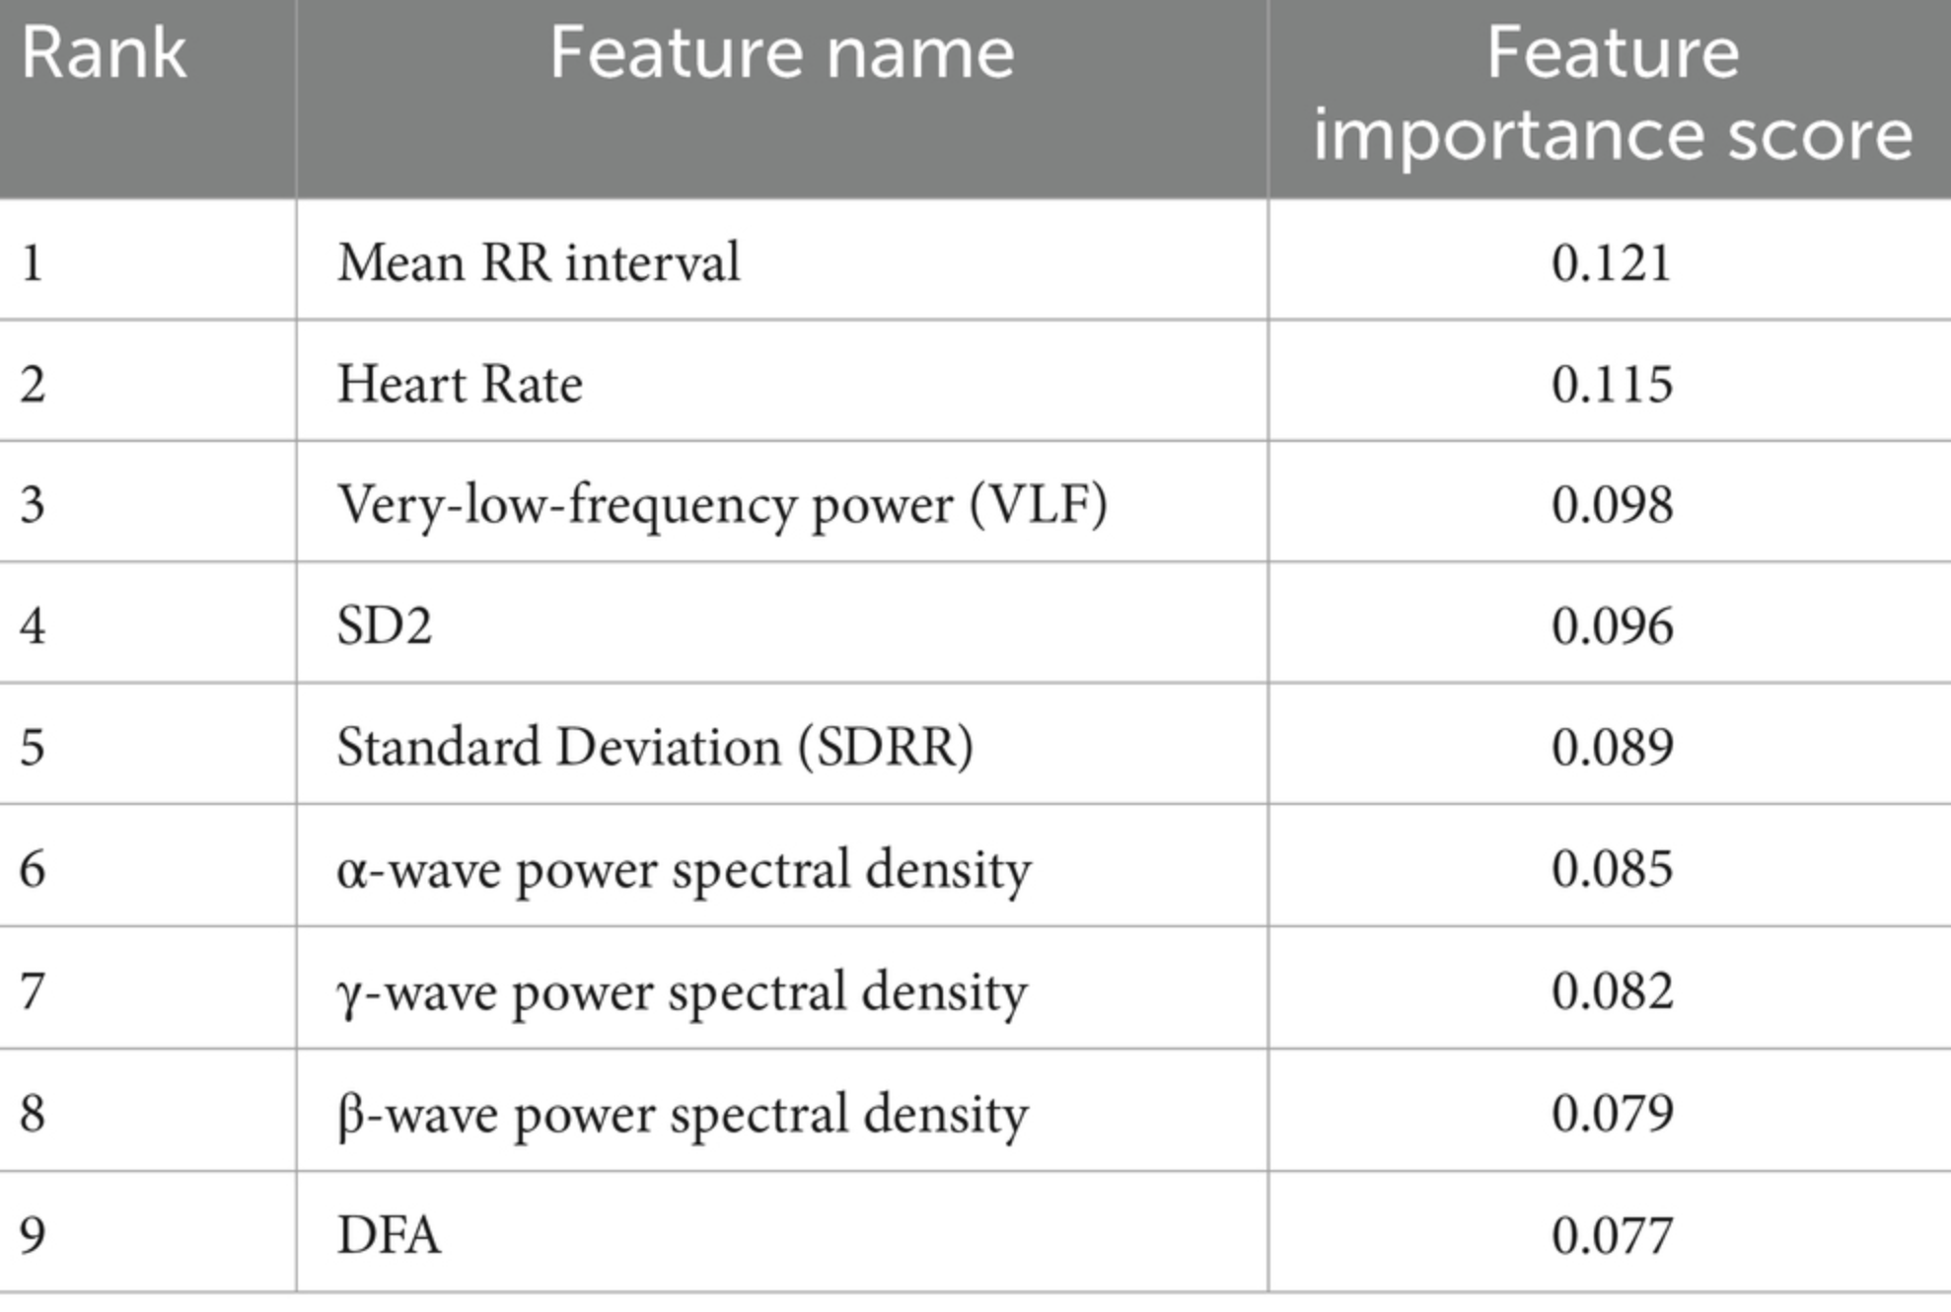
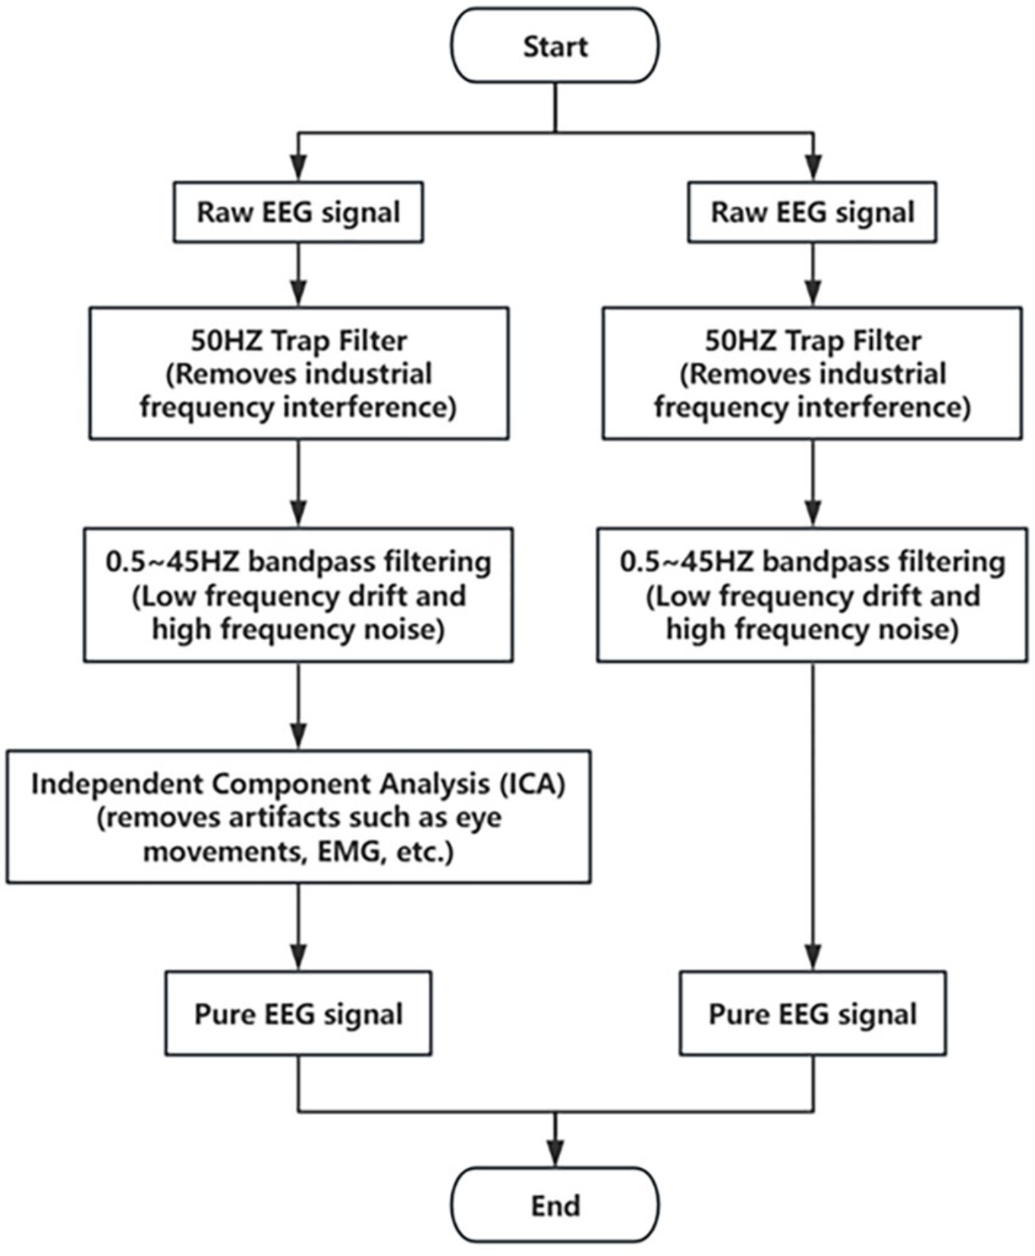

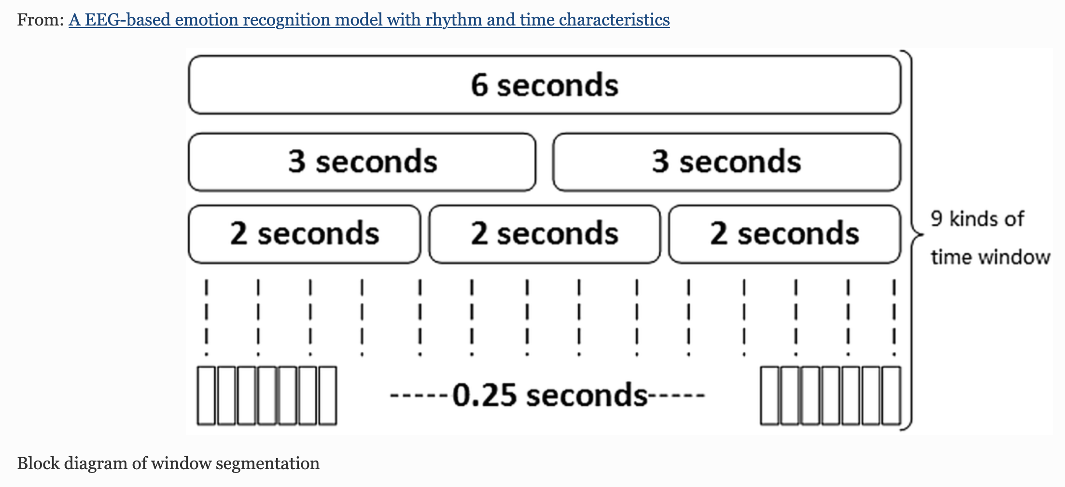
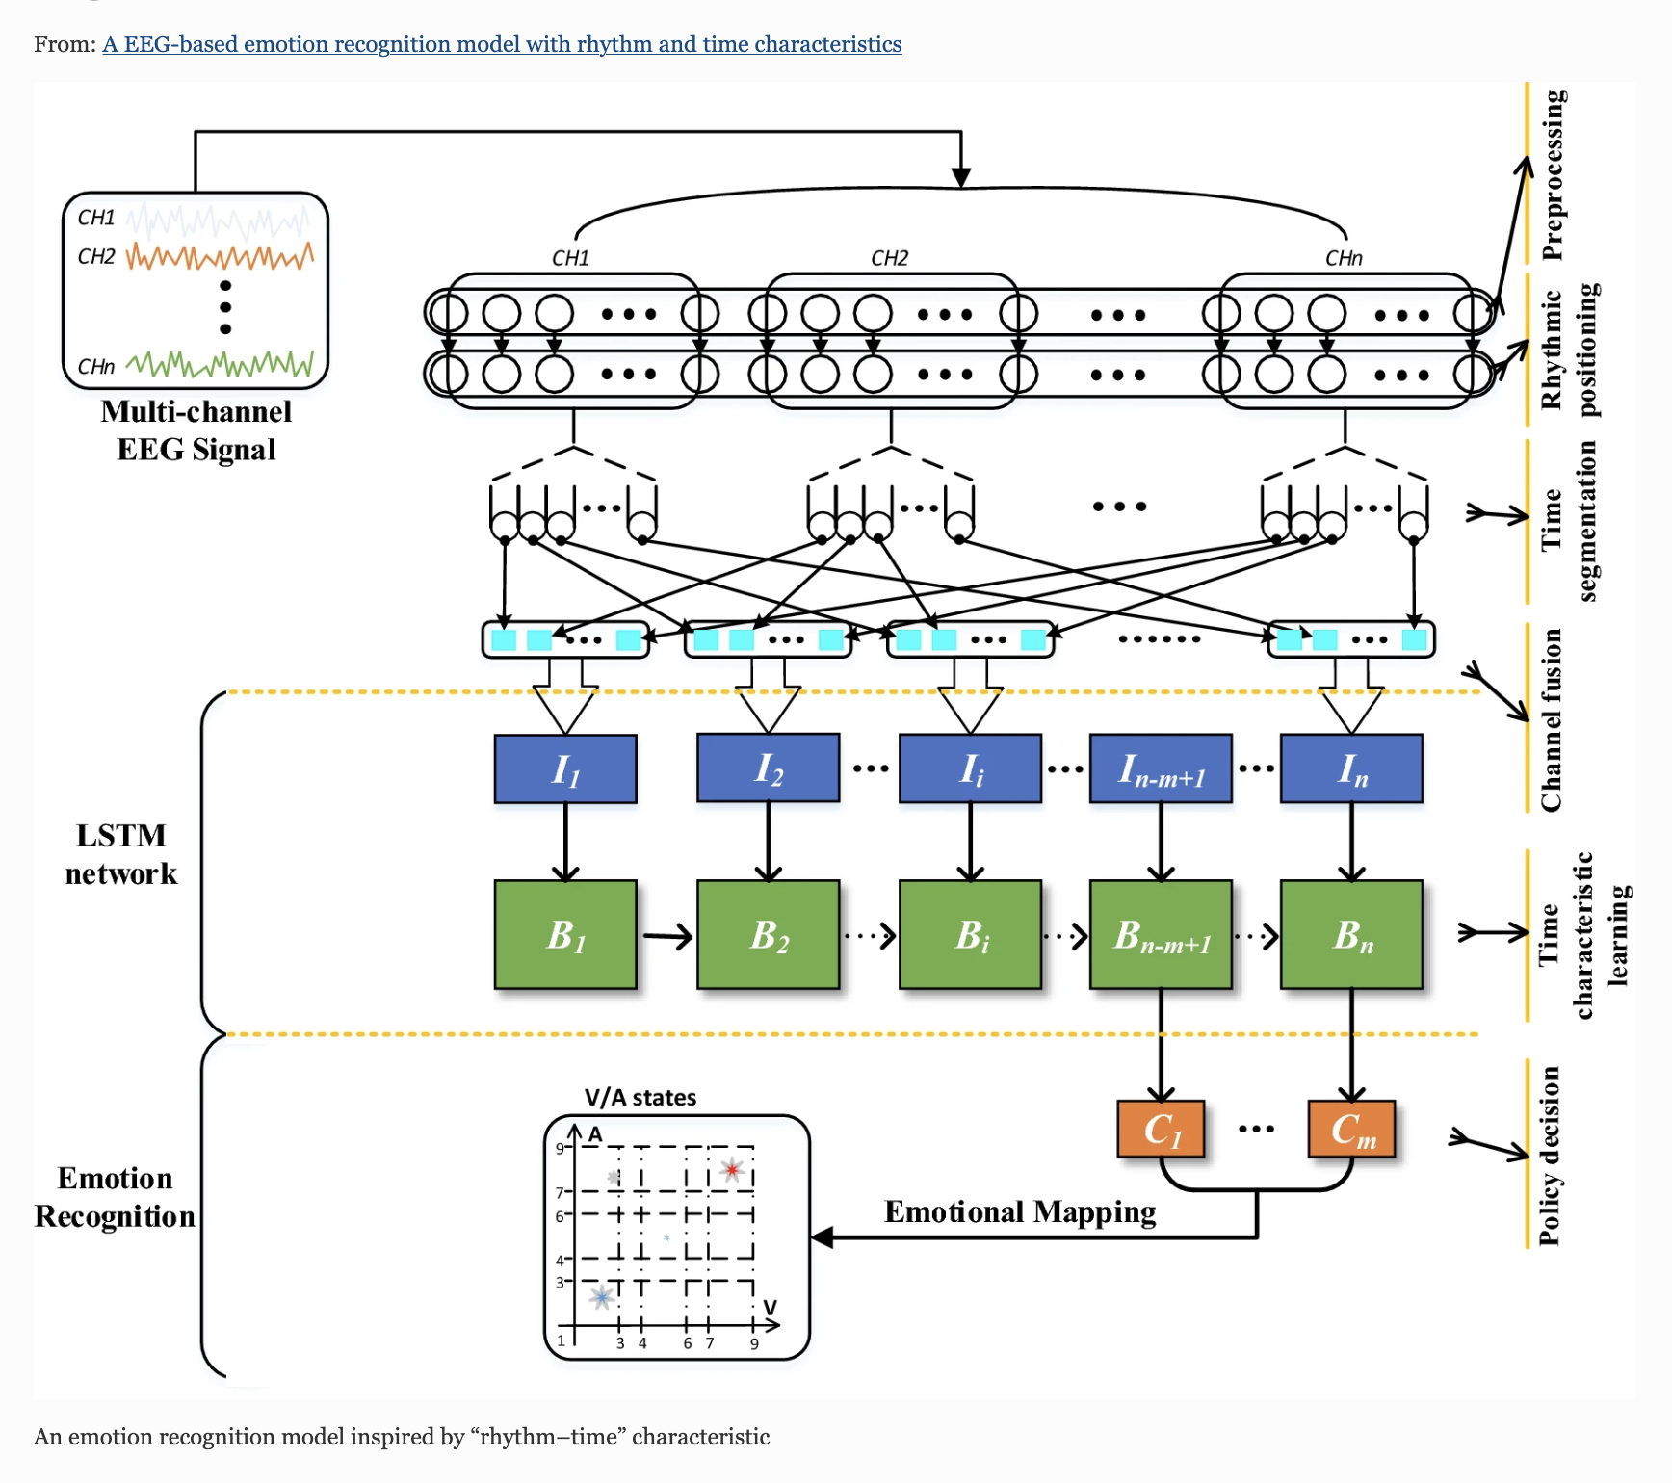
 |  |  | Tools: drawing figure, create table, literature review

 |  |  | 1. Funding

 |  |  | 2. Tasks
 |  |  | 2.1. Aha Label: 50% --> another paper that will mention my contribution, my effort for the new paper? (Gai) Someone will take over?
 |  |  | 2.2. Literature EEG: 40- 50%
 |  |  | 2.3. EEG experiemnet: 10%

 |  |  | 3. Goal, priority
 |  |  | EEG: focus on EEG works
 |  |  | 2 months : Next step, explore models, features, compare result
 |  |  | 1, 2 months finialize paper
 |  |  | September? 4 months

0.25, 0.5 1 6s

