Cognitive Load Classification
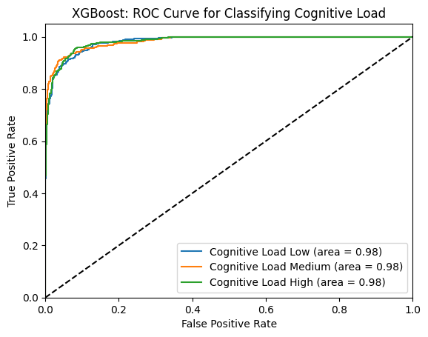
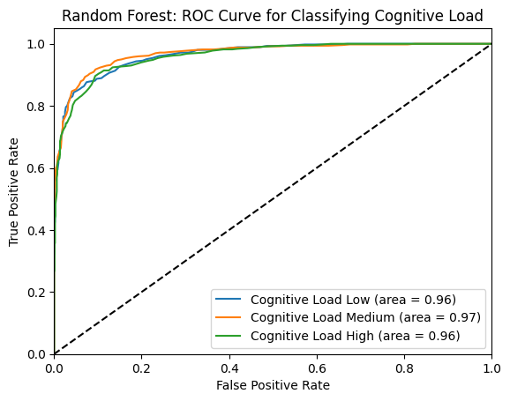
Result Table
 | Cognitive Load Classification
 | Feature: | [ 'Acc_Magnitude_diff_avg', 'Acc_Magnitude_mean', 'Acc_Magnitude_var', 'Acc_Magnitude_std', 'Acc_Magnitude_max', 'Acc_Magnitude_min', 'Acc_Magnitude_mode', 'Acc_Magnitude_median', 'Acc_Magnitude_kurt', 'Acc_Magnitude_peaks', 'bvp_diff_avg', 'bvp_cnt_maxima', 'bvp_mean', 'bvp_var', 'bvp_std', 'bvp_max', 'bvp_min', 'bvp_mode', 'bvp_skew', 'bvp_kurt', 'bvp_peaks', 'gsr_mean', 'gsr_var', 'gsr_std', 'gsr_max', 'gsr_min', 'gsr_mode', 'gsr_median', 'gsr_peaks', 'temp_cnt_maxima', 'temp_cnt_minima', 'temp_mean', 'temp_max', 'temp_min', 'temp_mode', 'temp_median', 'temp_peaks', 'diameter_diff_avg', 'diameter_cnt_maxima', 'diameter_cnt_minima', 'diameter_mean', 'diameter_var', 'diameter_min', 'diameter_mode', 'diameter_median', 'diameter_entropy', 'diameter_peaks', 'diameter_LHIPA', 'diameter_maxlevel', 'diameter_3d_cnt_maxima', 'diameter_3d_cnt_minima', 'diameter_3d_mean', 'diameter_3d_var', 'diameter_3d_std', 'diameter_3d_max', 'diameter_3d_min', 'diameter_3d_mode', 'diameter_3d_median', 'diameter_3d_skew', 'diameter_3d_kurt', 'diameter_3d_peaks']
 | Target: | session = 0, 1, 2: 8104 8104 8104
 | Code: | https://colab.research.google.com/drive/1B_LaAMtUIwgsibFU1ZmXVeNSL-D2vy2g#scrollTo=gcWEM1BTHvCQ
 | Model | Accuracy | F1 Score | Precision | Recall
 | XGBoost | 0.9136394791 | 0.91367382852 | 0.91356845236 | 0.91392640085
 | RF | 0.86908841672 | 0.86921944482 | 0.86905570128 | 0.86919230437
 | PCA+DT | 0.56339958876 | 0.56307544315 | 0.56333106009 | 0.56376194775
 | PCA + KNN | 0.44688142563 | 0.44502223014 | 0.44786497348 | 0.448089495
 | KNN | 0.38450993831 | 0.37954990599 | 0.38384142171 | 0.38590489251
 | CNN | 0.32807308435 | 0.16208739266 | 0.10935769657 | 0.33333333333
 | LSTM | 0.3168604672 | 0.15248472714 | 0.10562015504 | 0.33333333333

Feature Importance
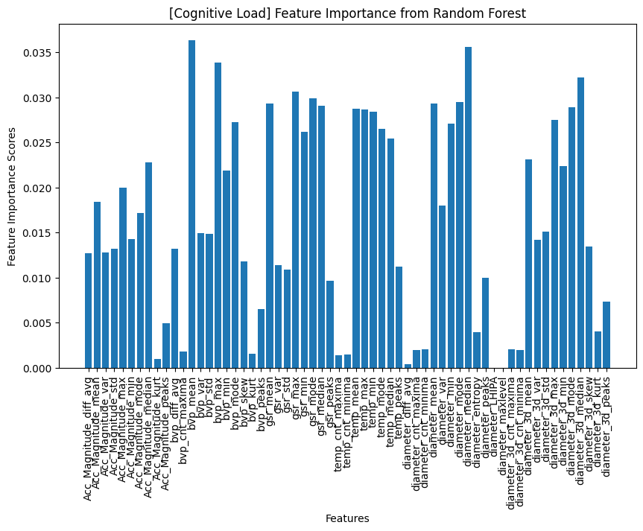

ROC Curve

Aha! Moment Prediction
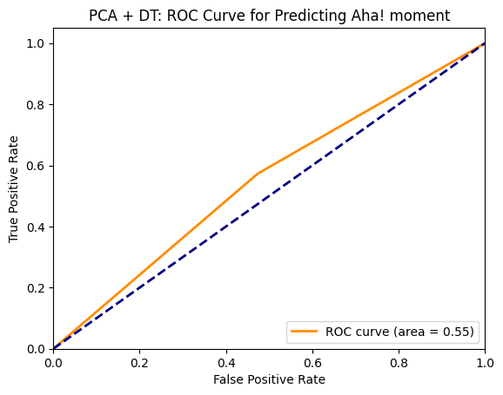
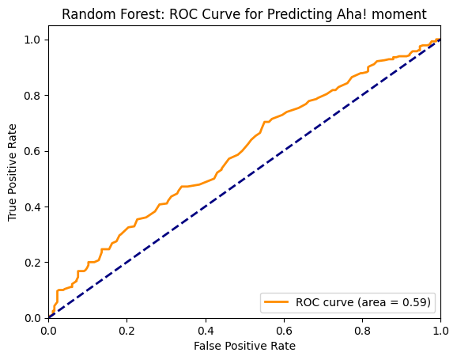
Result Table
 | Aha! Moment Prediction
 | Feature: | ['diameter_mean', 'diameter_median', 'diameter_3d_mean', 'diameter_3d_skew', 'Acc_Magnitude_diff_avg', 'Acc_Magnitude_mean', 'Acc_Magnitude_min', 'Acc_Magnitude_mode', 'Acc_Magnitude_median', 'bvp_diff_avg', 'bvp_similar', 'bvp_mean', 'bvp_var', 'bvp_skew']
 | Target: | Aha = 0, 1 = 4536, 4536
 | Code: | https://colab.research.google.com/drive/1f98egbDMeU_oNeWhGi7KyZUK7heoIWEQ#scrollTo=8_0om6zAHUlK
 | Model | Accuracy | F1 Score | Precision | Recall
 | PCA+DT | 0.555963 | 0.555906 | 0.555445 | 0.555416
 | RF | 0.546789 | 0.546829 | 0.547086 | 0.547102
 | XGBoost | 0.544954 | 0.557143 | 0.557143 | 0.557143
 | LSTM | 0.531702 | 0.60019 | 0.528428 | 0.694505
 | KNN | 0.512792 | 0.512049 | 0.512386 | 0.512311
 | PCA + KNN | 0.512792 | 0.512049 | 0.512386 | 0.512311

Feature Importance

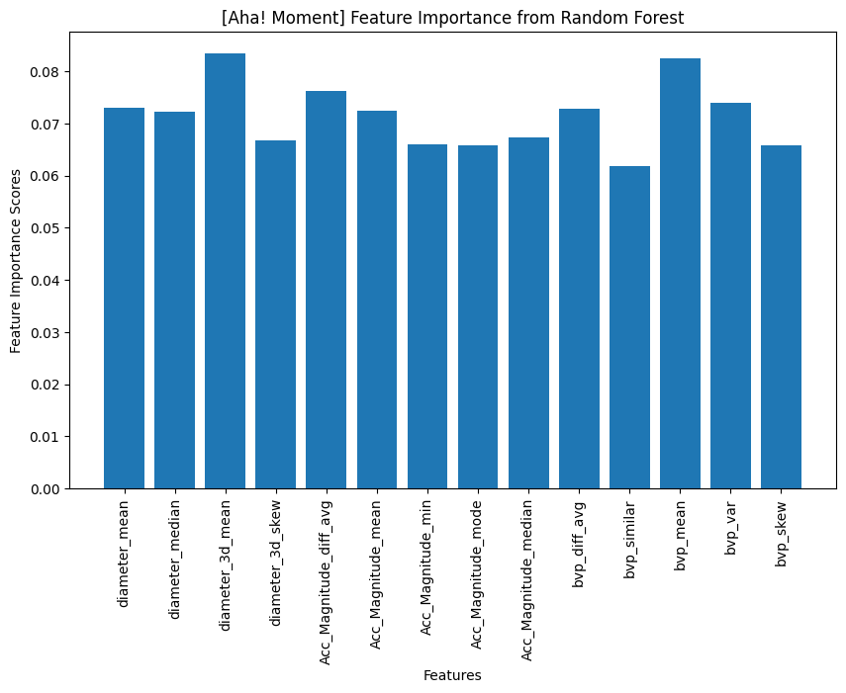

ROC Curve

Sheet1
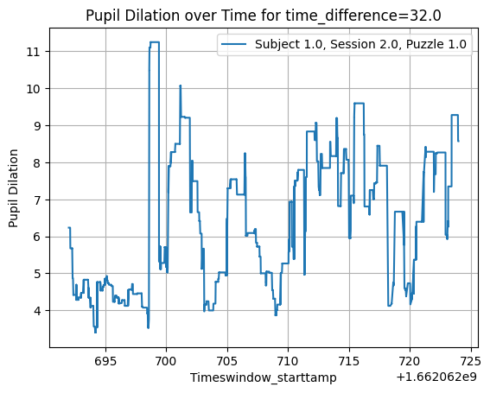
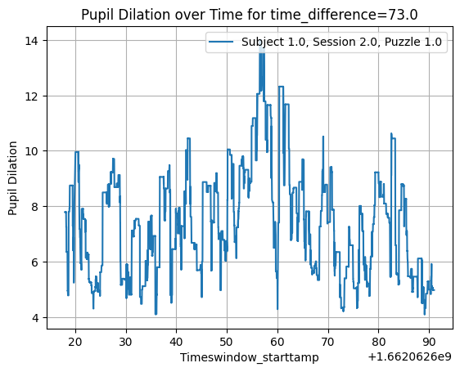
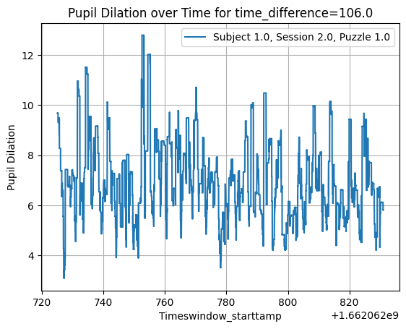
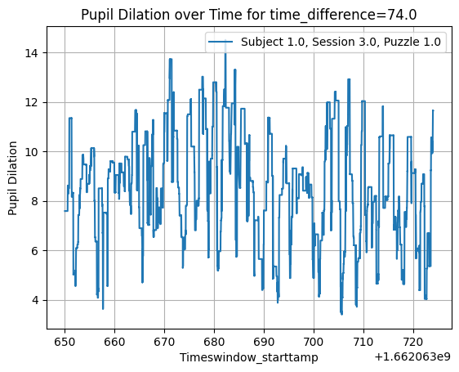
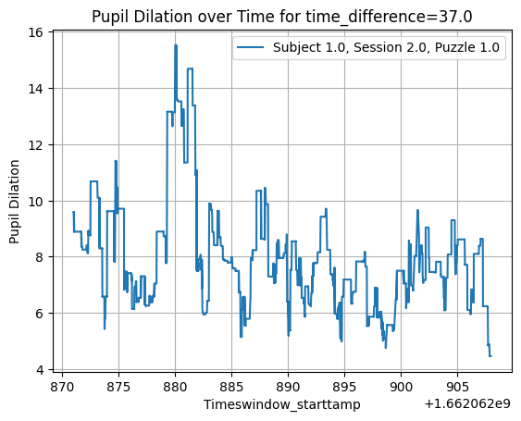
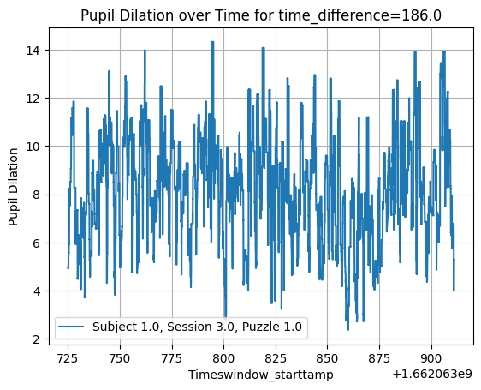
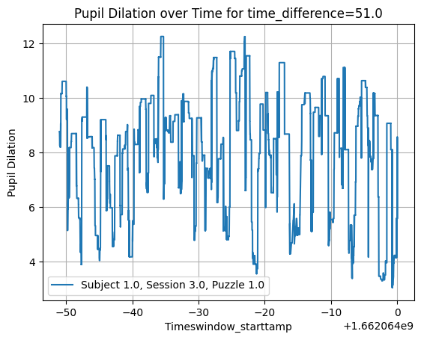
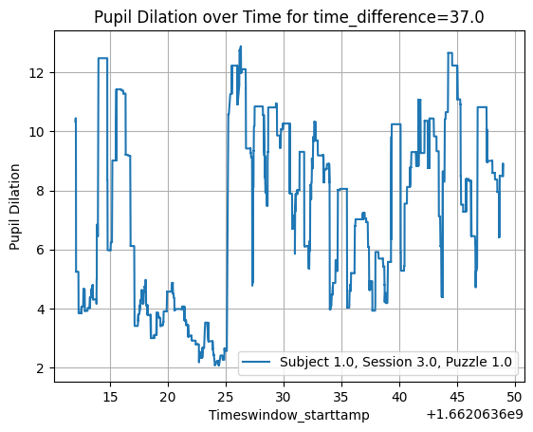
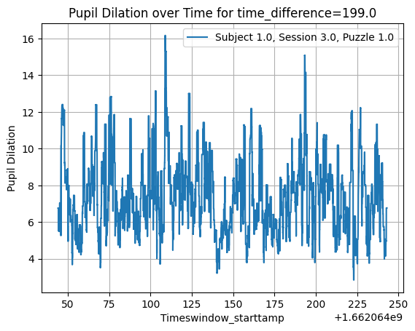
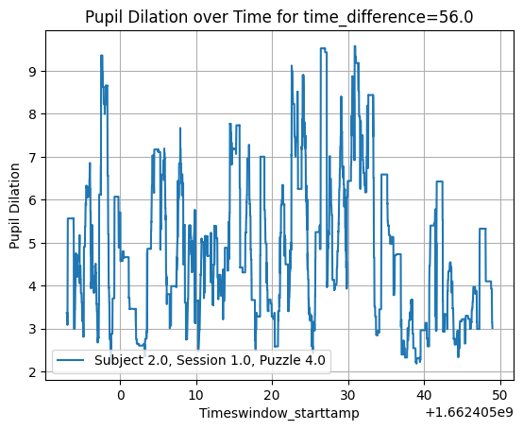
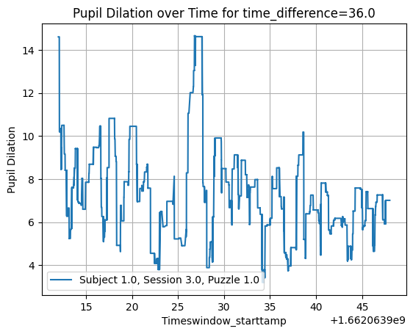
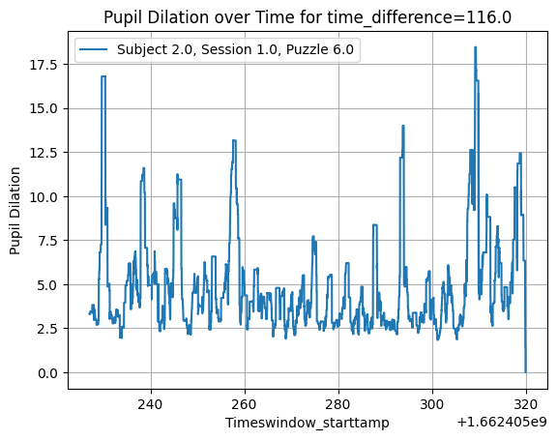
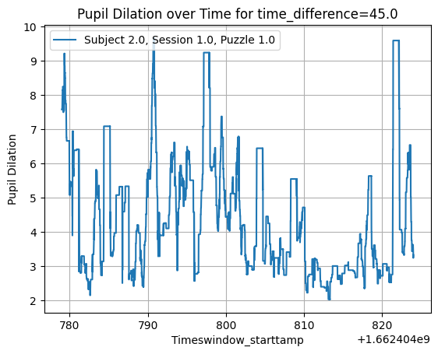
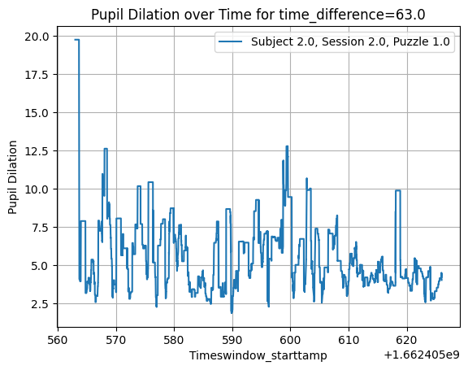
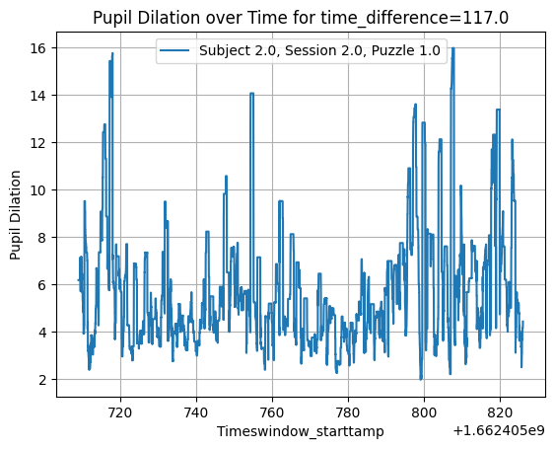
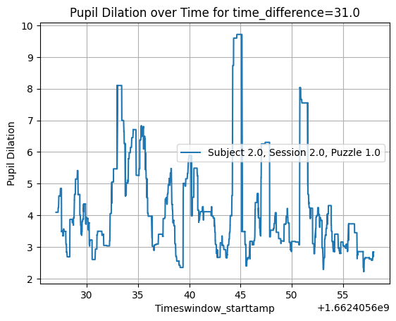
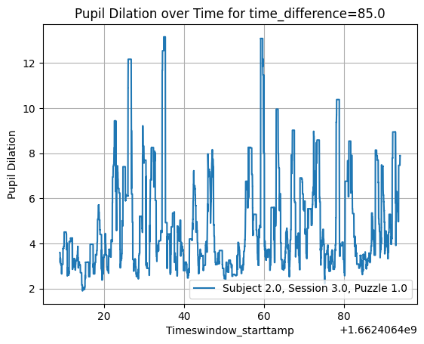
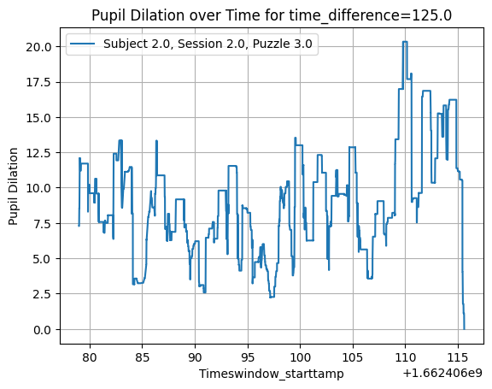
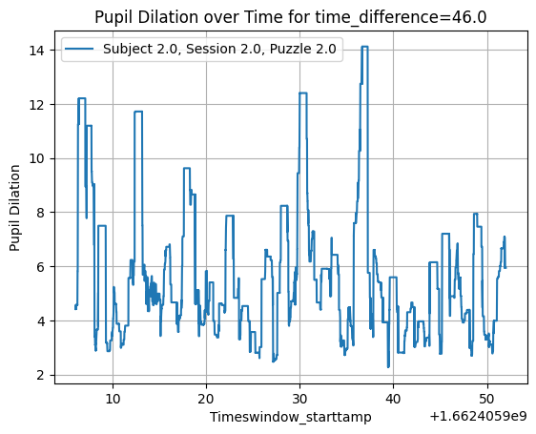
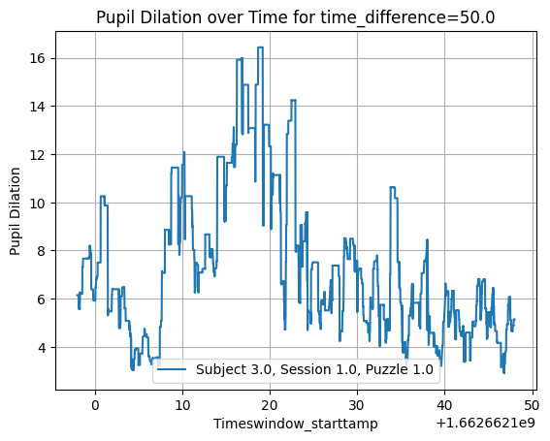
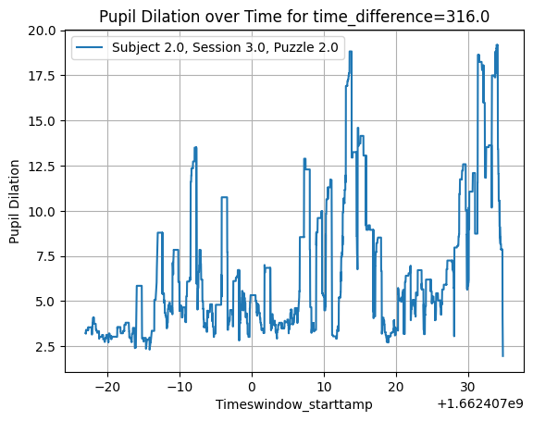
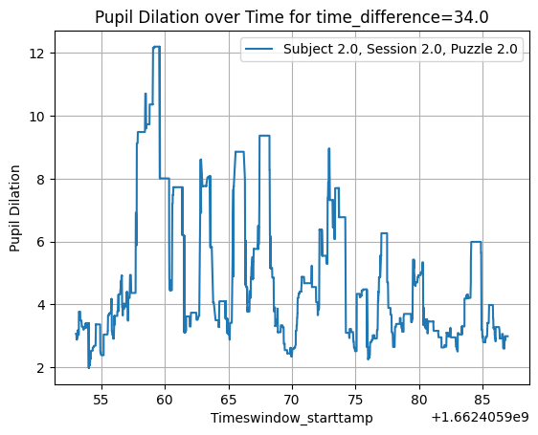
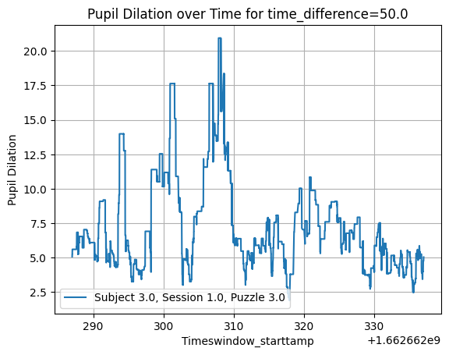
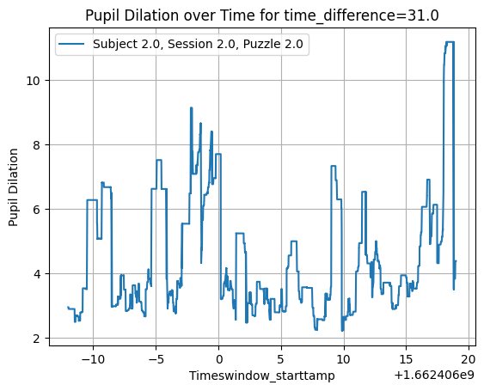
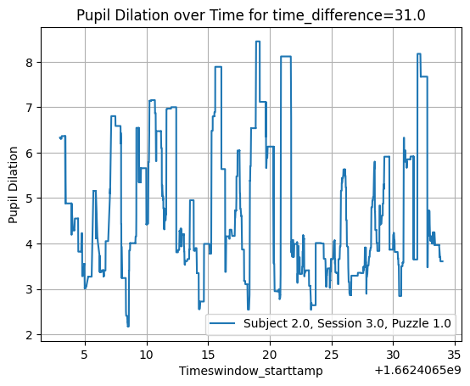
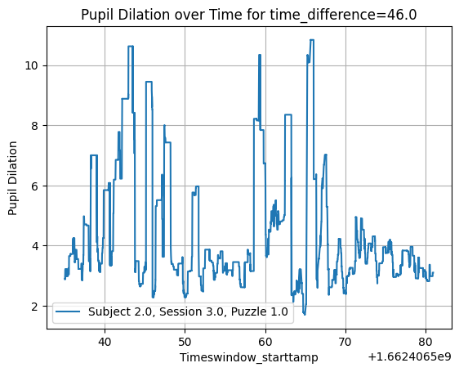
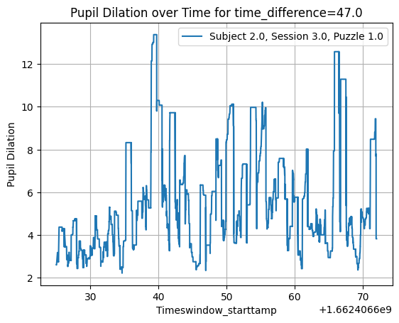
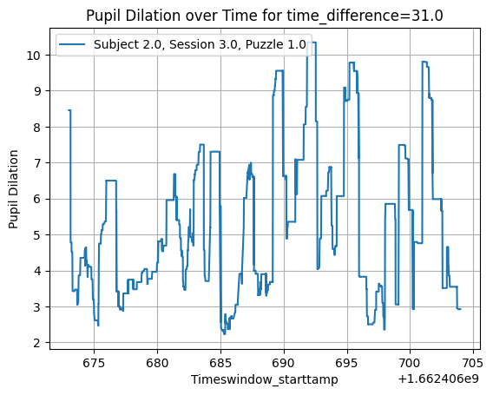
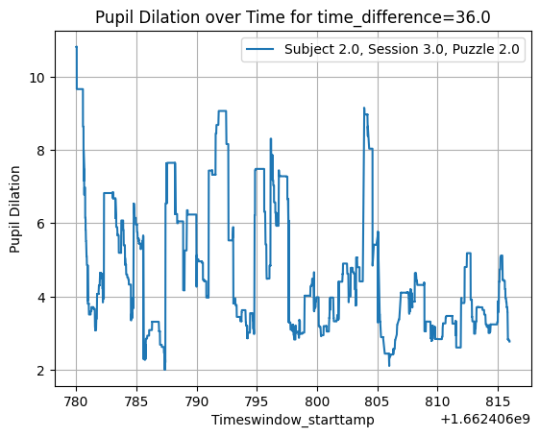
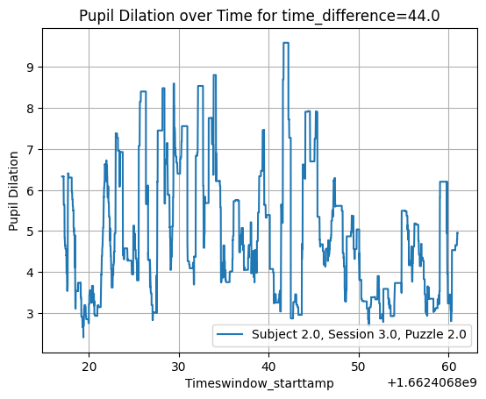
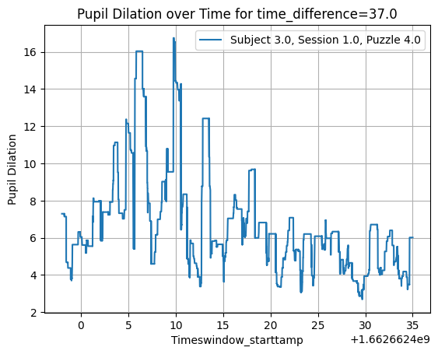
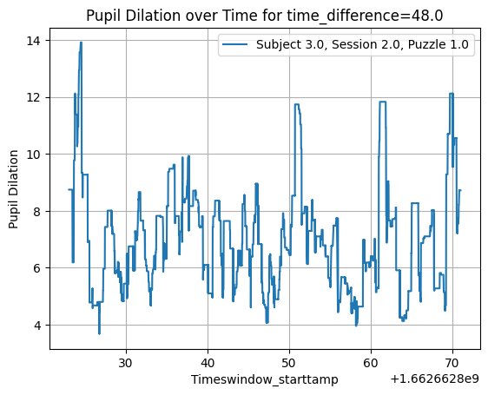
Puzzle 1 | Puzzle 2 | Both: Pupil + Puzzle

Sheet3
Subject | Accuracy |  |  | Precision |  |  | Recall |  |  | F1
 | Conf_0.6 | Conf_0.7 | Conf_0.8 | Conf_0.6 | Conf_0.7 | Conf_0.8 | Conf_0.6 | Conf_0.7 | Conf_0.8 | Conf_0.6 | Conf_0.7 | Conf_0.8
1 | 0.950 | 0.946 | 0.935 | 0.935 | 0.926 | 0.910 | 0.968 | 0.969 | 0.966 | 0.951 | 0.947 | 0.937
3 | 0.950 | 0.943 | 0.946 | 0.908 | 0.919 | 0.922 | 1.000 | 0.973 | 0.975 | 0.952 | 0.945 | 0.948
4 | 0.974 | 0.973 | 0.974 | 0.977 | 0.974 | 0.973 | 0.970 | 0.973 | 0.975 | 0.974 | 0.973 | 0.974
7 | 0.959 | 0.957 | 0.956 | 0.944 | 0.937 | 0.932 | 0.977 | 0.981 | 0.984 | 0.960 | 0.958 | 0.957
Avg | 0.958 | 0.955 | 0.953 | 0.941 | 0.939 | 0.934 | 0.979 | 0.974 | 0.975 | 0.959 | 0.956 | 0.954

EEG Classification Results Using Pupil Dilation as Label with Varying Minimum Confidence Thresholds

