Dashboard
Social Media Addiction Analysis

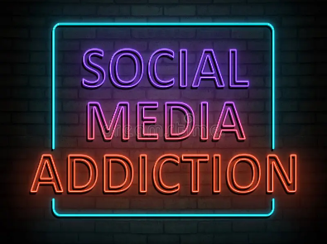
Avg Sleep
Avg Usage
Avg Health Score
Avg Addiction Score
Total Students

7.03
4.74
6.43
6.20
284

Top 10 Countries
 | Total
Denmark | 19
Canada | 17
Spain | 17
India | 16
China | 14
Poland | 14
Turkey | 13
Italy | 13
South Korea | 12
Russia | 12
Age Wise Distribution
 | Total
20 | 85
21 | 61
22 | 100
23 | 21
24 | 17
Addicted vs Non-Addicted
 | Total
Yes | 170
No | 114
Most Used Social Media Platform
 | Total
KakaoTalk | 12
VKontakte | 12
WeChat | 13
LinkedIn | 21
TikTok | 111
Facebook | 115

Usage Hours vs Avg Sleep Hours
 | Total
2 | 7.93
3 | 7.72
4 | 7.83
5 | 6.85
6 | 6.16
7 | 5.82
8 | 4.30
Affects Academic Performance
 | Total
Yes | 159
No | 125
No. of Students By Usage Hours
 | Total
5 | 95
4 | 76
6 | 48
3 | 34
7 | 17
2 | 9
8 | 5

Age wise Sleep vs Usage Hours
 | Average of Daily_Usage_Hours | Average of Sleep_Hours
20 | 5.25 | 6.63
21 | 4.74 | 7.05
22 | 4.39 | 7.38
23 | 4.10 | 7.03
24 | 5.06 | 6.81

Usage By Relationship Status
 | Total
In Relationship | 140
Single | 134
Complicated | 10
Avg Daily Usage by Platform
 | Total
LinkedIn | 2.67
VKontakte | 4.33
Facebook | 4.54
KakaoTalk | 4.75
WeChat | 5.00
TikTok | 5.35
Gender wise Avg Sleep & Avg Usage
 | Average of Daily_Usage_Hours | Average of Sleep_Hours_Per_Night
Male | 4.51 | 7.24
Female | 5.14 | 6.66

