Home_Page
URL: https://home.flocareer.com/home/
ISSUE
The pointer is not at the center {Solution, Company, Resource}

Arrow head is too far

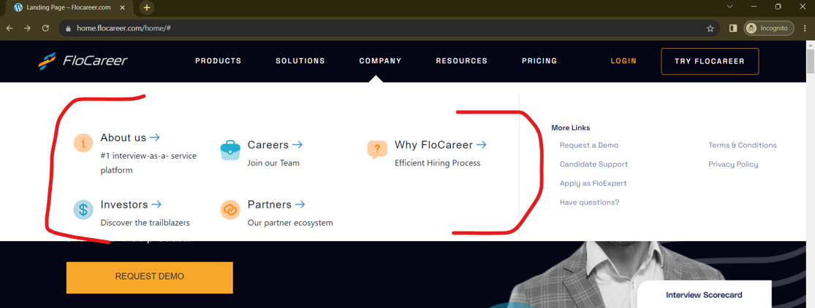
Alignment Issue

In the Figma Design after the branding Video, we have the "Request for Demo" in the Form of Button, but in the real-time implementation it's in the form of HyperLink

Actual

