Seth Brother-Ashoknagar
Seth Brother, Ashoknagar
Canopy

SETH BROTHER ASHOKNAGAR (MP) |  |  |  |  |  |  |  |  |  | BG - Aditya
Date | Opening Stock | Enquiry |  |  |  |  |  |  |  | Test Drive |  | Booking |  | Retail | MTD Retail
 |  | Canopy | Planned | Actual | Walk in | In LMS | Gap | Hot | Revised Hot | Planned | Actual | Today | In hand
01-08-2026 | 39 | 1 | 35 | 63 | 1 | 62 | -1 | 2 | 1 | 30 | 41 | 3 | 2 | 1 | 1
02-08-2026 | 38 | 1 | 35 | 66 | 2 | 64 | -2 | 2 | 1 | 30 | 42 | 2 | 2 | 2 | 3
03-08-2026 | 37 | 1 | 35 | 69 | 0 | 69 | 0 | 2 | 1 | 30 | 43 | 1 | 3 | 0 | 3
04-08-2026 | 36 | 1 | 35 | 72 | 1 | 71 | -1 | 2 | 1 | 30 | 44 | 0 | 2 | 1 | 4
05-08-2026 | 35 | 1 | 35 | 75 | 2 | 73 | -2 | 2 | 1 | 30 | 45 | 3 | 3 | 2 | 6
06-08-2026 | 34 | 1 | 35 | 78 | 0 | 78 | 0 | 2 | 1 | 30 | 46 | 2 | 5 | 0 | 6
07-08-2026 | 33 | 1 | 35 | 81 | 1 | 80 | -1 | 2 | 1 | 30 | 47 | 1 | 5 | 1 | 7
08-08-2026 | 32 | 1 | 35 | 84 | 2 | 82 | -2 | 2 | 1 | 30 | 48 | 0 | 3 | 2 | 9
09-08-2026 | 31 | 1 | 35 | 87 | 0 | 87 | 0 | 2 | 1 | 30 | 49 | 3 | 6 | 0 | 9
10-08-2026 | 30 | 1 | 35 | 90 | 1 | 89 | -1 | 2 | 1 | 30 | 50 | 2 | 7 | 1 | 10
11-08-2026 | 29 | 1 | 35 | 93 | 2 | 91 | -2 | 2 | 1 | 30 | 51 | 1 | 6 | 2 | 12
12-08-2026 | 28 | 1 | 35 | 61 | 0 | 61 | 0 | 2 | 1 | 30 | 52 | 0 | 6 | 0 | 12
13-08-2026 | 27 | 1 | 35 | 64 | 1 | 63 | -1 | 2 | 1 | 30 | 53 | 3 | 8 | 1 | 13
14-08-2026 | 26 | 1 | 35 | 67 | 2 | 65 | -2 | 2 | 1 | 30 | 54 | 2 | 8 | 2 | 15
15-08-2026 | 25 | 1 | 35 | 70 | 0 | 70 | 0 | 2 | 1 | 30 | 55 | 1 | 9 | 0 | 15
16-08-2026 | 24 |  | 0 |  |  |  | 0 |  |  | 0
17-08-2026 | 23 |  | 0 |  |  |  | 0 |  |  | 0
18-08-2026 | 22 |  | 0 |  |  |  | 0 |  |  | 0
Total |  | 15 | 525 | 1120 | 15 | 1105 | -15 | 30 | 15 | 450 | 720 | 24 | 9 | 15
Avg Per Canopy |  |  | 35 | 75 | 1 |  |  | 2 | 1 | 30 | 48 | 1.6 |  | 1

Photos (15 August 2026)
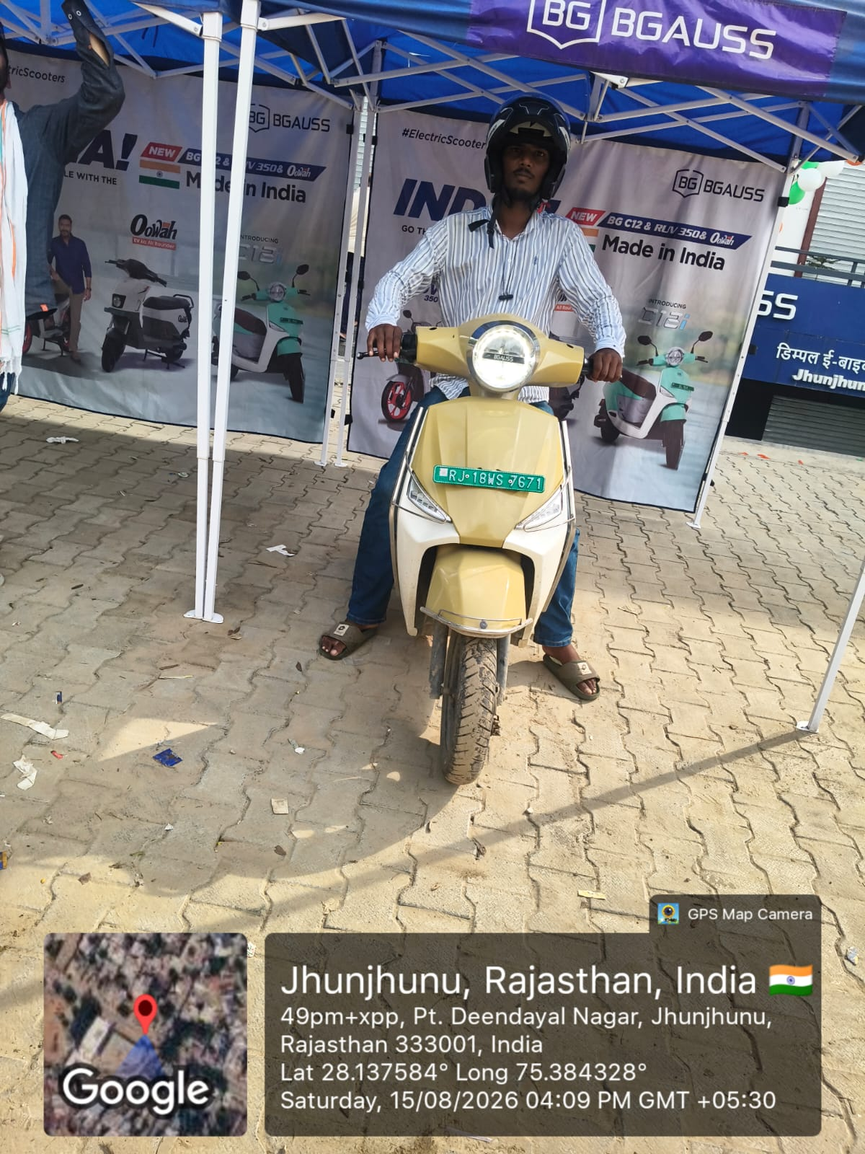
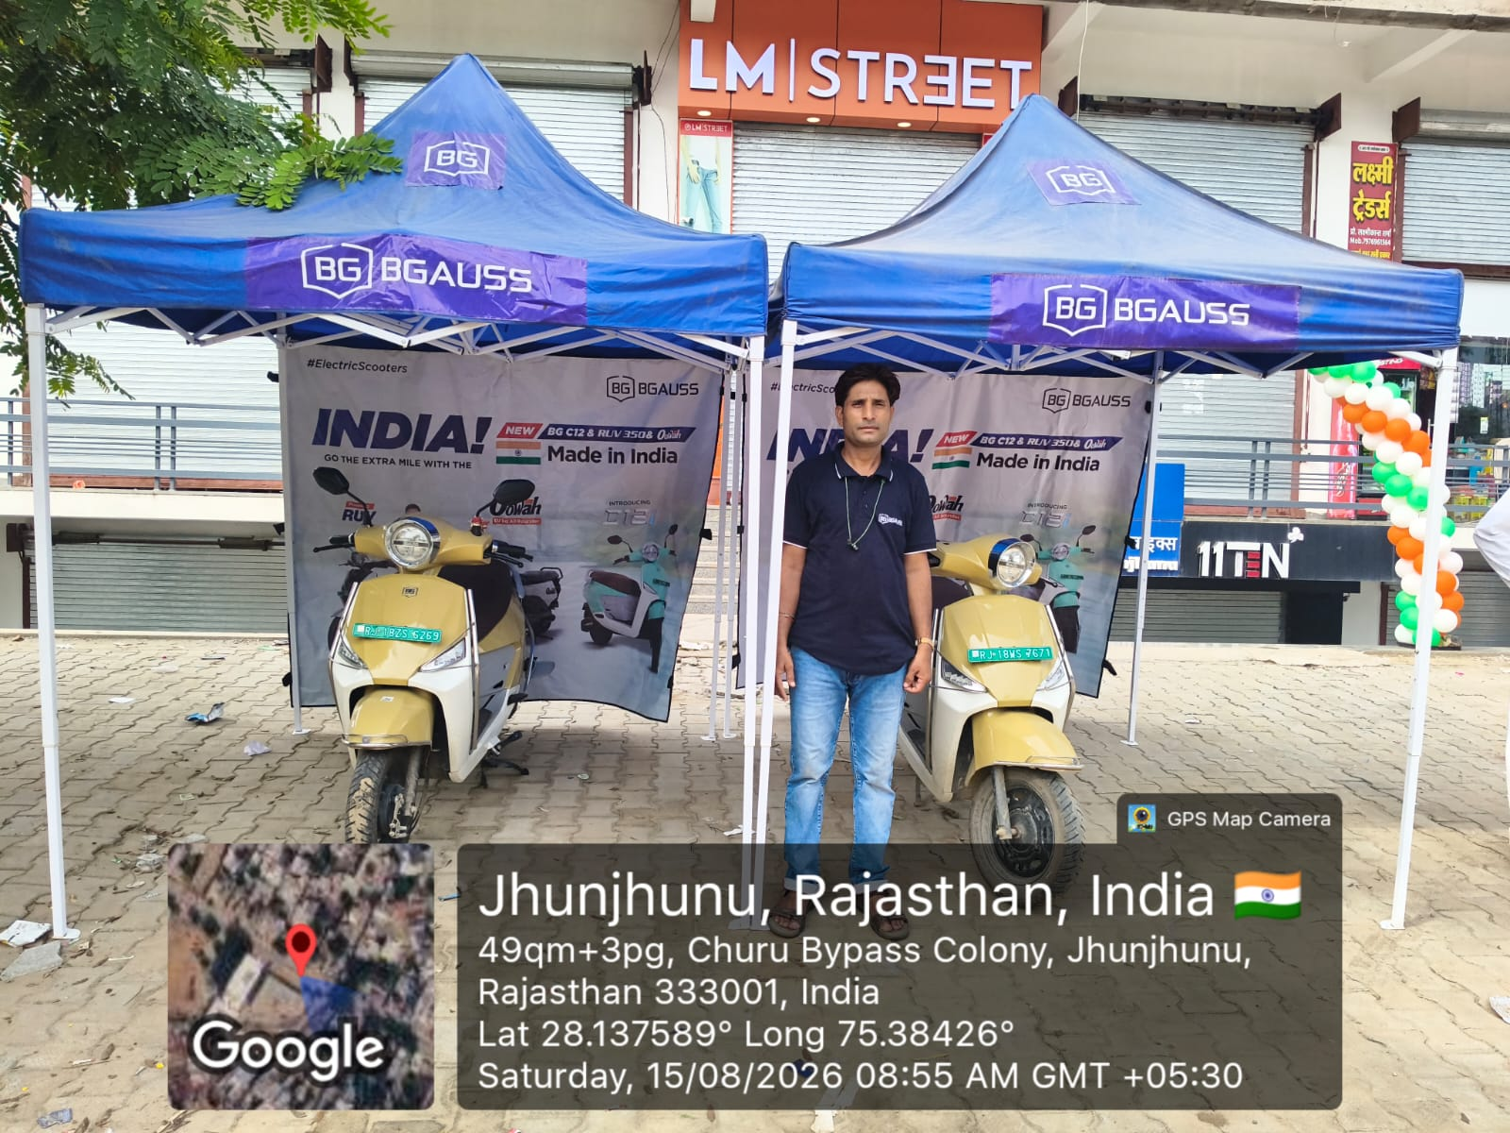
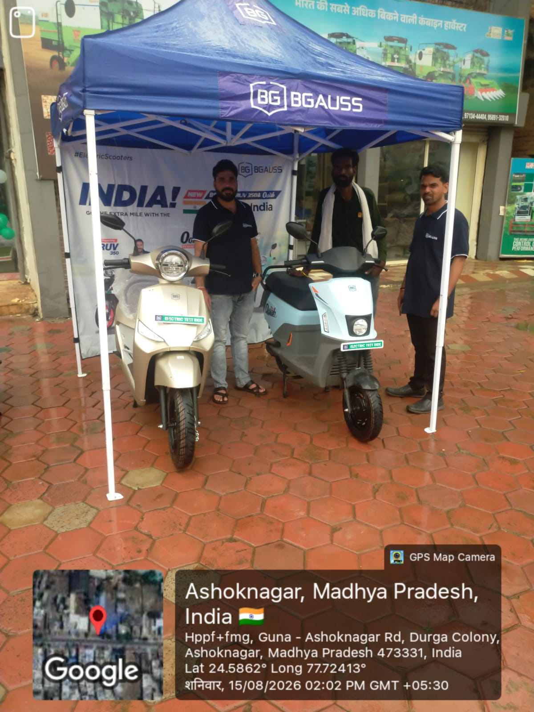

15 Aug, 05:30 am · No GPS |  |  |  | 15 Aug, 06:30 am · No GPS |  |  |  | 15 Aug, 07:30 am · No GPS

D2 Galaxy-Nanded
D2 Galaxy, Nanded
Canopy

D2 GALAXY NANDED (MH) |  |  |  |  |  |  |  |  |  | BG - Om Kamble
Date | Opening Stock | Enquiry |  |  |  |  |  |  |  | Test Drive |  | Booking |  | Retail | MTD Retail
 |  | Canopy | Planned | Actual | Walk in | In LMS | Gap | Hot | Revised Hot | Planned | Actual | Today | In hand
01-08-2026 | 39 | 3 | 105 | 67 | 1 | 66 | -1 | 2 | 1 | 90 | 41 | 3 | 1 | 2 | 2
02-08-2026 | 38 | 3 | 105 | 74 | 2 | 72 | -2 | 2 | 1 | 90 | 42 | 2 | 3 | 0 | 2
03-08-2026 | 37 | 3 | 105 | 81 | 0 | 81 | 0 | 2 | 1 | 90 | 43 | 1 | 3 | 1 | 3
04-08-2026 | 36 | 3 | 105 | 88 | 1 | 87 | -1 | 2 | 1 | 90 | 44 | 0 | 1 | 2 | 5
05-08-2026 | 35 | 3 | 105 | 60 | 2 | 58 | -2 | 2 | 1 | 90 | 45 | 3 | 4 | 0 | 5
06-08-2026 | 34 | 3 | 105 | 67 | 0 | 67 | 0 | 2 | 1 | 90 | 46 | 2 | 5 | 1 | 6
07-08-2026 | 33 | 3 | 105 | 74 | 1 | 73 | -1 | 2 | 1 | 90 | 47 | 1 | 4 | 2 | 8
08-08-2026 | 32 | 3 | 105 | 81 | 2 | 79 | -2 | 2 | 1 | 90 | 48 | 0 | 4 | 0 | 8
09-08-2026 | 31 | 3 | 105 | 88 | 0 | 88 | 0 | 2 | 1 | 90 | 49 | 3 | 6 | 1 | 9
10-08-2026 | 30 | 3 | 105 | 60 | 1 | 59 | -1 | 2 | 1 | 90 | 50 | 2 | 6 | 2 | 11
11-08-2026 | 29 | 3 | 105 | 67 | 2 | 65 | -2 | 2 | 1 | 90 | 51 | 1 | 7 | 0 | 11
12-08-2026 | 28 | 3 | 105 | 74 | 0 | 74 | 0 | 2 | 1 | 90 | 52 | 0 | 6 | 1 | 12
13-08-2026 | 27 | 3 | 105 | 81 | 1 | 80 | -1 | 2 | 1 | 90 | 53 | 3 | 7 | 2 | 14
14-08-2026 | 26 | 3 | 105 | 88 | 2 | 86 | -2 | 2 | 1 | 90 | 54 | 2 | 9 | 0 | 14
15-08-2026 | 25 | 3 | 105 | 60 | 0 | 60 | 0 | 2 | 1 | 90 | 55 | 1 | 9 | 1 | 15
16-08-2026 | 24 |  | 0 |  |  |  | 0 |  |  | 0
17-08-2026 | 23 |  | 0 |  |  |  | 0 |  |  | 0
18-08-2026 | 22 |  | 0 |  |  |  | 0 |  |  | 0
Total |  | 45 | 1575 | 1110 | 15 | 1095 | -15 | 30 | 15 | 1350 | 720 | 24 | 9 | 15
Avg Per Canopy |  |  | 35 | 25 | 0.3 |  |  | 0.7 | 0.3 | 30 | 16 | 0.5 |  | 0.3

Photos (15 August 2026)
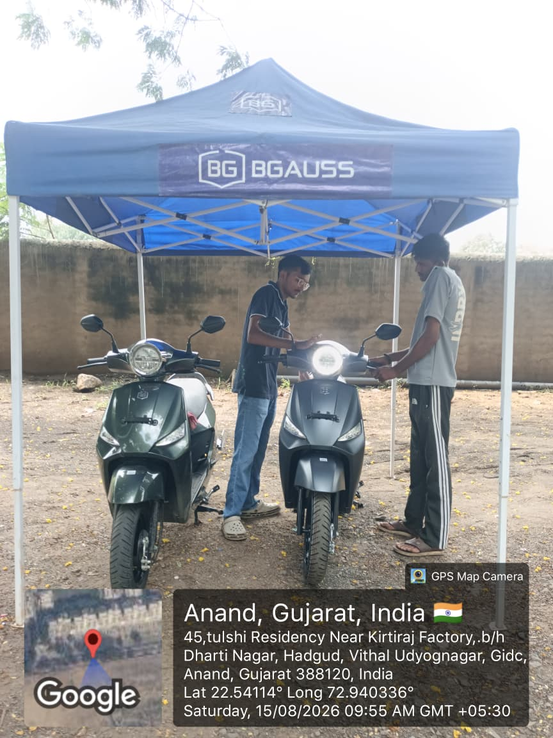

15 Aug, 05:30 am · GPS 19.18000, 77.30000 |  |  |  | 15 Aug, 06:30 am · GPS 19.19000, 77.30000 |  |  |  | 15 Aug, 07:30 am · GPS 19.20000, 77.30000 |  |  |  | 15 Aug, 08:30 am · GPS 19.21000, 77.30000

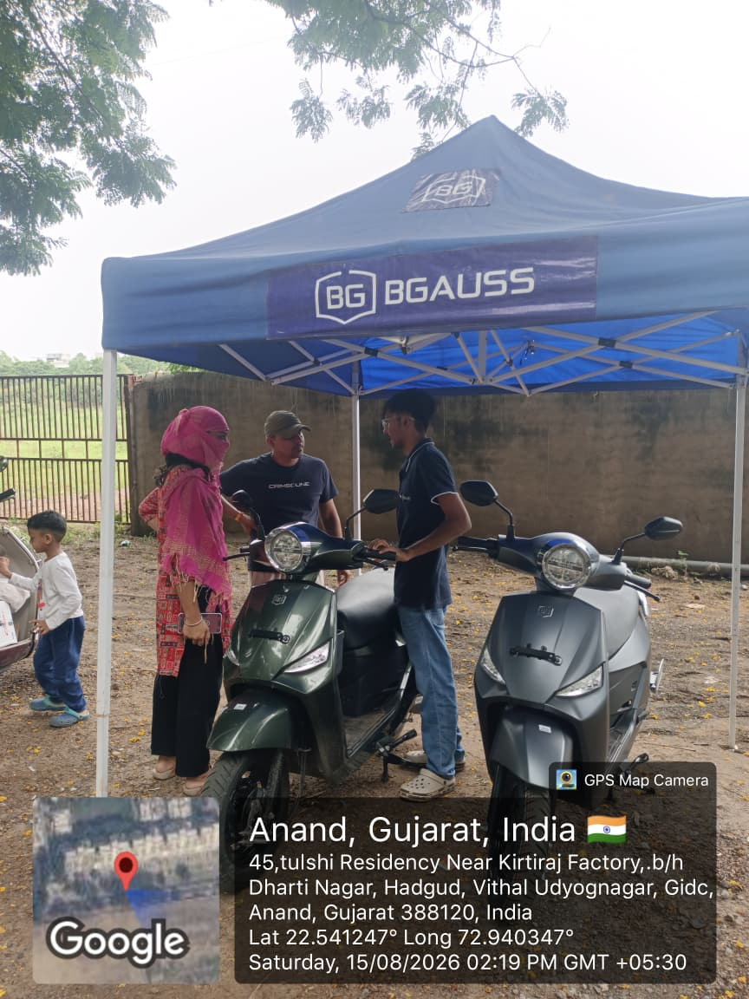

15 Aug, 09:30 am · GPS 19.22000, 77.30000

