movimentacao
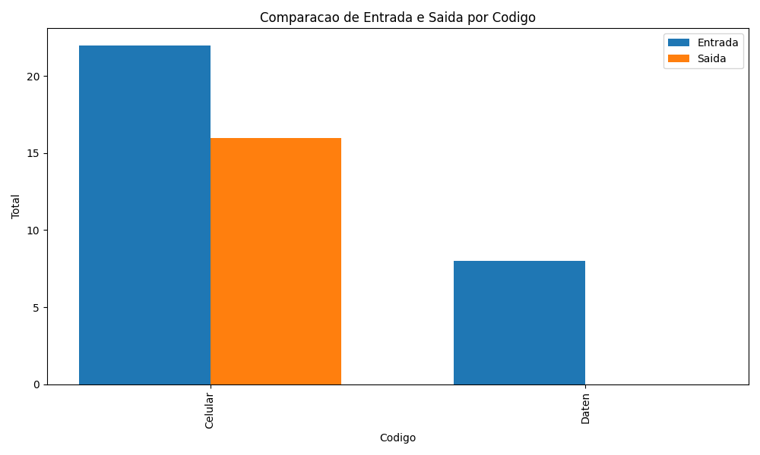
Codigo | Data | Movimentacao | Pallet1 | Pallet2 | Pallet3 | Pallet4 | Pallet5 | Pallet6
123456789101 | 2023-09-15 11:10:04 | 1 | 3 | 1 | 0 | 0 | 0 | 0
123456789101 | 2023-09-15 11:13:34 | 2 | 3 | 1 | 0 | 0 | 0 | 0
123456789101 | 2023-09-15 11:23:16 | 1 | 1 | 1 | 1 | 3 | 1 | 0
123456789102 | 2023-09-19 13:02:46 | 1 | 2 | 1 | 0 | 1 | 1 | 3
123456789101 | 2023-09-20 10:54:51 | 1 | 1 | 2 | 2 | 0 | 0 | 0
123456789101 | 2023-09-20 14:03:51 | 1 | 0 | 0 | 0 | 2 | 0 | 0
123456789101 | 2023-09-21 10:15:54 | 2 | 0 | 0 | 0 | 2 | 1 | 1
123456789101 | 2023-09-25 10:49:18 | 2 | 0 | 0 | 0 | 0 | 2 | 1
123456789101 | 2023-09-26 08:33:11 | 1 | 0 | 0 | 0 | 2 | 0 | 0
123456789101 | 2023-09-26 08:33:42 | 2 | 0 | 0 | 0 | 1 | 1 | 1
123456789101 | 2023-09-26 10:05:45 | 1 | 2 | 0 | 0 | 0 | 0 | 0
123456789101 | 2023-09-26 10:18:46 | 2 | 0 | 0 | 0 | 1 | 1 | 0

