Images
 | Original Name: 400cd31c3dfd5bcc.png
 | New Name: aaaa
 | Description:

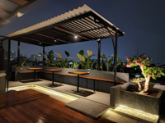 | Original Name: 5th-floor-front.jpeg
 | New Name: aeaeae
 | Description:

