Images
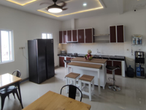 | Original Name: 2th-floor-kitchen.jpeg
 | New Name: ttt
 | Description:

 | Original Name: LoggyHatSweck.png
 | New Name: mm
 | Description:

