Images
 | Original Name: 400cd31c3dfd5bcc.png
 | New Name: ttttt
 | Description:

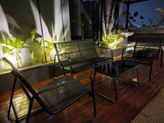 | Original Name: 5th-floor-side.jpeg
 | New Name: ni
 | Description:

