Images
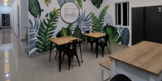 | Original Name: 2th-floor-tables.jpeg
 | New Name: r
 | Description:

