Summary
Category | Count
Passed | 1
Failed | 0
Skipped | 0
Total | 1
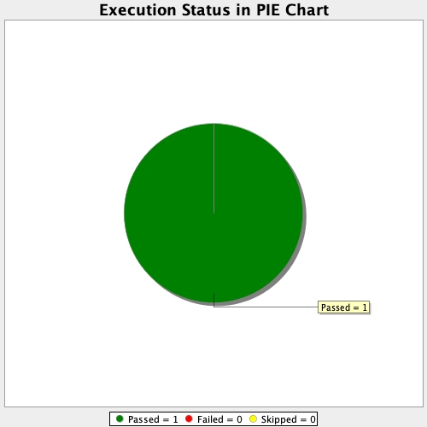
Start Time | 2021-06-20T10:44:59Z
End Time | 2021-06-20T10:45:33Z
Duration | 34437 ms

