1. Title Page
Instacart Grocery Basket Analysis

Project Name: Instacart Grocery Basket Analysis
Date: April, 2023
Analyst Name: Eric McClelland

Contents:
Population Flow
Consistency checks
Wrangling steps
Column derivations
Visualizations
Recommendations

Data Source & Citations:

"The Instacart Online Grocery Shopping Dataset 2017"
Customer Dataset
Data Dictionary

Citation: “The Instacart Online Grocery Shopping Dataset 2017"

Accessed from https://www.instacart.com/datasets/grocery-shopping-2017 on Oct. 12, 2022.

2. Population Flow
Title page

Population flow

Exclusion flag
Condition: max_order < 5 (replacing dataframe 'cust_ords_prods_merge' with 'high_cust_df')
Obervations to be removed: Customer personally identifiable informaiton (PII). Two columns removed: 'given_name' and 'family_name'
Final total count of order_products_all (high_cust_df): 30,964,564

Orders_products_combined
Orders_products_merged
Orders_products_all (cust_ords_prods_merge)

Total: 32,404,859
Total: 32,434,489
Total: 32,404,859

1.) The grey boxes in the first row of the population flow represent the original data sets as they were when you downloaded them. In the Total fields you need to add the count of the rows when you imported the data set into Jupyter.
2.) The second row of boxes (coloured) represents the data sets after you manipulated them, e.g., removed missing values and duplicates. In the Total fields you need to add the count of the rows after conducting these operations. This offers a visual oveview of how the data flows throughout the data consistency checks.
3.) The third row, where also the arrows are coloured, represents the merges you performed between the datasets. In the Total fields you need to add the count of the rows in the merged datasets, so that you end up with the final dataset (in the red box). Keep in mind the final dataset should be without exclusions (based on the exclusion flag).

3. Consistency checks
 |  |  |  |  | Title page
Consistency checks

Dataset | Missing values | Missing values treatment | Anomalies | Duplicates
orders | 206,209 missing values in 'days_since_prior_order' | All affected rows were for a given customer's first order, so the missing values were replaced with zeros. | None | None
products | 16 missing values in 'product_name' | A new dataframe was created, with the affected products filtered out. | Prices above $100 were identified as outliers and were omitted (replaced with NaaN). | None
orders_products_prior | None | N/A | None | None
customers (after removal of PII) | None | N/A | None | None

4. Wrangling steps
 |  |  |  | Title page
Wrangling steps

Columns dropped | Columns renamed | Columns' type changed | Comment/Reason
eval_set |  |  | Not relevant.
 | order_dow' -> 'orders_day_of_week' |  | More intuitive.
 | user_id' -> 'customer_id' | user_id, a/k/a customer_id: int64 -> str | More intuitive name. String datatype will cause describe() function to ignore when calculating descriptive statistics.
 | busiest_day' -> 'busiest_days' |  | Client preference.
'First Name' a/k/a 'given_name' | First Name' -> 'given_name' |  | More intuitive and consistent name. Dropped later to maintain privacy of PII.
'Surnam' a/k/a 'family_name' | Surnam' -> 'family_name' |  | More intuitive and consistent name. Dropped later to maintain privacy of PII.
 | Gender' -> 'gender' |  | More intuitive and consistent.
 | STATE' -> 'state' |  | More intuitive and consistent.
 | Age' -> 'age' |  | More intuitive and consistent.
 | n_dependants' -> 'num_dependents' |  | More intuitive and consistent.
 |  | order_id: int64 -> str | Will cause describe() function to ignore when calculating descriptive statistics.

5. Column derivations
In this tab you should add tables below that the frequences of flags/label variables that you produced after deriving them. NB: don't do this for continuous variables, only for flags.
 |  |  |  | Title page

Column derivations and aggregations

Dataset | New column | Column/s it was derived from | Conditions
df_orders_products_merged | price_range | prices | ' 'Low-range product' <= 5 ; 'Mid-range product' > 5 & <= 15 ; 'High-range product' > 15
df_orders_products_merged | busiest_days | order_dow | for value in df_orders_products_merged["order_dow"]: if (value == 0 or value == 1): result.append("Busiest days") elif (value == 4 or value == 3): result.append("Least busy days") else: result.append("Regularly busy")
df_orders_products_merged | busiest_hours | order_hour_of_day | for value in df_orders_products_merged["order_hour_of_day"]: if (value == 10 or value == 11): result.append("Busiest hours") elif (value == 4 or value == 3): # Huh. The least-busy days are also the least-busy hours. result.append("Least busy hours") else: result.append("Regularly busy")
ords_prods_merge | loyalty_flag | max_order | New customer' <= 10 ; 'Regular customer' > 10 & <= 40 ; 'Loyal customer' > 40
ords_prods_merge | spending_flag | avg_order | Low spender' <= 10 ; 'High spender' > 10
ords_prods_merge | frequency_flag | avg_order_frequency | Frequent customer' <= 10 ; 'Regular customer' > 10 & <= 20 ; 'Non-frequent customer' > 20
cust_ords_prods_merge | region | state | reg_1_ne = ['Maine', 'New Hampshire', 'Vermont', 'Massachusetts', 'Rhode Island', 'Connecticut', 'New York', 'Pennsylvania', 'New Jersey'] reg_2_mw = ['Wisconsin', 'Michigan', 'Illinois', 'Indiana', 'Ohio', 'North Dakota', 'South Dakota', 'Nebraska', 'Kansas', 'Minnesota', 'Iowa', 'Missouri'] reg_3_so = ['Delaware', 'Maryland', 'District of Columbia', 'Virginia', 'West Virginia', 'North Carolina', 'South Carolina', 'Georgia', 'Florida', 'Kentucky', 'Tennessee', 'Mississippi', 'Alabama', 'Oklahoma', 'Texas', 'Arkansas', 'Louisiana'] reg_4_we = ['Idaho', 'Montana', 'Wyoming', 'Nevada', 'Utah', 'Colorado', 'Arizona', 'New Mexico', 'Alaska', 'Washington', 'Oregon', 'California', 'Hawaii'] cust_ords_prods_merge.loc[cust_ords_prods_merge['state'].isin(reg_1_ne), 'region'] = 'Northeast' cust_ords_prods_merge.loc[cust_ords_prods_merge['state'].isin(reg_2_mw), 'region'] = 'Midwest' cust_ords_prods_merge.loc[cust_ords_prods_merge['state'].isin(reg_3_so), 'region'] = 'South' cust_ords_prods_merge.loc[cust_ords_prods_merge['state'].isin(reg_4_we), 'region'] = 'West'
cust_ords_prods_merge | activity | max_order | low' < 5 ; 'high' >= 5
high_cust_df | age_category | age | Younger' < 33 ; 'Early-mid' >= 33 & < 49 ; 'Late-mid' >= 49 & < 65 ; 'Older' >= 65
high_cust_df | income_category | income | Lower' < 67292 ; 'Low-mid' >= 67292 & < 96765 ; 'Mid-high' >= 96765 & < 128102 ; 'Higher' >= 128102
high_cust_df | target_demo | fam_status AND region | high_cust_df['target_demo'] = 'Other' high_cust_df.loc[(high_cust_df['fam_status'] == 'married') & (high_cust_df['region'] == 'South'), 'target_demo'] = 'Married-South' high_cust_df.loc[(high_cust_df['fam_status'] == 'living with parents and siblings') & (high_cust_df['region'] == 'Northeast'), 'target_demo'] = 'LPS-Northeast'

6. Visualizations & Rec'dations
 |  |  | Title page

Visualisations

In this tab you should include all the visualtions from Exercises 4.9 and 4.10, alongside the questions from the project brief that they answer. Include any commentary on the relationship between different variables.

Question 1: | The sales team needs to know what the busiest days of the week and hours of the day are (i.e., the days and times with the most orders) in order to schedule ads at times when there are fewer orders.
Answer: | The busiest days are Saturdays and Sundays, while the busiest hours are generally 9am to 4pm.
Recommendation(s): | Scheduling ads on Tuesday (Day 3) or Wednesday (Day 4) would target the least busy days, and scheduling ads between 2am and 4am would target the least busy hours. However, it may be better to target Thursdays and Fridays, and 6am to 7am hours, to catch people just before the busier days and times, when they are most likely to be on the verge of making purchases already: they may be more receptive to the ads.
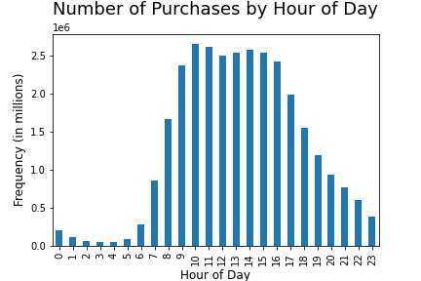
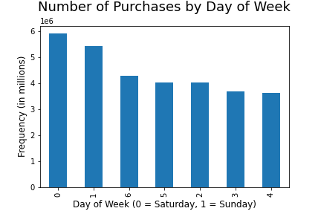

Question 2: | The sales team also wants to know whether there are particular times of the day when people spend the most money, as this might inform the type of products they advertise at these times.
Answer: | The busiest hours are generally 9am to 4pm. However, purchases made between 4am and 6am have significantly higher prices, albeit with a much broader price range.
Recommendation(s): | The expensive early-morning purchases may be driven by urgency or impulse. People may be more willing to pay more for products at those hours out of desperation, e.g. if other stores are not open.

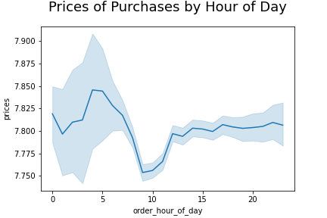

Question 3: | Instacart has a lot of products with different price tags. Marketing and sales want to use simpler price range groupings to help direct their efforts.
Answer: | Prices have been divided into three ranges: Low-range products: <=$ 5; Mid-range products: > $5 & <= $15; High-range products: > $15
Recommendation(s): | Data should be gathered on cost (and therefore profit margins) of products in order to gain better context, e.g. to understand whether less-popular categories may be worth popularizing due to higher margins.

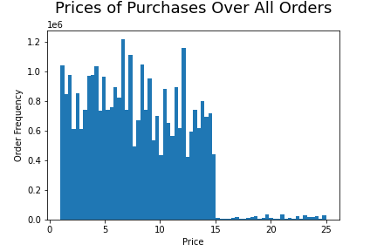
 |  | Findings
 |  | Relatively, very few orders are placed for "High-range products" (those over $15).

 |  | High-range product orders are concentrated in the Meat / Seafood department.

 |  | The Snacks department has the greatest percentage of Low-range product orders.

 |  | The Bulk department's orders are almost entirely for Mid-range products.

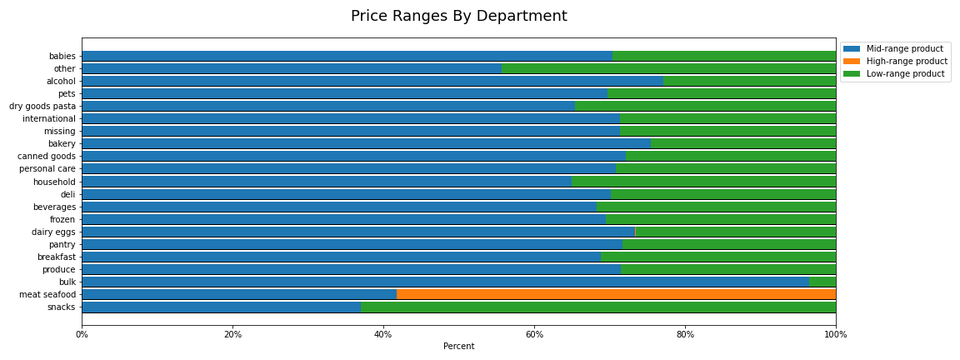

Question 4: | Are there certain types of products that are more popular than others? The marketing and sales teams want to know which departments have the highest frequency of product orders.
Answer: | The Produce Department is the most popular by far, with nearly double the number of items ordered as the second-place Dairy Eggs department. Snacks is a distant third, at half the orders of Dairy Eggs.
Recommendation(s): | Departments of lesser popularity might benefit from discounts or other promotions.

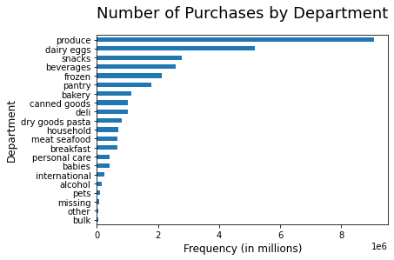

Question 5a: | What’s the distribution among users in regards to their brand loyalty (i.e., how often do they return to Instacart)?
Answer: | Customers are divided into three levels, or classes, of brand loyalty, based on their total number of orders to date. 'New customer' <= 10 ; 'Regular customer' > 10 & <= 40 ; 'Loyal customer' > 40 Just over 51% of purchases are made by Regular customers, 33% are made by Loyal customers, and between 15% and 16% are made by New customers. All Loyalty Classes show weekly spikes in purchases; Saturdays and Sundays are the most active days. New and Regular customers also show a strong monthly spike.
Recommendation(s): | Weekend specials might drive sales among all loyalty classes.

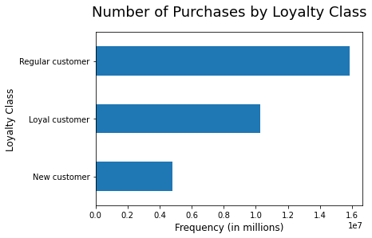
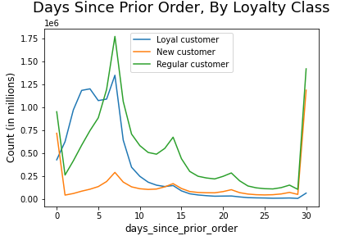

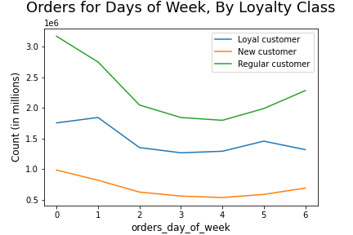

Question 5b: | Are there differences in ordering habits based on a customer’s loyalty status?
Answer: | Aside from frequency of orders (seen above), no, there are not.
Recommendation(s):

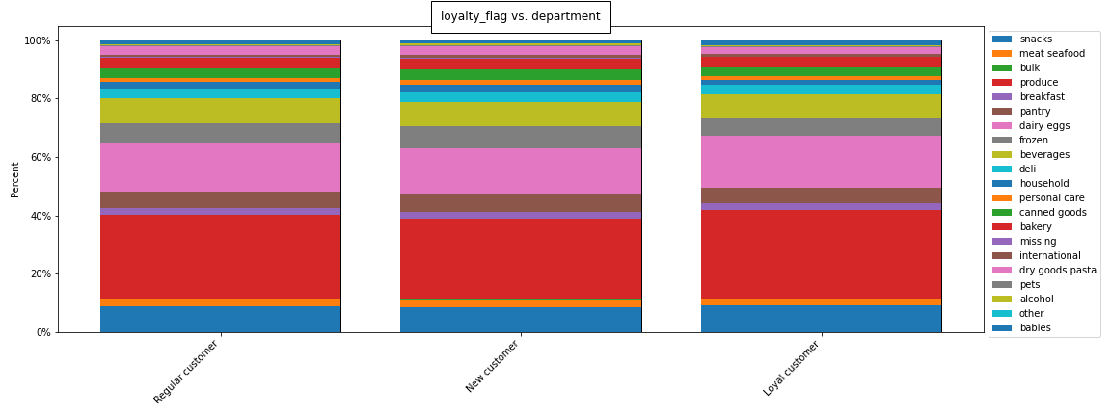

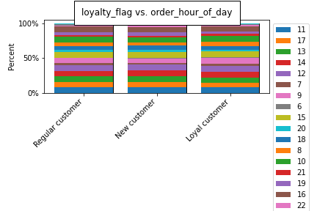
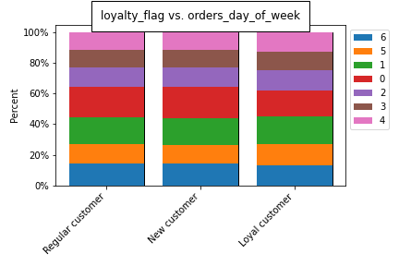

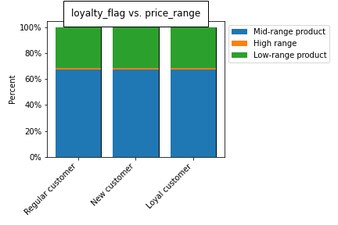

Question 5c: | Are there differences in ordering habits based on a customer’s region?
Answer: | No, there are not.
Recommendation(s):

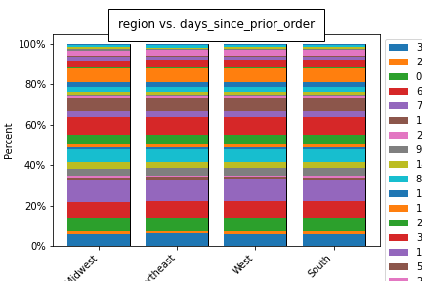
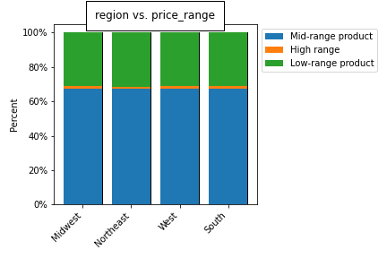

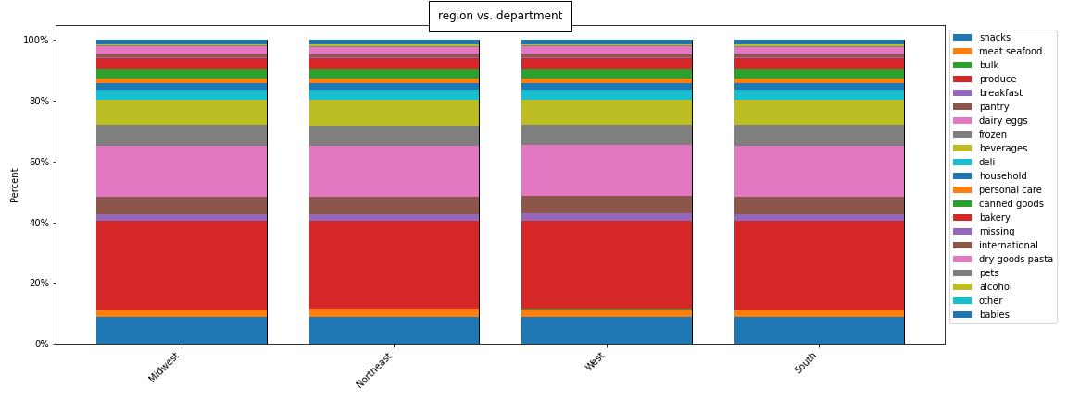

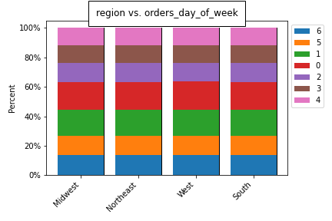
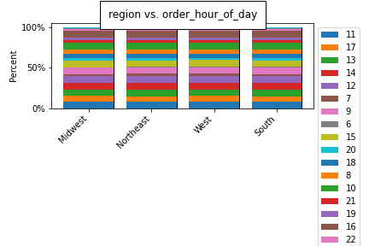

Question 5d: | Is there a connection between age and family status in terms of ordering habits?
Answer: | No, there is not.
Recommendation(s):



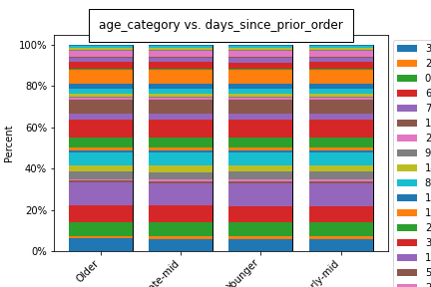
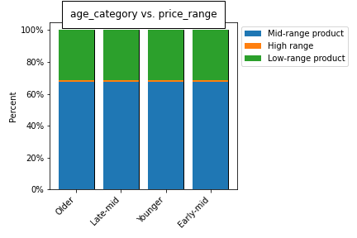

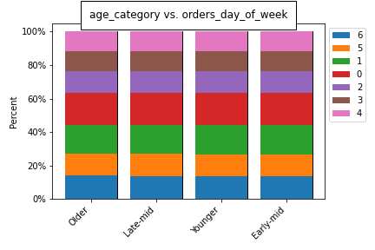
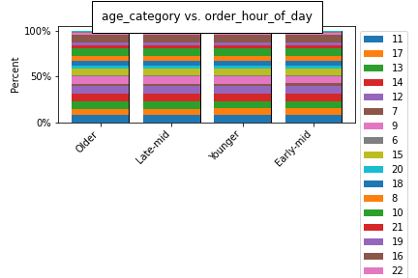

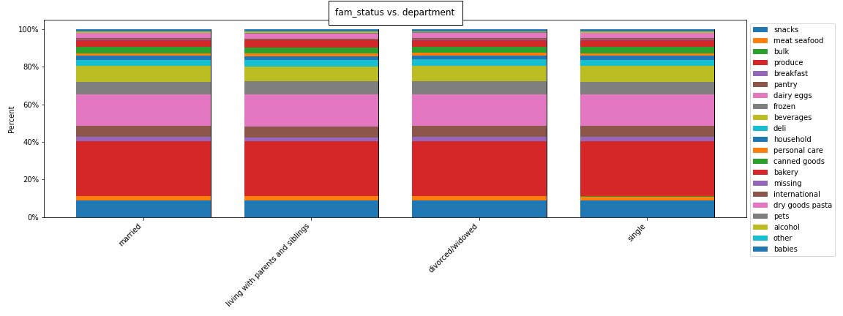


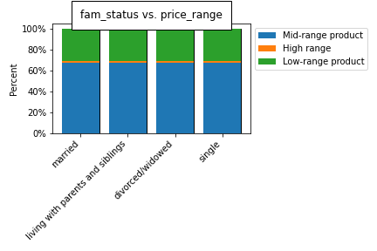

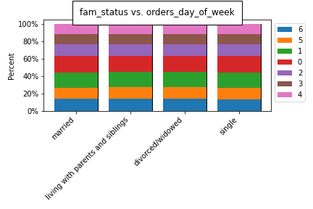
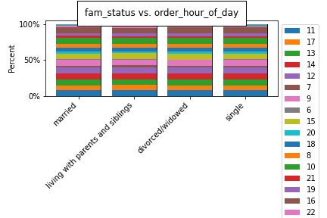

Question 5e: | What different classifications does the demographic information suggest? Age? Income? Certain types of goods? Family status?
Answer: | There is essentially no group classification of appreciable size suggested by purchasing behavior; comparing the different options for a given demographic against each other shows nearly identical patterns to those seen in the previous two questions. In an attempt to take the guesswork out of identifying causal relationships between demographics and purchasing behavior, I iterated over all the possible combinations of values from eight different demographic measures (over 5,000 in all), and built a summary table showing the per-department percentages and totals for each combination. Unfortunately, clear causal patterns remain elusive, but some interesting observations have become apparent, as illustrated below.
Recommendation(s):
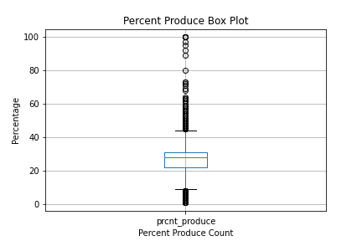
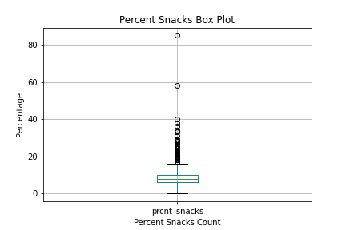

Curiosity #1: Customers Who Purchase Snacks 40% Of The Time
Customers who purchase from the Snacks department at a rate of forty percent (40% of their total purchases are from Snacks) all share eight demographic traits, below:

This demographic combination totals fourteen (14) customers, who come from nine (9) different states in the South:
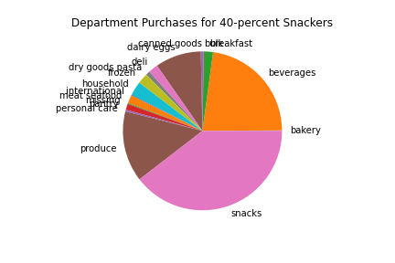
South Carolina
Kentucky
Virginia
Mississippi
Arkansas
Tennessee
Florida
Maryland
Alabama

Curiosity #2: Customers Who Purchase Produce 56% Of The Time
Customers who purchase from the Produce department at a rate of fifty-six percent (56% of their total purchases are from Produce) have many different demographic combinations.

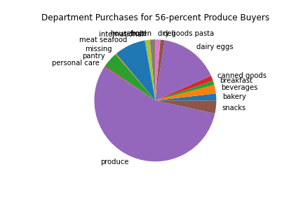

Question 5f: | What differences can you find in ordering habits of different customer profiles? Consider the price of orders, the frequency of orders, the products customers are ordering, and anything else you can think of.
Answer: | See Question 5e, above. Purchasing habits are essentially identical - like those seen in Questions 5b, 5c, and 5d, above - across all the possible values for each of the main demographics. While some outliers and other curiosities exist, they do not form significant purchasing trends to warrant classifiying and targetting so-called "customer profiles."
Recommendation(s):

7. Recommendations - See Tab #6
 |  | Title page

Recommendations

In this tab you should include any recommendations you would made to Instcart in terms of their marketing strategy based on the questions posed in the brief. Every key question has been covered in the Tasks of the Exercises - here you need to add an item - a visualisation or table/crosstable that is showing the answer in the data, acompanied by a comment from you. Please, list the questions below and add the answer underneath.

Question | Answer
Key Question 1
Key Question 2
Key Question 3
Key Question 4
Key Question 5
Key Question 6
Key Question 7

