Introduction
This document contains examples methods for tracking enterprise assets, software, data, accounts, and service providers in an enterprise.

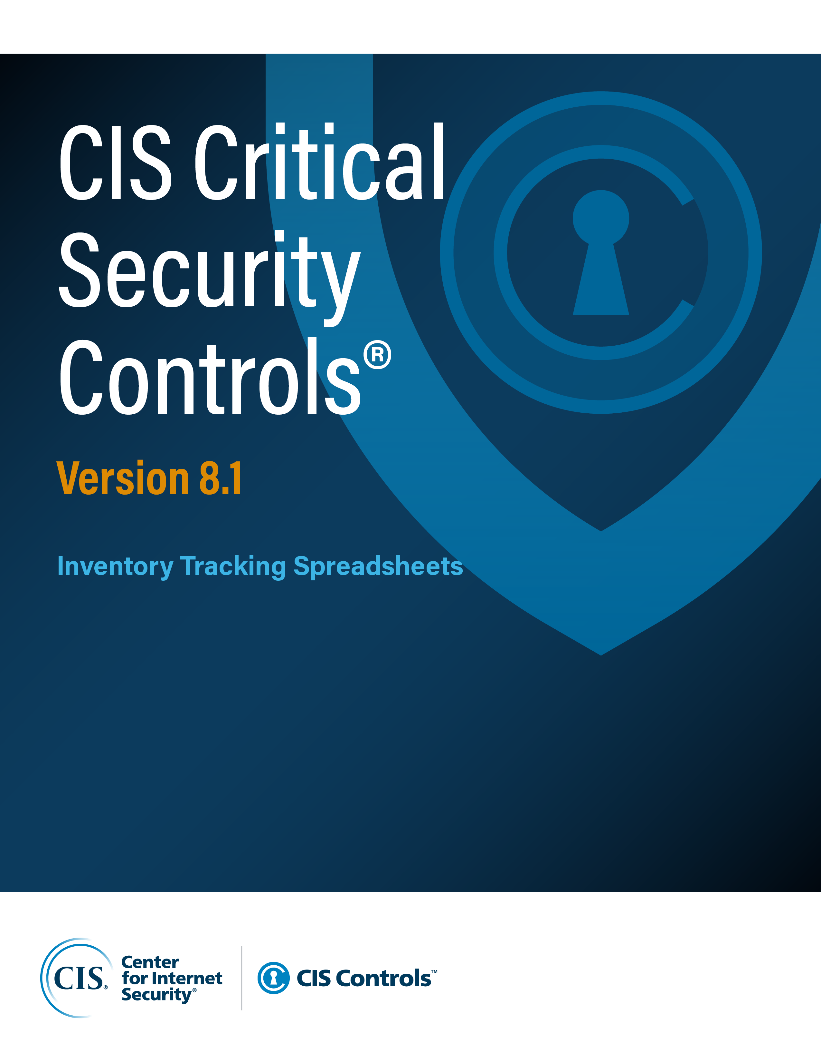

Contact Information
CIS
31 Tech Valley Drive
East Greenbush, NY 12061
518.266.3460
controlsinfo@cisecurity.org

Editor
Josh Franklin
Valecia Stocchetti

Asset Classes
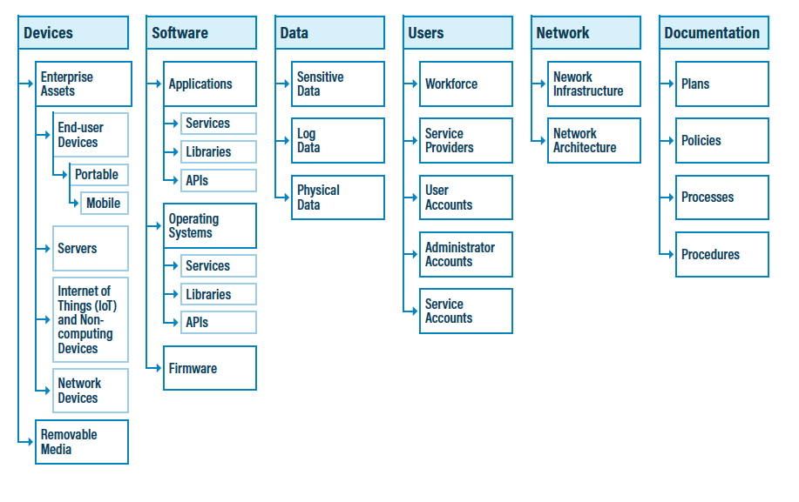
Asset Class | Asset Sub-Class 1 | Asset Sub-Class 2 | Asset Sub-Class 3 | Asset Sub-Class 4 | Asset Sub-Class 5 | Asset Sub-Class 6 | Asset Sub-Class 7 | Asset Sub-Class 8
Devices | Enterprise Assets | End-User Devices | Portable Devices | Mobile Devices | Servers | Internet of Things (IoT) and Non-computing Devices | Network Devices | Removable Media
Software | Applications | Services | Libraries | APIs | Operating Systems | Firmware
Data | Sensitive Data | Log Data | Physical Data
Users | Workforce | Service Providers | User Accounts | Administrator Accounts | Service Accounts
Network | Network Infrastructure | Network Architecture
Documentation | Plans | Policies | Processes | Procedures

