Introduction
This document contains mappings of the CIS Critical Security Controls (CIS Controls) and CIS Safeguards to National Cyber Security Centre (NCSC) Cyber Assessment Framework v3.1
Last updated January 2023

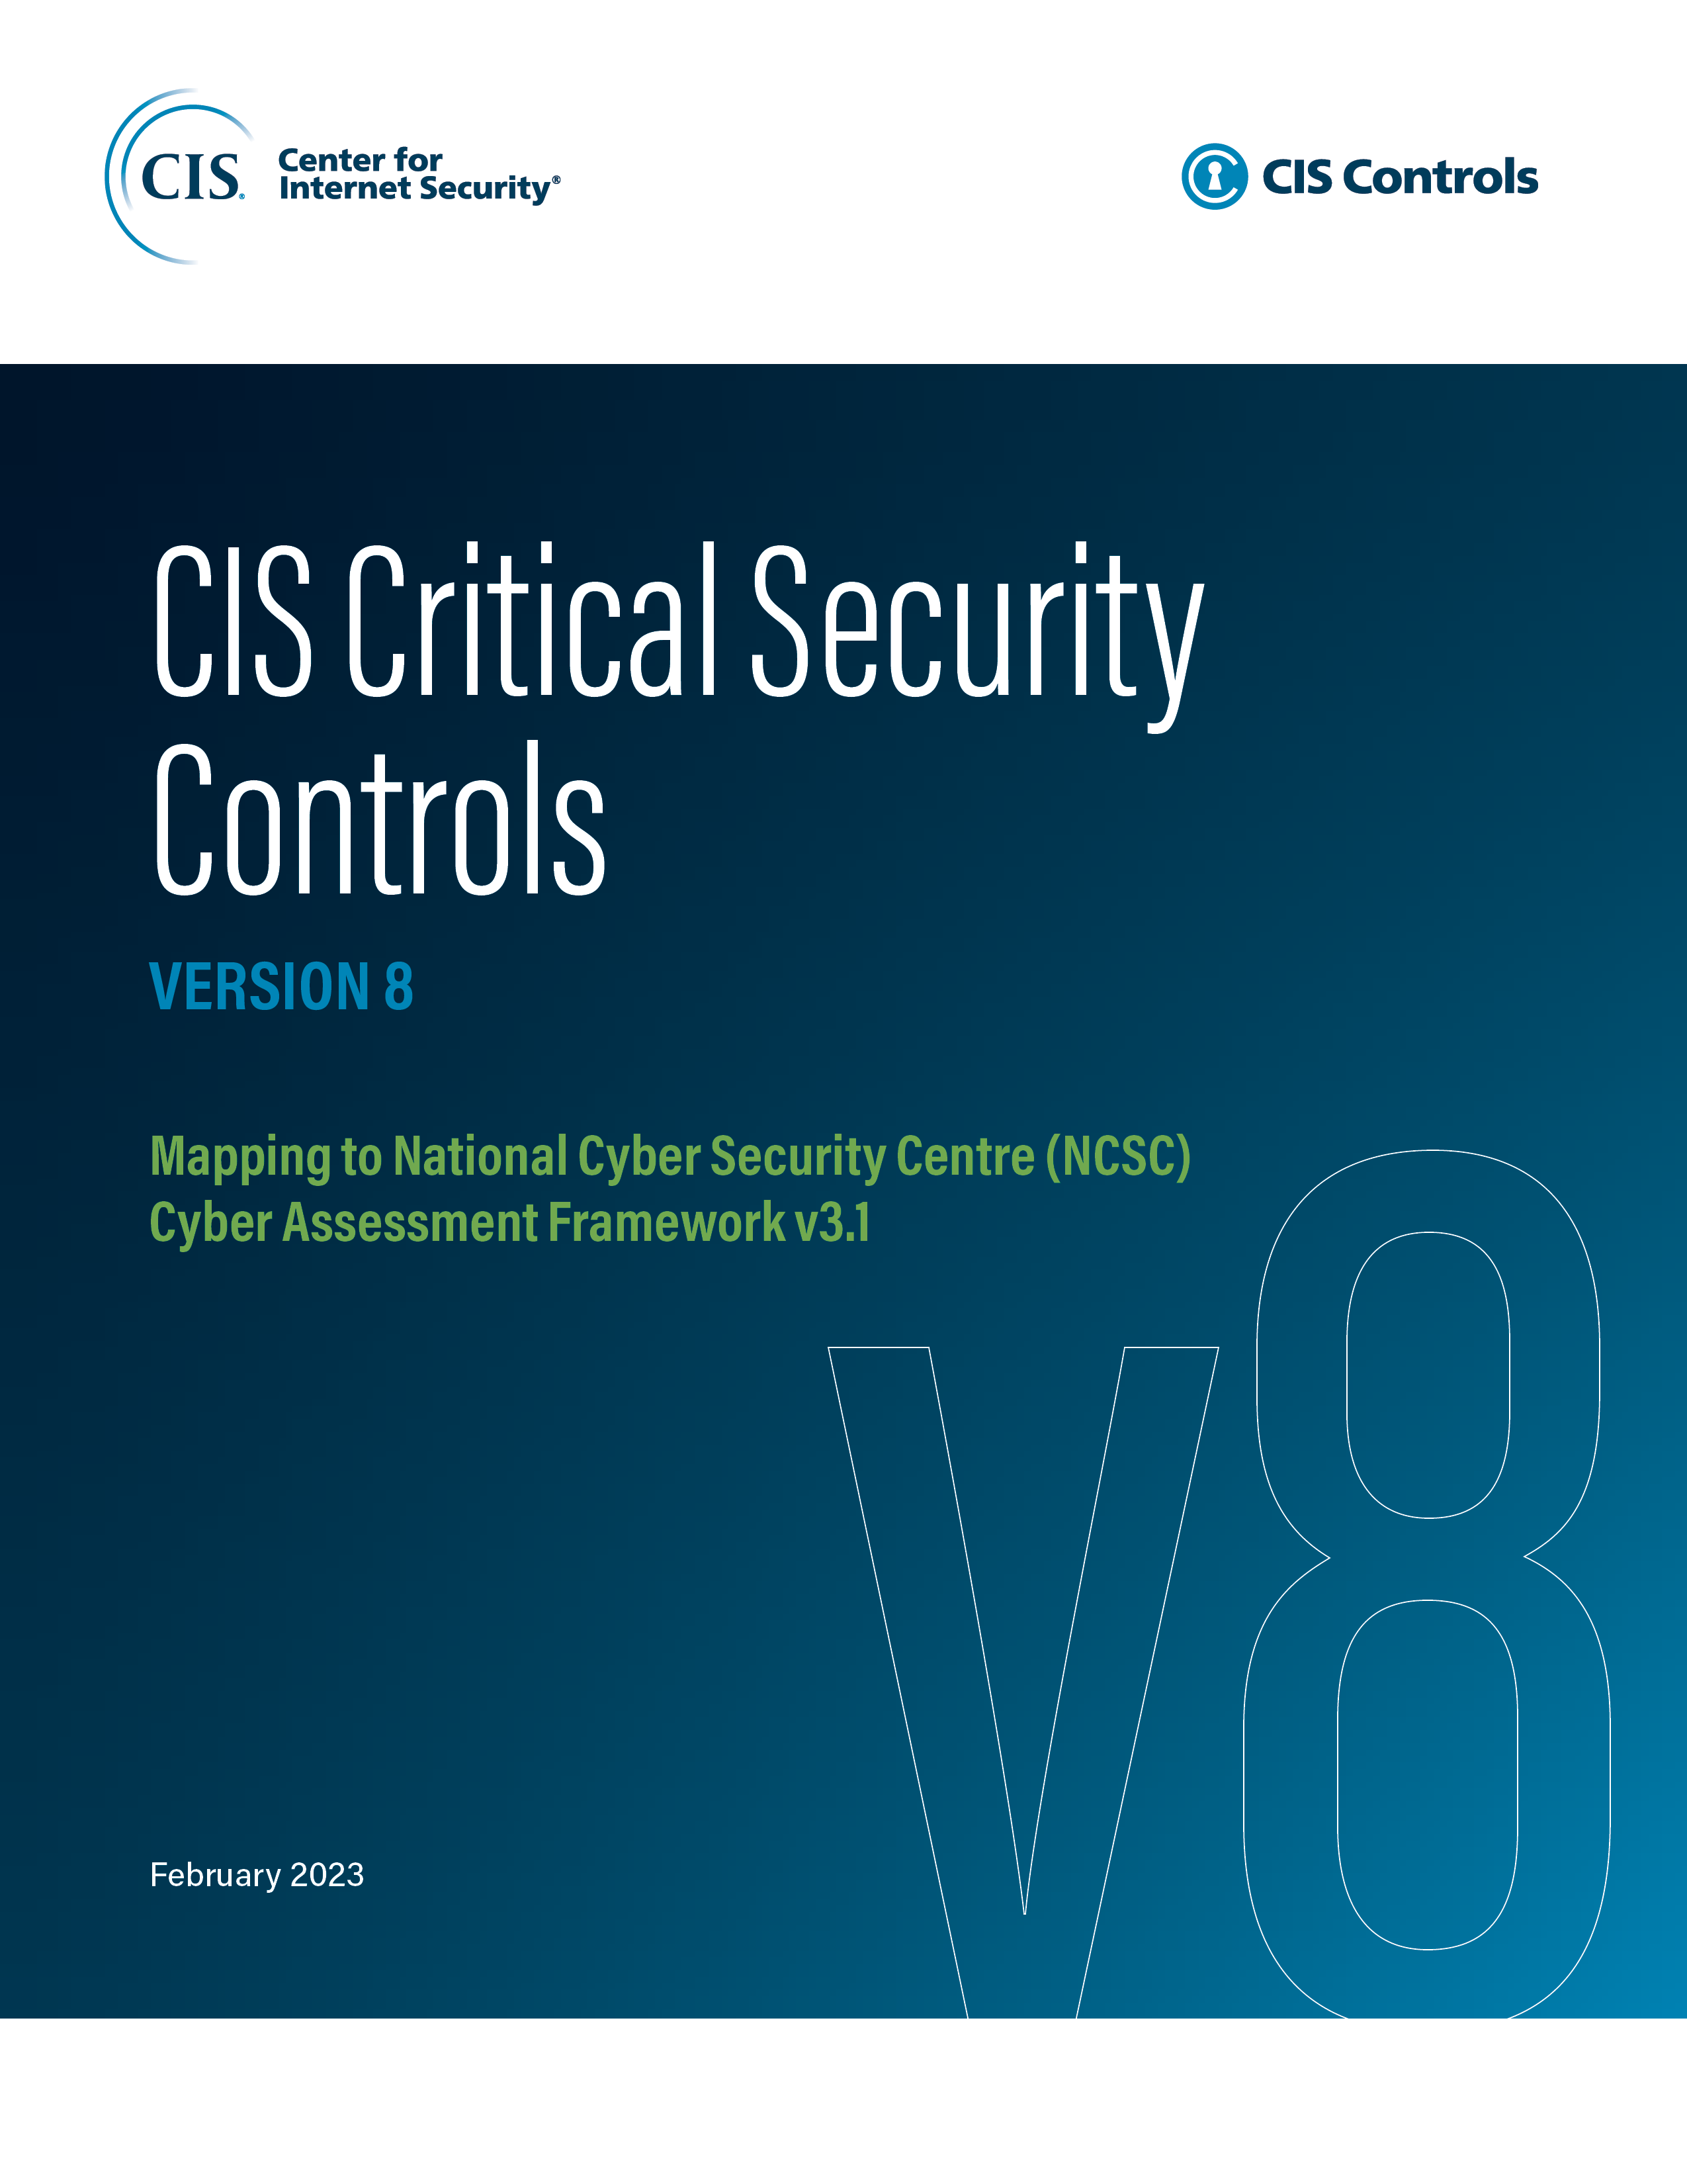

Contact Information
CIS
31 Tech Valley Drive
East Greenbush, NY 12061
518.266.3460
controlsinfo@cisecurity.org

Editor
Thomas Sager

