Main
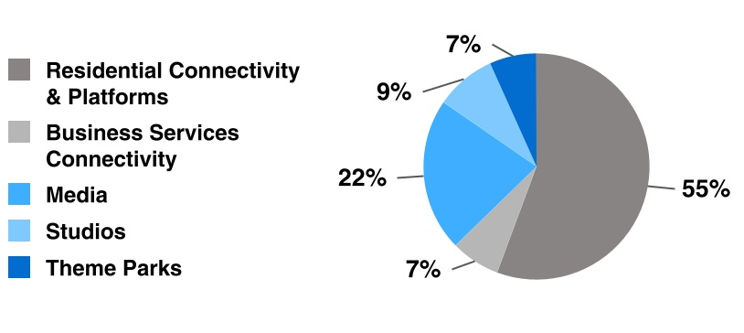
Ticker | CMCSA |  | Television and/or Streaming Rights | Market | Rights Expiration
Price | 31.80 |  | NBA and WNBA(a) | US UK & ITA | 2035-36 NBA season and 2036 WNBA season
S/O | 3.69 |  | NFL(b) | US | 2033-34 season
Mkt Cap | 117.41 |  | Summer and Winter Olympic Games | US | 2032
Cash | 29.04 | Q2 25 | English Premier League | UK US & ITA | 2028-29, 2027-28 and 2027-28 seasons, respectively
Debt | 208.42 | Q2 25 | PGA Tour and other golf events | US | Between 2026 and 2031
EV | 179.50 |  | NASCAR(c) | US | 2031
 |  |  | Big Ten football and basketball | US | 2029-30 season
*In Billions Except Share Data |  |  | World Wrestling Entertainment (“WWE”) | US | 2029 on television and 2026 on Peacock
 |  |  | Formula One | UK & ITA | 2029 and 2027, respectively
Credit Ratings |  |  | England and Wales Cricket Board | UK | 2028
Fitch | A- |  | English Football League | UK | 2028-29 season
Invest & Other Income | A3 |  | Serie A | ITA | 2028-29 season
S&P | A- |  | FIFA World Cup (Spanish-language) | US | 2026
 |  |  | Certain professional sports teams through our Regional Sports Networks | Some US Regions | Between 2027 and 2040

 |  |  | Revenue is primarily generated from the sale of advertising and from the distribution of our television and streaming programming.

 |  |  | Cable Network | Approximate U.S. Households as of December 31, 2024 (in millions)(a) | Description of Programming
 |  |  | USA Network | 66 | General entertainment and sports
 |  |  | E! | 65 | Entertainment and pop culture
 |  |  | Syfy | 65 | Genre-based entertainment
 |  |  | MSNBC | 65 | News, political commentary and information
 |  |  | Bravo | 65 | Lifestyle entertainment
 |  |  | CNBC | 64 | Business and financial news
 |  |  | Oxygen | 62 | True crime
 |  |  | Golf Channel | 54 | Golf competition and golf entertainment
 |  |  | Universal Kids | 43 | Children’s entertainment
 |  |  | Universo | 16 | Spanish-language entertainment
 |  |  | CNBC World | 16 | Global financial news

 |  |  | The NBC network reaches viewers in the U.S. through more than 200 affiliated stations across the United States, including our 11 owned NBC local broadcast television stations and collectively reached approximately 35 million U.S. television households as of December 31, 2024, representing approximately 28% of U.S. television households.

