Main
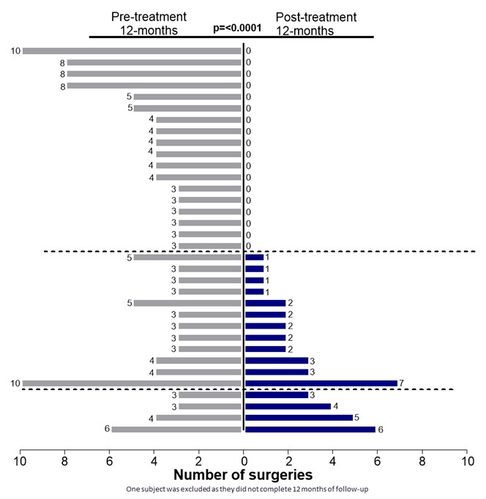
Ticker | PGEN | PAPZIMEOS (PRGN-2012) | Adult patients with RRP = 27000
Price | 3.84 | PRGN-2009 + pembrolizumab | Cost of treatment
S/O | 297,972,920 | PRGN-3006
Mkt Cap | 1,144,216,013 | PRGN-3005 | Cost of PAP |  |  | in thousands
Cash | 59,753,000 | PRGN-3007 | Low end Est | 200,000 | 5,400,000,000 | 5,400,000
Debt | 107,792,000 |  | High End Est | 460,000 | 12,420,000,000 | 12,420,000
EV | 1,192,255,013
 |  |  | 7 year market exclusivity due to orphan drug

