Bug Report Shop Now Button
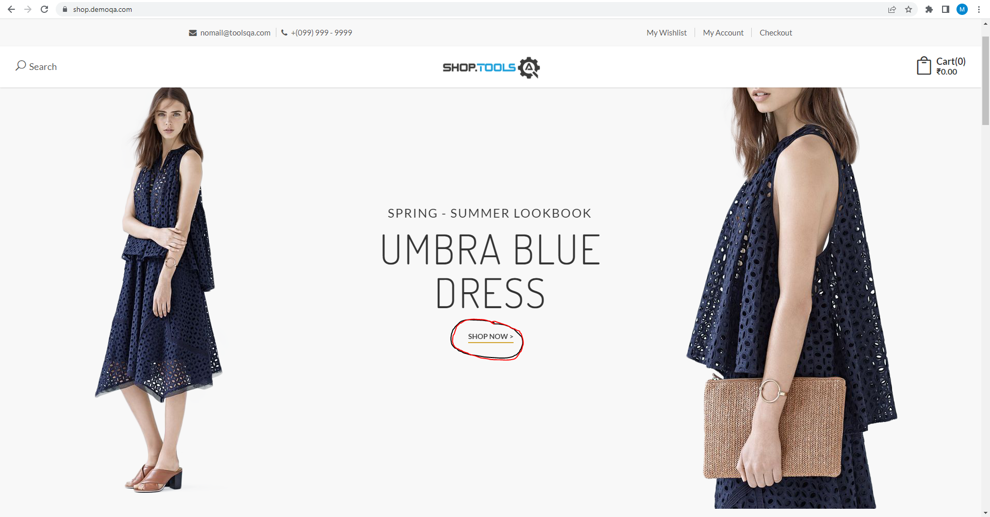
Category | Label | Value
Bug ID | ID number | #1
 | Name | Shop now button in layer 5 doesn't work
 | Reporter | Muamer Džanko
 | Submit Date
Bug overview | Summary | The shop now button in Layer No.5 doesn't redirect to anything.
 | URL | https://shop.demoqa.com/
Environment | Platform | Microsoft Windows 10 Education
 | Operating System | 10.0.19044 Build 19044
 | Browser | Google Chrome Version 110.0.5481.178
Bug details | Steps to reproduce | Open up the site https://shop.demoqa.com/ > Click on the Shop now button highlighted in the picture
 | Expected result | The user should be redirected to the shop
 | Actual result | The button does nothing
 | Description | /
Bug tracking | Severity | Medium
 | Assigned to | /
 | Priority | P2
Notes | Notes | /

Bug Report First Image
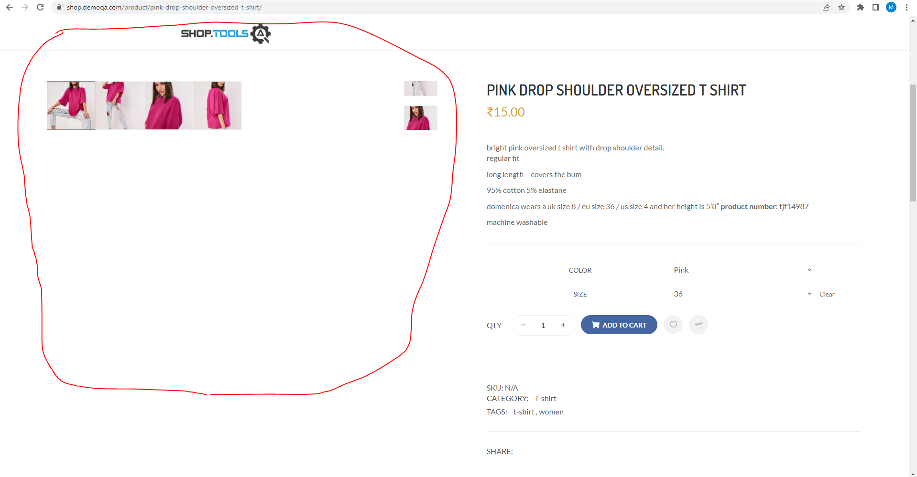
Category | Label | Value
Bug ID | ID number | #2
 | Name | First image formatting in product
 | Reporter | Muamer Džanko
 | Submit Date
Bug overview | Summary | The formatting of the first image gets ruined in a circumstance
 | URL | https://shop.demoqa.com/product/pink-drop-shoulder-oversized-t-shirt/
Environment | Platform | Microsoft Windows 10 Education
 | Operating System | 10.0.19044 Build 19044
 | Browser | Google Chrome Version 110.0.5481.178
Bug details | Steps to reproduce | Open up the site https://shop.demoqa.com/product/pink-drop-shoulder-oversized-t-shirt/ > select a size from the drop down > select a color from the drop down
 | Expected result | The images should keep their formatting and size
 | Actual result | The first image size and formatting gets ruined
 | Description | /
Bug tracking | Severity | Medium
 | Assigned to | /
 | Priority | P2
Notes | Notes | /

Bug Report Share Icons
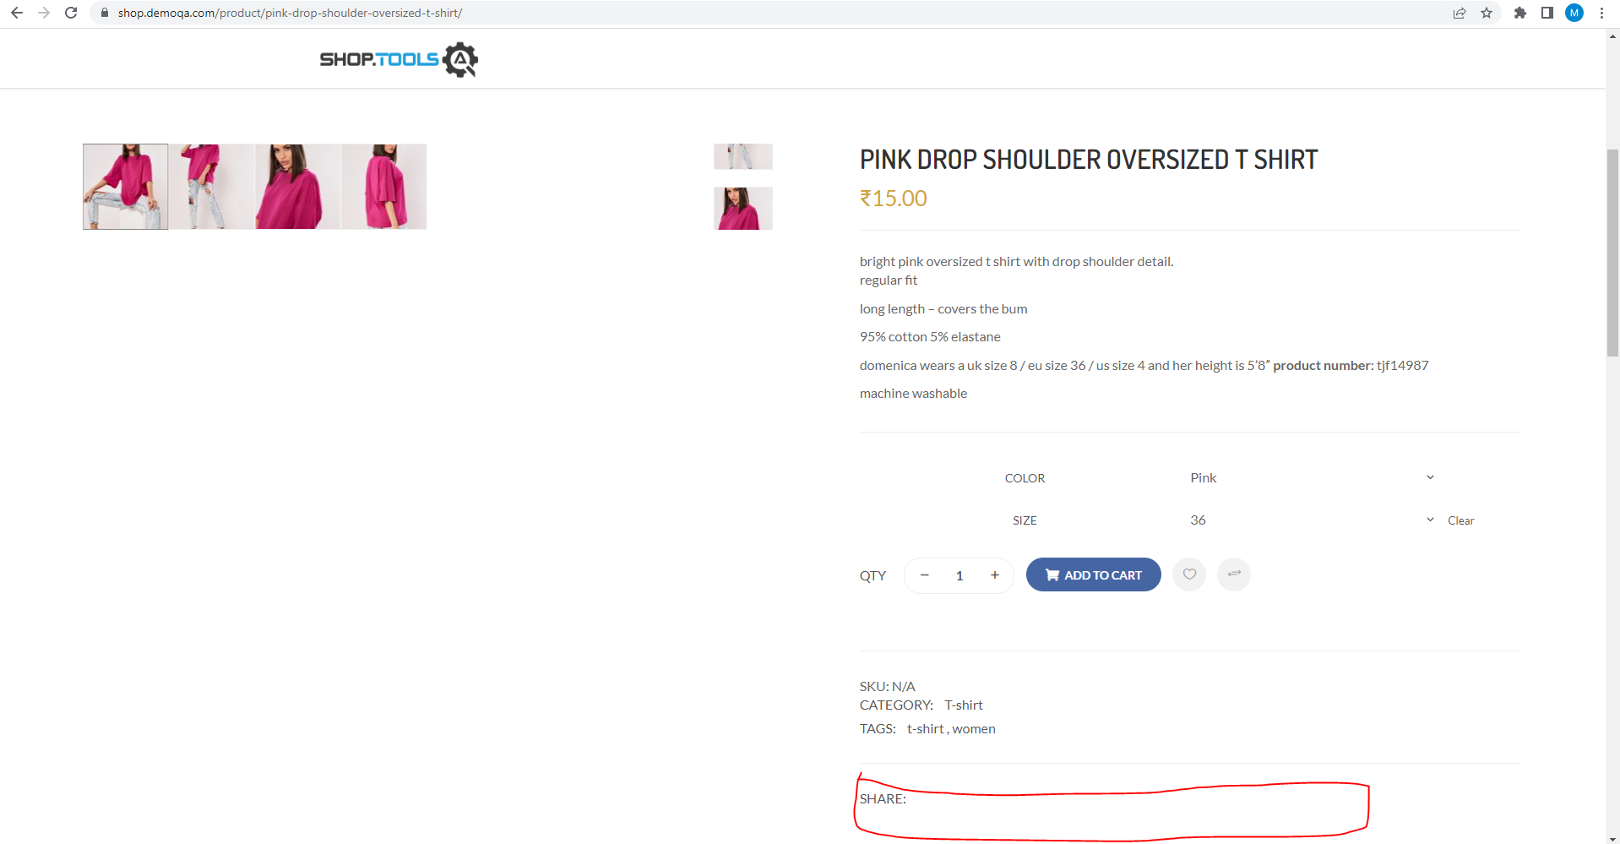
Category | Label | Value
Bug ID | ID number | #3
 | Name | Share icons in product
 | Reporter | Muamer Džanko
 | Submit Date
Bug overview | Summary | There are no Share icons in the share tab
 | URL | https://shop.demoqa.com/product/pink-drop-shoulder-oversized-t-shirt/
Environment | Platform | Microsoft Windows 10 Education
 | Operating System | 10.0.19044 Build 19044
 | Browser | Google Chrome Version 110.0.5481.178
Bug details | Steps to reproduce | Open up the site https://shop.demoqa.com/product/pink-drop-shoulder-oversized-t-shirt/
 | Expected result | There should be share icons
 | Actual result | The share tab is blank
 | Description | /
Bug tracking | Severity | Low
 | Assigned to | /
 | Priority | P3
Notes | Notes | /

Bug Report Blogs button
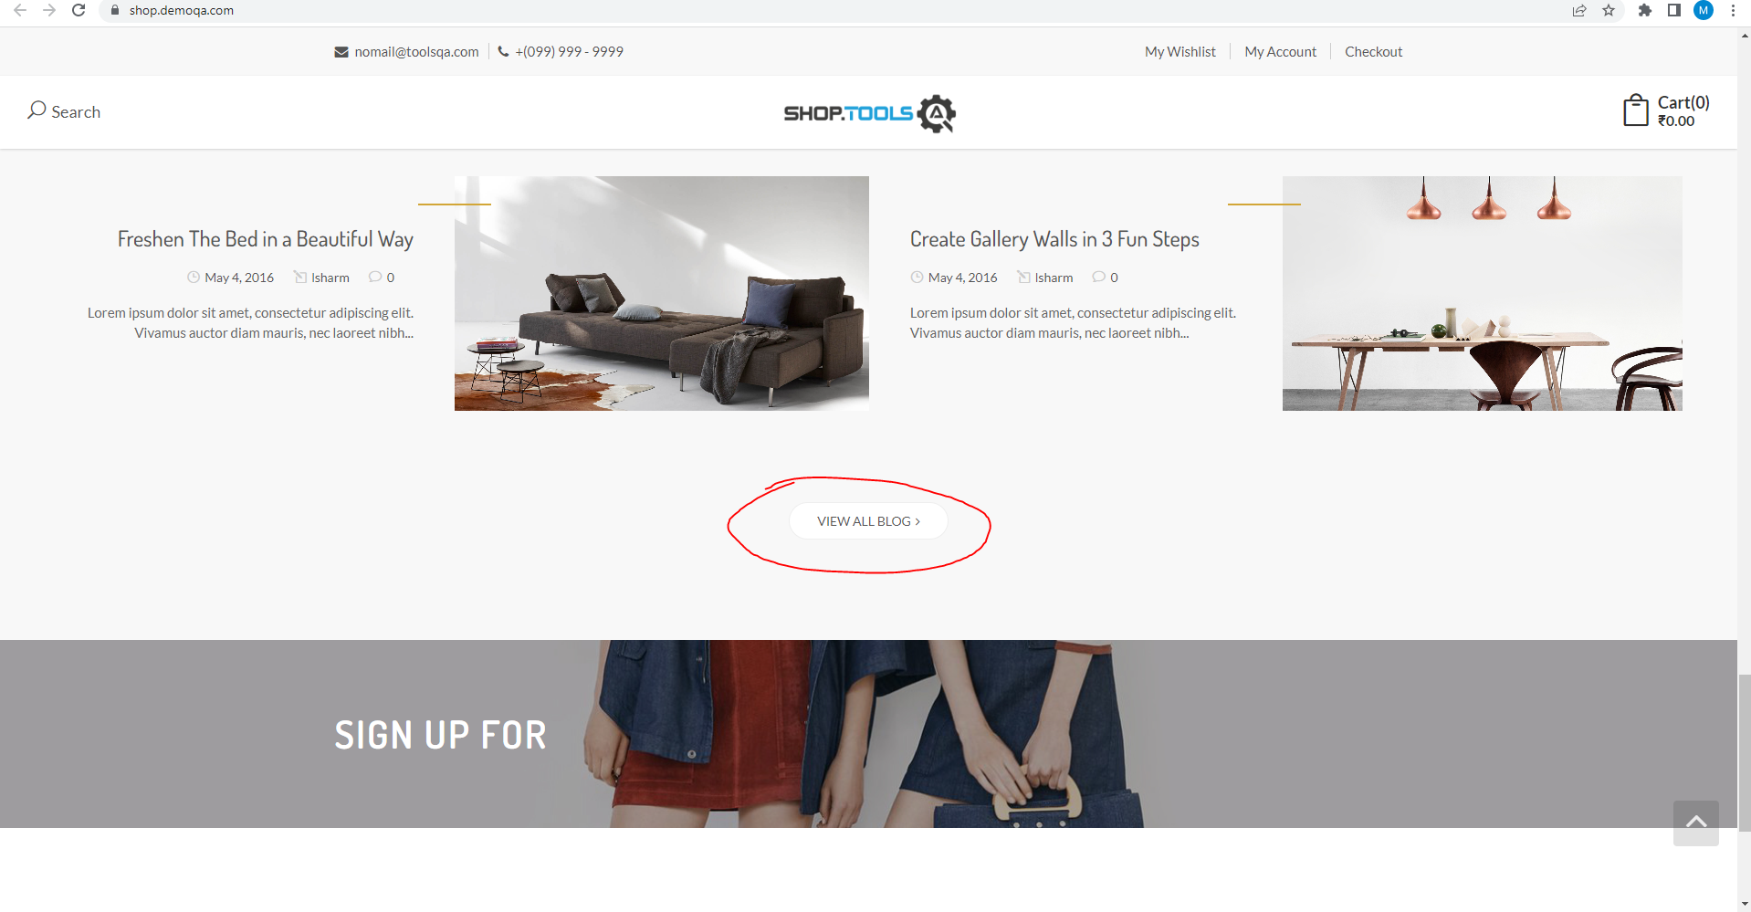
Category | Label | Value
Bug ID | ID number | #4
 | Name | View All Blog button on the home page doesn't work
 | Reporter | Muamer Džanko
 | Submit Date
Bug overview | Summary | The View All Blog button doesn't work on the home page
 | URL | https://shop.demoqa.com
Environment | Platform | Microsoft Windows 10 Education
 | Operating System | 10.0.19044 Build 19044
 | Browser | Google Chrome Version 110.0.5481.178
Bug details | Steps to reproduce | Open up the site https://shop.demoqa.com > Click on the View All Blog button
 | Expected result | It should redirect to the blogs side of the page
 | Actual result | It does nothing
 | Description | /
Bug tracking | Severity | Medium
 | Assigned to | /
 | Priority | P2
Notes | Notes | /

Bug Report Blog Title
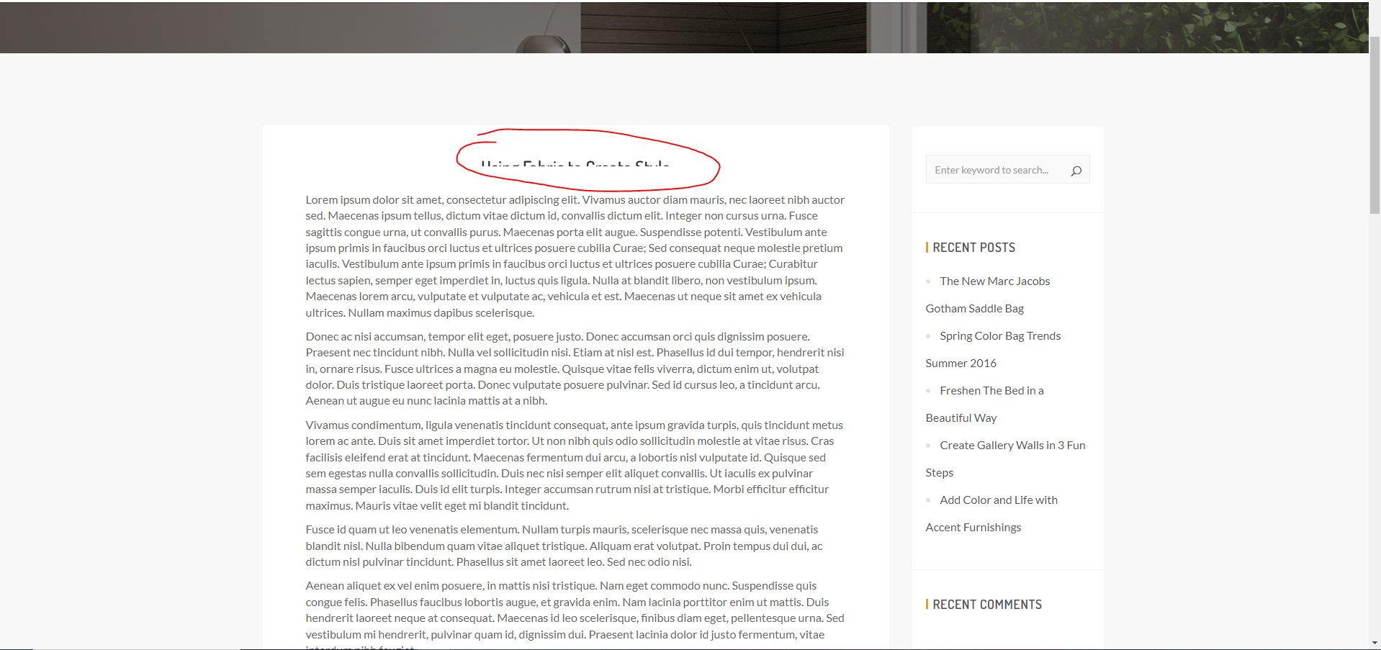
Category | Label | Value
Bug ID | ID number | #5
 | Name | No image blogs
 | Reporter | Muamer Džanko
 | Submit Date
Bug overview | Summary | Blogs without an image get their titles cut off horizontally half way through
 | URL | https://shop.demoqa.com/blog/
Environment | Platform | Microsoft Windows 10 Education
 | Operating System | 10.0.19044 Build 19044
 | Browser | Google Chrome Version 110.0.5481.178
Bug details | Steps to reproduce | Open up the site https://shop.demoqa.com/blog/ > Click on the "Using Fabric to Create Style" blog
 | Expected result | It should show the full title
 | Actual result | The title is cut halfway through
 | Description | /
Bug tracking | Severity | Medium
 | Assigned to | /
 | Priority | P2
Notes | Notes | /

Bug Report Comment format
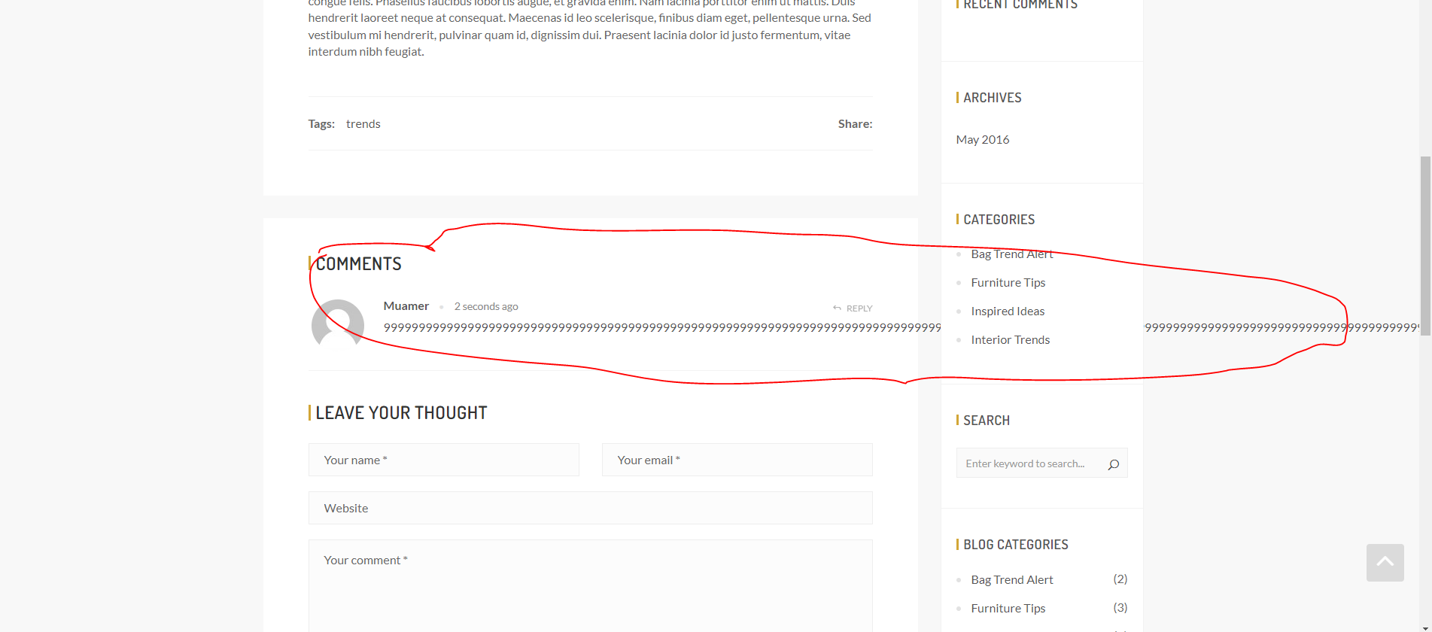
Category | Label | Value
Bug ID | ID number | #6
 | Name | Comment formatting
 | Reporter | Muamer Džanko
 | Submit Date
Bug overview | Summary | Blog comment consisting of a single line aren't formatted properly
 | URL | https://shop.demoqa.com/2016/05/09/the-new-marc-jacobs-gotham-saddle-bag/
Environment | Platform | Microsoft Windows 10 Education
 | Operating System | 10.0.19044 Build 19044
 | Browser | Google Chrome Version 110.0.5481.178
Bug details | Steps to reproduce | Open up the site https://shop.demoqa.com/2016/05/09/the-new-marc-jacobs-gotham-saddle-bag/ > Fill in the Name and Email properly > Write a long line of text without spaces in the Comment section > solve the math problem correctly > click post comment
 | Expected result | It should format properly with the - where appropriate
 | Actual result | The text goes through the whole page
 | Description | /
Bug tracking | Severity | Low
 | Assigned to | /
 | Priority | P3
Notes | Notes | /

