概要（図解）
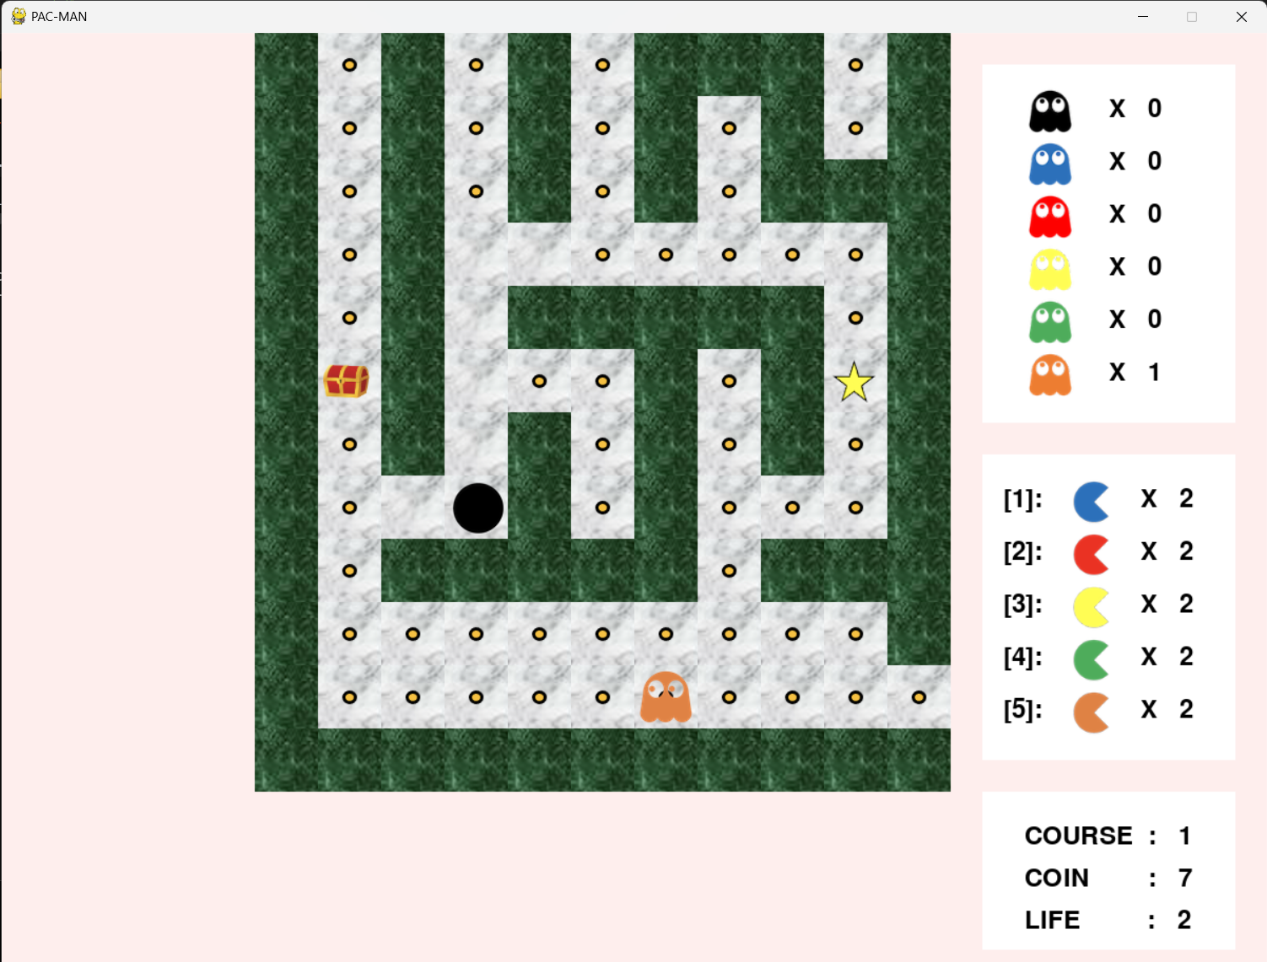
① 壁 = 0
② 通路 = -1
③ ゴール = -2
④ アイテム = -3
⑤ コイン = -4

フィールドに関しては下記のような配列オブジェクトで管理する

 | {0 -4 0 0 0 -4 0 -4 0 -4 0 0 0 0 0 -1 -4 0}
 | {0 -4 -4 -4 0 -4 -4 -4 0 -4 -4 -4 -4 -4 0 -4 -4 0}
 | {0 -4 0 0 0 -4 0 0 0 -4 0 0 0 0 0 -4 -4 0}
②
 | {0 -4 -4 -4 -4 -4 -4 -4 0 -4 0 -4 -4 -4 0 -4 -4 0}
 | {0 -2 0 0 0 0 0 0 0 -4 0 -4 0 0 0 0 -4 0}
 | {0 -4 -4 -4 -4 -4 0 -4 -4 -4 0 -4 0 -4 -4 -4 -4 0}
 | {0 -4 0 -4 0 -4 0 -4 0 0 0 -4 0 -4 0 0 -4 0}
 | {0 -4 0 -4 0 -4 0 -4 -4 -4 -4 -4 0 -4 -4 -4 -4 0}
 | {0 -4 0 0 0 -4 0 -4 0 0 0 -4 0 -4 0 -4 -4 0}
④
③
 | {0 -4 -4 -4 -4 -4 0 -4 0 -4 0 -4 -4 -4 0 -4 -4 0}
 | {0 0 0 -4 0 -4 0 -4 0 -4 0 0 0 -4 0 -4 -4 0}
 | {0 -4 -4 -4 0 -4 -4 -4 -4 -4 -4 -4 0 -4 -4 -4 -4 0}
 | {0 -4 -4 -4 -4 -4 -4 -4 -1 -4 -4 -4 -4 -4 -4 -4 -4 0}
 | {0 0 0 0 0 0 0 0 0 0 0 0 0 0 0 0 0 0}

⑤

①

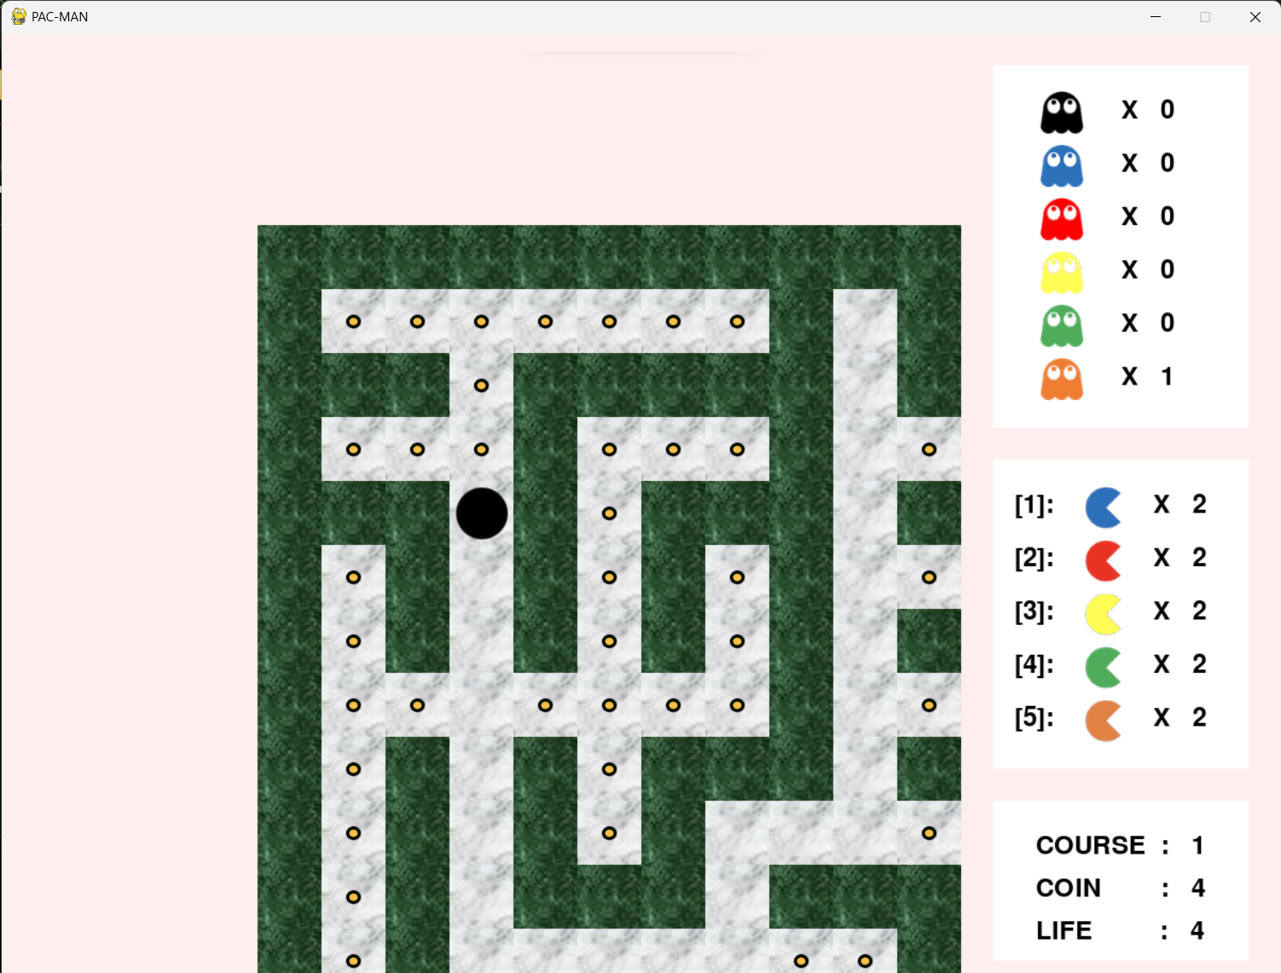
下記のように左列の一番下から配列オブジェクトが作成されていく

 | {0 0 0 0 0 0 0 0 0 0 0 0 0 0 0 0 0 0}
１
２
３
４

 | {0 -4 -4 -4 -4 -4 -4 -4 0 -1 0 -4 -4 -4 -4 -4 -4 0}
５
６
７
８

 | {0 0 0 -4 0 0 0 0 0 -4 0 -4 0 -4 0 -4 -4 0}
１
２
３
４
９
１０
１１
１２

 | ・・・
５
６
７
８

９
１０
１１
１２

