Table 1


Receiving Card HD-R708
V1.0
1. Overview
R708 Ton-board 8*HUB75E ports, compatible with R series receiving card, it work with asynchronous sending card, synchronous sending card and all-in-one LED controller.
2. Parameters
Features | Parameters
With sending card | Dual-mode sending box，Asynchronous sending card, Synchronous sending card, Video processor of VP series.
Module type | Compatible with all common IC module, supported most PWM IC module.
Scan mode | Supports any scanning method from static to 1/128 scan
Communication method | Gigabit Ethernet
Control range | Conventional chip: 128*512 pixels, PWM chip: 256*512 pixels, Large range: P1.667, P1.538, P1.25 can all be fully loaded with 8 ports
Multi-card connection | Receiving card can be put in any sequence
Gray scale | 256~65536
Smart setting | A few simple steps to complete the smart settings, through the screen layout can be set to go with any alignment of the screen unit board.
Test functions | Receiving card integrated screen test function, Test display brightness uniformity and display module flatness.
Communication distance | Super Cat5,Cat6 network cable within 80 meters
Port | 5V DC Power*2,1Gbps Ethernet port*2, HUB75E*8
Input voltage | 4.0V-5.5V
With sending card | Dual-mode sending box，Asynchronous sending card, Synchronous sending card, Video processor of VP series.
Power | 5W


3. Connection Method
Connection diagram of connecting R708 with player A6：

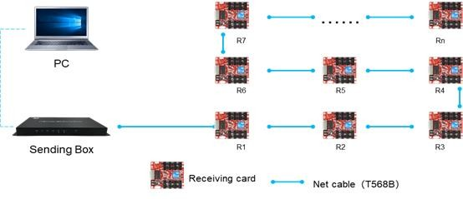
4. Dimensions
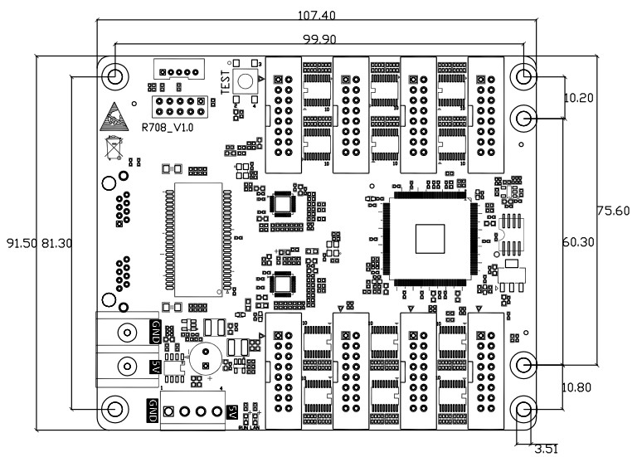

5. Interface Definition
 | 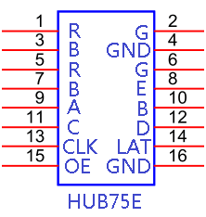

Table 2

6. Interface Description
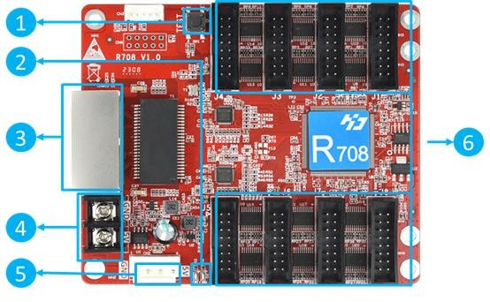

No. | Interface | Description
1 | Test button | Used to test display brightness uniformity and display module flatness.
2 | Work indicator | D1 (RUN) flashes to indicate that the control card is running normally. D2 (LAN) flashes quickly to indicate that Gigabit has been recognized and data is being received.
3 | Gigabit Ethernet port | Used to connect the sending card or receiving card, the same two network ports are interchangeable.
4 | Power interface | Can be accessed with 4.0V ~ 5.5V DC voltage.
5 | Power interface | Can be accessed with 4.0V ~ 5.5V DC voltage.
6 | Flat cable interface | 8 HUB75E interface, connect to the LED modules by flat cable.

