Sheet2
Product Name | Image code | wholesale Price | retail price | Description | Image | Brand | SKU | category | sub_category | stock | unit | vendor
Latest & Glamour Design High Quality Printed With Dollar Work Readymade Skirt & Unstitched Kameez for Woman | 1 | 501 | 755 | Product Type: Ready made Skirt & Unstitched Kameez Color: Same as Picture Main Material: Linen Kameez: Linen With Dollar Work Skirt: Linen (Readymade) Gender: Women High quality fabric, stylish design, and comfortable | 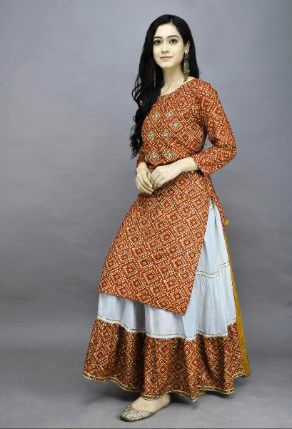 |  |  | Woman's Fashion | Saree | 50 |  | Mohnaz
Latest & Glamour Design High Quality Printed With Dollar Work Readymade Skirt & Unstitched Kameez for Woman | 2 | 505 | 750 | Product Type: Ready made Skirt & Unstitched Kameez Color: Same as Picture Main Material: Linen Kameez: Linen With Dollar Work Skirt: Linen (Readymade) Gender: Women High quality fabric, stylish design, and comfortable | 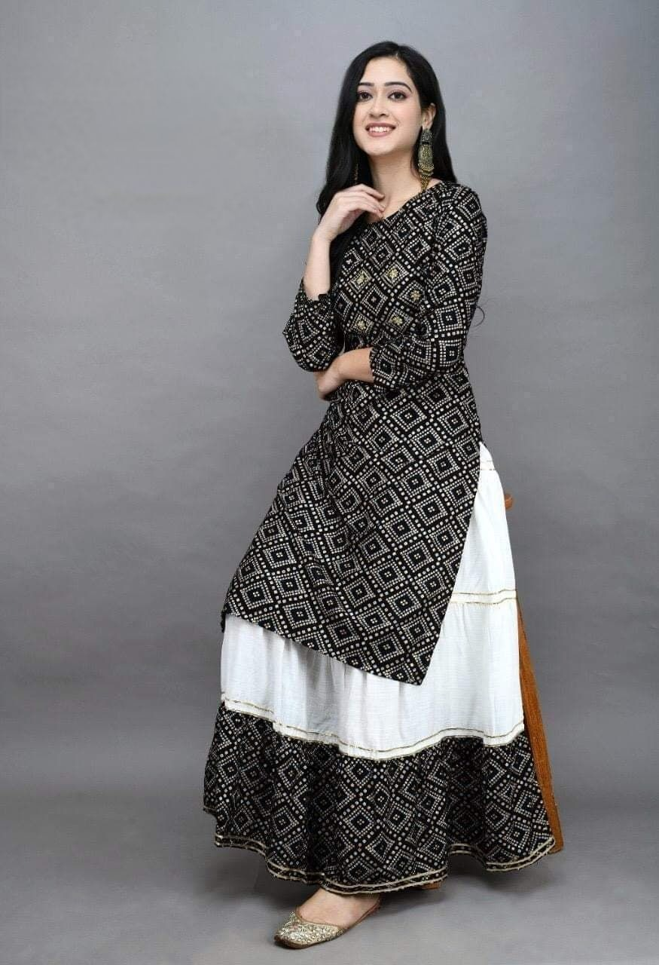 |  |  | Woman's Fashion | Saree | 51 |  | Mohnaz
Latest & Glamour Design High Quality Printed With Dollar Work Readymade Skirt & Unstitched Kameez for Woman | 3 | 503 | 756 | Product Type: Ready made Skirt & Unstitched Kameez Color: Same as Picture Main Material: Linen Kameez: Linen With Dollar Work Skirt: Linen (Readymade) Gender: Women High quality fabric, stylish design, and comfortable | 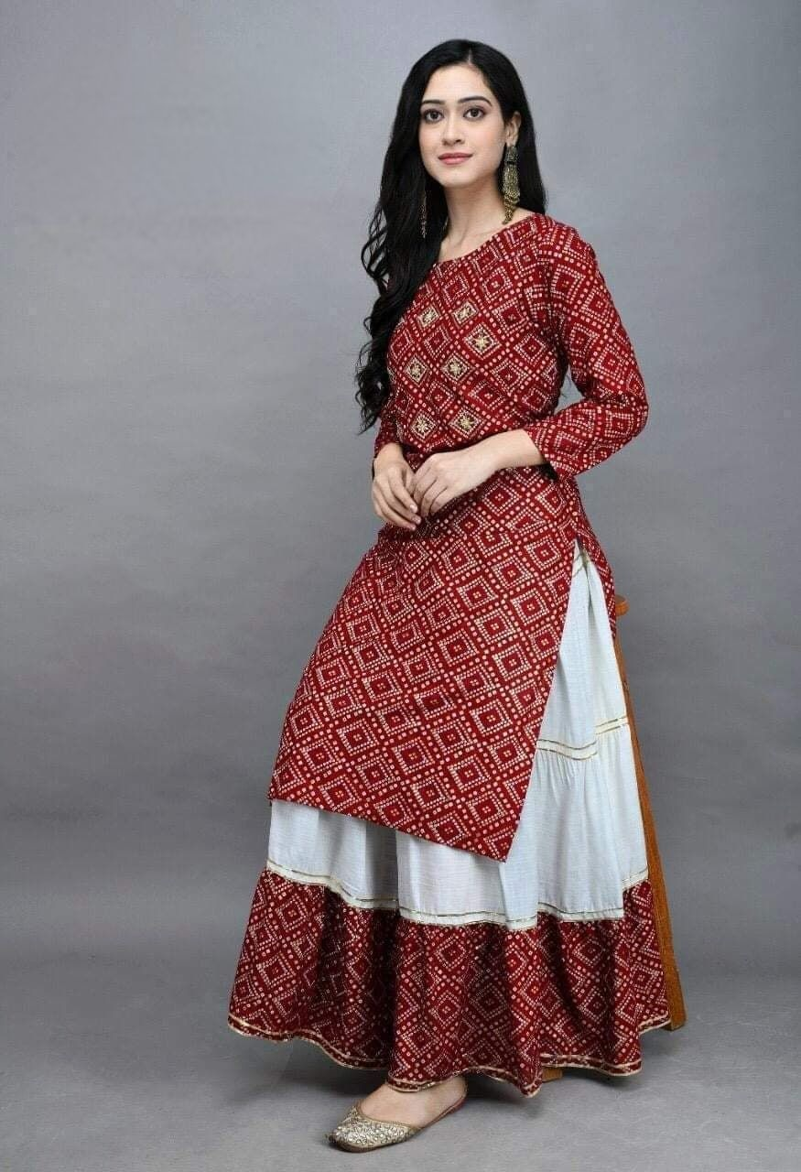 |  |  | Woman's Fashion | Saree | 52 |  | Mohnaz

