Figures
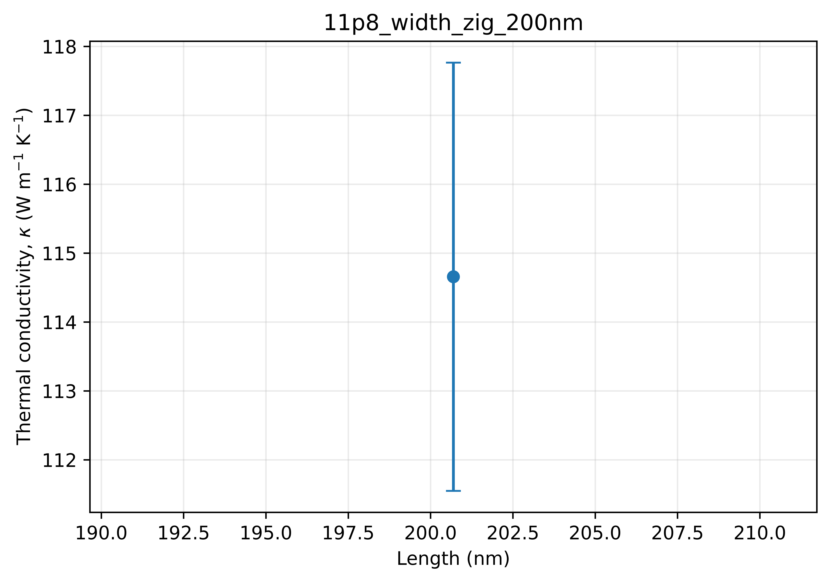
kappa_with_95CI

