MIndmaps
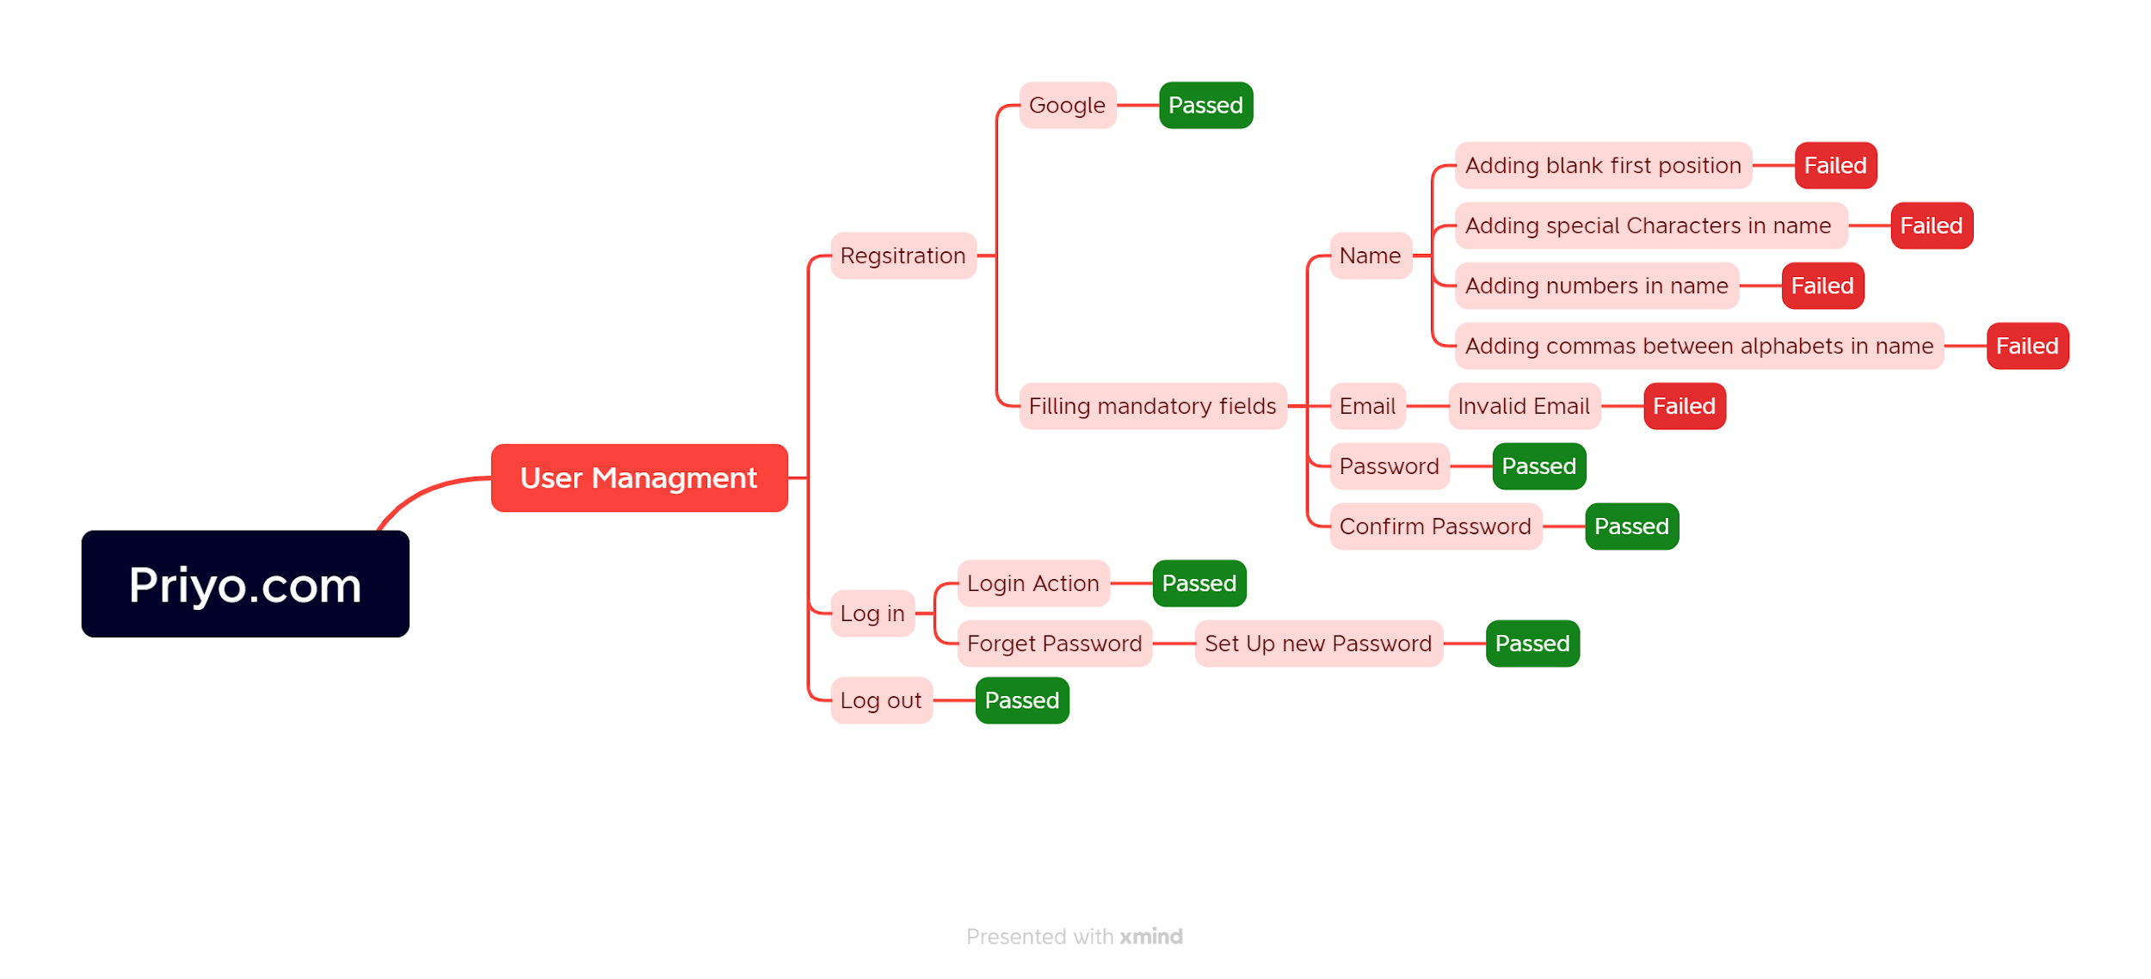
Mindmap for Priyo.com website testing

