Problem 1
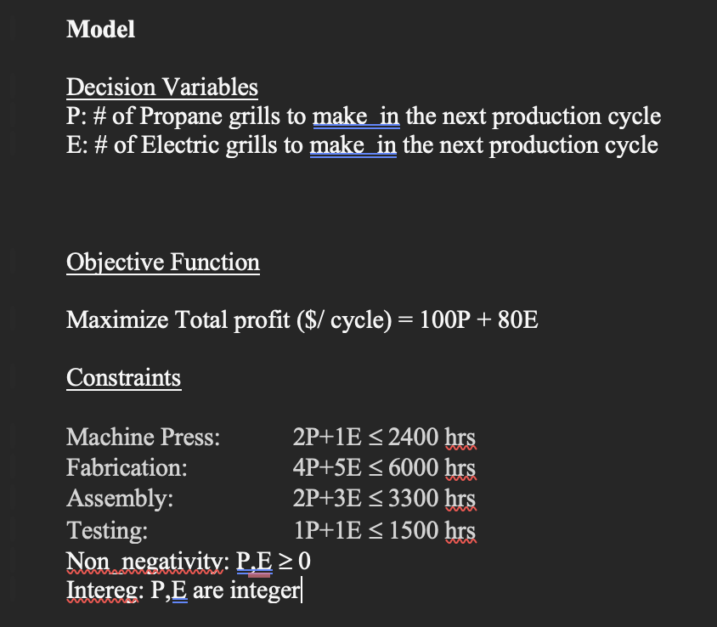
Problem 1
Decision Variables
 | Initial / Optimal
P | 1000
E | 400

Objective Function
Max | 132000

Constraints
M. Press | 2400 | <= | 2400
Fabrication | 6000 | <= | 6000
Assembly | 3200 | <= | 3300
Testing | 1400 | <= | 1500

Problem 2
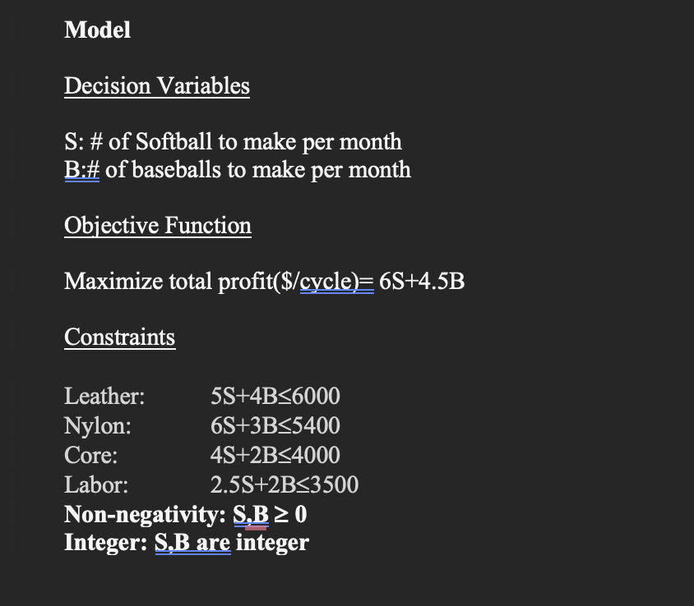
Problem 2
Decision Variables
 | Initial / Optimal
S | 400
B | 1000

Objective Function
Max | 6900

Constraints
Leather | 6000 | <= | 6000
Nylon | 5400 | <= | 5400
Core | 3600 | <= | 4000
Labor | 3000 | <= | 3500

Problem 3
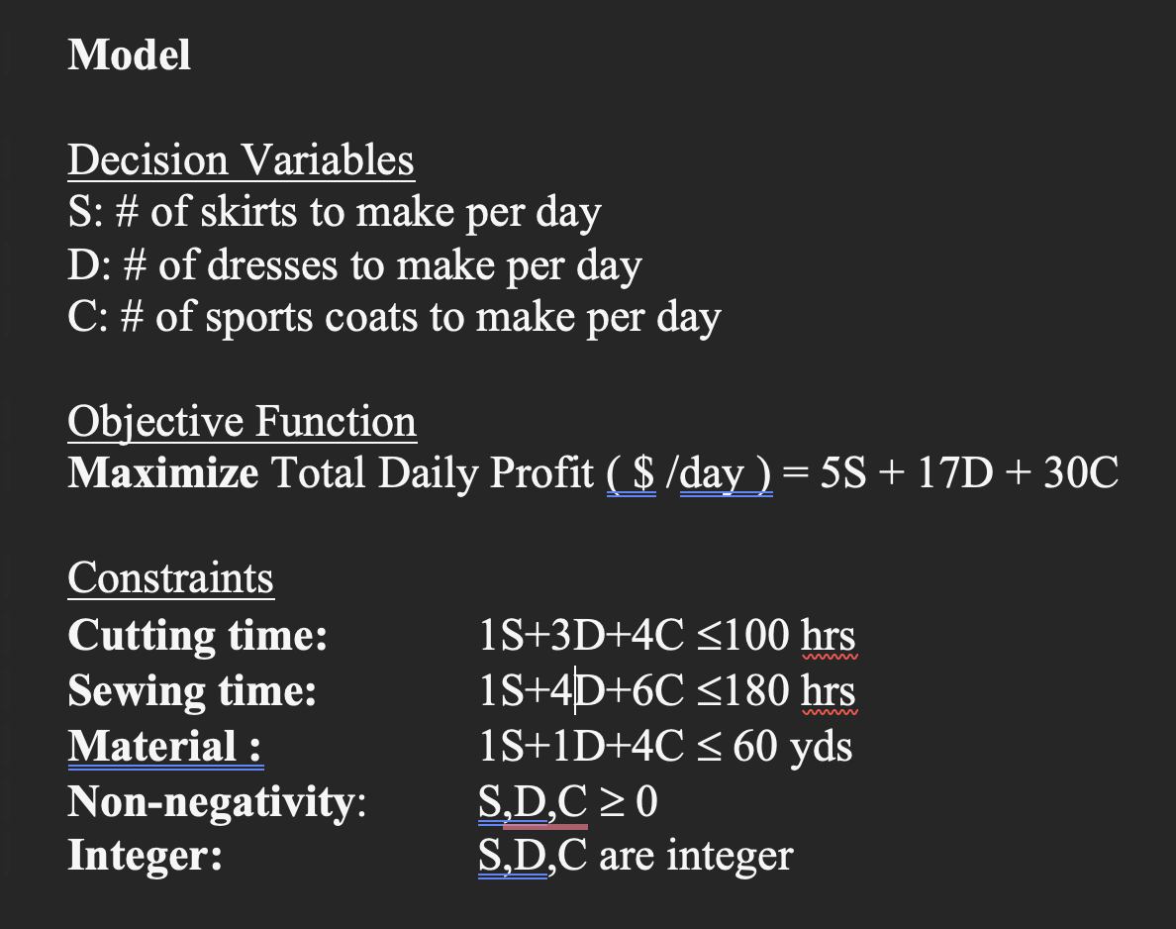
Problem 3
Decision Variables
 | Initial / Optimal
S | 0
D | 20
C | 10

Objective Function
Max | 640

Constraints
Cutting | 100 | <= | 100
Sewing | 140 | <= | 180
Material | 60 | <= | 60

Problem 4
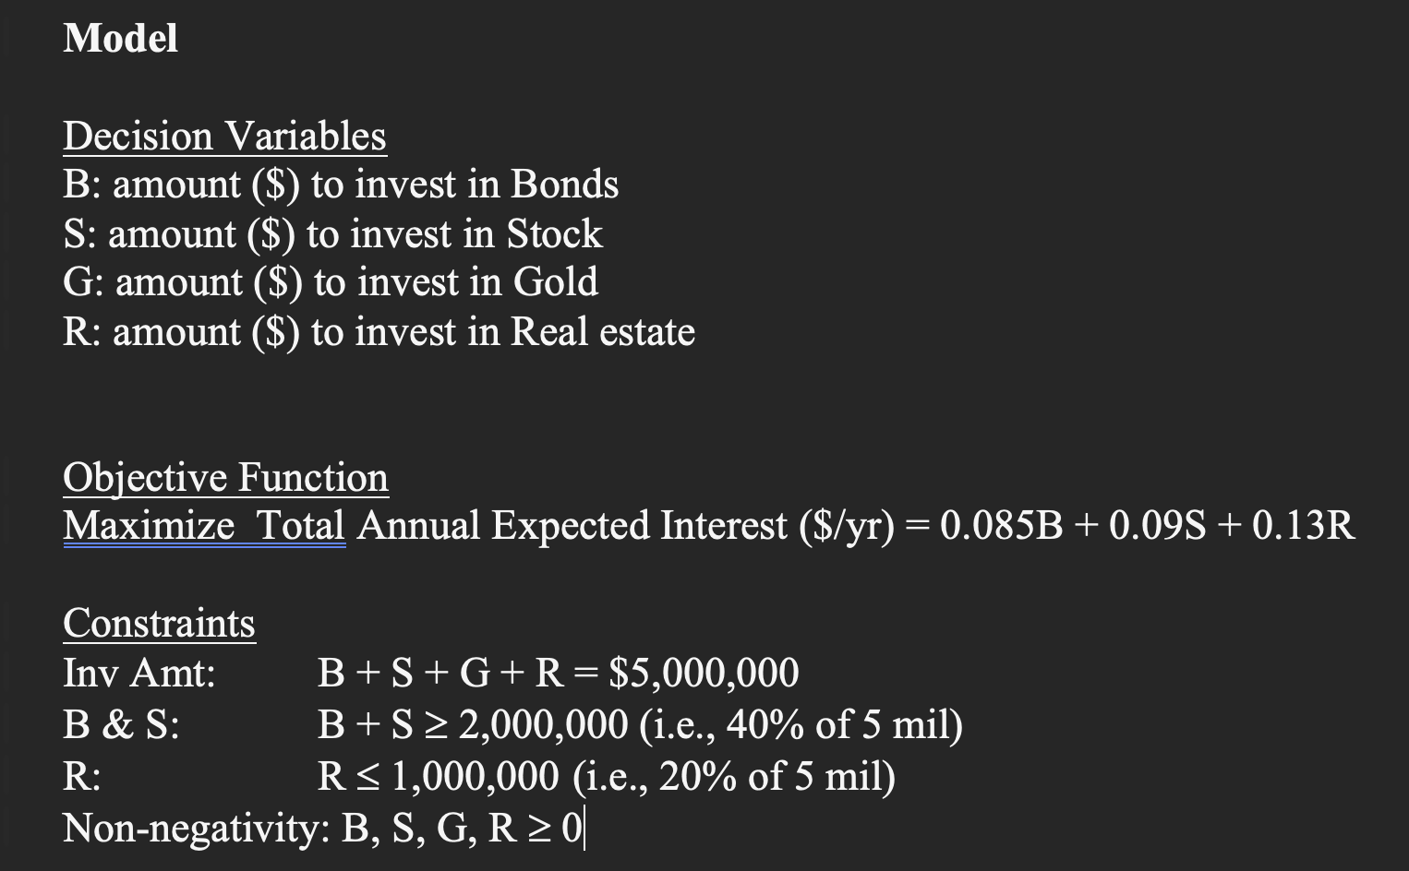
Problem 4
Decision Variables
 | Initial / Optimal | Exp Interest
B | 0 | 0.085
S | 2000000 | 0.09
G | 2000000 | 0.1
R | 1000000 | 0.13

Objective Function
Max | 510000

Constraints
Inv Amt | 5000000 | = | 5000000
B & S | 2000000 | >= | 2000000
R | 1000000 | <= | 1000000

Problem 5
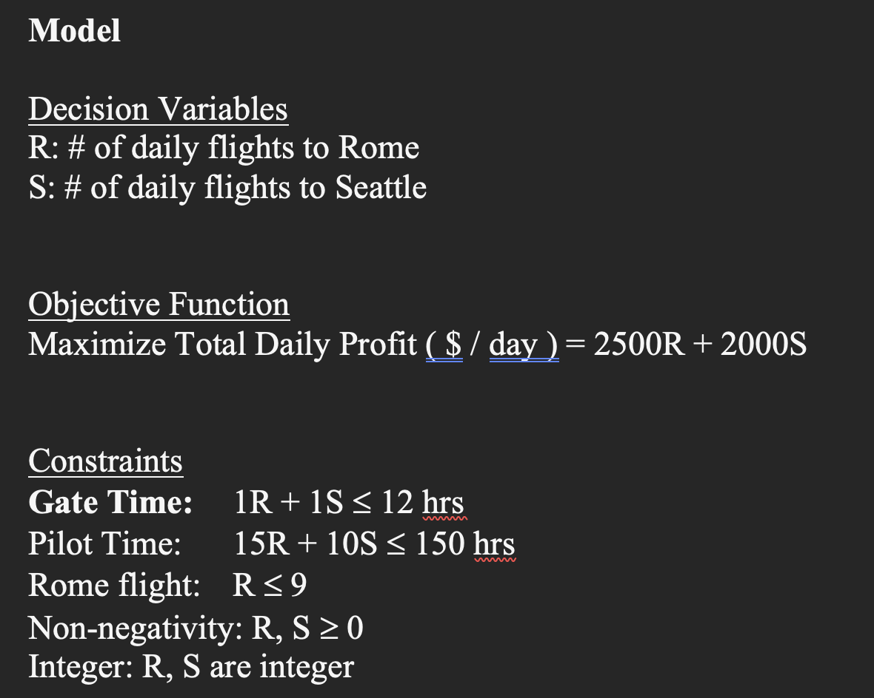
Problem 5
Decision Variables
 | Initial / Optimal
R | 6
S | 6

Objective Function
Max | 27000

Constraints
Gate Time | 12 | <= | 12
Pilot Time | 150 | <= | 150
Rome flights | 6 | <= | 9

Problem 6
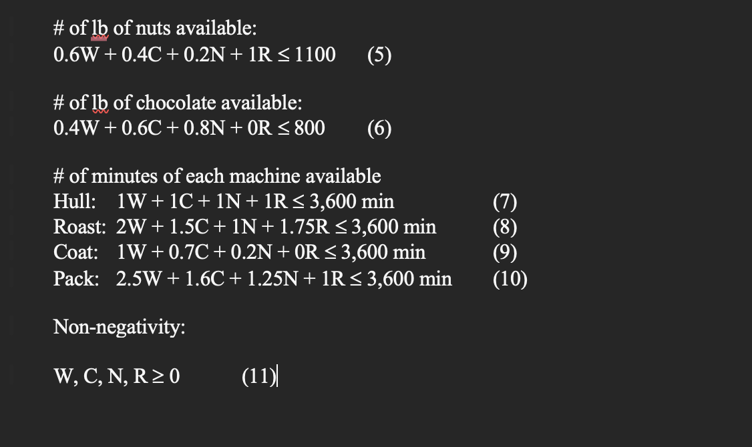
Problem 6
Decision Variables
 | Initial / Optimal | Unit Profit ($) | Nuts | Chocolate | Hull | Roast | Coat | Pack
W | 1000 | 1.85 | 0.6 | 0.4 | 1 | 2 | 1 | 2.5
C | 500 | 1.4 | 0.4 | 0.6 | 1 | 1.5 | 0.7 | 1.6
N | 80 | 1.04 | 0.2 | 0.8 | 1 | 1 | 0.2 | 1.25
R | 200 | 1.4 | 1 | 0 | 1 | 1.75 | 0 | 1
 |  | Used --> | 1016 | 764 | 1780 | 3180 | 1366 | 3600
 |  | <= | <= | <= | <= | <= | <= | <=
 |  | Available --> | 1100 | 800 | 3600 | 3600 | 3600 | 3600
 |  |  | Constraint 5 | Constraint 6 | Constraint 7 | Constraint 8 | Constraint 9 | Constraint 10
Objective Function
Max | 2913.2

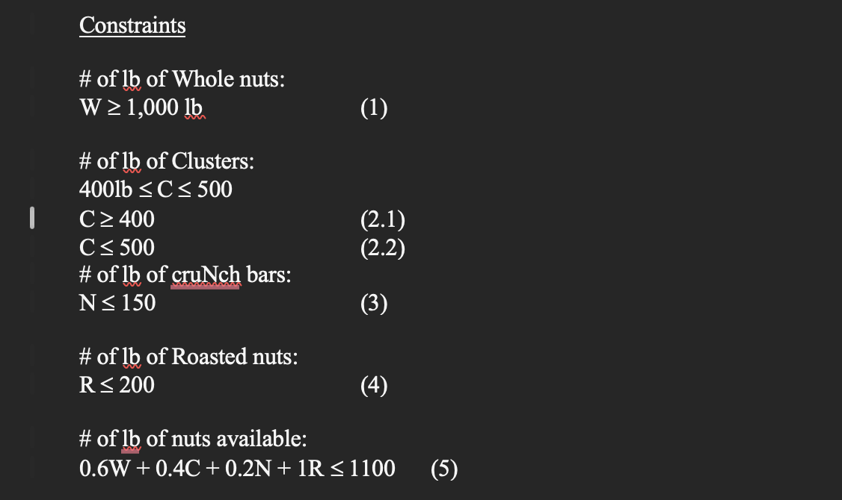
Constraints
:(1) | 1000 | >= | 1000
:(2.1) | 500 | >= | 400
:(2.2) | 500 | <= | 500
:(3) | 80 | <= | 150
:(4) | 200 | <= | 200

