Sheet1
 | Project Name | Gooseberry BPO
 | Created By | Elias Khan(QA)
 | Creation Date | 26/1/2025
 | Assigned To | Development Team

Bug Id | UI Name | Bug Summary Title | Steps to produce | Actual Result | Expected Result | Attachments | Severity | Priority | Environment | Comments | Status
Bug_Id_001 | Home Page(Header Section) | The mentioned in attachments, The header bar menu bar named About is not same as the design. The menu bar will be About Us | 1)Open the website any Browser 2)See the Homepage 3)See the Header bar | The menu bar About is not correct as design. | The menu bar will be About Us | 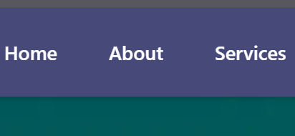 | Moderate | High | Operating System: Windows 10 Pro, Browser: Google Chrome, Microsoft Edge, Mozilla Firefox. Andrioid Devices | No | Pass
Bug_Id_002 | Home Page(Body Section) | In Our Partners section, the agileDot logo is not clear. | 1)Open the website any Browser 2)See the Homepage 3)Then scroll down and see Our Partners Section agileDot logo. | The agileDot logo is not clear. | The agileDot logo will be clear. |  | Major | Medium | Operating System: Windows 10 Pro, Browser: Google Chrome, Microsoft Edge, Mozilla Firefox. Andrioid Devices | The agileDot logo will be changes.It is not clear.It looks like dull. | Pass
Bug_Id_003 | Home Page(Footer Section) | In Footer section, The Gooseberry BPO logo is not clear. | 1)Open the website any Browser 2)See the Homepage 3)Then scroll down and see Footer section Gooseberry BPO logo. | The Gooseberry BPO logo is not clear. | The Gooseberry BPO logo will be clear. |  | Major | High | Operating System: Windows 10 Pro, Browser: Google Chrome, Microsoft Edge, Mozilla Firefox. Andrioid Devices | The Gooseberry BPO logo will be changes.It is not clear.It looks like dull. | Pass
Bug_Id_004 | Home Page(Footer Section) | In Footer section, The link Privacy Policy is not connected. When clicking on the Privacy Policy,It does not open the expected page. It shows 404 or Page not found Error. | 1)Open the website any Browser 2)See the Homepage 3)Then scroll down and go to Footer section 4)Then click on the Privacy Policy Link | The Privacy Policy page are not connected | The Privacy Policy page will be connected. | No | Major | High | Operating System: Windows 10 Pro, Browser: Google Chrome, Microsoft Edge, Mozilla Firefox. Andrioid Devices | The picture used in Privacy Policy page is not clear showing. It is visually Dull. | Pass | 
Bug_Id_005 | Home Page(Footer Section) | In Footer section, The link Terms of Service is not connected. When clicking on the Terms of Service,It does not open the expected page. It shows 404 or Page not found Error. | 1)Open the website any Browser 2)See the Homepage 3)Then scroll down and go to Footer section 4)Then click on the Terms of Service Link | The Terms of Service page are not connected | The Terms of Service page will be connected. | No | Major | High | Operating System: Windows 10 Pro, Browser: Google Chrome, Microsoft Edge, Mozilla Firefox. Andrioid Devices | The font size of Terms and Service page body section is too small compare to other webpage. The font size be changed and used bigger than this font size. | Pass | 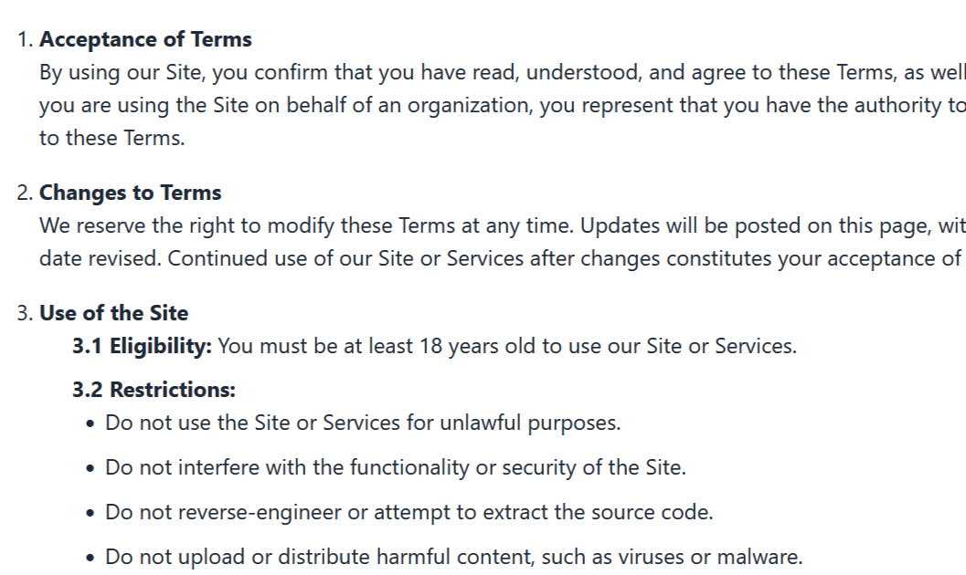
Bug_Id_006 | Home Page(Footer Section) | In Footer Section, The social media links (Facebook, Linkdin, X or Twitter) are not connected properly. When clicking on those three links,It will open the agileDot page in Facebook,Linkdin and X. | 1)Open the website any Browser 2)See the Homepage 3)Then scroll down and go to Footer section 4)Then click on the social media links sequentially Facebook, Linkdin and X. | The mentioned three links are not connected properly. | The mentioned three links will be connected properly. | No | Major | High | Operating System: Windows 10 Pro, Browser: Google Chrome, Microsoft Edge, Mozilla Firefox. Andrioid Devices | No | Failed
Bug_Id_007 | Home Page(Footer Section) | In Footer section, The social media links Instragram are not connected properly. When clicking on the instragram link, it will open the Gooseberry BPO website another time. | 1)Open the website any Browser 2)See the Homepage 3)Then scroll down and go to Footer section 4)Then click on the social media links Instragram. | The Instragran links are not connected properly. | The Instragram links will be connected properly. | No | Major | High | Operating System: Windows 10 Pro, Browser: Google Chrome, Microsoft Edge, Mozilla Firefox. Andrioid Devices | No | Failed
Bug_Id_008 | Home Page(Our Partner Section) | In Home Page Our partners Section, The given three website logo named iCrew,Gooseberry Innovation and agileDot is not clickable | 1)Open the website any Browser 2)See the Homepage 3)Then scroll down and go to Our Partners section 4)Then click on the three website logo named icrew,Gooseberry Innovation and agileDot. | The mentioned three links are not connected properly. | The three website link will be clickable and will be opened the expected website. | No | Major | High | Operating System: Windows 10 Pro, Browser: Google Chrome, Microsoft Edge, Mozilla Firefox. Andrioid Devices | No | Pass
Bug_Id_009 | About Page | If the font size is small in About page body section, then it will shows more better. | 1)Open the website any Browser 2)See the Homepage 3)Then click on About Us menu bar from Header bar. 4)Then see the contents of About us page body section. | The font size is big in Body section contents. | The font size will be small. | No | Moderate | Medium | Operating System: Windows 10 Pro, Browser: Google Chrome, Microsoft Edge, Mozilla Firefox. Andrioid Devices | No | Pass
Bug_Id_010 | Service Page(1st Service) Font Office Management Solutions. | In Our First service page, Why Choose Our Front Office Management Solution section, here Enhance Collaboration are written two times. But it will be written one time. | 1)Open the website any Browser 2)See the Homepage 3)Then click on Service menu bar 1st service from Header bar. 4)Then see the Why Choose Our Front Office Management Solution section. | The same thing written here two times. | The mentioned section should write one time. | 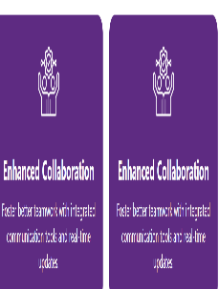 | Moderate | Medium | Operating System: Windows 10 Pro, Browser: Google Chrome, Microsoft Edge, Mozilla Firefox. Andrioid Devices | No | Pass
Bug_Id_011 | Service Page(1st Service) Font Office Management Solutions. | In Our First service page, Why Choose Our Front Office Management Solution?, here the 1st boxes are bigger than other. It is not equal to other four. | 1)Open the website any Browser 2)See the Homepage 3)Then click on Service menu bar 1st service from Header bar. 4)Then see the Why Choose Our Front Office Management Solution section. | All the boxes size are not equal | All the box sizes will be equal. | No | Moderate | Medium | Operating System: Windows 10 Pro, Browser: Google Chrome, Microsoft Edge, Mozilla Firefox. Andrioid Devices | No | Pass
Bug_Id_012 | Service Page(2nd Service) IT & Technical Support Solutions. | In Our Second service page, How We Make It Happen section, here is a word spelling is not correct mentioned in the attachments. | 1)Open the website any Browser 2)See the Homepage 3)Then click on Service menu bar 2nd service from Header bar. 4)Then see the How We Make It Happen section. | The word spelling is not correct | The word spelling will be correct. |  | Moderate | Medium | Operating System: Windows 10 Pro, Browser: Google Chrome, Microsoft Edge, Mozilla Firefox. Andrioid Devices | Spelling mistake do not remove | Pass
Bug_Id_013 | Service Page(3nd Service) Customer Support Service | In Our third service page, The title Why Choose Our Customer Support Service section, here the first box size are bigger than other four. | 1)Open the website any Browser 2)See the Homepage 3)Then click on Service menu bar 3nd service from Header bar. 4)Then see the Why Choose Our Customer Support Service? | All the boxes size are not equal | All the box sizes will be equal. | No | Moderate | Medium | Operating System: Windows 10 Pro, Browser: Google Chrome, Microsoft Edge, Mozilla Firefox. Andrioid Devices | No | Pass
Bug_Id_014 | Service Page(4th Service) Knowledge Process Outsourcing (KPO) Services. | In Our 4th services page, Why Choose Our KPO Services section, here all the five boxes size are not equal. Two box size are bigger than other three. | 1)Open the website any Browser 2)See the Homepage 3)Then click on Service menu bar 4th service from Header bar. 4)Then see the Why Choose Our KPO Services section. | The five box sizes are not equal. | All the box sizes will be equal. | No | Moderate | Medium | Operating System: Windows 10 Pro, Browser: Google Chrome, Microsoft Edge, Mozilla Firefox. Andrioid Devices | No | Pass
Bug_Id_015 | Service Page(5th Service) Legal Process Outsourcing (LPO) Services. | In Our 5th services page, Why Choose Our Legal Process Outsourcing Services? here all the five boxes size are not equal. Two box size are bigger than other three. | 1)Open the website any Browser 2)See the Homepage 3)Then click on Service menu bar 5th service from Header bar. 4)Then see the Why Choose Our Legal Process Outsourcing Services?. | The five box sizes are not equal. | All the box sizes will be equal. | No | Moderate | Medium | Operating System: Windows 10 Pro, Browser: Google Chrome, Microsoft Edge, Mozilla Firefox. Andrioid Devices | No | Pass
Bug_Id_016 | Service Page(6th Service)Research Process Outsourcing (RPO) Services. | In Our 6th services page, Why Choose Our Research Process Outsourcing Services? here all the five boxes size are not equal. One box size are bigger than other three. | 1)Open the website any Browser 2)See the Homepage 3)Then click on Service menu bar 6th service from Header bar. 4)Then see the Why Choose Our Research Process Outsourcing Services? | The five box sizes are not equal. | All the box sizes will be equal. | No | Moderate | Medium | Operating System: Windows 10 Pro, Browser: Google Chrome, Microsoft Edge, Mozilla Firefox. Andrioid Devices | No | Pass
Bug_Id_017 | Service Page(6th Service)Research Process Outsourcing (RPO) Services. | In Our 6th services page, Why Choose Our Research Process Outsourcing Services? here inside the 3rd boxes logos are not showing. | 1)Open the website any Browser 2)See the Homepage 3)Then click on Service menu bar 6th service from Header bar. 4)Then see the Why Choose Our Research Process Outsourcing Services? | The logo are not showing. Here showing a text. | The logo will show properly. |  | Moderate | Medium | Operating System: Windows 10 Pro, Browser: Google Chrome, Microsoft Edge, Mozilla Firefox. Andrioid Devices | No | Pass
Bug_Id_018 | Service Page(6th Service)Research Process Outsourcing (RPO) Services. | In Our 6th services page, Key Features, in the 1st boxes are bigger than other four. | 1)Open the website any Browser 2)See the Homepage 3)Then click on Service menu bar 6th service from Header bar. 4)Then see the Key Features. | The first box are not equal to others. | All the box sizes will be equal. | No | Moderate | Medium | Operating System: Windows 10 Pro, Browser: Google Chrome, Microsoft Edge, Mozilla Firefox. Andrioid Devices | The first box size are bigger than others | Pass | 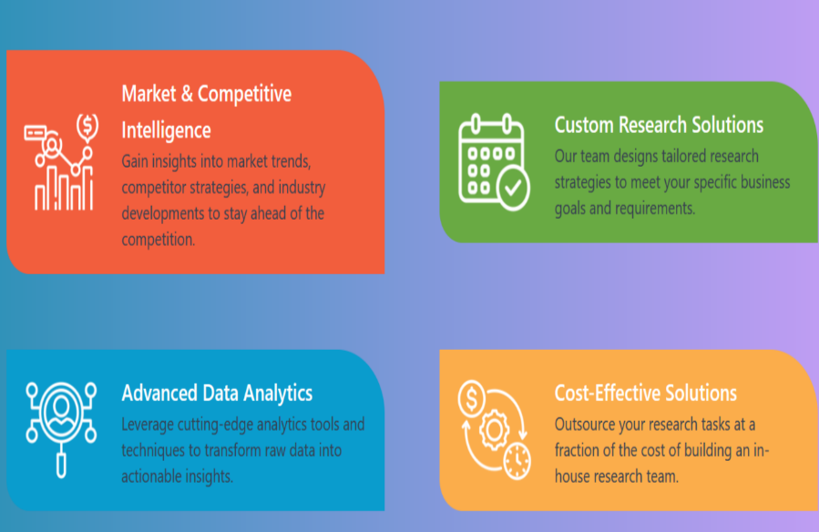
Bug_Id_019 | Service Page(7th Service) Healthcare Management Services. | In Our 7th services page body section, The title Who Choose Our Healthcare Management Services are mising | 1)Open the website any Browser 2)See the Homepage 3)Then click on Service menu bar 7th service from Header bar. 4)Then see the body section contents which title are missing. | The title Who Choose Our Healthcare Management Services are missing. | The title will be added in the section. | No | Major | High | Operating System: Windows 10 Pro, Browser: Google Chrome, Microsoft Edge, Mozilla Firefox. Andrioid Devices | No | Pass
Bug_Id_020 | Service Page(7th Service) Healthcare Management Services. | In Our 7th services page body section, The title Who Choose Our Healthcare Management Services, here the 4th boxes are not equal to other four | 1)Open the website any Browser 2)See the Homepage 3)Then click on Service menu bar 7th service from Header bar. 4)Then see the body section contents which title are missing. | The fourth box are not equal to others. | All the box sizes will be equal. | No | Moderate | Medium | Operating System: Windows 10 Pro, Browser: Google Chrome, Microsoft Edge, Mozilla Firefox. Andrioid Devices | No | Pass
Bug_Id_021 | Service Page(8th Service) Neuro-Technology Management Support Services | In Our 8th services page body section, The title Why Choose Our Neuro-Technology Management Support?, here the 4th boxes are not equal to other four | 1)Open the website any Browser 2)See the Homepage 3)Then click on Service menu bar 8th service from Header bar. 4)Then see the title: Why Choose Our Neuro-Technology Management Support. | The fourth box are not equal to others. | All the box sizes will be equal. | No | Moderate | Medium | Operating System: Windows 10 Pro, Browser: Google Chrome, Microsoft Edge, Mozilla Firefox. Andrioid Devices | No | Pass
Bug_Id_022 | Service Page(9th Service) Back Office Management Solutions Services | In Our 9th services page body section, The title Why Choose Our Back Office Management Solution?, here the 3rd and 4th boxes are not equal to other four | 1)Open the website any Browser 2)See the Homepage 3)Then click on Service menu bar 8th service from Header bar. 4)Then see the title: Why Choose Our Back Office Management Solution. | The 3rd and fourth box are not equal to others. | All the box sizes will be equal. | No | Moderate | Medium | Operating System: Windows 10 Pro, Browser: Google Chrome, Microsoft Edge, Mozilla Firefox. Andrioid Devices | No | Pass

