Asthetics
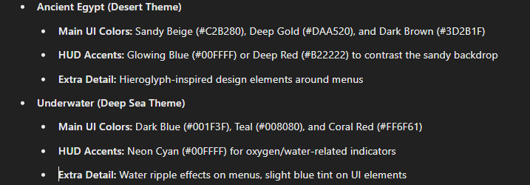
OBJECTIVE | Task |  | Completion
UI |  |  |  | Resources used for this
 | TEXT
 |  | Wave text
 |  | Weapon text
 | IMAGES
 |  | Wave box
 |  | Weapon box
FONT TO USE |  | Healthbar
GeosansLight |  | Power up icons
 | Pause Menu
 |  | Image (box)
 |  | Text:
 |  | Resume
 |  | Back to Menu
 |  | Quit Game
Voice Acting
 | Main Charactre
 |  | Quotes |  |  | Audio or visual que when wave goes to next (in the 5sec)
 |  | Damage noise
 |  | Good noise

 | SFX
 |  | Power Ups
 |  | Gun noises |  | For the staff yeh
 |  | Enviromental noise |  | BACKGROUND MUSIC ADDED
 |  | Round noise
 | Enemy noise
 |  | Damage given/taken
 |  | Audio Quotes?

Music
 | Menu
 | Pause Screen
 | Game Over

