Sheet1
Hidden layers | Learning Rate | Activation function | Loss curve | Accuracy curve | Test Accuracy (in %) | Confusion matrix | Execution time (in sec)
(160, 100) | 0.01 | ReLU | 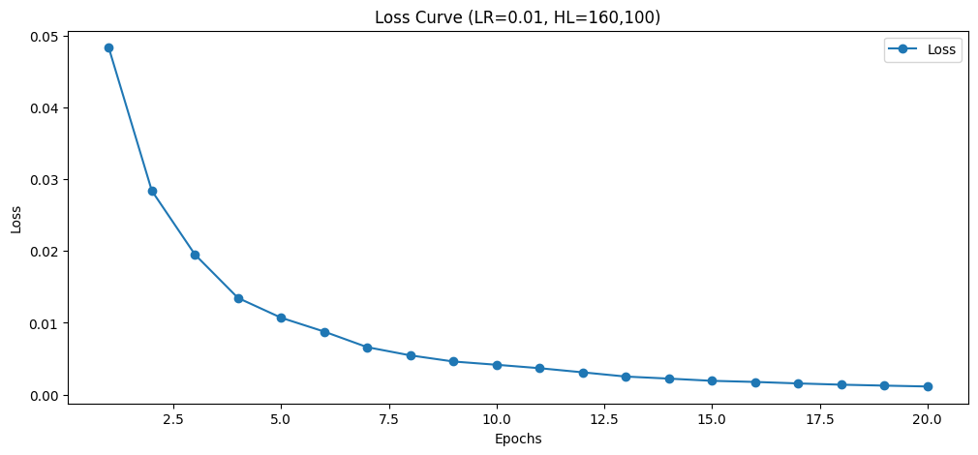 | 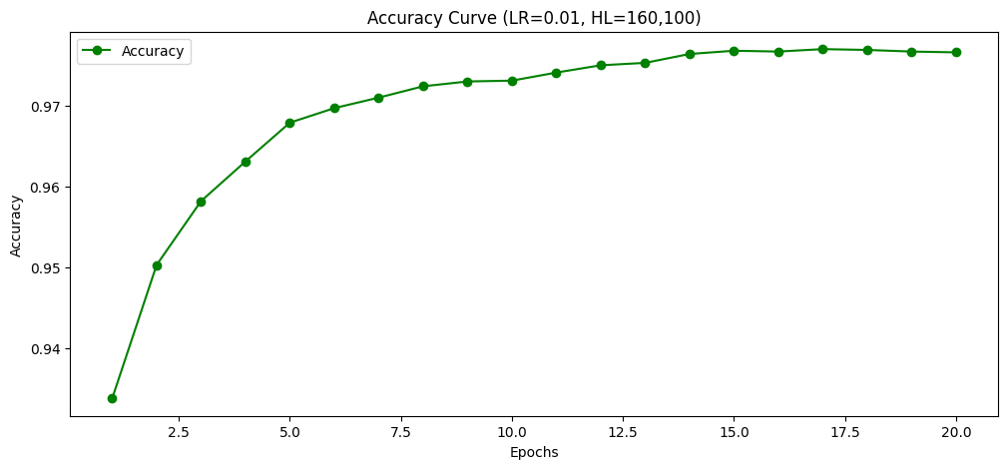 | 97.66 | 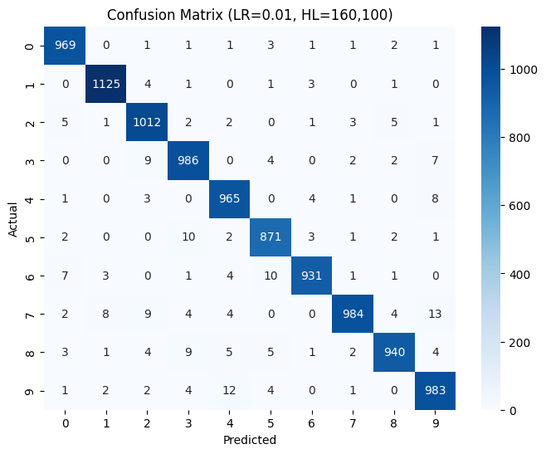 | 1942.38
(160, 100) | 0.1 | ReLU | 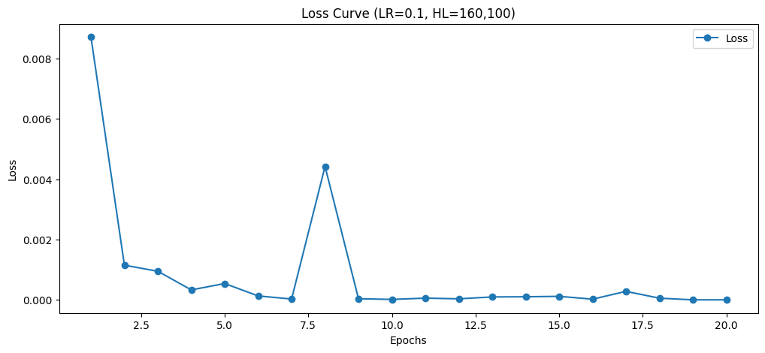 | 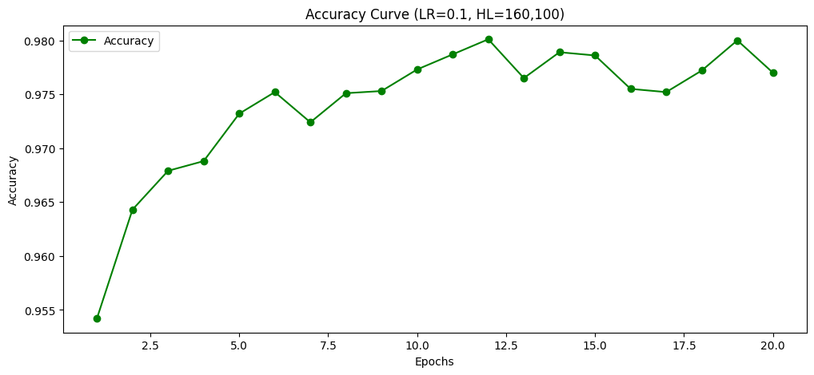 | 97.7 |  | 2656.22
(160, 100) | 1 | ReLU | 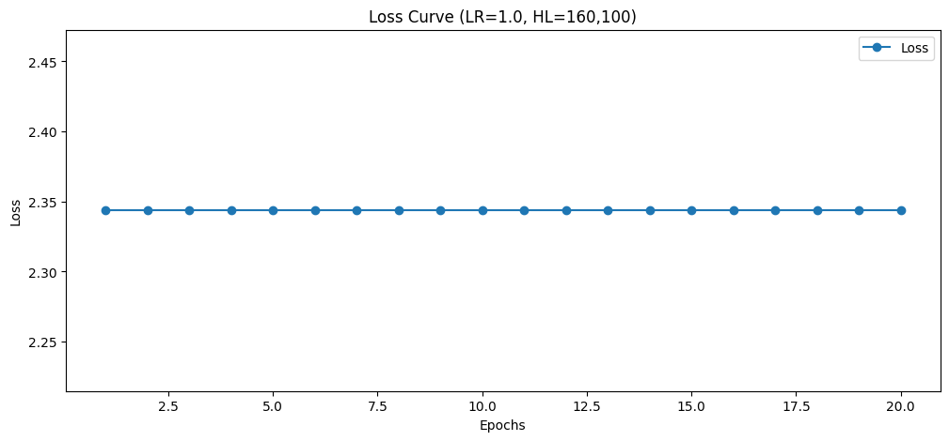 | 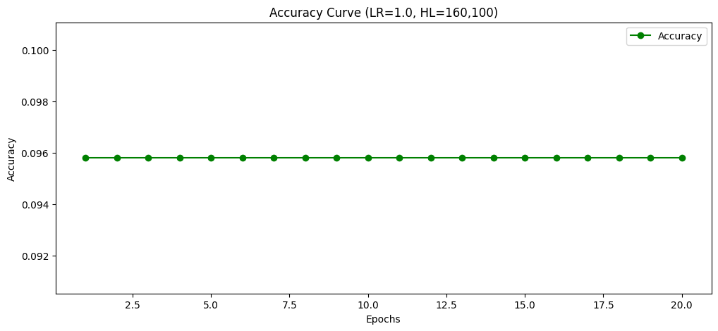 | 9.58 | 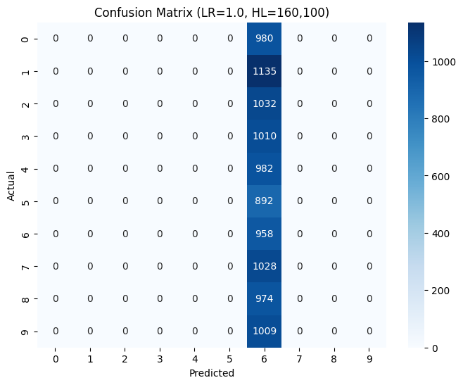 | 1195.03
(100, 100) | 0.01 | ReLU | 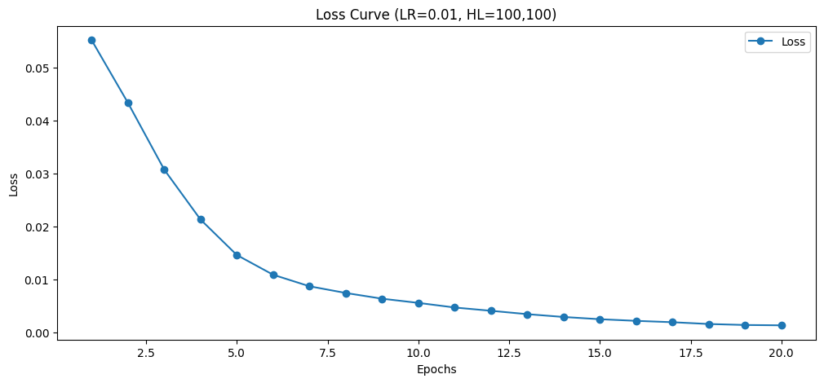 | 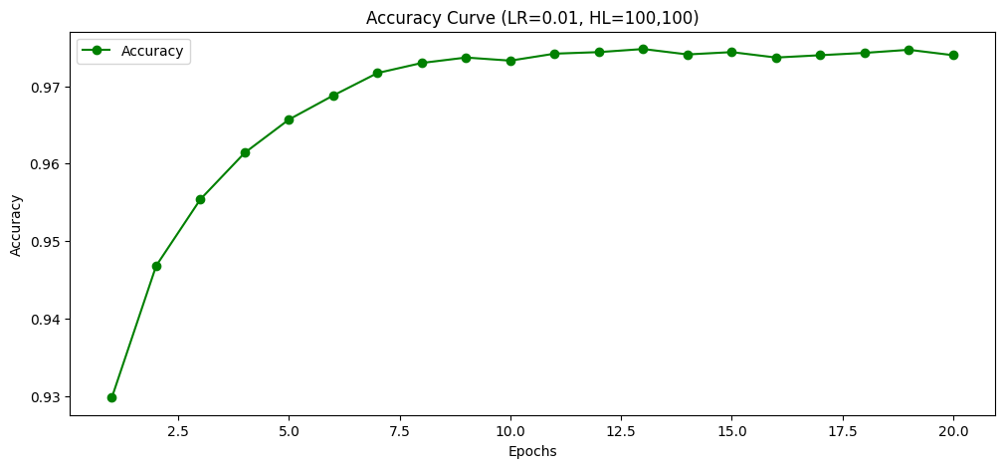 | 97.4 |  | 1785.26
(100, 100) | 0.1 | ReLU | 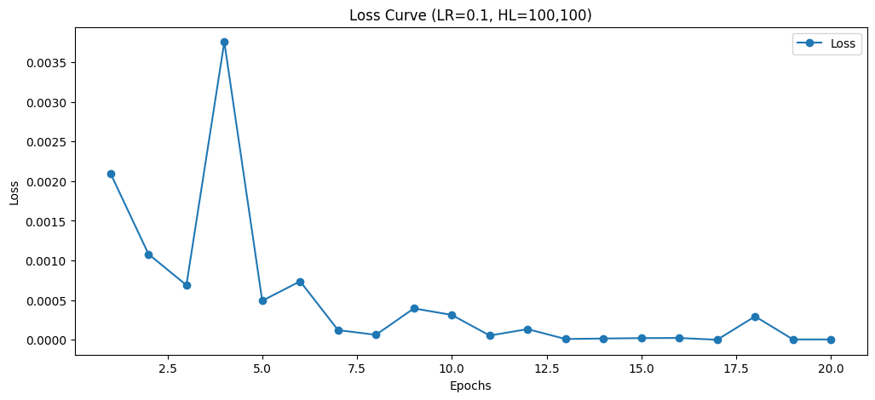 | 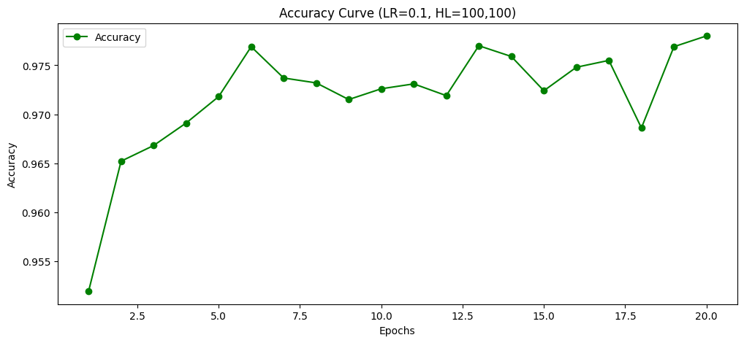 | 97.8 |  | 1192.42
(100, 100) | 1 | ReLU |  |  | 9.58 |  | 1193.86
(100, 160) | 0.01 | ReLU | 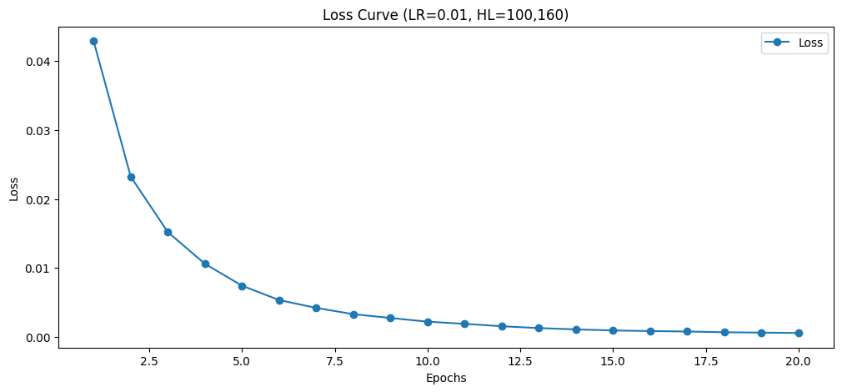 | 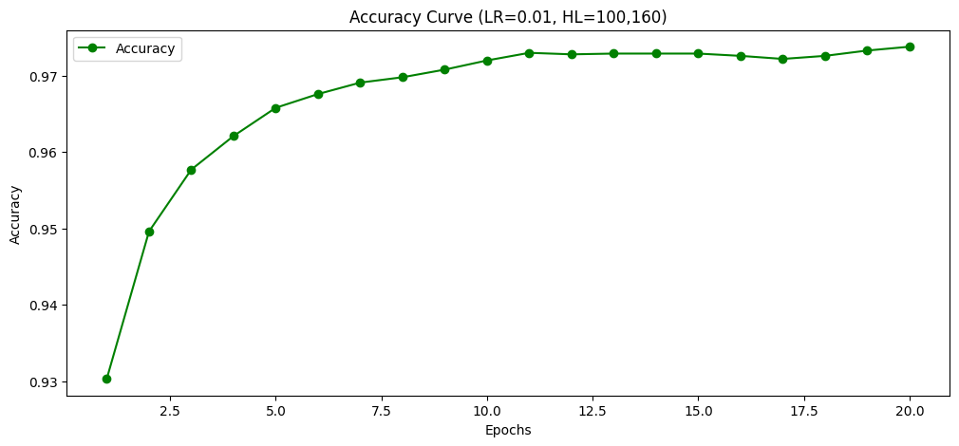 | 97.38 |  | 1193.91
(100, 160) | 0.1 | ReLU | 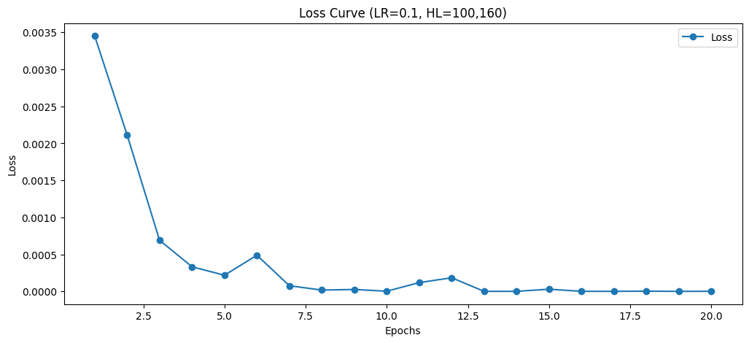 | 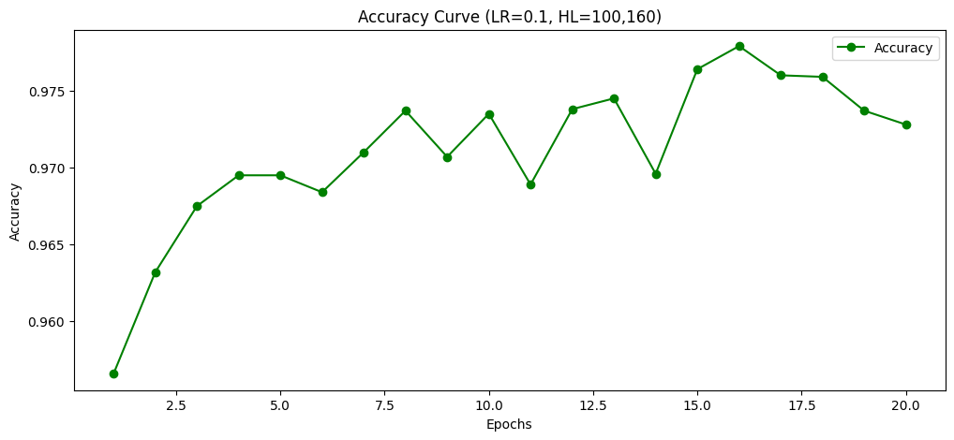 | 97.28 |  | 1346.39
(100, 160) | 1 | ReLU | 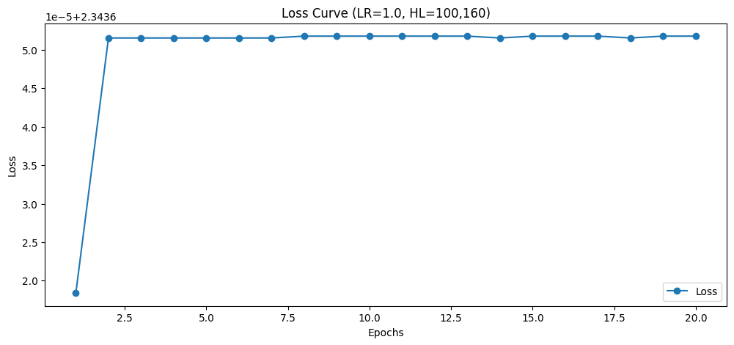 | 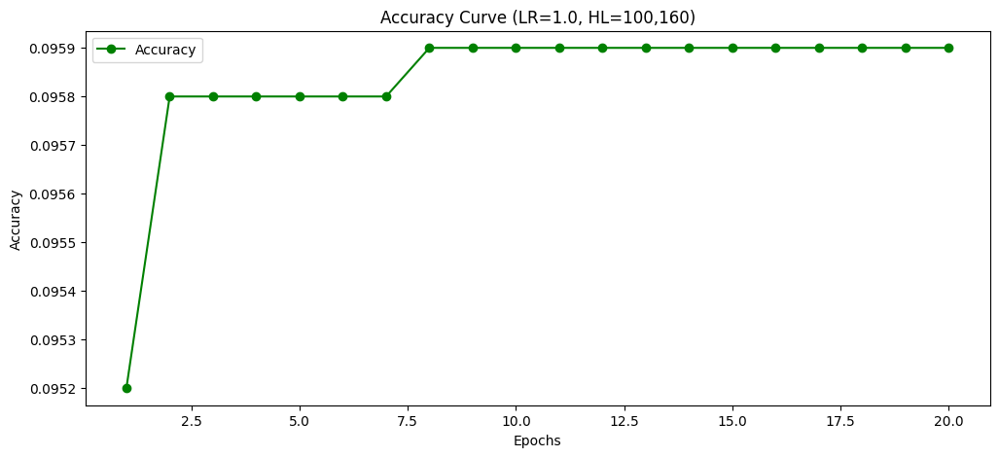 | 9.59 |  | 1294.94
(60, 60) | 0.01 | ReLU | 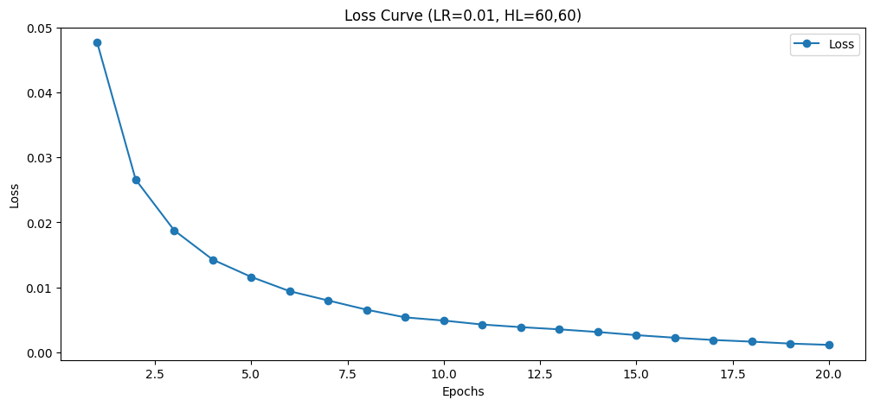 | 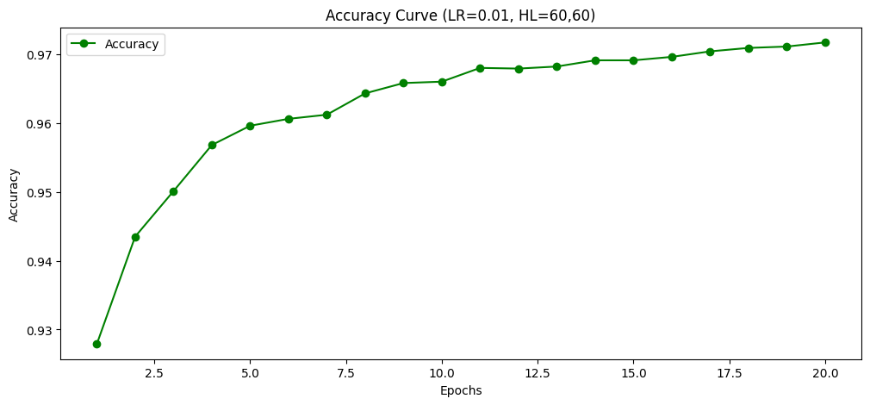 | 97.17 |  | 1036.58
(60, 60) | 0.1 | ReLU | 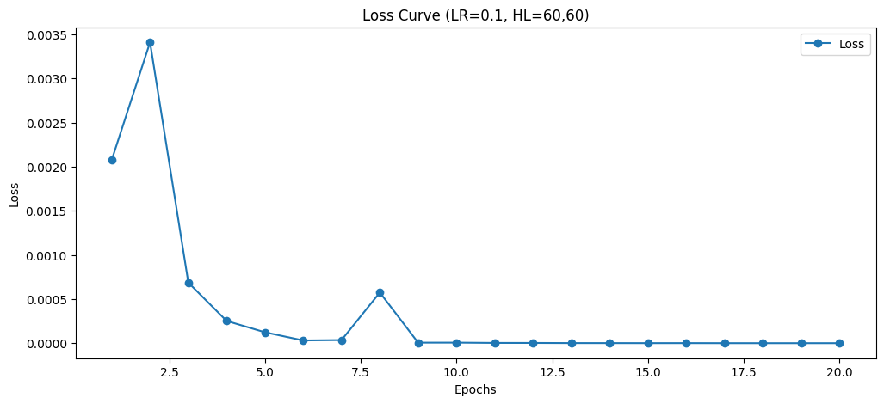 | 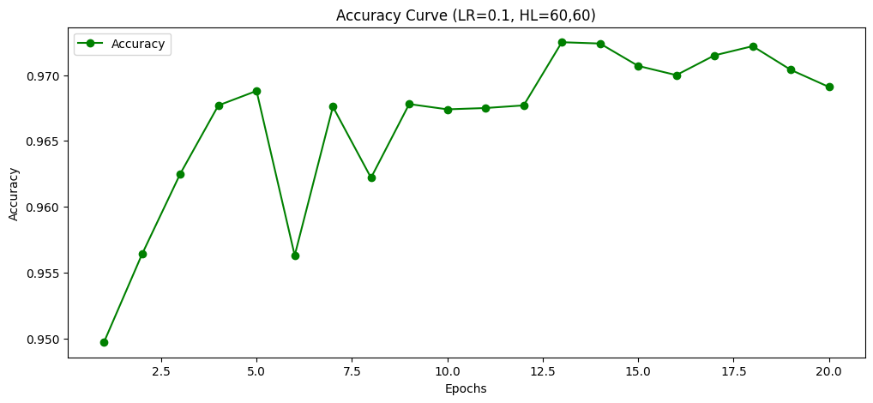 | 96.91 |  | 2018.39
(60, 60) | 1 | ReLU | 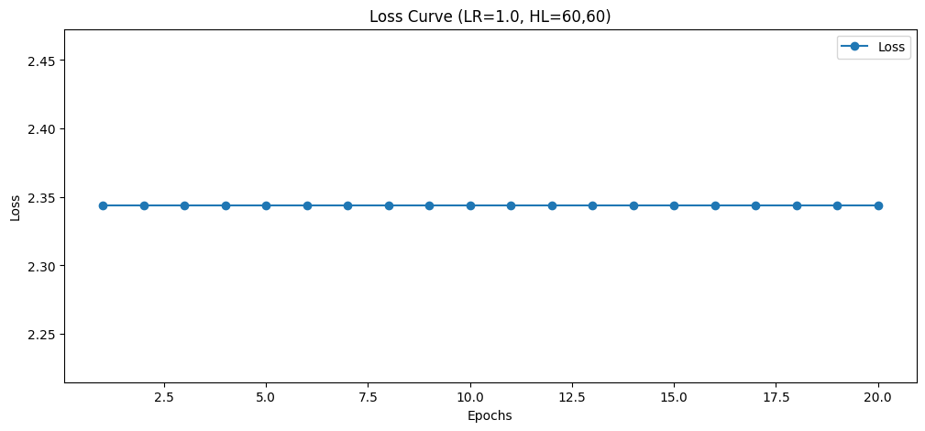 | 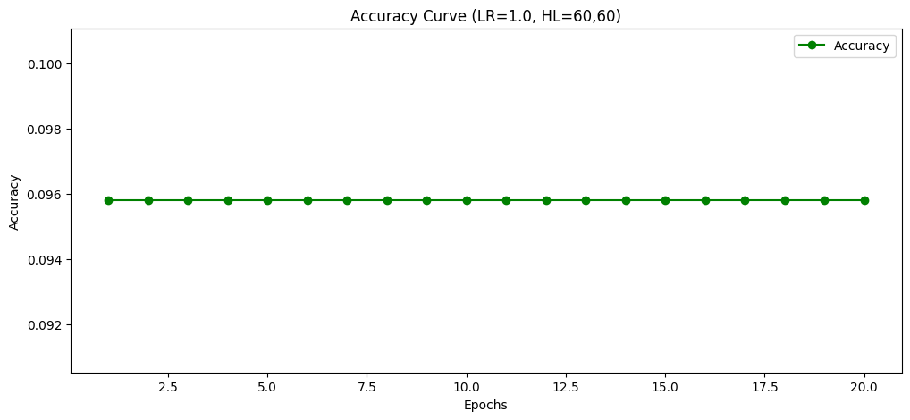 | 9.58 |  | 1610.63
(100, 60) | 0.01 | ReLU | 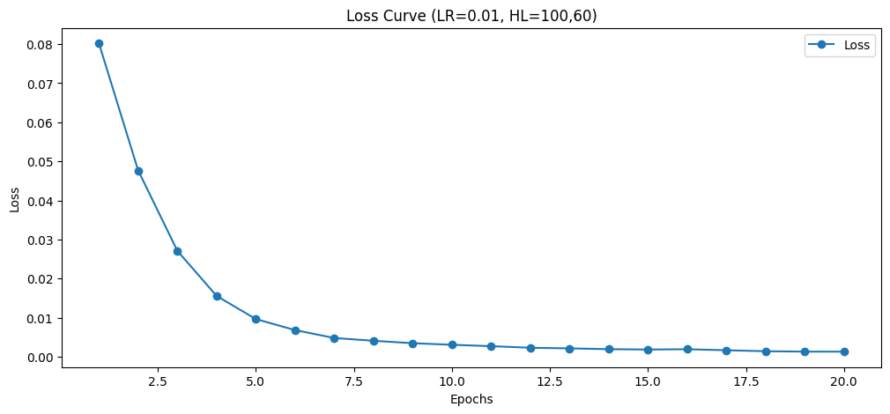 | 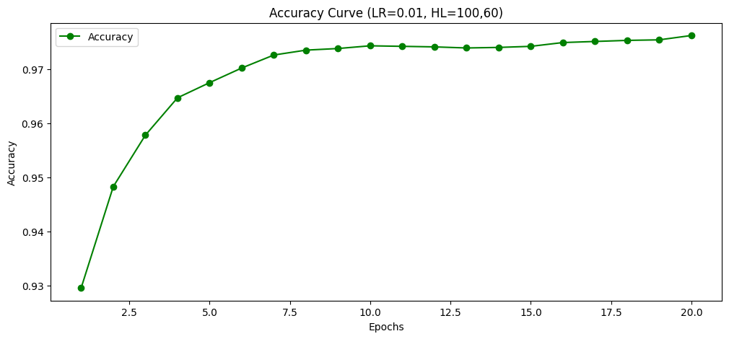 | 97.62 |  | 1117.83
(100, 60) | 0.1 | ReLU | 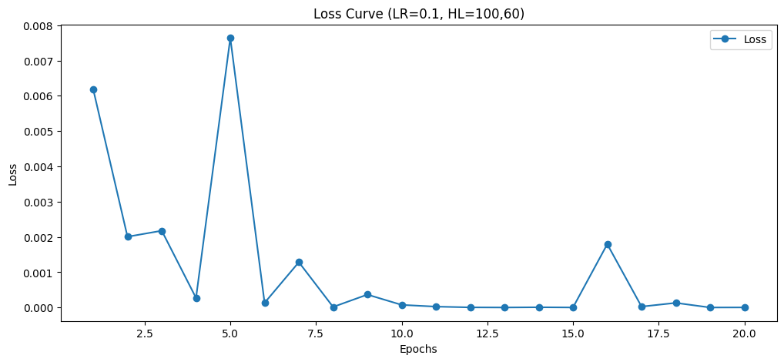 | 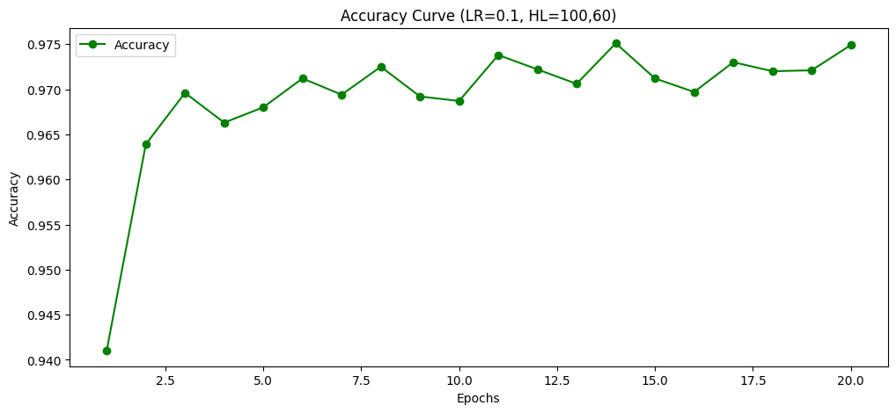 | 97.49 |  | 1170.61
(100, 60) | 1 | ReLU | 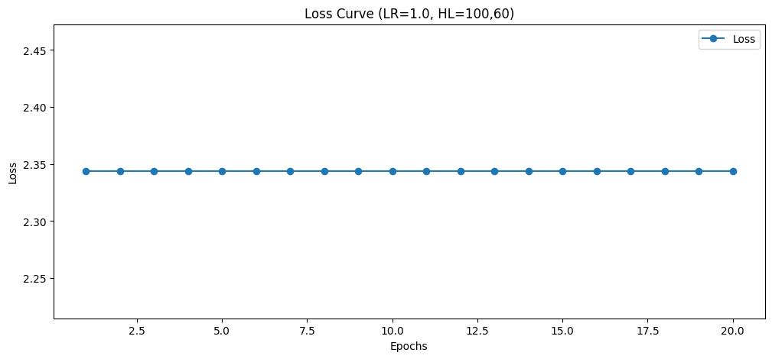 |  | 9.58 |  | 1059.15

