Sheet1
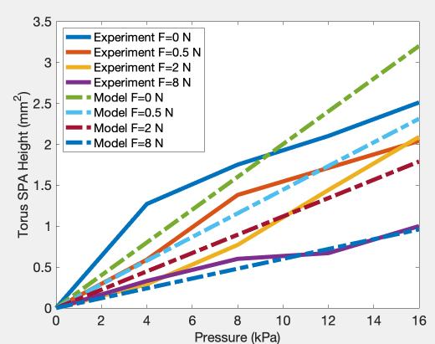
 | Experiments |  |  |  |  | Model
force/pressure [kPa] | 0 | 4 | 8 | 12 | 16 | 0 | 4 | 8 | 12 | 16
0 N | 0 | 1.27 | 1.75 | 2.1 | 2.51 | 0 | 0.8 | 1.6 | 2.4 | 3.2
0.5 N | 0 | 0.59 | 1.38 | 1.71 | 2.04 | 0 | 0.57776385272 | 1.1555277054 | 1.7332915582 | 2.3110554109
2 N | 0 | 0.29 | 0.77 | 1.44 | 2.09 | 0 | 0.44722210603 | 0.89444421206 | 1.3416663181 | 1.7888884241
8 N | 0 | 0.33 | 0.6 | 0.67 | 1 | 0 | 0.24 | 0.48 | 0.72 | 0.96

