BOM
Item | Part Number | Thumbnail | BOM Structure | Unit QTY | QTY | Stock Number | Description | REV
1 | SP22V1 Tubo 40x80x1825mm | 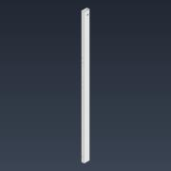 | Normal | 1 | 2
2 | SP21V1 Tubo 40x80x100mm | 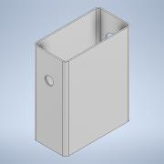 | Normal | 1 | 4
3 | bosch_3842547836_6u5hvyo05ag2294jqeen4vb8k_011 | 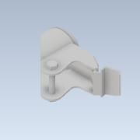 | Normal | 1 | 4
4 | bosch_3842547836_6u5hvyo05ag2294jqeen4vb8k_021 | 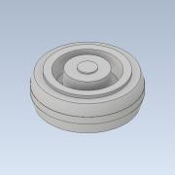 | Normal | 1 | 4
5 | SP23V1 Cobertora Derecha | 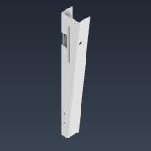 | Normal | 1 | 1
6 | SP24V1 Cobertora Izquierda | 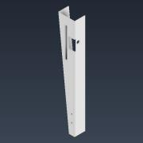 | Normal | 1 | 1
7 | SP20V1 Tubo 80x120x790mm | 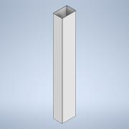 | Normal | 1 | 1
8 | SP19V1 Tapacanto Delantero | 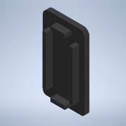 | Normal | 1 | 2
9 | SP18V1 Tapacanto Superior |  | Normal | 1 | 2
10 | RFPLUS8PO300 | 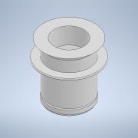 | Normal | 1 | 16
11 | SP17V1 Varilla Pedal | 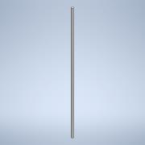 | Normal | 1 | 1
12 | SP16V1 Buje Pedal | 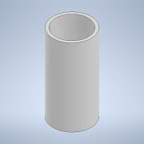 | Normal | 1 | 2
13 | SP15V1 Pedal Izquierdo | 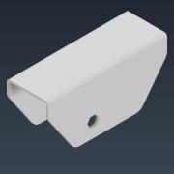 | Normal | 1 | 1
14 | SP10V1 Estructura Freno | 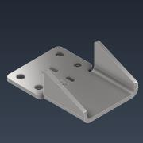 | Normal | 1 | 2
15 | SP9V1 Columna Freno | 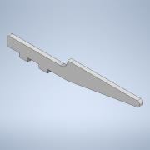 | Normal | 1 | 4
16 | SP8V1 Conductor Hexagonal Freno | 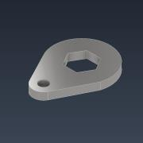 | Normal | 1 | 2
17 | SP6V1 Vastago Freno | 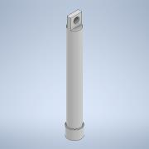 | Normal | 1 | 2
18 | SP5V1 Camisa Freno | 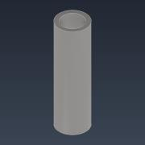 | Normal | 1 | 2
19 | DIN 912 - M5 x 16 |  | Purchased | 1 | 4 |  | Cylinder Head Cap Screw
20 | SP7V1 Viela Freno | 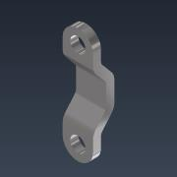 | Normal | 1 | 4
21 | DIN 555-5 - M5 | 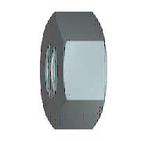 | Purchased | 1 | 4 |  | Hex Nut
22 | SP14V1 Pedal Derecho | 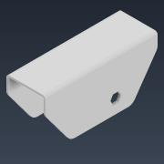 | Normal | 1 | 1

