BOM
Item | Part Number | Thumbnail | BOM Structure | Unit QTY | QTY | Stock Number | Description | REV
1 | SP13V1 Tubo Baranda | 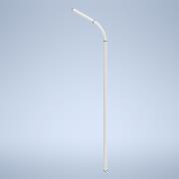 | Normal | 1 | 1
2 | SP12V1 Agarre Baranda | 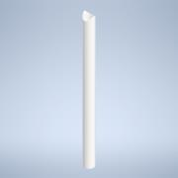 | Normal | 1 | 2
3 | SP11V1 Planchuela Baranda | 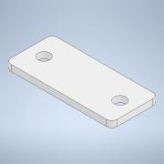 | Normal | 1 | 4

