Sheet1
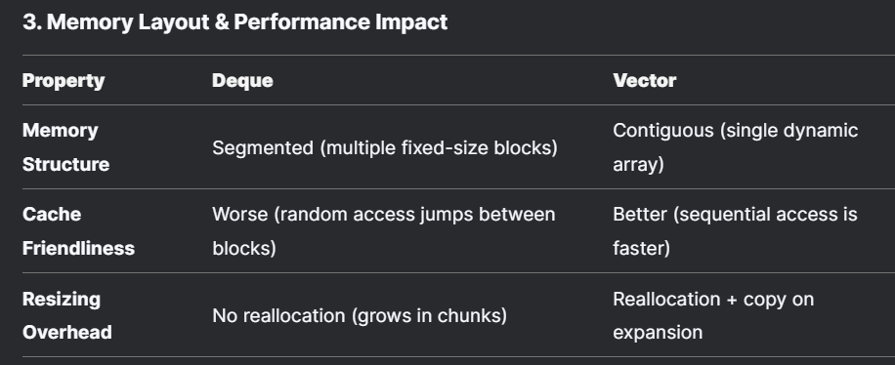
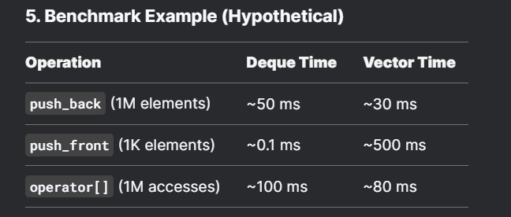
Init time |  |  | Split
Elements | Deque | Vector | Element | Deque | Vector
5 | 1 | 0 | 5 | 0 | 1
25 | 1 | 1 | 25 | 1 | 1
101 | 1 | 1 | 101 | 2 | 3
500 | 1 | 0 | 500 | 6 | 7
3000 | 2 | 0 | 3000 | 36 | 35
10000 | 2 | 1 | 10000 | 1296 | 1068

Pair sort |  |  | Get seq
Elements | Deque | Vector | Element | Deque | Vector
5 | 2 | 1 | 5 | 1 | 0
25 | 3 | 1 | 25 | 2 | 1
101 | 4 | 3 | 101 | 2 | 1
500 | 11 | 11 | 500 | 4 | 3
3000 | 65 | 48 | 3000 | 15 | 14
10000 | 2334 | 1765 | 10000 | 365 | 400

Merge sort |  |  | Search & Insert
Elements | Deque | Vector | Element | Deque | Vector
5 | 1 | 1 | 5 | 2 | 1
25 | 5 | 6 | 25 | 5 | 2
101 | 24 | 23 | 101 | 20 | 9
500 | 124 | 133 | 500 | 127 | 48
3000 | 911 | 918 | 3000 | 1150 | 390
10000 | 41629 | 38830 | 10000 | 400728 | 143369

