List1
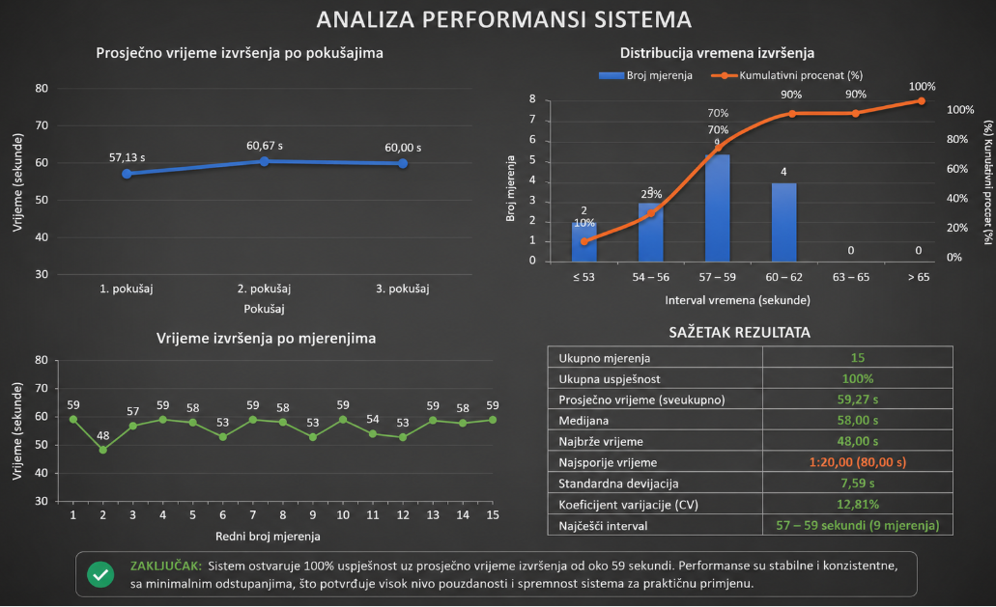
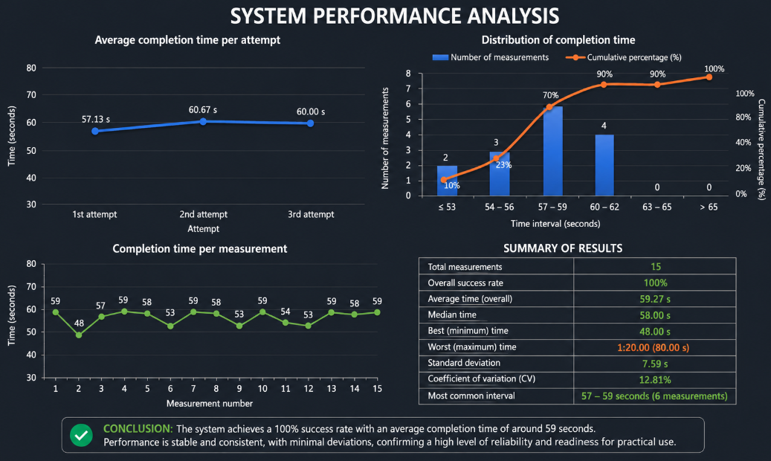
1- SUCCESS RATE |  | 3- SUCCESS RATE |  | 3- SUCCESS RATE
TIME |  | TIME |  | TIME
0:59:00 | 100% | 0:59:00 | 100% | 0:59:00 | 100%
0:48:00 | 100% | 0:54:00 | 100% | 0:58:00 | 100%
0:57:00 | 100% | 0:53:00 | 100% | 1:20:00 | 100%
0:59:00 | 100% | 0:59:00 | 100% | 0:53:00 | 100%
0:58:00 | 100% | 0:58:00 | 100% | 0:59:00 | 100%
0:53:00 | 100% | 0:59:00 | 100% | 0:54:00 | 100%
0:59:00 | 100% | 0:58:00 | 100% | 0:53:00 | 100%
0:54:00 | 100% | 0:57:00 | 100% | 0:59:00 | 100%
0:53:00 | 100% | 0:58:00 | 100% | 0:58:00 | 100%
0:59:00 | 100% | 1:20:00 | 100% | 1:10:00 | 100%
0:58:00 | 100% | 1:18:00 | 100% | 0:53:00 | 100%

