ALGOS - w1d2-predict
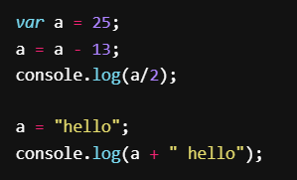
Predict the output
 | variable | value
 | a | 25-13=12
 |  | 12/2=6
 |  | hello
 |  | hello hello

Lesson 2 - Predict Loops
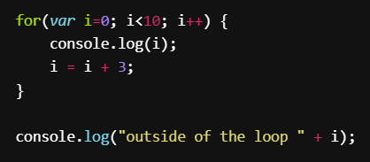 | variable | value
 | i | 0,4,8,12
 |  | 0,4,8
 |  | outside of the loop 8

Lesson 3 - Predict what the code does
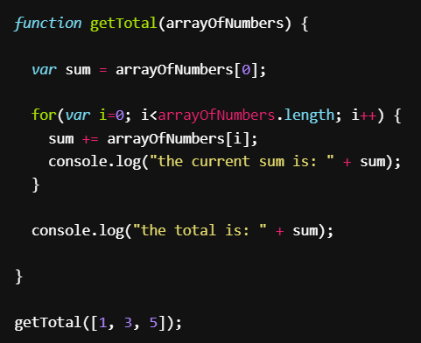 | variable | value
 | arrayofNumbers | [1,3,5]
 | sum | 1+3=4 4+5=9
 | i | 0+1
 | current sum | 1,4,9
 | total is | 9

Bonus! Why does the above code say at the end that total is 10? Is this the answer you would expect?

BONUS

Always isSunny
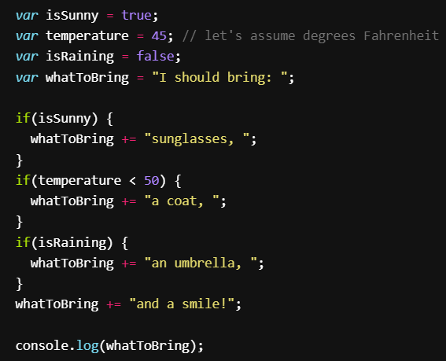 | variable | value
 | isSunny | true
 | temperature | 45
 | isRaining | false
 | whatToBring | I should bring: +sunglasses, + a coat, + and a smile!
 |  | I should bring: sunglasses, a coat, and a smile!

Prepare for downcount
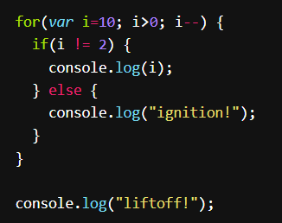 | variable | value
 | i | 10
 |  | 2,9,8,7,6,5,4,3,ignition!,liftoff!

Count positives
 | variable | value
 | countPositives | 0
 | numbers | [3,4,-2,7,16,-8,0]

write the code above in VSCODE

