Geosites_by_Domain
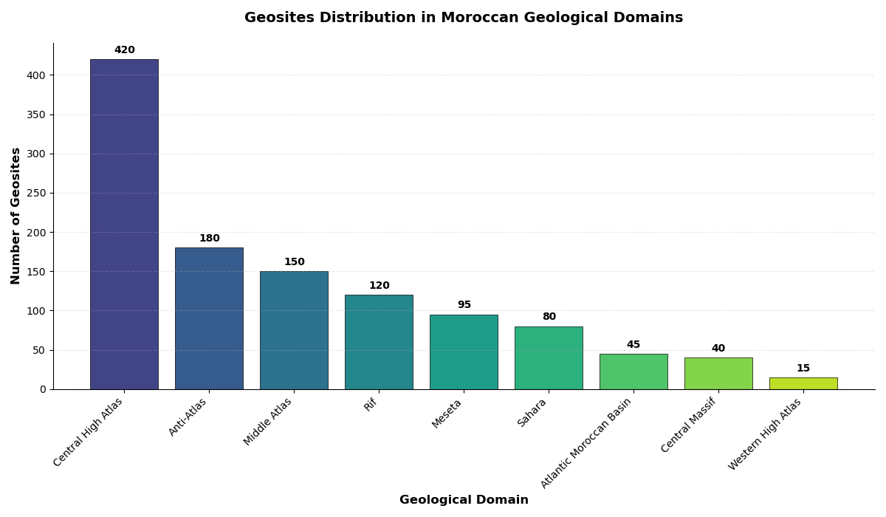
Geological Domain | Number of Geosites
Central High Atlas | 420
Anti-Atlas | 180
Middle Atlas | 150
Rif | 120
Meseta | 95
Sahara | 80
Atlantic Moroccan Basin | 45
Central Massif | 40
Western High Atlas | 15
Interpretation of the Distribution of Geosites Across Geological Domains
The distribution of geosites across the main geological domains of Morocco reveals a strong spatial heterogeneity, reflecting the country’s complex geological evolution and structural diversity. The Central High Atlas stands out as the most geologically rich domain, hosting 420 geosites, which represents by far the highest concentration nationwide. This predominance can be attributed to its complex tectonic history, marked by Mesozoic rifting, Alpine compression, intense folding, faulting, and magmatic activity, all of which have generated a wide variety of lithological, structural, and geomorphological features of high scientific value.
The Anti-Atlas, with 180 geosites, ranks second and reflects its status as one of the oldest geological domains in Morocco. Its abundance of geosites is mainly linked to the exposure of Precambrian basement rocks, Pan-African orogenic structures, and well-preserved Paleozoic sedimentary sequences. These characteristics make the Anti-Atlas a key reference area for understanding early crustal evolution and long-term tectonic stability.
The Middle Atlas (150 geosites) also shows significant geodiversity, largely controlled by Cenozoic volcanic activity, extensive karst systems, and fault-controlled plateaus. The presence of basaltic lava flows, volcanic cones, and carbonate formations contributes to the high density of geosites and underlines the geomorphological and hydrogeological importance of this domain.
In contrast, the Rif domain, despite its complex Alpine tectonics, records a moderate number of geosites (120). This relatively lower value may be explained by dense vegetation cover, limited accessibility, and the predominance of highly deformed flysch and nappe structures, which can constrain the identification and preservation of distinct geosites.
The Meseta (95 geosites) and the Sahara domain (80 geosites) show comparatively lower geosite densities. In the Meseta, geological homogeneity and widespread sedimentary cover limit the variety of observable features, while in the Sahara, extensive sand cover and harsh climatic conditions restrict both exposure and detailed geological inventory, despite the presence of significant Paleozoic and Mesozoic formations.
The Atlantic Moroccan Basin (45 geosites) and the Central Massif (40 geosites) display limited geosite representation, reflecting their relatively simple structural framework and dominance of sedimentary successions with fewer outstanding geomorphological expressions. The Western High Atlas, with only 15 geosites, shows the lowest number, likely due to strong erosion, limited outcrops, and a narrower range of geological features compared to the central sector.
Overall, this distribution highlights the strong control of tectonic complexity, lithological diversity, and geomorphological processes on geosite occurrence. The results emphasize the Central High Atlas, Anti-Atlas, and Middle Atlas as priority regions for geoconservation, geotourism development, and further geological research in Morocco.

Geosites_by_Region
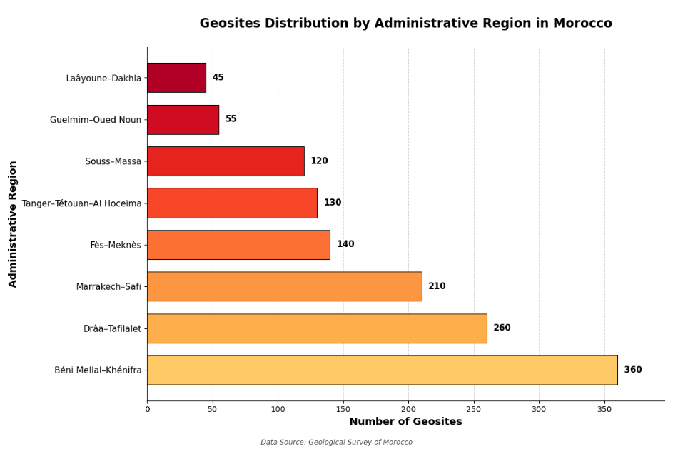
Distribution of Geosites by Administrative Region
Administrative Region | Number of Geosites
Béni Mellal–Khénifra | 360
Drâa–Tafilalet | 260
Marrakech–Safi | 210
Fès–Meknès | 140
Tanger–Tétouan–Al Hoceïma | 130
Souss–Massa | 120
Guelmim–Oued Noun | 55
Laâyoune–Dakhla | 45
Interpretation of the Spatial Distribution of Geosites by Administrative Region
The distribution of geosites across Moroccan administrative regions shows marked spatial disparities, reflecting the uneven distribution of geological domains, tectonic complexity, and geomorphological diversity at the regional scale. The Béni Mellal–Khénifra region records the highest number of geosites (360), highlighting its outstanding geodiversity. This dominance is largely explained by the presence of the Central High Atlas and Middle Atlas, characterized by complex tectonic structures, extensive carbonate platforms, karst systems, and significant geomorphological features. These geological conditions favor the development and preservation of a wide variety of geosites with high scientific and educational value.
The Drâa–Tafilalet region ranks second with 260 geosites, reflecting its geological complexity and large territorial extent. This region encompasses major portions of the Anti-Atlas, High Atlas, and Saharan domains, where Precambrian basement rocks, Paleozoic formations, volcanic structures, and desert landforms coexist. The high number of geosites underlines the importance of this region as a key area for understanding long-term geological evolution and arid-zone geomorphological processes.
The Marrakech–Safi region, with 210 geosites, also displays significant geodiversity, mainly controlled by the High Atlas chain and adjacent Atlantic margin. The interaction between tectonic uplift, erosion, and sedimentation has generated diverse structural, stratigraphic, and geomorphological features, contributing to the relatively high concentration of geosites.
Moderate geosite numbers are observed in Fès–Meknès (140) and Tanger–Tétouan–Al Hoceïma (130). In Fès–Meknès, geosite distribution is influenced by the Middle Atlas carbonate plateaus and volcanic features, while in the northern region, Alpine tectonics of the Rif belt generate complex structures. However, dense vegetation, urbanization, and limited accessibility may constrain geosite identification in these areas.
The Souss–Massa region (120 geosites) shows a moderate representation, reflecting the transition between the High Atlas, Anti-Atlas, and Atlantic coastal systems. Geological diversity is present but spatially fragmented, which may explain the lower number compared to the central Atlas regions.
In contrast, Guelmim–Oued Noun (55 geosites) and Laâyoune–Dakhla (45 geosites) record the lowest values. These regions are dominated by Saharan and Atlantic sedimentary environments, where extensive sediment cover, limited rock exposure, and harsh climatic conditions reduce the visibility and inventory of geosites, despite the presence of geologically significant formations.
Overall, the regional distribution of geosites demonstrates a strong correlation with mountainous areas, tectonic complexity, and lithological diversity, particularly within the Atlas and Anti-Atlas systems. These findings emphasize the need to prioritize regions such as Béni Mellal–Khénifra, Drâa–Tafilalet, and Marrakech–Safi for geoconservation strategies, geotourism development, and detailed GIS-based geodiversity assessments.

Domain_Region_Matrix
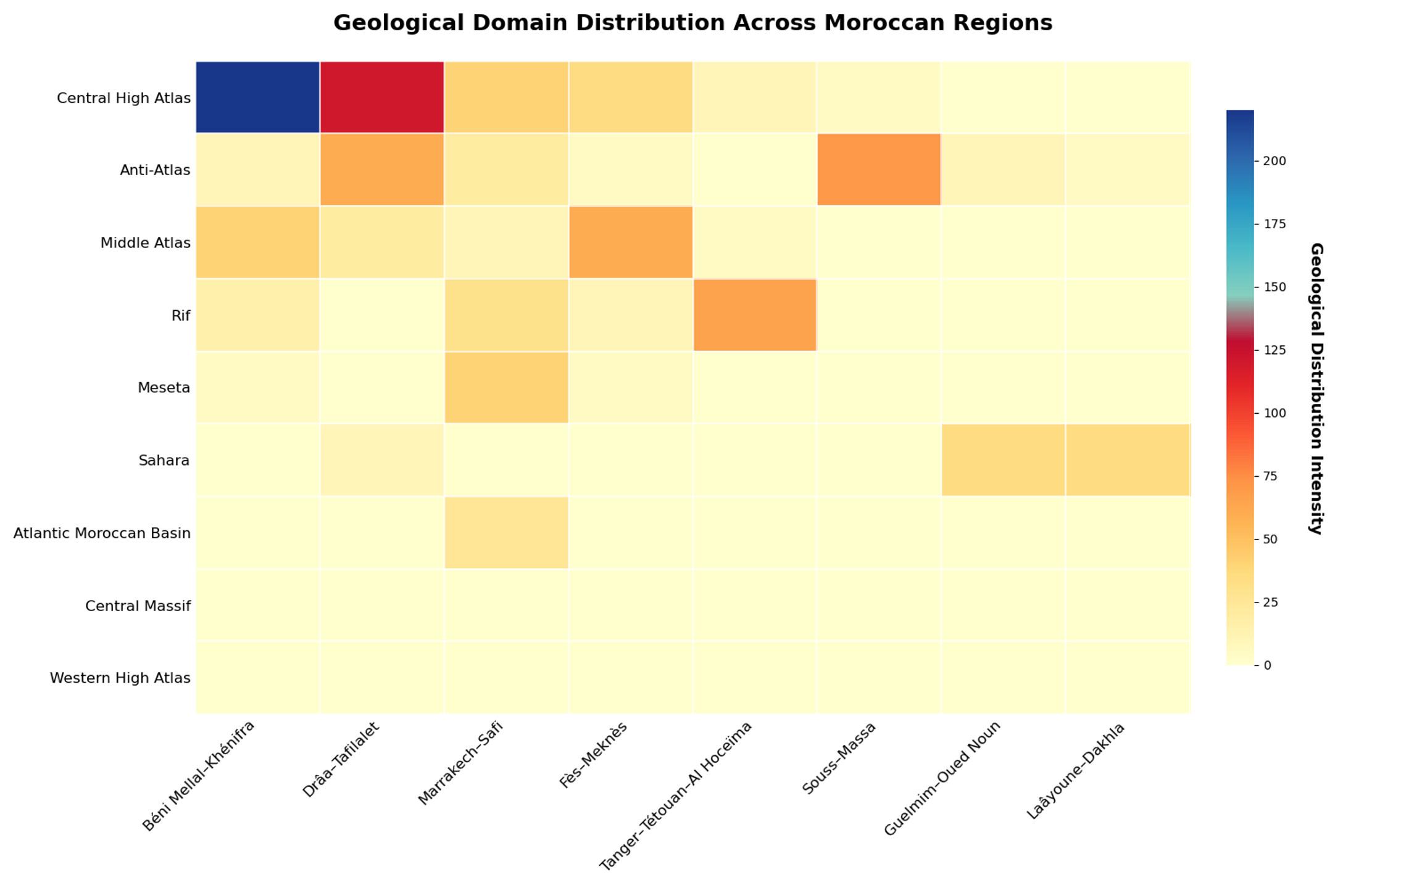
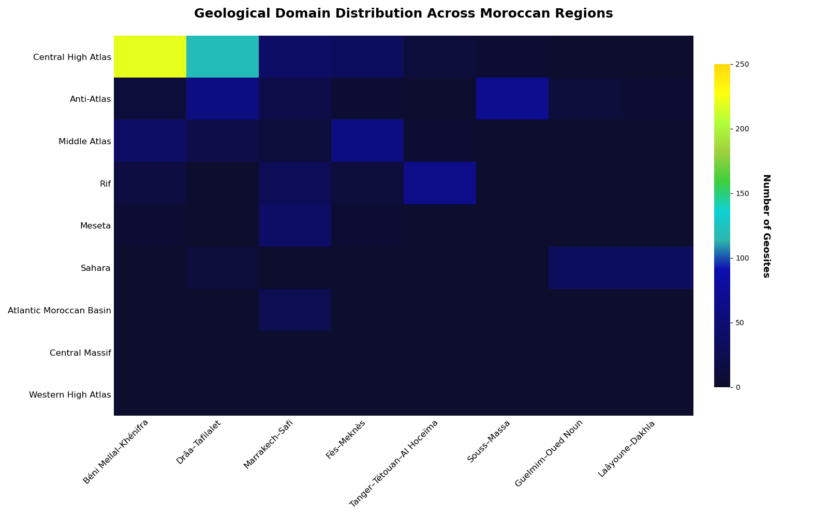
Geological Domain | Béni Mellal–Khénifra | Drâa–Tafilalet | Marrakech–Safi | Fès–Meknès | Tanger–Tétouan–Al Hoceïma | Souss–Massa | Guelmim–Oued Noun | Laâyoune–Dakhla
Central High Atlas | 220 | 120 | 40 | 35 | 10 | 5 | 0 | 0
Anti-Atlas | 10 | 60 | 20 | 5 | 0 | 70 | 10 | 5
Middle Atlas | 40 | 20 | 10 | 60 | 5 | 0 | 0 | 0
Rif | 15 | 0 | 30 | 10 | 65 | 0 | 0 | 0
Meseta | 5 | 0 | 40 | 5 | 0 | 0 | 0 | 0
Sahara | 0 | 10 | 0 | 0 | 0 | 0 | 35 | 35
Atlantic Moroccan Basin | 0 | 0 | 25 | 0 | 0 | 0 | 0 | 0
Central Massif | 0 | 0 | 0 | 0 | 0 | 0 | 0 | 0
Western High Atlas | 0 | 0 | 0 | 0 | 0 | 0 | 0 | 0
Cross-Regional Distribution of Geosites by Geological Domain
The cross-tabulation of geosites by geological domain and administrative region reveals a strong spatial control of regional geodiversity by Morocco’s major structural units. The results highlight both the dominance of specific geological domains within certain administrative regions and the multi-domain character of others.
The Central High Atlas represents the most influential geological domain, with its geosites predominantly concentrated in Béni Mellal–Khénifra (220 geosites) and Drâa–Tafilalet (120 geosites). Secondary contributions are observed in Marrakech–Safi (40) and Fès–Meknès (35). This distribution reflects the wide geographic extent of the Central High Atlas and its intense tectonic deformation, marked by folding, faulting, and uplift, which generate a high diversity of structural and geomorphological geosites. Its marginal presence in northern and southern regions confirms its limited spatial overlap with those territories.
The Anti-Atlas domain shows a contrasting spatial pattern, with its highest concentrations in Souss–Massa (70 geosites) and Drâa–Tafilalet (60 geosites). Lower but significant values occur in Marrakech–Safi (20) and Béni Mellal–Khénifra (10). This distribution is consistent with the Anti-Atlas being largely exposed in southern Morocco, where Precambrian basement rocks, Pan-African structures, and Paleozoic sedimentary sequences dominate, providing numerous geosites of high scientific relevance.
The Middle Atlas domain is strongly associated with Fès–Meknès (60 geosites) and Béni Mellal–Khénifra (40 geosites), with minor occurrences in Drâa–Tafilalet (20) and Marrakech–Safi (10). This pattern reflects the regional confinement of Middle Atlas carbonate plateaus, volcanic fields, and karst systems, which play a major role in shaping the geodiversity of central-northern Morocco.
The Rif domain exhibits a clear spatial concentration in Tanger–Tétouan–Al Hoceïma (65 geosites), confirming the structural and tectonic dominance of the Rif belt in northern Morocco. Secondary contributions in Marrakech–Safi (30) and Béni Mellal–Khénifra (15) may correspond to transitional zones or isolated tectonic units related to Alpine deformation.
The Meseta domain is mainly represented in Marrakech–Safi (40 geosites), with only minor occurrences in Béni Mellal–Khénifra (5) and Fès–Meknès (5). This limited distribution reflects the relatively homogeneous lithology and subdued relief of the Meseta, which restricts the development of diverse geosites compared to mountainous domains.
The Sahara domain is exclusively confined to southern regions, with Guelmim–Oued Noun (35 geosites) and Laâyoune–Dakhla (35 geosites). This symmetry highlights the dominance of desert geomorphological features and sedimentary formations in these regions, where geosite visibility is strongly influenced by arid climatic conditions and extensive sediment cover.
The Atlantic Moroccan Basin appears only in Marrakech–Safi (25 geosites), reflecting the localized exposure of coastal sedimentary sequences and marine geomorphological features. In contrast, the Central Massif and Western High Atlas show no recorded geosites in the present inventory, which may indicate either their limited spatial extent within the studied regions or underrepresentation due to inventory scale and data availability.
Overall, this cross-analysis demonstrates that administrative regions with overlapping geological domains, such as Béni Mellal–Khénifra, Drâa–Tafilalet, and Marrakech–Safi, exhibit the highest geosite richness. The results confirm that tectonic complexity, lithological diversity, and geomorphological contrast are the primary controls on geosite distribution, providing a strong basis for regional geoconservation planning and GIS-based geodiversity assessment.

geosite- domaine
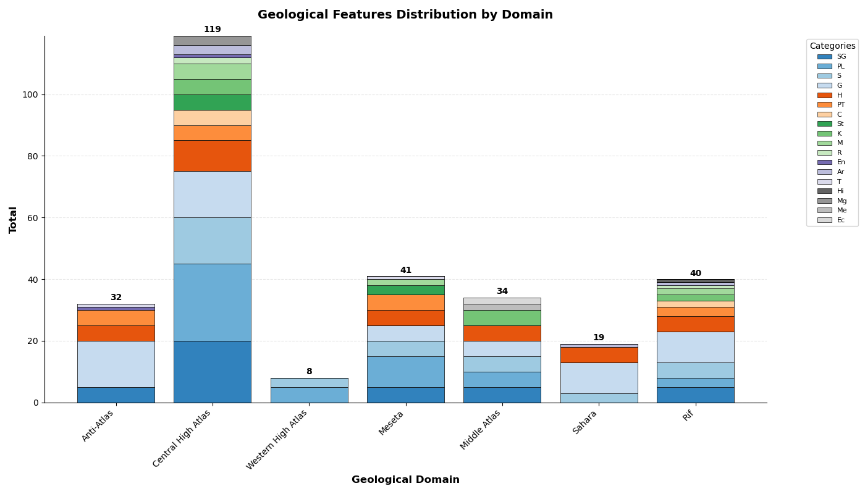
Distributionof Geosites Type by Geological Domain
Geological_domain | SG | PL | S | G | H | PT | C | St | K | M | R | En | Ar | T | Hi | Mg | Me | Ec
Anti-Atlas | 5 | 0 | 0 | 15 | 5 | 5 | 0 | 0 | 0 | 0 | 0 | 1 | 0 | 1 | 0 | 0 | 0 | 0
Central High Atlas | 20 | 25 | 15 | 15 | 10 | 5 | 5 | 5 | 5 | 5 | 2 | 1 | 3 | 0 | 0 | 3 | 0 | 0
Western High Atlas | 0 | 5 | 3 | 0 | 0 | 0 | 0 | 0 | 0 | 0 | 0 | 0 | 0 | 0 | 0 | 0 | 0 | 0
Meseta | 5 | 10 | 5 | 5 | 5 | 5 | 0 | 3 | 0 | 2 | 0 | 0 | 0 | 1 | 0 | 0 | 0 | 0
Middle Atlas | 5 | 5 | 5 | 5 | 5 | 0 | 0 | 0 | 5 | 0 | 0 | 0 | 0 | 0 | 0 | 0 | 2 | 2
Sahara | 0 | 0 | 3 | 10 | 5 | 0 | 0 | 0 | 0 | 0 | 0 | 0 | 1 | 0 | 0 | 0 | 0 | 0
Rif | 5 | 3 | 5 | 10 | 5 | 3 | 2 | 0 | 2 | 2 | 1 | 0 | 1 | 0 | 1 | 0 | 0 | 0
Distribution of Geosite Types Across Geological Domains
The analysis of geosite typologies across Morocco’s main geological domains reveals significant variability in both the diversity and dominance of site categories, reflecting differences in tectonic evolution, lithological composition, and geomorphological processes.
The Central High Atlas clearly exhibits the highest typological diversity and abundance of geosites. It records the largest values for stratigraphic (SG = 20), paleontological (PL = 25), structural (S = 15), and geomorphological (G = 15) sites, alongside notable representation of hydrogeological (H = 10) and petrological (PT = 5) sites. The presence of multiple secondary categories (e.g., karst, mineralogical, and mining-related sites) further highlights the complex geological history of this domain, marked by Mesozoic sedimentation, Alpine tectonics, magmatism, and intense erosion. This confirms the Central High Atlas as the most geologically heterogeneous domain in the study area.
The Anti-Atlas domain is characterized by a strong predominance of geomorphological (G = 15) sites, supported by structural (S = 0) but notable hydrogeological (H = 5) and petrological (PT = 5) sites. The limited presence of stratigraphic and paleontological geosites reflects the dominance of Precambrian basement rocks and Pan-African structures, where geomorphological expressions such as inselbergs, cuestas, and erosion surfaces play a major role in geosite identification.
The Middle Atlas displays a more balanced distribution among stratigraphic (SG = 5), structural (S = 5), geomorphological (G = 5), hydrogeological (H = 5), and karst-related (K = 5) sites. This typological equilibrium reflects the importance of carbonate platforms, volcanic plateaus, and well-developed karst systems, which control groundwater circulation and landscape evolution in this domain.
The Meseta domain shows moderate representation across several categories, particularly paleontological (PL = 10) and stratigraphic, structural, geomorphological, hydrogeological, and petrological sites (each = 5). This pattern reflects the relatively stable tectonic framework and sedimentary dominance of the Meseta, where geosite diversity is present but less pronounced compared to mountainous domains.
The Rif domain is marked by a dominance of geomorphological (G = 10) and structural (S = 5) sites, along with moderate representation of stratigraphic (SG = 5) and hydrogeological (H = 5) categories. This distribution reflects intense Alpine deformation, nappe stacking, and slope-related geomorphological processes, which generate structurally controlled landforms and mass-movement-related geosites.
The Sahara domain is characterized by a limited typological range, dominated by geomorphological (G = 10) and structural (S = 3) sites, with minor hydrogeological and aeolian-related features. This restricted diversity is mainly due to extensive sediment cover, low structural complexity, and climatic constraints that limit rock exposure.
Finally, the Western High Atlas exhibits very low typological representation, with only minor paleontological (PL = 5) and structural (S = 3) sites. This may reflect either limited data coverage or the dominance of monotonous lithologies and intense erosion that reduce the preservation of diverse geosite types.
Overall, the results demonstrate that mountainous and tectonically active domains, particularly the Central High Atlas, display the highest typological diversity of geosites. In contrast, stable cratonic and desert domains show reduced typological variability. This typological differentiation provides a robust basis for geoconservation prioritization, GIS-based geodiversity modeling, and multi-criteria (AHP) weighting of geosite values.

géosites -region
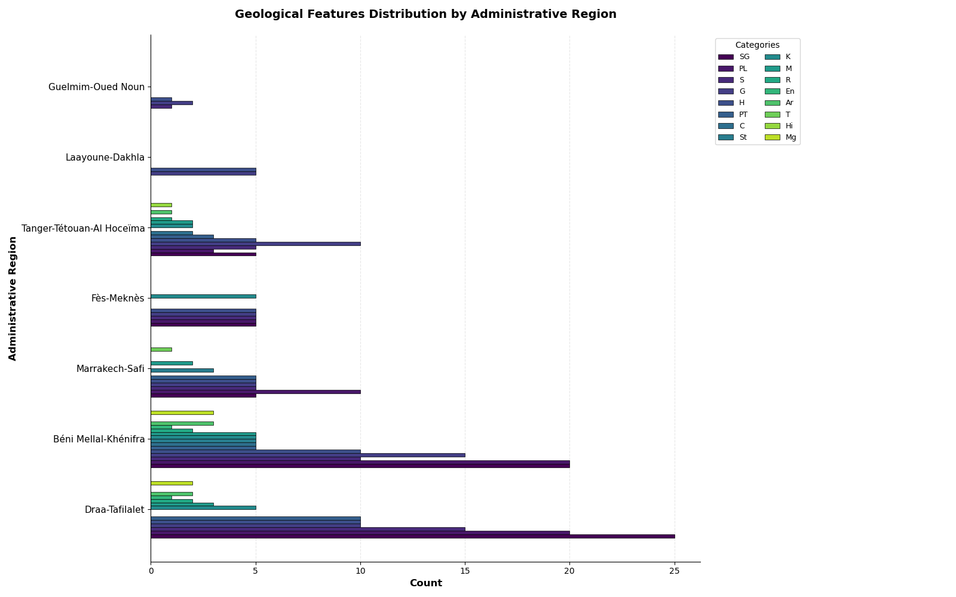
Distribution of Geosites Type by Administrative Region
Administrative_region | SG | PL | S | G | H | PT | C | St | K | M | R | En | Ar | T | Hi | Mg | Me | Ec
Draa-Tafilalet | 25 | 20 | 15 | 10 | 10 | 10 | 0 | 0 | 5 | 3 | 2 | 1 | 2 | 0 | 0 | 2 | 0 | 0
Béni Mellal-Khénifra | 20 | 20 | 10 | 15 | 10 | 5 | 5 | 5 | 5 | 5 | 2 | 1 | 3 | 0 | 0 | 3 | 0 | 0
Marrakech-Safi | 5 | 10 | 5 | 5 | 5 | 5 | 0 | 3 | 0 | 2 | 0 | 0 | 0 | 1 | 0 | 0 | 0 | 0
Fès-Meknès | 5 | 5 | 5 | 5 | 5 | 0 | 0 | 0 | 5 | 0 | 0 | 0 | 0 | 0 | 0 | 0 | 2 | 2
Tanger-Tétouan-Al Hoceïma | 5 | 3 | 5 | 10 | 5 | 3 | 2 | 0 | 2 | 2 | 1 | 0 | 1 | 0 | 1 | 0 | 0 | 0
Laayoune-Dakhla | 0 | 0 | 0 | 5 | 5 | 0 | 0 | 0 | 0 | 0 | 0 | 0 | 0 | 0 | 0 | 0 | 0 | 0
Guelmim-Oued Noun | 0 | 0 | 1 | 2 | 1 | 0 | 0 | 0 | 0 | 0 | 0 | 0 | 0 | 0 | 0 | 0 | 0 | 0

Distribution of Geosite Types by Administrative Region
The typological distribution of geosites across Moroccan administrative regions reveals strong regional contrasts, closely linked to geological complexity, tectonic setting, and landscape diversity. Regions that encompass multiple geological domains and major mountain chains exhibit both higher geosite abundance and greater typological diversity.
The Drâa–Tafilalet region displays the highest typological richness, with strong representation of stratigraphic (SG = 25), paleontological (PL = 20), and structural (S = 15) geosites, complemented by significant geomorphological (G = 10), hydrogeological (H = 10), and petrological (PT = 10) sites. This diversity reflects the coexistence of the High Atlas, Anti-Atlas, and Saharan domains within the region, where Precambrian basement rocks, Paleozoic–Mesozoic sedimentary sequences, tectonic structures, and desert landforms collectively contribute to a wide spectrum of geosite types.
The Béni Mellal–Khénifra region also exhibits very high typological diversity, with balanced contributions from stratigraphic and paleontological sites (SG = 20; PL = 20) and a notable dominance of geomorphological sites (G = 15). The presence of karst (K = 5), mineralogical/mining-related (M = 5), and structural/stratotype-related sites (C and St = 5 each) highlights the geological complexity of this region, largely controlled by the interaction between the Central High Atlas and Middle Atlas domains.
The Marrakech–Safi region shows moderate typological diversity, dominated by paleontological (PL = 10) and evenly distributed stratigraphic, structural, geomorphological, hydrogeological, and petrological sites (each = 5). The limited representation of specialized categories suggests a geological framework primarily influenced by the High Atlas and Atlantic margin, where sedimentary and structural features are present but less diversified.
The Fès–Meknès region exhibits a relatively uniform but restricted typological pattern, with equal values for stratigraphic, paleontological, structural, geomorphological, hydrogeological, and karst sites (each = 5). This reflects the dominance of Middle Atlas carbonate plateaus and volcanic formations, which favor specific geosite types while limiting others.
In Tanger–Tétouan–Al Hoceïma, geomorphological sites (G = 10) are dominant, followed by moderate representation of structural, stratigraphic, and hydrogeological sites (each = 5). This typological pattern reflects the intense Alpine tectonics of the Rif belt, where deformation-driven landforms, slope processes, and structural features are prominent.
The southern regions, Laâyoune–Dakhla and Guelmim–Oued Noun, show very limited typological diversity. In Laâyoune–Dakhla, geosites are restricted to geomorphological and hydrogeological categories (G = 5; H = 5), reflecting the dominance of desert and coastal landforms under arid climatic conditions. Guelmim–Oued Noun records minimal values, with only minor structural and geomorphological sites, indicating reduced rock exposure and limited geosite inventory in Saharan transition zones.
Overall, the results demonstrate that regions combining multiple geological domains and active tectonic or geomorphological processes—notably Drâa–Tafilalet and Béni Mellal–Khénifra—exhibit the highest geosite typological diversity. In contrast, stable or sediment-covered regions show more restricted geosite types. This typological variability provides a robust foundation for regional geoconservation planning, GIS-based geodiversity assessment, and the development of multi-criteria evaluation models (e.g., AHP).

number of geosites-types
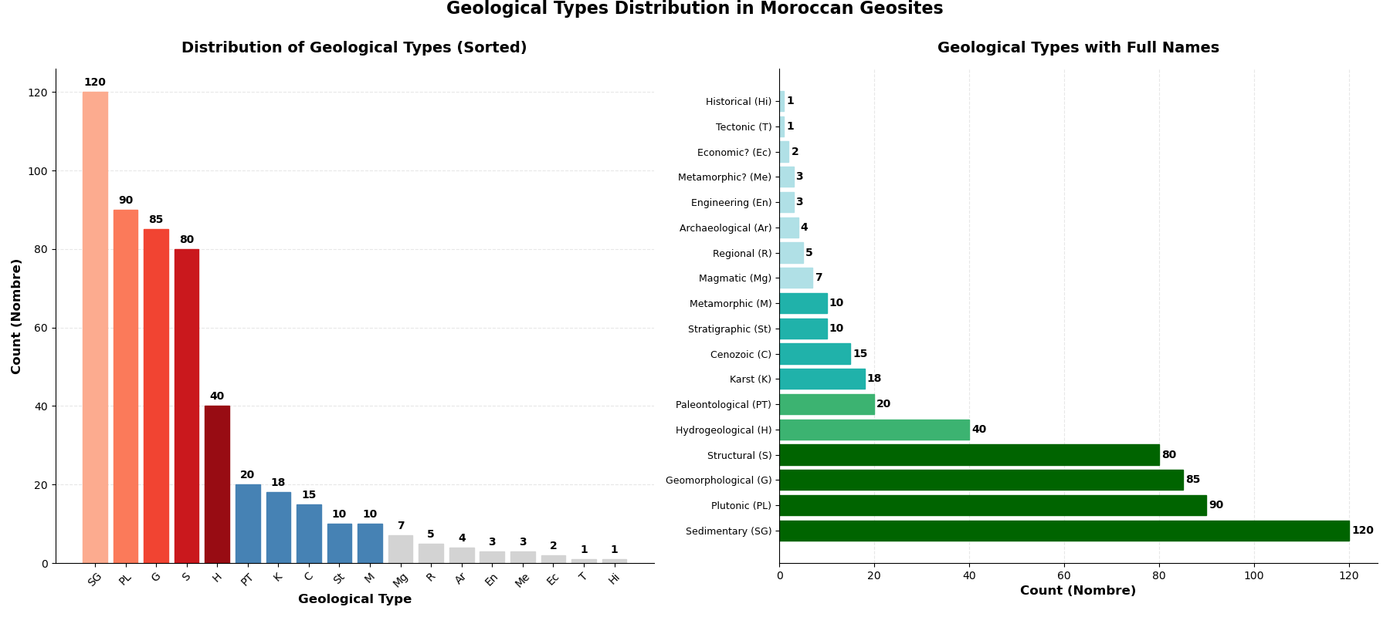
Number of Geosites by Type
Overall Distribution of Geosite Types
The analysis of geosite types highlights a clear dominance of geosites related to stratigraphy (SG = 120), paleontology (PL = 90), geomorphology (G = 85), and structural geology (S = 80). Together, these four categories account for the majority of the inventoried geosites, emphasizing the fundamental role of sedimentary successions, fossiliferous formations, tectonic structures, and landform evolution in shaping the geodiversity of the study area.
The high number of stratigraphic geosites reflects the presence of well-exposed and continuous geological sequences that are essential for regional correlation and reconstruction of geological history. Similarly, the abundance of paleontological sites underlines the scientific importance of fossil-bearing formations, particularly within Mesozoic and Paleozoic sedimentary basins. The significant contribution of geomorphological and structural geosites indicates strong tectonic control and active surface processes, especially in mountainous domains where folding, faulting, and erosion generate diverse landforms.
Secondary categories include hydrogeological sites (H = 40), which highlight the importance of aquifers, springs, and karst systems, particularly in carbonate terrains. Petrological (PT = 20) and karst-related sites (K = 18) also show moderate representation, reflecting localized magmatic activity and the widespread development of carbonate landscapes.
Less represented categories such as cultural or stratotype-related sites (C = 15; St = 10) and mineralogical or mining-related sites (M = 10; Mg = 7) suggest either limited spatial occurrence or underrepresentation in the inventory process. Very low values are observed for risk-related (R = 5), energy-related (En = 3), archaeological–geological interactions (Ar = 4), tectonic markers (T = 1), historical geology (Hi = 1), meteorite-related (Me = 3), and economic geology (Ec = 2) geosites. These categories are typically highly localized and depend on specific geological or anthropogenic conditions, which explains their scarcity at the national or regional scale.
Overall, the typological structure of the geosite inventory reflects a strong emphasis on fundamental geological processes and long-term Earth history, while applied and interdisciplinary categories remain comparatively limited. This distribution provides a robust basis for geoconservation prioritization, geotourism planning, and the weighting of geosite types within GIS-based multi-criteria decision-making approaches, such as the Analytic Hierarchy Process (AHP).
Type | Nombre
SG | 120
PL | 90
S | 80
G | 85
H | 40
PT | 20
C | 15
St | 10
K | 18
M | 10
R | 5
En | 3
Ar | 4
T | 1
Hi | 1
Mg | 7
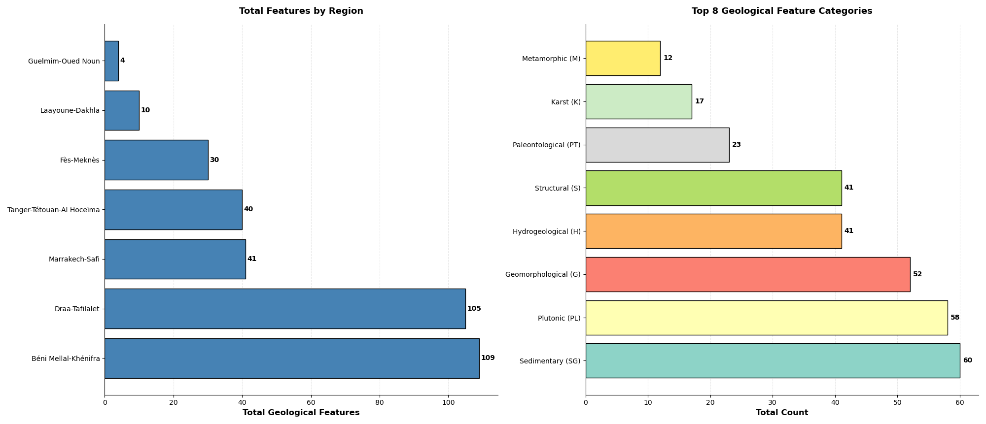
Me | 3
Ec | 2

Geosite_Typology
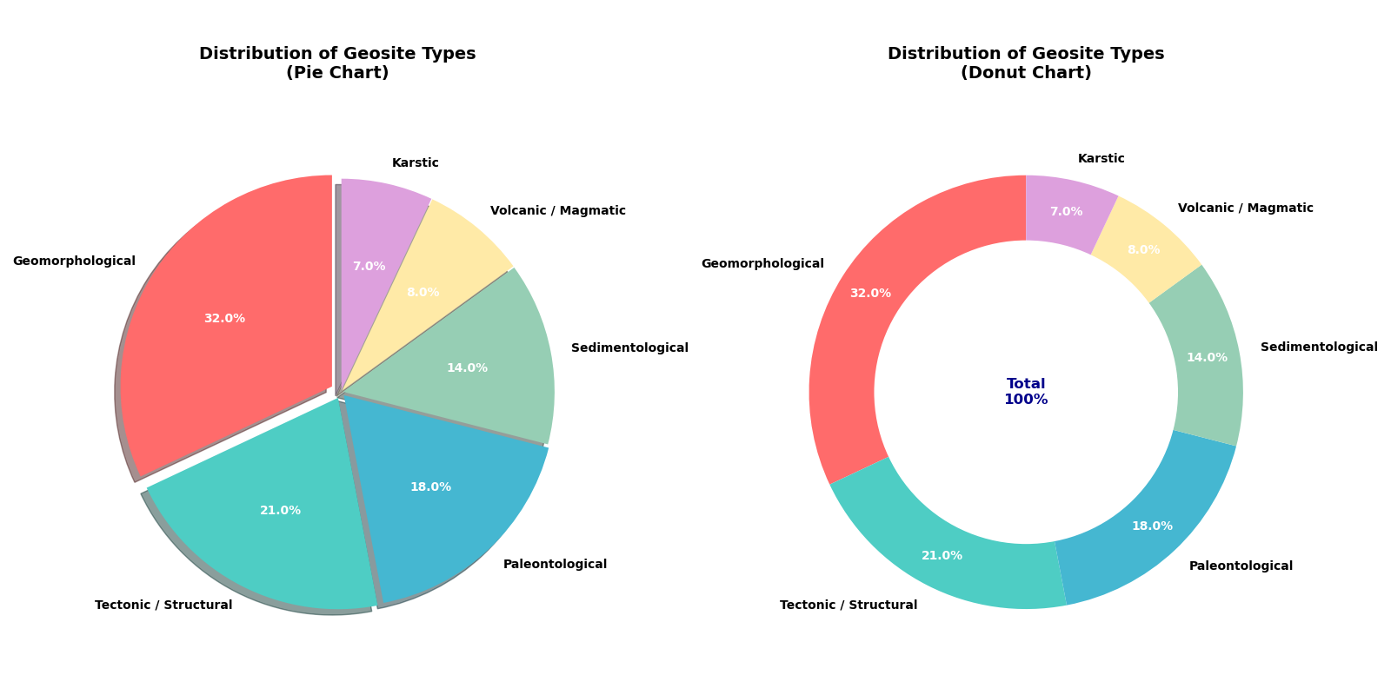
Typology Ditribution Moroccan Geosites
The distribution of geosite types in the study area reveals a clear predominance of geomorphological features, which constitute 32% of the total inventory. This suggests that the landscape’s morphological characteristics such as landforms, erosion patterns, and surface processes play a central role in defining the geodiversity of the region. Tectonic and structural sites, representing 21%, indicate significant geological activity and deformation processes, highlighting areas where faulting, folding, and other structural phenomena have shaped the terrain. Paleontological geosites account for 18%, reflecting the region’s potential for fossil preservation and its importance for understanding past life and evolutionary history. Sedimentological features comprise 14%, demonstrating the role of depositional environments and sedimentary processes in the area’s geological evolution. Volcanic/magmatic and karstic sites, though less represented at 8% and 7% respectively, still contribute to the overall geodiversity by offering insights into volcanic activity, magmatic intrusions, and karst processes such as dissolution and cave formation. Overall, the data indicates that while the region is strongly influenced by surface processes and tectonics, a range of geological processes is represented, underscoring the multifaceted nature of its geosites and their potential value for geoconservation, education, and geotourism.
Geosite Type | Percentage
Geomorphological | 32
Tectonic / Structural | 21
Paleontological | 18
Sedimentological | 14
Volcanic / Magmatic | 8
Karstic | 7

