Sheet1
IR(SIZE_DC)
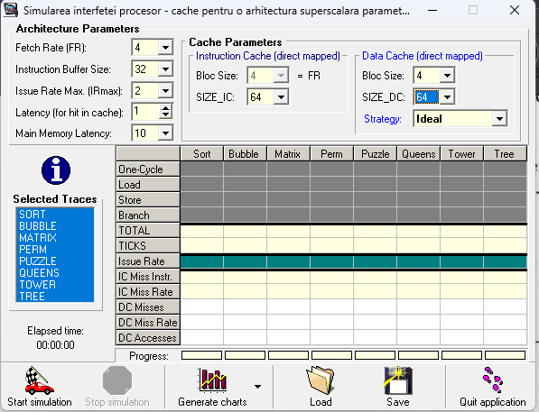
 | 64 | 128 | 256 | 512
SORT | 0.648 | 0.707 | 0.820 | 0.928
BUBBLE | 0.632 | 0.647 | 0.715 | 1.139
MATRIX | 0.468 | 0.532 | 0.595 | 0.670
PERM | 0.664 | 0.845 | 1.206 | 1.468
PUZZLE | 0.428 | 0.433 | 0.454 | 0.481
QUEENS | 0.428 | 0.462 | 0.543 | 0.733
TOWER | 0.241 | 0.252 | 0.264 | 0.297
TREE | 0.419 | 0.440 | 0.480 | 0.546
RmissDC(SIZE_DC)
 | 64 | 128 | 256 | 512
SORT | 42.52 | 36.88 | 26.88 | 19.05
BUBBLE | 33.37 | 32.13 | 27.18 | 9.54
MATRIX | 53.76 | 44.88 | 38.00 | 31.42
PERM | 38.48 | 25.11 | 7.64 | 0.37
PUZZLE | 82.20 | 80.62 | 74.29 | 66.54
QUEENS | 65.94 | 57.63 | 41.59 | 20.70
TOWER | 54.47 | 49.86 | 36.17 | 14.14
TREE | 80.17 | 75.41 | 65.74 | 52.24

