Network_X_Y
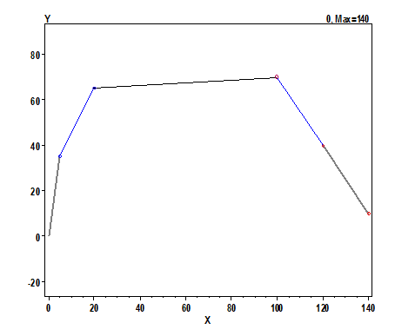

Open_Switch
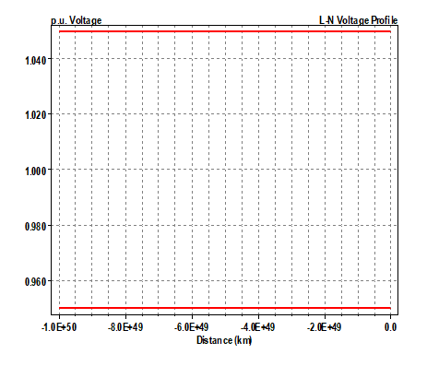
Bus | Node | VLN (kV) | Angle | pu | Base kV | Node-Node | VLL (kV) | Angle | pu
SOURCEBUS | 1 | 6.3509 | 0 | 1 | 11 | 1-2 | 11 | 30 | 1
 | 2 | 6.3509 | -120 | 1 | 11 | 2-3 | 11 | -90 | 1
 | 3 | 6.3509 | 120 | 1 | 11 | 3-1 | 11 | 150 | 1
BUS1 | 1 | 6.3506 | 0 | 0.99996 | 11 | 1-2 | 11 | 30 | 0.99996
 | 2 | 6.3506 | -120 | 0.99996 | 11 | 2-3 | 11 | -90 | 0.99996
 | 3 | 6.3506 | 120 | 0.99996 | 11 | 3-1 | 11 | 150 | 0.99996
BUS2 | 1 | 6.3507 | 0 | 0.99997 | 11 | 1-2 | 11 | 30 | 0.99997
 | 2 | 6.3507 | -120 | 0.99997 | 11 | 2-3 | 11 | -90 | 0.99997
 | 3 | 6.3507 | 120 | 0.99997 | 11 | 3-1 | 11 | 150 | 0.99997
BUS3 | 1 | 0.23034 | -30.3 | 0.99741 | 0.4 | 1-2 | 0.39896 | -0.3 | 0.99741
 | 2 | 0.23034 | -150.3 | 0.99741 | 0.4 | 2-3 | 0.39896 | -120.3 | 0.99741
 | 3 | 0.23034 | 89.7 | 0.99741 | 0.4 | 3-1 | 0.39896 | 119.7 | 0.99741
BUS4 | 1 | 0.23062 | -30.2 | 0.99862 | 0.4 | 1-2 | 0.39945 | -0.2 | 0.99862
 | 2 | 0.23062 | -150.2 | 0.99862 | 0.4 | 2-3 | 0.39945 | -120.2 | 0.99862
 | 3 | 0.23062 | 89.8 | 0.99862 | 0.4 | 3-1 | 0.39945 | 119.8 | 0.99862
BUS5 | 1 | 0.20601 | -30.6 | 0.89205 | 0.4 | 1-2 | 0.35682 | -0.6 | 0.89205
 | 2 | 0.20601 | -150.6 | 0.89205 | 0.4 | 2-3 | 0.35682 | -120.6 | 0.89205
 | 3 | 0.20601 | 89.4 | 0.89205 | 0.4 | 3-1 | 0.35682 | 119.4 | 0.89205
BUS6 | 1 | 0.21769 | -30.3 | 0.94262 | 0.4 | 1-2 | 0.37705 | -0.3 | 0.94262
 | 2 | 0.21769 | -150.3 | 0.94262 | 0.4 | 2-3 | 0.37705 | -120.3 | 0.94262
 | 3 | 0.21769 | 89.7 | 0.94262 | 0.4 | 3-1 | 0.37705 | 119.7 | 0.94262

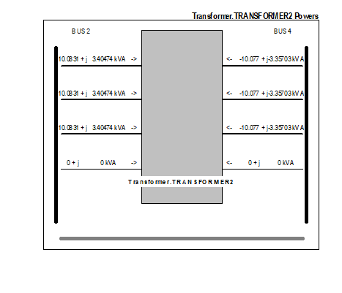
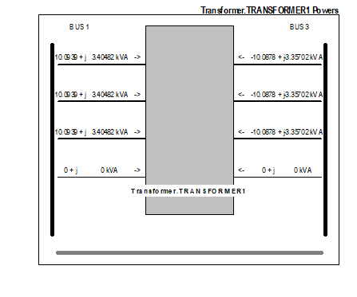
Transformer | Term | P1 (kW) | Q1 (kvar)
Transformer.TRANSFORMER1 | 1 | 39.1 | 13.3
Transformer.TRANSFORMER1 | 2 | -39.1 | -13.1
Transformer.TRANSFORMER2 | 1 | 20.8 | 7
Transformer.TRANSFORMER2 | 2 | -20.8 | -6.9

 | kW Losses | % of Power | kvar Losses
Transformer.TRANSFORMER1 | 0.03074 | 0.08 | 0.239502
Transformer.TRANSFORMER2 | 0.00869 | 0.04 | 0.0679901

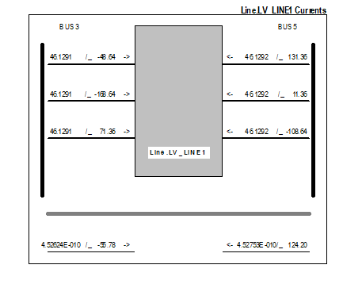
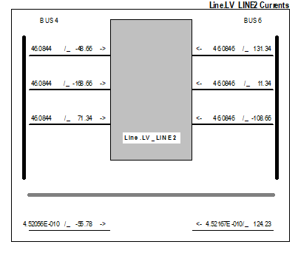
Element | I1
LINE.LV_LINE1 | 59.648
LINE.LV_LINE2 | 31.711
LINE.SWITCH_CONNECTION | 0

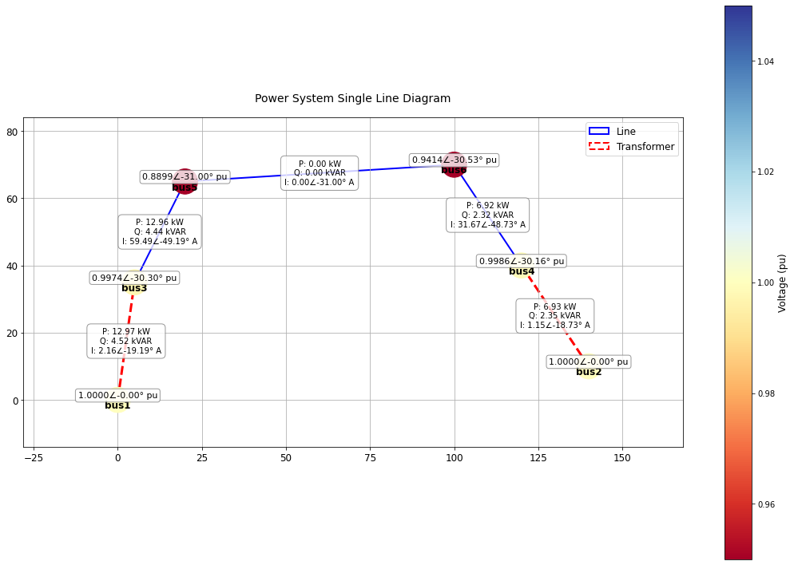

Vsource |  | P1 (kW) | Q1 (kvar)
Vsource.HV_SOURCE1 |  | -139.1 | -46.2
Vsource.HV_SOURCE2 |  | -100.8 | -33.3

TOTAL LOSSES= 5.3 kW
Percent Losses for Circuit = 2.24 %

Close_Switch
Bus | Node | VLN (kV) | Angle | pu | Base kV | Node-Node | VLL (kV) | Angle | pu
SOURCEBUS | 1 | 6.3509 | 0 | 1 | 11 | 1-2 | 11 | 30 | 1
 | 2 | 6.3509 | -120 | 1 | 11 | 2-3 | 11 | -90 | 1
 | 3 | 6.3509 | 120 | 1 | 11 | 3-1 | 11 | 150 | 1
BUS1 .... | 1 | 6.3506 | 0 | 0.99996 | 11 | 1-2 | 11 | 30 | 0.99996
 | 2 | 6.3506 | -120 | 0.99996 | 11 | 2-3 | 11 | -90 | 0.99996
 | 3 | 6.3506 | 120 | 0.99996 | 11 | 3-1 | 11 | 150 | 0.99996
BUS2 .... | 1 | 6.3507 | 0 | 0.99997 | 11 | 1-2 | 11 | 30 | 0.99997
 | 2 | 6.3507 | -120 | 0.99997 | 11 | 2-3 | 11 | -90 | 0.99997
 | 3 | 6.3507 | 120 | 0.99997 | 11 | 3-1 | 11 | 150 | 0.99997
BUS3 .... | 1 | 0.23048 | -30.2 | 0.998 | 0.4 | 1-2 | 0.3992 | -0.2 | 0.998
 | 2 | 0.23048 | -150.2 | 0.998 | 0.4 | 2-3 | 0.3992 | -120.2 | 0.998
 | 3 | 0.23048 | 89.8 | 0.998 | 0.4 | 3-1 | 0.3992 | 119.8 | 0.998
BUS4 .... | 1 | 0.23048 | -30.2 | 0.998 | 0.4 | 1-2 | 0.3992 | -0.2 | 0.998
 | 2 | 0.23048 | -150.2 | 0.998 | 0.4 | 2-3 | 0.3992 | -120.2 | 0.998
 | 3 | 0.23048 | 89.8 | 0.998 | 0.4 | 3-1 | 0.3992 | 119.8 | 0.998
BUS5 .... | 1 | 0.21166 | -30.5 | 0.91652 | 0.4 | 1-2 | 0.36661 | -0.5 | 0.91652
 | 2 | 0.21166 | -150.5 | 0.91652 | 0.4 | 2-3 | 0.36661 | -120.5 | 0.91652
 | 3 | 0.21166 | 89.5 | 0.91652 | 0.4 | 3-1 | 0.36661 | 119.5 | 0.91652
BUS6 .... | 1 | 0.21168 | -30.5 | 0.91661 | 0.4 | 1-2 | 0.36664 | -0.5 | 0.91661
 | 2 | 0.21168 | -150.5 | 0.91661 | 0.4 | 2-3 | 0.36664 | -120.5 | 0.91661
 | 3 | 0.21168 | 89.5 | 0.91661 | 0.4 | 3-1 | 0.36664 | 119.5 | 0.91661

Transformer | Term | P1 (kW) | Q1 (kvar)
Transformer.TRANSFORMER1 | 1 | 30.3 | 10.2
Transformer.TRANSFORMER1 | 2 | -30.3 | -10.1
Transformer.TRANSFORMER2 | 1 | 30.2 | 10.2
Transformer.TRANSFORMER2 | 2 | -30.2 | -10.1

 | kW Losses | % of Power | kvar Losses
Transformer.TRANSFORMER1 | 0.01839 | 0.06 | 0.143411
Transformer.TRANSFORMER2 | 0.01835 | 0.06 | 0.143134

Element | I1
LINE.LV_LINE1 | 46.129
LINE.LV_LINE2 | 46.084
LINE.SWITCH_CONNECTION | 15.345

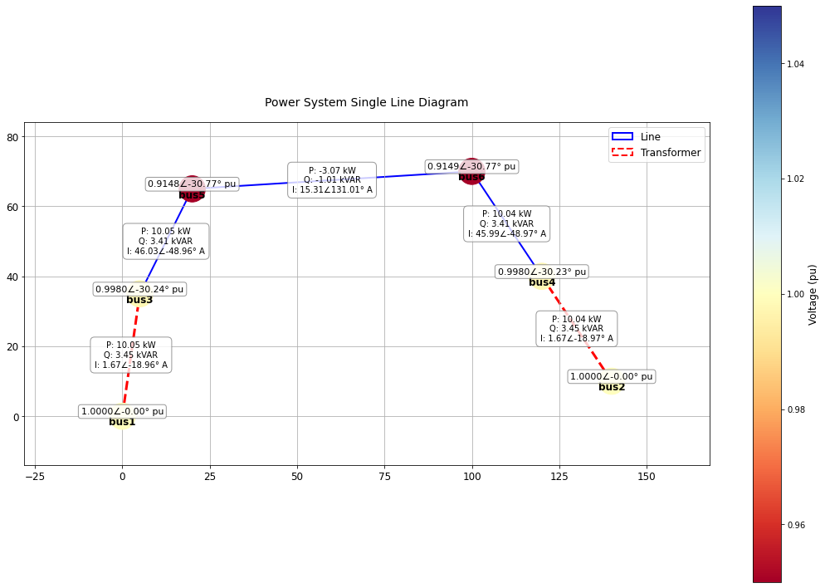
Element | Term | P1 (kW) | Q1 (kvar)
Vsource.HV_SOURCE1 | 1 | -130.3 | -43.1
Vsource.HV_SOURCE2 | 1 | -110.2 | -36.5

TOTAL LOSSES= 4.9 kW
Percent Losses for Circuit = 2.08 %

Time-Series
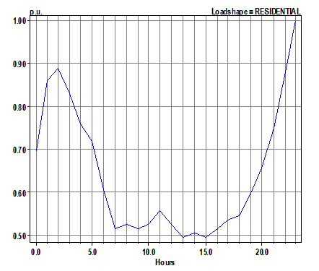
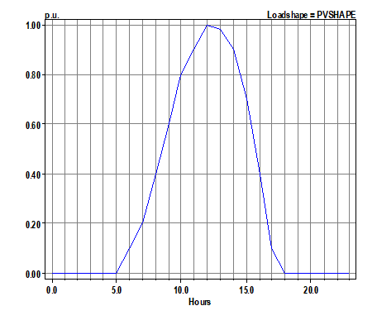

Load_Shape
PV_Shape

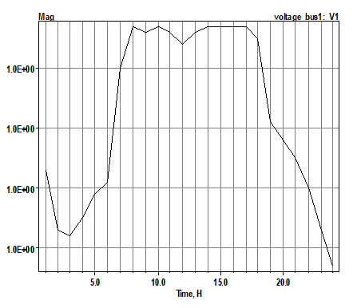
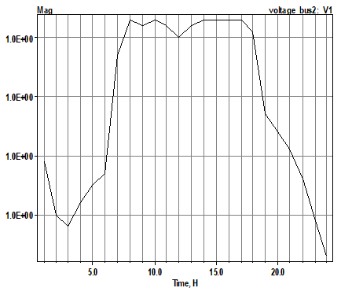
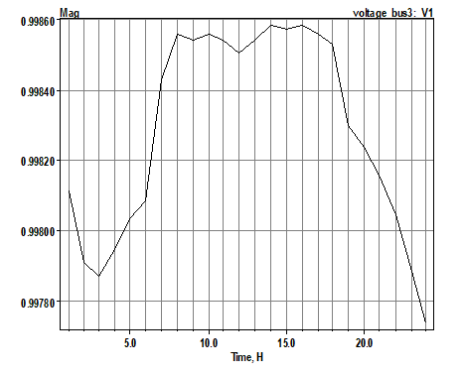

Voltage_Profile_Bus1
Voltage_Profile_Bus2
Voltage_Profile_Bus3

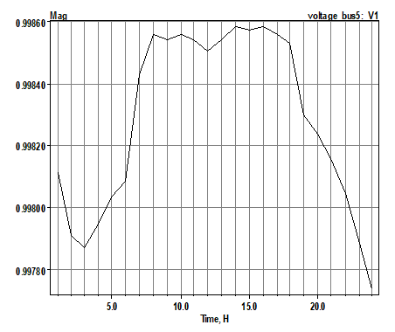
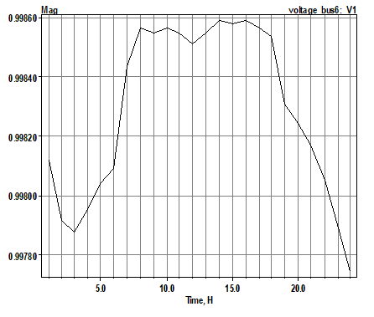
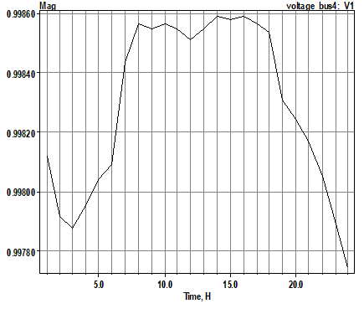

Voltage_Profile_Bus4
Voltage_Profile_Bus5
Voltage_Profile_Bus6

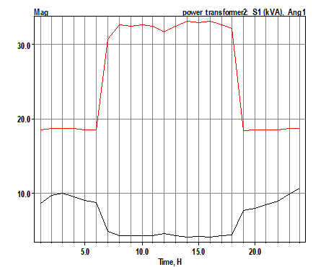
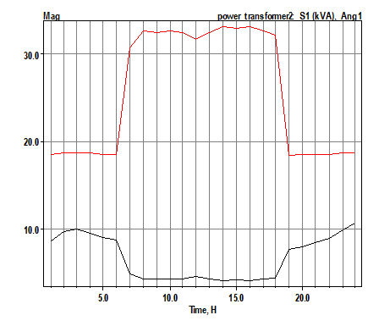

Power_Transformer_1
Power_Transformer_2

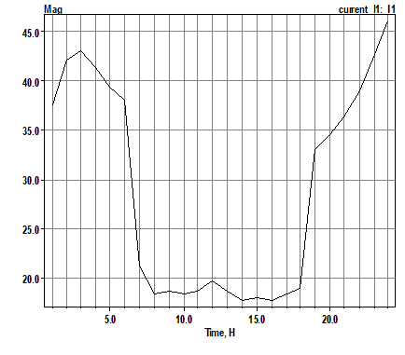
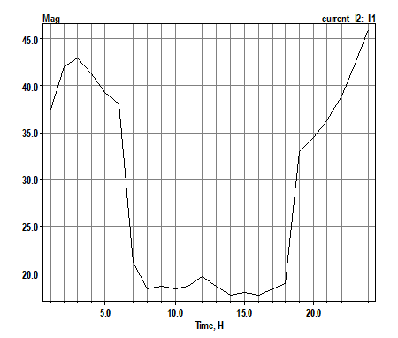

Current_Line_1
Current_Line_2

