README
As of 2/16/21, desired MCU specs:
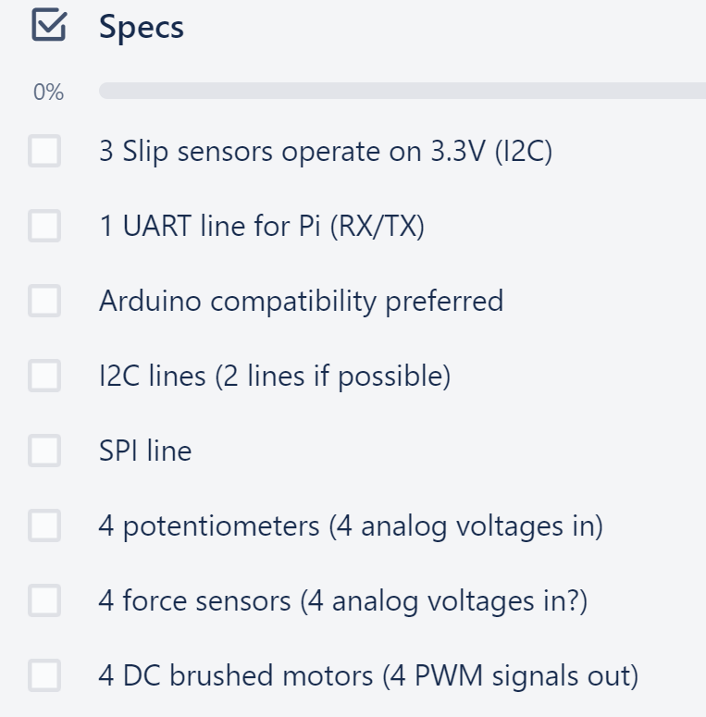

Other considerations (don't worry about these for now):
*Stock availability (RIP shortage)
*Manufacturability (ease of soldering)
*** Prefer SMD packages with leads out, try to avoid BGA or QFN
*Pin conflict (probably won't run into this with our requirements but just because an MCU has a certain number of peripherals, they can't all be used at the same time since they may share pins.)
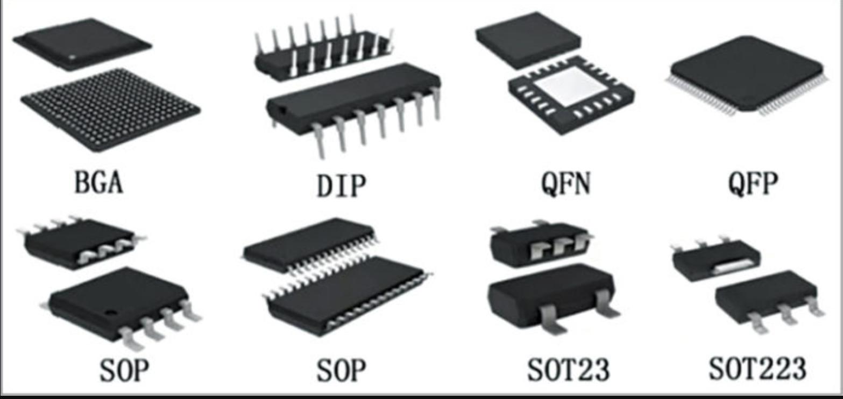
*price ideally <$10/unit

