Current_User
Username 1
Product list 1

Client 1
Server

HTML Page (data 1)

Client 2

Username 2
Product list 2
HTML Page (data 2)

Sheet5
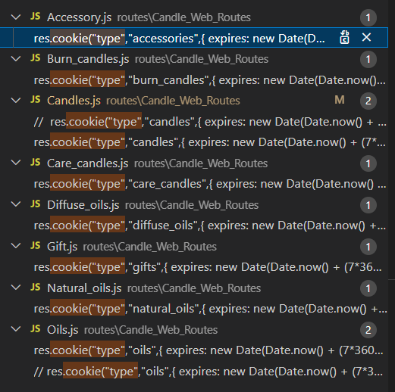
Pass below value into this variable | Request_From_Header

candles

oils

accessories

gifts

