1. Table Overview
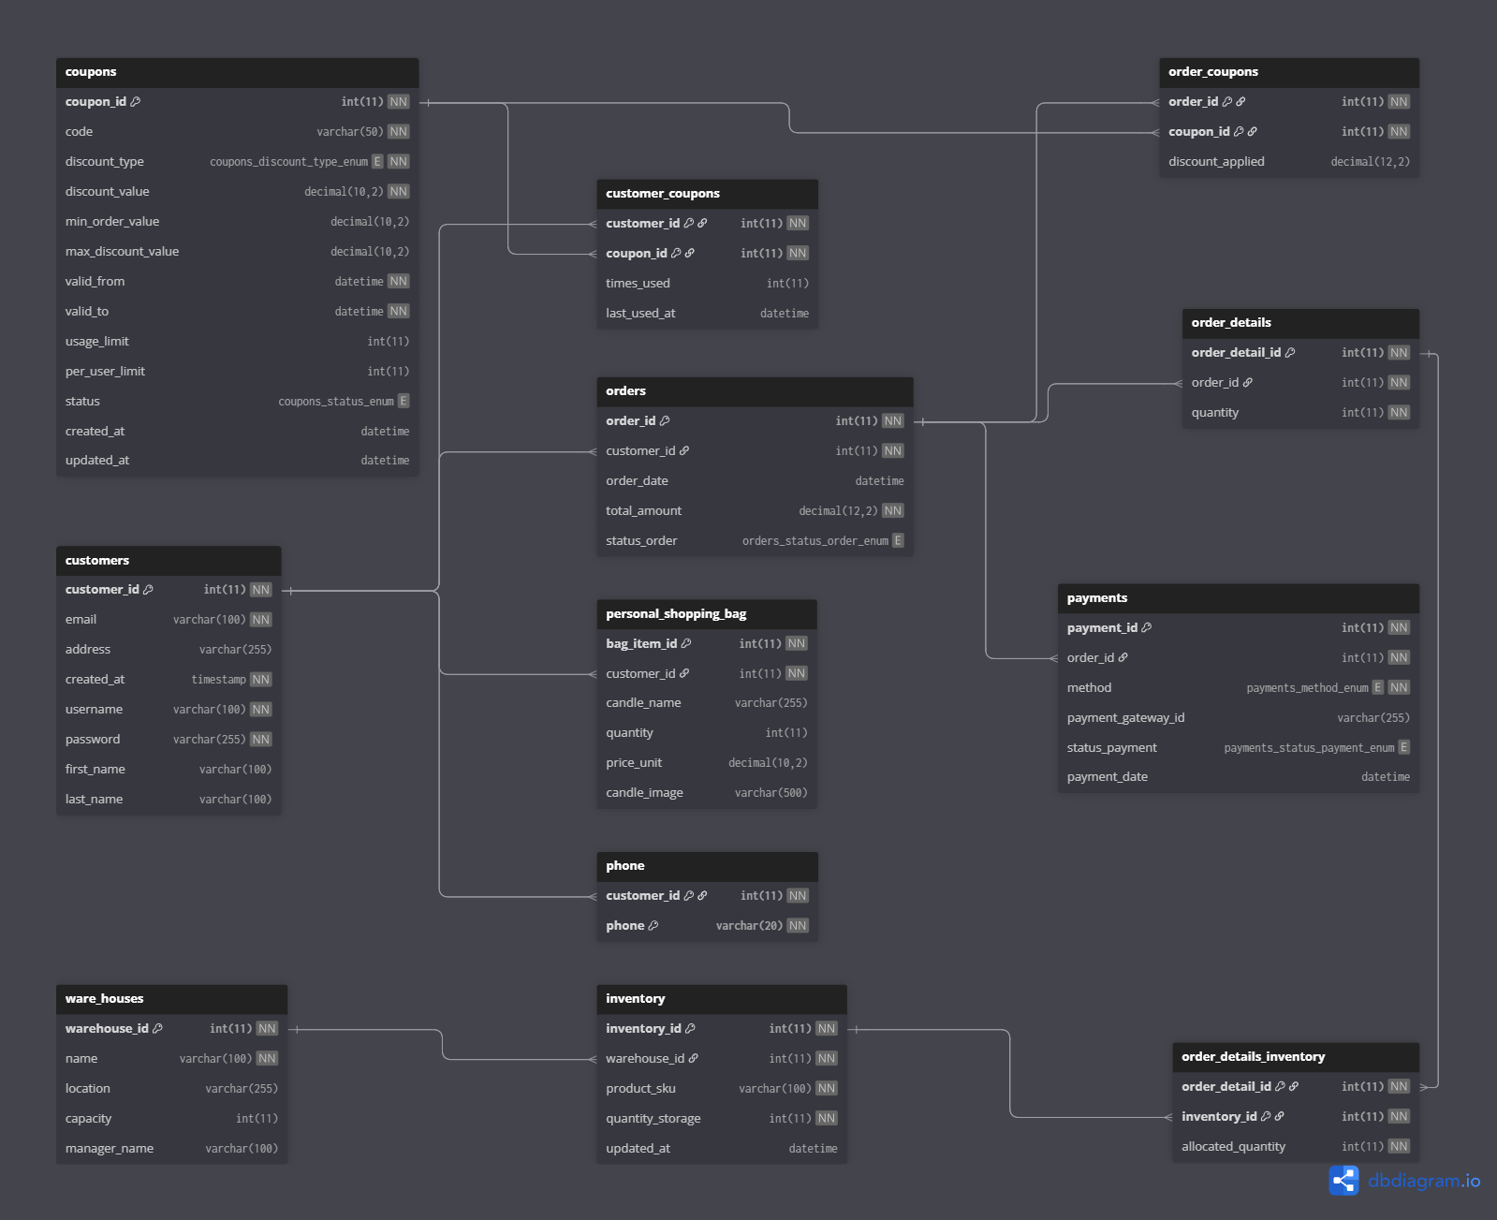
6
7
No | Table Name | Primary Key | Description
1 | customers | customer_id | Store customer information
2 | phone | (customer_id, phone) | Store list of customer's phone numbers
3 | orders | order_id | Store order information
8
4 | order_details | order_detail_id | Store detail product in order
5 | payments | payment_id | Store payment information
6 | coupons | coupon_id | Store discount information
7 | order_coupons | (order_id, coupon_id) | Store discount applied on order
4
8 | customer_coupons | (customer_id, coupon_id) | Store coupons list of customers
9 | inventory | inventory_id | Store avalable products
3
10 | ware_houses | warehouse_id | Store warehouse for products
11 | personal_shopping_bag | bag_item_id | Store shopping bag derived from each customer
12 | order_details_inventory | (order_detail_id, inventory_id) | Store detail product located in which inventory

1
11
5

2

10
9
12

