Specific_by_Parameter
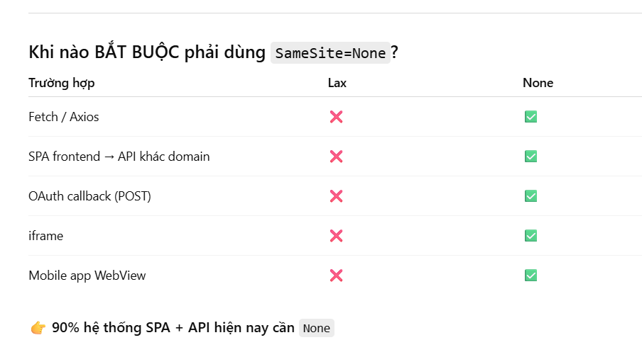
Backend side

 | IS_COMBINE_ANGULAR | IS_PRODUCTION
 |  | TRUE | FALSE
 | TRUE | - Monolith SW Architecture - Server name: https://nenthombnc.com - secure: FALSE - sameSite: Strict (Same origin) | - Monolith SW Architecture - Server name: http://localhost:3500 - secure: FALSE - sameSite: Strict (Same origin)
 | FALSE | - Microservice SW Architecture - Server name: https://nenthombnc.com - Frontend name: http://localhost:4200 - secure: FALSE (http to https) - sameSite: None (Different origin) | - Microservice SW Architecture - Server name: http://localhost:3500 - Frontend name: http://localhost:4200 - secure: TRUE - sameSite: None (Different origin)

Frontend side

 | isNgRokUsing | production
 |  | TRUE | FALSE
 | TRUE | Server API is: https://nenthombnc.com | Server API is: https://gangly-reclinable-shari.ngrok-free.dev
 | FALSE | Server API is: https://nenthombnc.com | Server API is: http://localhost:3500

