Structure
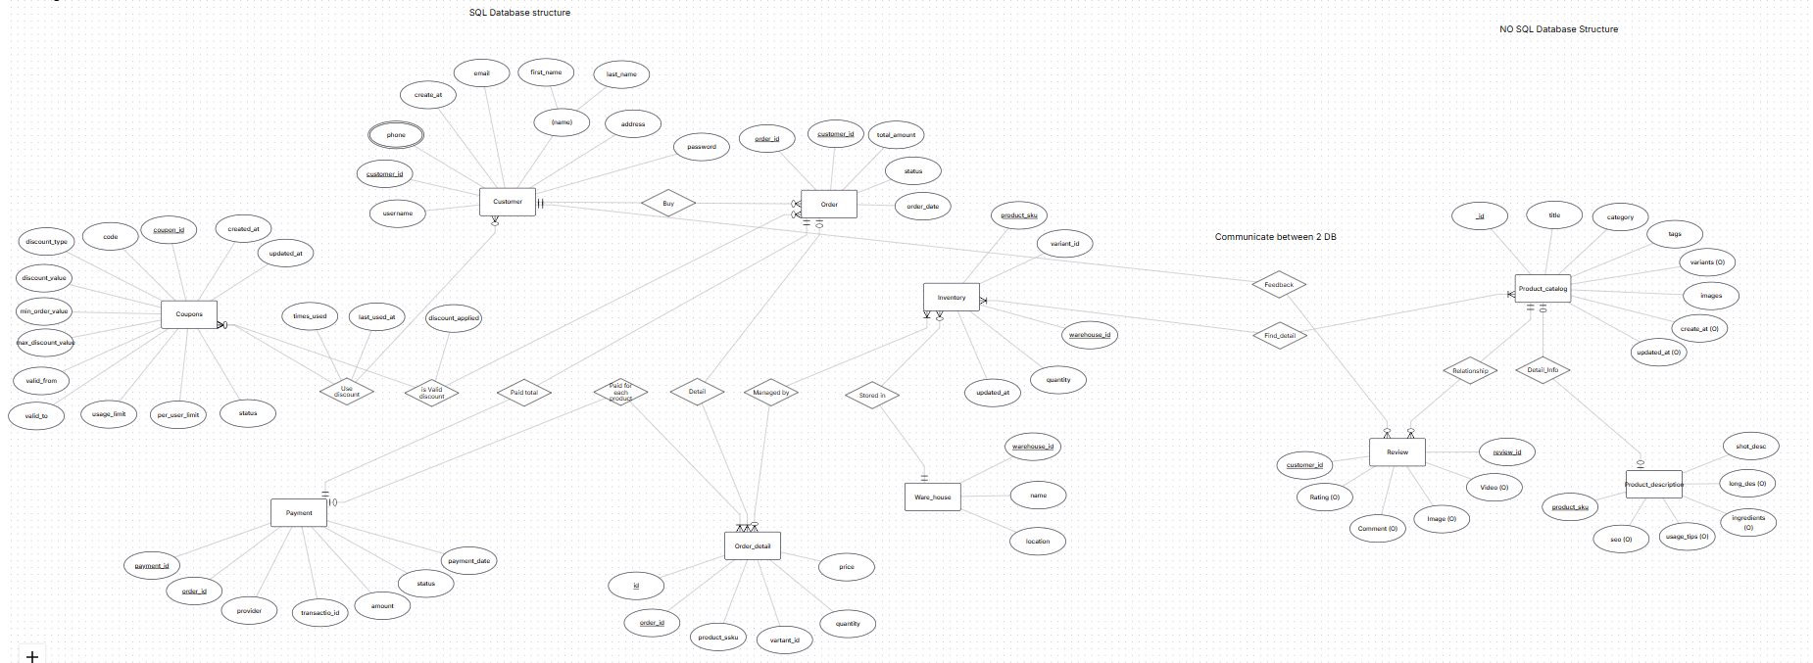

Relationship
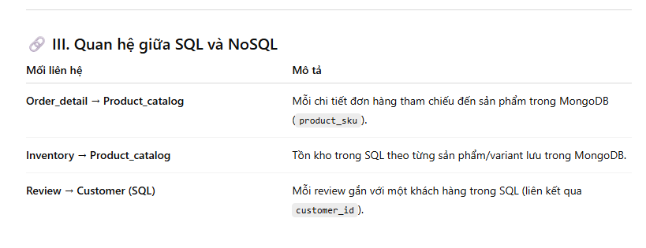
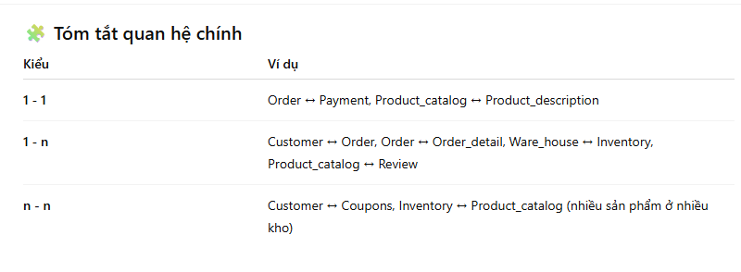
Internal SQL relationship
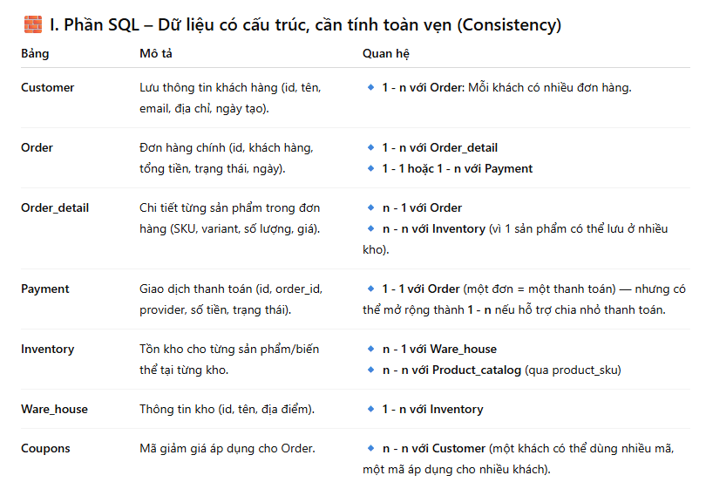

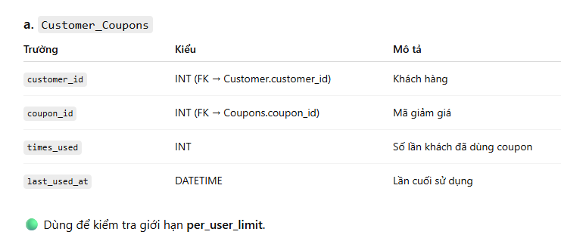

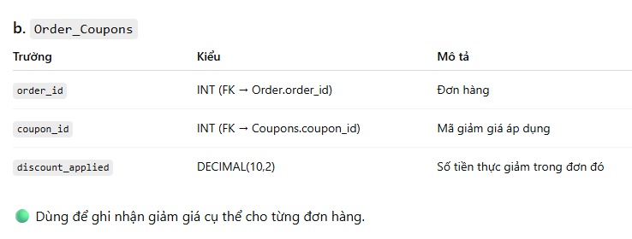

Internal NO SQL relationship
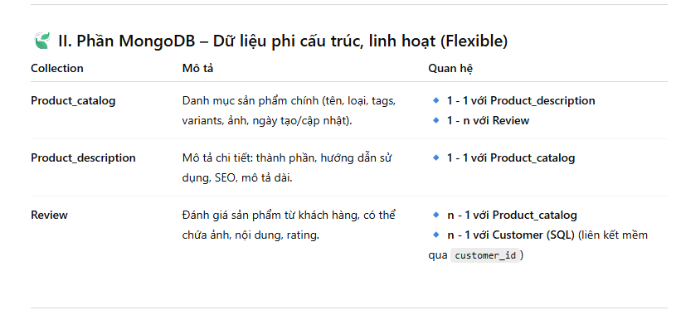

SQL and NO SQL relationship

Table
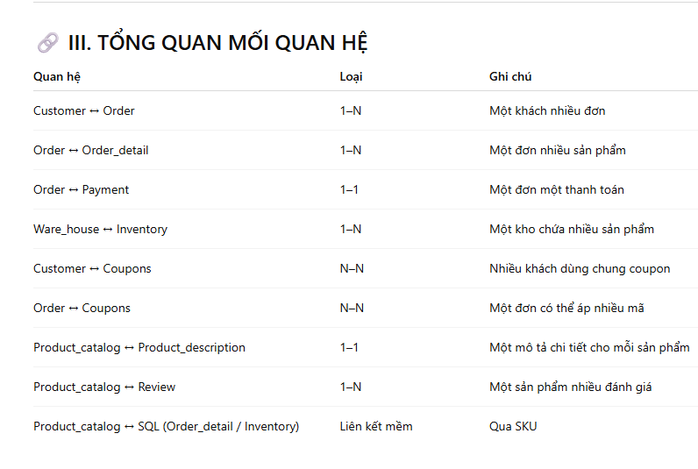
Customer
 | CREATE TABLE IF NOT EXISTS `customers` (
 | `customer_id` INT AUTO_INCREMENT PRIMARY KEY,
 | `name` VARCHAR(100) NOT NULL,
 | `email` VARCHAR(100) NOT NULL UNIQUE,
 | `phone` VARCHAR(20),
 | `address` VARCHAR(255),
 | `created_at` DATETIME DEFAULT CURRENT_TIMESTAMP
 | ) ENGINE=InnoDB DEFAULT CHARSET=utf8mb4;

Order

 | CREATE TABLE IF NOT EXISTS `orders` ( | → Quan hệ:
 | `order_id` INT AUTO_INCREMENT PRIMARY KEY,
 | `customer_id` INT NOT NULL, | 1:N giữa Customer → Order
 | `order_date` DATETIME DEFAULT CURRENT_TIMESTAMP,
 | `total_amount` DECIMAL(12,2) NOT NULL, | 1:1 giữa Order ↔ Payment
 | `status` ENUM('pending','processing','shipped','completed','cancelled') DEFAULT 'pending',
 | -- payment_id removed to avoid circular FK; payments -> orders (1:1) bằng UNIQUE on payments.order_id
 | CONSTRAINT `fk_orders_customer` FOREIGN KEY (`customer_id`) REFERENCES `customers` (`customer_id`) ON DELETE RESTRICT ON UPDATE CASCADE
 | ) ENGINE=InnoDB DEFAULT CHARSET=utf8mb4;
 | )

Order_detail

 | CREATE TABLE IF NOT EXISTS `order_details` ( | → Quan hệ:
 | `order_detail_id` INT AUTO_INCREMENT PRIMARY KEY,
 | `order_id` INT NOT NULL, | 1:N giữa Order → Order_detail
 | `product_sku` VARCHAR(100) NOT NULL,
 | `variant_id` VARCHAR(100), | Tham chiếu mềm product_sku ↔ MongoDB Product_catalog.sku
 | `quantity` INT NOT NULL DEFAULT 1,
 | `unit_price` DECIMAL(12,2) NOT NULL,
 | `subtotal` DECIMAL(12,2) AS (`quantity` * `unit_price`) STORED,
 | CONSTRAINT `fk_orderdetails_order` FOREIGN KEY (`order_id`) REFERENCES `orders` (`order_id`) ON DELETE CASCADE ON UPDATE CASCADE
 | ) ENGINE=InnoDB DEFAULT CHARSET=utf8mb4;

Payment

 | CREATE TABLE IF NOT EXISTS `payments` ( | → Quan hệ:
 | `payment_id` INT AUTO_INCREMENT PRIMARY KEY,
 | `order_id` INT NOT NULL, | 1:1 giữa Order ↔ Payment
 | `method` ENUM('cash','credit_card','paypal','bank_transfer') NOT NULL,
 | `transaction_id` VARCHAR(255),
 | `amount` DECIMAL(12,2) NOT NULL,
 | `status` ENUM('pending','success','failed','refund') DEFAULT 'pending',
 | `payment_date` DATETIME DEFAULT CURRENT_TIMESTAMP,
 | CONSTRAINT `fk_payments_order` FOREIGN KEY (`order_id`) REFERENCES `orders` (`order_id`) ON DELETE CASCADE ON UPDATE CASCADE,
 | CONSTRAINT `uq_payments_order` UNIQUE (`order_id`) -- đảm bảo 1:1 giữa order và payment
 | ) ENGINE=InnoDB DEFAULT CHARSET=utf8mb4;
Inventory

 | CREATE TABLE IF NOT EXISTS `inventory` ( | → Quan hệ:
 | `inventory_id` INT AUTO_INCREMENT PRIMARY KEY,
 | `warehouse_id` INT NOT NULL, | 1:N giữa Ware_house → Inventory
 | `product_sku` VARCHAR(100) NOT NULL,
 | `variant_id` VARCHAR(100) DEFAULT NULL, | Tham chiếu mềm product_sku ↔ MongoDB Product_catalog
 | `quantity` INT NOT NULL DEFAULT 0,
 | `updated_at` DATETIME DEFAULT CURRENT_TIMESTAMP ON UPDATE CURRENT_TIMESTAMP,
 | CONSTRAINT `fk_inventory_warehouse` FOREIGN KEY (`warehouse_id`) REFERENCES `ware_houses` (`warehouse_id`) ON DELETE RESTRICT ON UPDATE CASCADE,
 | INDEX `idx_inventory_sku` (`product_sku`),
 | INDEX `idx_inventory_variant` (`variant_id`)
 | ) ENGINE=InnoDB DEFAULT CHARSET=utf8mb4;

Ware_house

 | CREATE TABLE IF NOT EXISTS `ware_houses` (
 | `warehouse_id` INT AUTO_INCREMENT PRIMARY KEY,
 | `name` VARCHAR(100) NOT NULL,
 | `location` VARCHAR(255),
 | `capacity` INT,
 | `manager_name` VARCHAR(100)
 | ) ENGINE=InnoDB DEFAULT CHARSET=utf8mb4;

Coupons

 | CREATE TABLE IF NOT EXISTS `coupons` (
 | `coupon_id` INT AUTO_INCREMENT PRIMARY KEY,
 | `code` VARCHAR(50) NOT NULL UNIQUE,
 | `discount_type` ENUM('percent','amount') NOT NULL,
 | `discount_value` DECIMAL(10,2) NOT NULL,
 | `min_order_value` DECIMAL(10,2) DEFAULT NULL,
 | `max_discount_value` DECIMAL(10,2) DEFAULT NULL,
 | `valid_from` DATETIME NOT NULL,
 | `valid_to` DATETIME NOT NULL,
 | `usage_limit` INT DEFAULT NULL,
 | `per_user_limit` INT DEFAULT NULL,
 | `status` ENUM('active','expired','disabled') DEFAULT 'active',
 | `created_at` DATETIME DEFAULT CURRENT_TIMESTAMP,
 | `updated_at` DATETIME DEFAULT CURRENT_TIMESTAMP ON UPDATE CURRENT_TIMESTAMP
 | ) ENGINE=InnoDB DEFAULT CHARSET=utf8mb4;

Customer_Coupons (n–n giữa Customer và Coupons)

 | CREATE TABLE IF NOT EXISTS `customer_coupons` (
 | `customer_id` INT NOT NULL,
 | `coupon_id` INT NOT NULL,
 | `times_used` INT DEFAULT 0,
 | `last_used_at` DATETIME DEFAULT NULL,
 | PRIMARY KEY (`customer_id`, `coupon_id`),
 | CONSTRAINT `fk_cc_customer` FOREIGN KEY (`customer_id`) REFERENCES `customers` (`customer_id`) ON DELETE CASCADE ON UPDATE CASCADE,
 | CONSTRAINT `fk_cc_coupon` FOREIGN KEY (`coupon_id`) REFERENCES `coupons` (`coupon_id`) ON DELETE CASCADE ON UPDATE CASCADE
 | ) ENGINE=InnoDB DEFAULT CHARSET=utf8mb4;

Order_Coupons (n–n giữa Order và Coupons)

 | CREATE TABLE IF NOT EXISTS `order_coupons` (
 | `order_id` INT NOT NULL,
 | `coupon_id` INT NOT NULL,
 | `discount_applied` DECIMAL(12,2) DEFAULT 0,
 | PRIMARY KEY (`order_id`, `coupon_id`),
 | CONSTRAINT `fk_oc_order` FOREIGN KEY (`order_id`) REFERENCES `orders` (`order_id`) ON DELETE CASCADE ON UPDATE CASCADE,
 | CONSTRAINT `fk_oc_coupon` FOREIGN KEY (`coupon_id`) REFERENCES `coupons` (`coupon_id`) ON DELETE CASCADE ON UPDATE CASCADE
 | ) ENGINE=InnoDB DEFAULT CHARSET=utf8mb4;

II. DOCUMENT SCHEMA (NoSQL – MongoDB)

Product_catalog

 | {
 | _id: ObjectId,
 | sku: String,
 | name: String,
 | category: String,
 | price: Number,
 | images: [String],
 | tags: [String],
 | created_at: Date,
 | updated_at: Date
 | }

Product_description

 | {
 | _id: ObjectId,
 | product_id: ObjectId, // ref to Product_catalog._id
 | long_description: String,
 | ingredients: [String],
 | usage: String,
 | seo_title: String,
 | seo_tags: [String]
 | }

Review

 | {
 | _id: ObjectId,
 | product_id: ObjectId, // ref to Product_catalog._id
 | customer_id: Number, // ref to SQL: Customer.customer_id
 | rating: Number,
 | content: String,
 | images: [String],
 | created_at: Date
 | }

