Sheet1
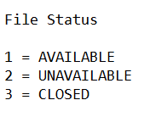
Existing File Number | Student Name | Student Metric | Student IC | File Status
(LEAVE BLANK IF NONE) | EXAMPLE | Example123 | 123456-78-9123 | 0

