Pivot table
Total Burial Count 1864
Burial Year | 1864

Row Labels | Count of Cause of Death/Burial2
Cold | 79
Consumption | 108
Diptheria | 55
Flux | 39
Measels | 111
Pneumonia | 73
Stillborn | 64
Teething | 60
Typhoid Fever | 44
Unknown | 76
Whooping Cough | 60
Grand Total | 769

Pivot table with slicer
Count of Cause of Death/Burial2 | Column Labels
Row Labels | F | M | Grand Total
1850-1859 | 2235 | 2614 | 4849
1860-1869 | 3716 | 4016 | 7732
1870-1879 | 1217 | 1195 | 2412
1880-1889 | 484 | 442 | 926
1890-1899 | 241 | 225 | 466
1900-1909 | 166 | 154 | 320
1910-1919 | 122 | 103 | 225
1920-1929 | 93 | 77 | 170
1930-1939 | 66 | 66 | 132
1940-1949 | 26 | 29 | 55
1950-1959 | 6 | 6 | 12
1960-1969 | 7 | 4 | 11
1970-1979 | 5 | 1 | 6
Grand Total | 8384 | 8932 | 17316

Death Count by Gender

charts
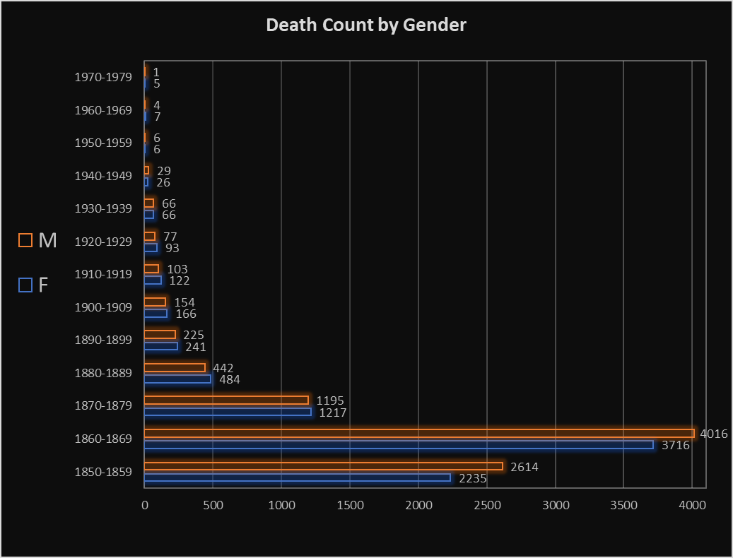
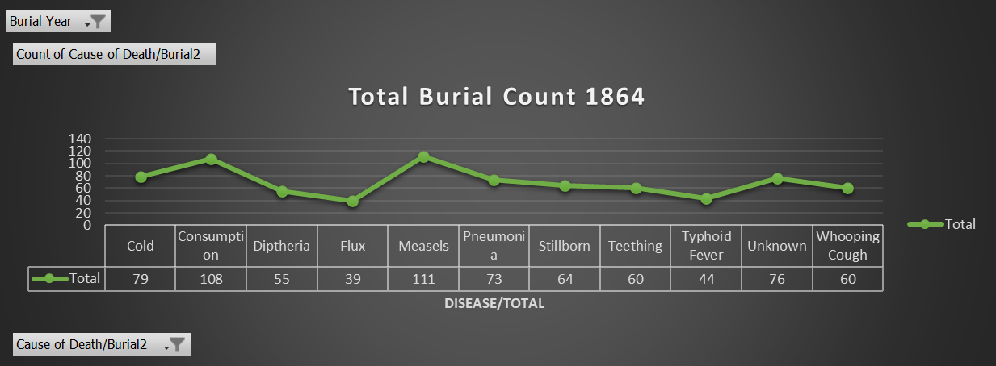
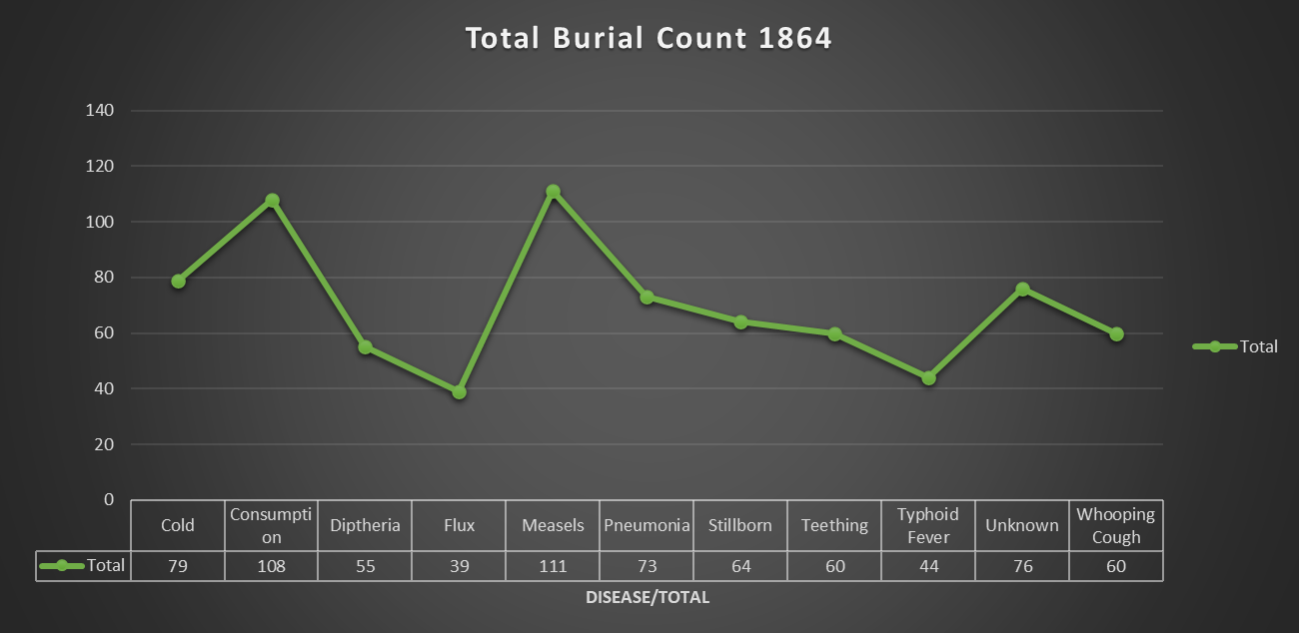
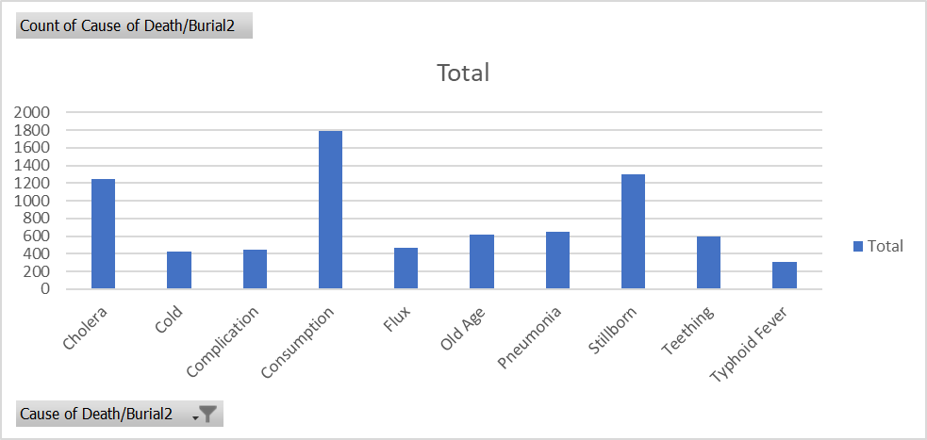
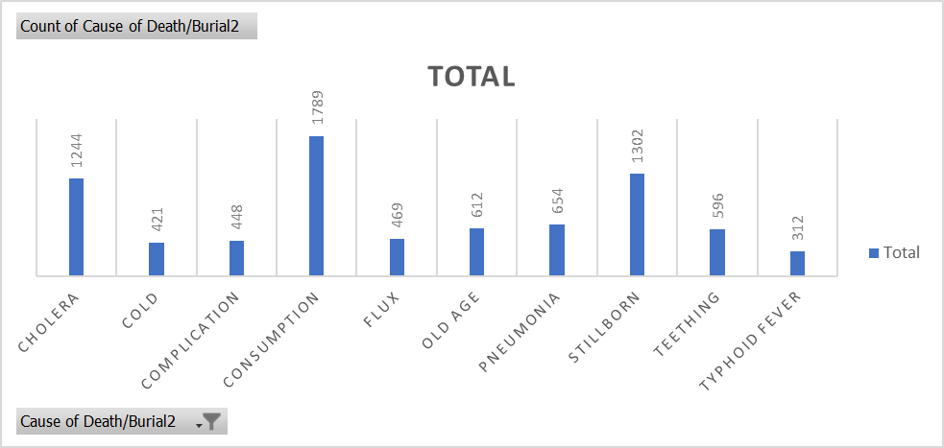



Burial count per year (highest): 1864 with 1372 burials
why? disease prevalence/WAR

