Evidence
Before / after evidence for each issue (same question)

KI-107 round 1 (before fix) B-JOWAI-MUNICIPAL BOARD-app-bare FAIL

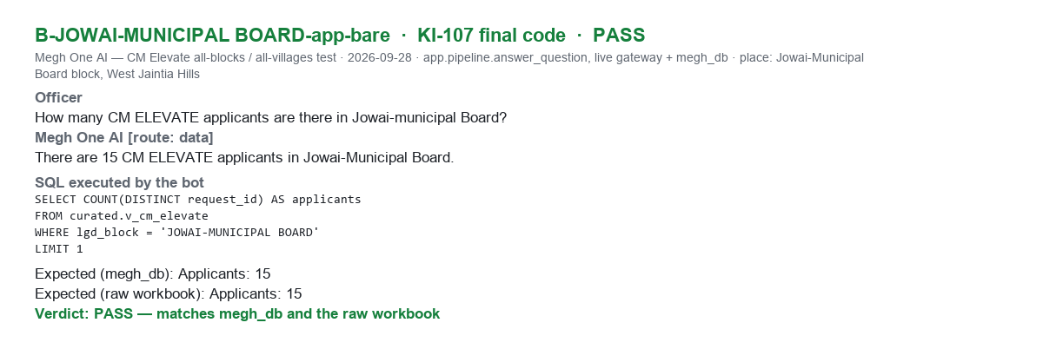
KI-107 final code B-JOWAI-MUNICIPAL BOARD-app-bare PASS

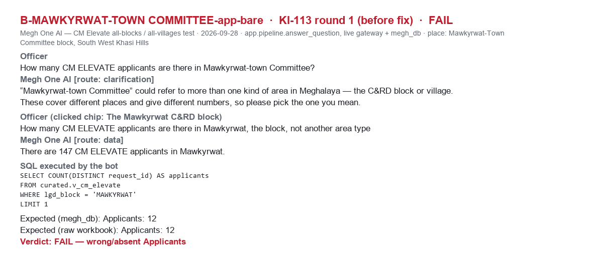
KI-113 round 1 (before fix) B-MAWKYRWAT-TOWN COMMITTEE-app-bare FAIL

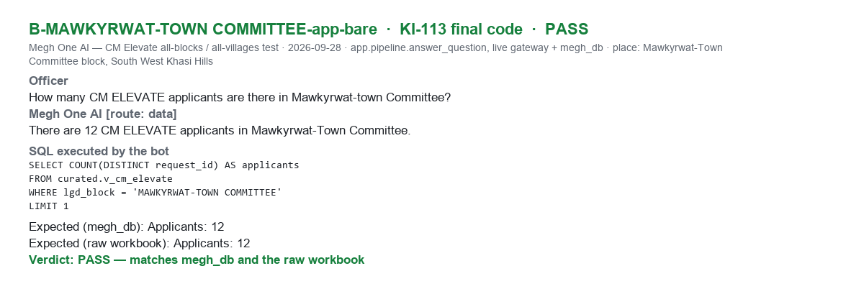
KI-113 final code B-MAWKYRWAT-TOWN COMMITTEE-app-bare PASS

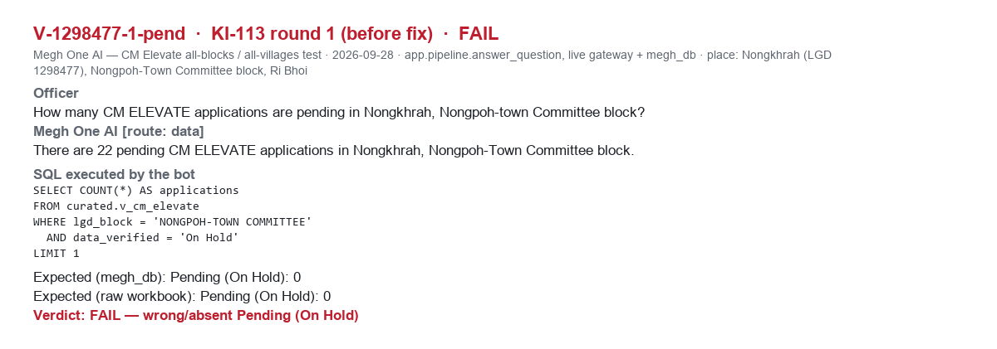
KI-113 round 1 (before fix) V-1298477-1-pend FAIL

KI-113 final code V-1298477-1-pend PASS

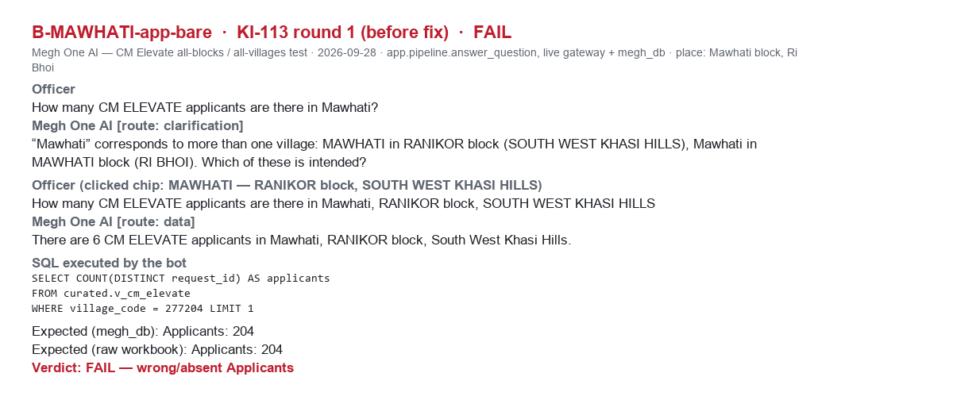
KI-113 round 1 (before fix) B-MAWHATI-app-bare FAIL

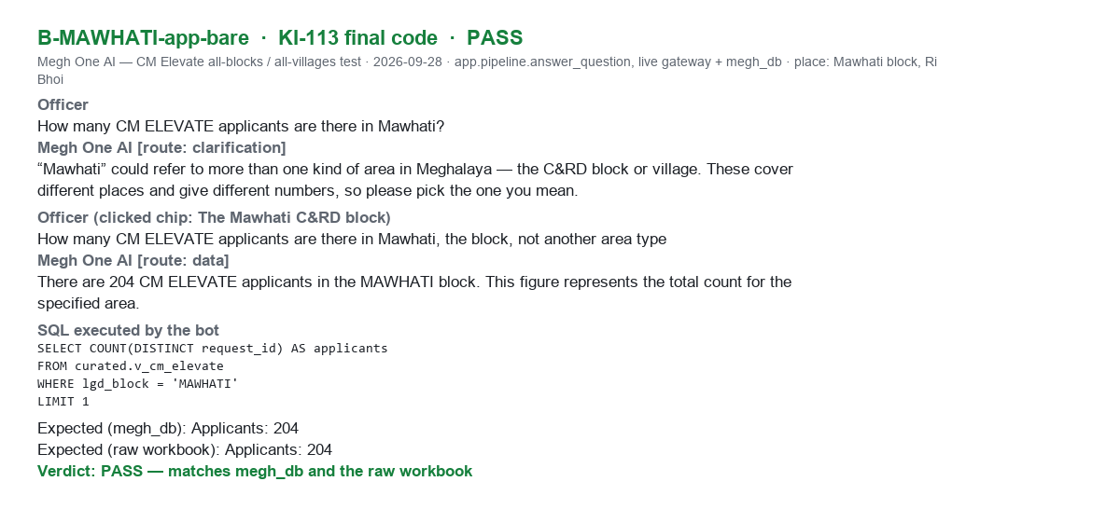
KI-113 final code B-MAWHATI-app-bare PASS

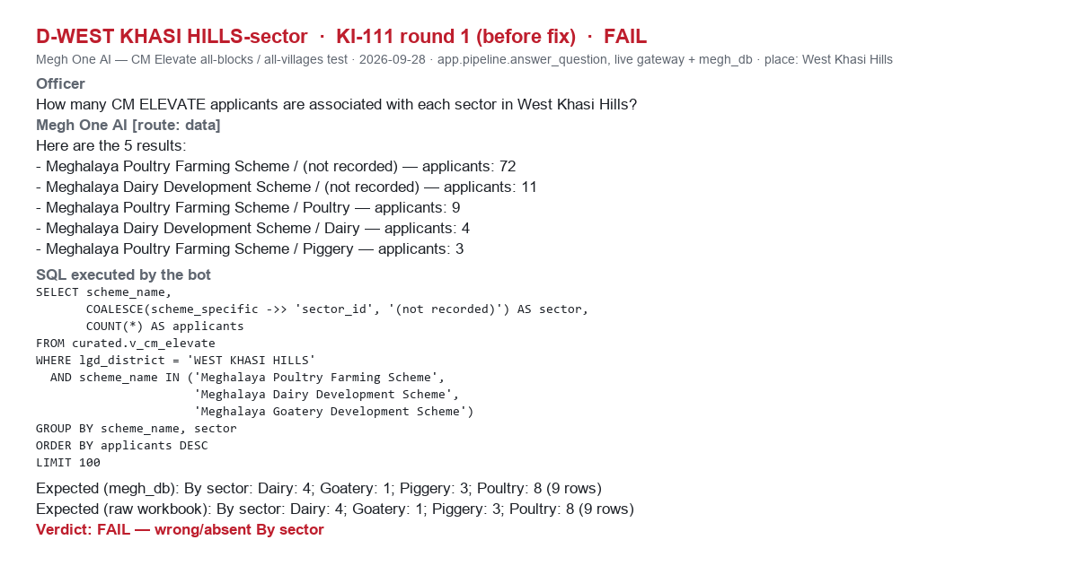
KI-111 round 1 (before fix) D-WEST KHASI HILLS-sector FAIL

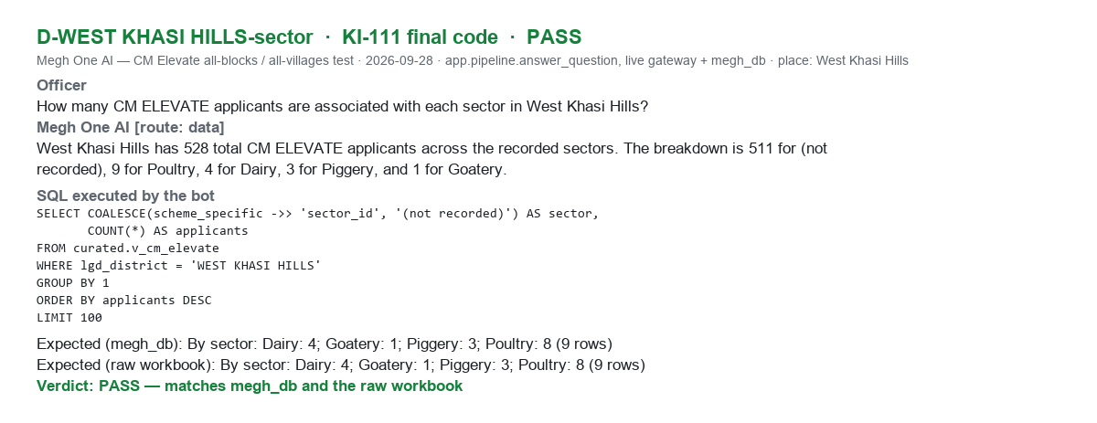
KI-111 final code D-WEST KHASI HILLS-sector PASS

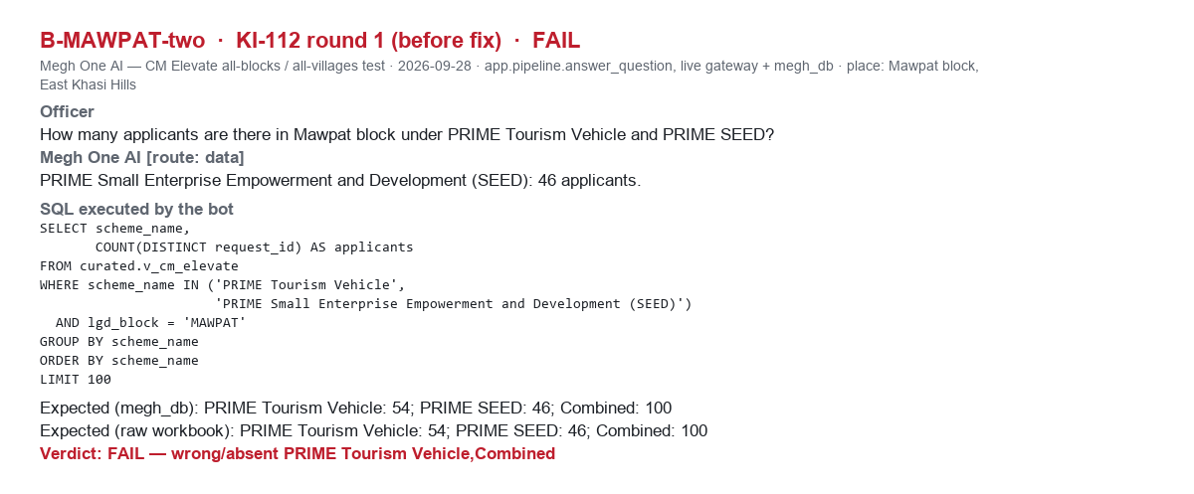
KI-112 round 1 (before fix) B-MAWPAT-two FAIL

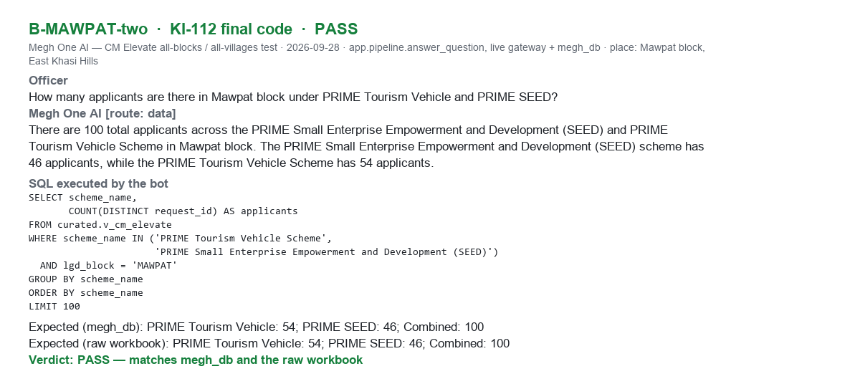
KI-112 final code B-MAWPAT-two PASS

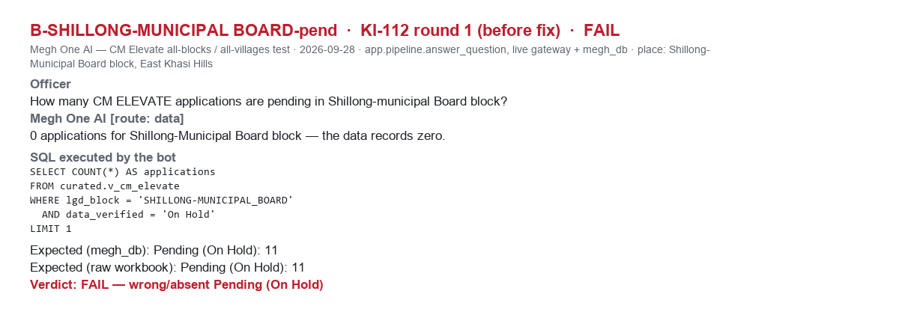
KI-112 round 1 (before fix) B-SHILLONG-MUNICIPAL BOARD-pend FAIL

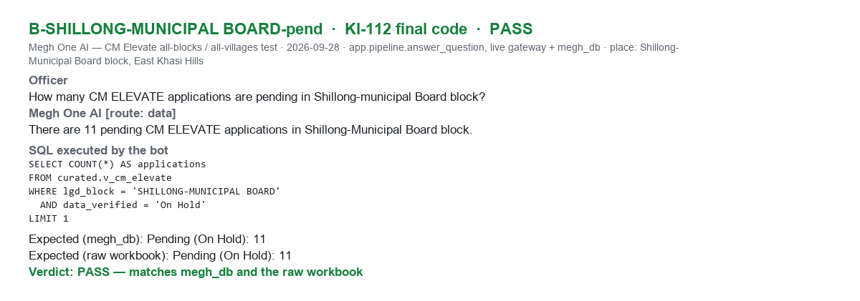
KI-112 final code B-SHILLONG-MUNICIPAL BOARD-pend PASS

KI-115 round 1 (before fix) B-LASKEIN-rej FAIL

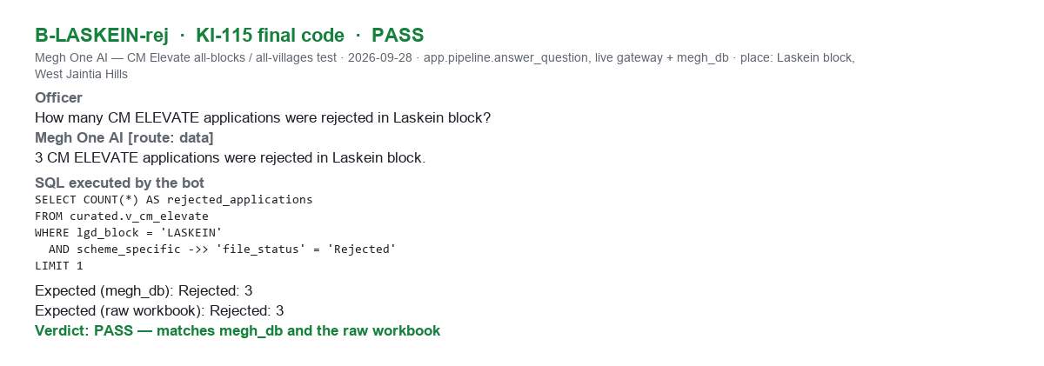
KI-115 final code B-LASKEIN-rej PASS

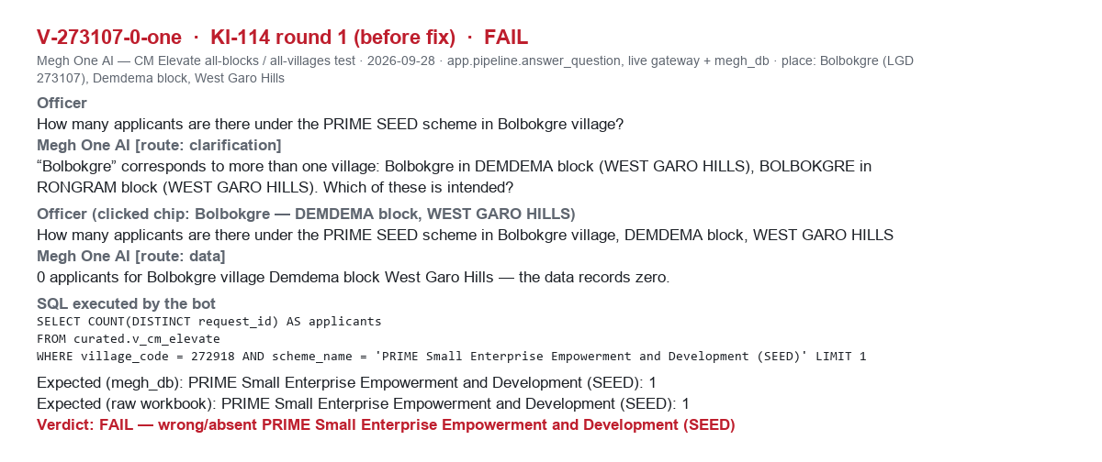
KI-114 round 1 (before fix) V-273107-0-one FAIL

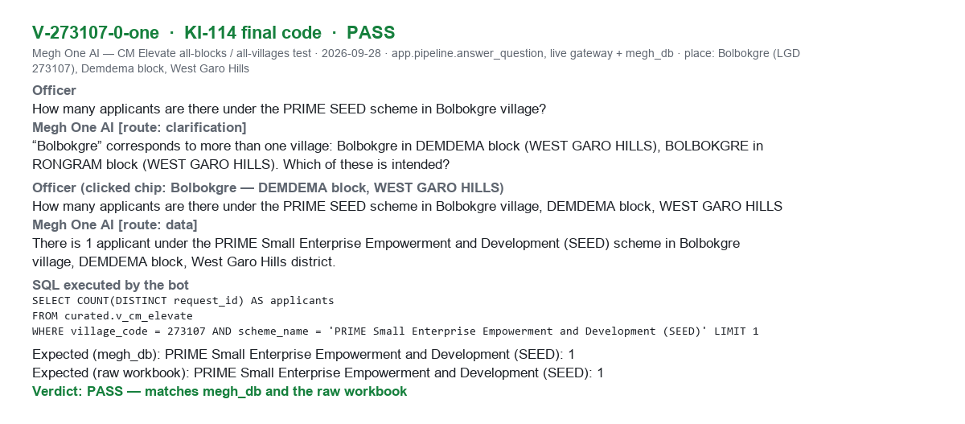
KI-114 final code V-273107-0-one PASS

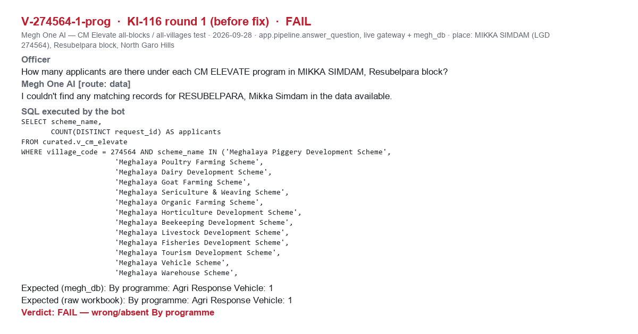
KI-116 round 1 (before fix) V-274564-1-prog FAIL

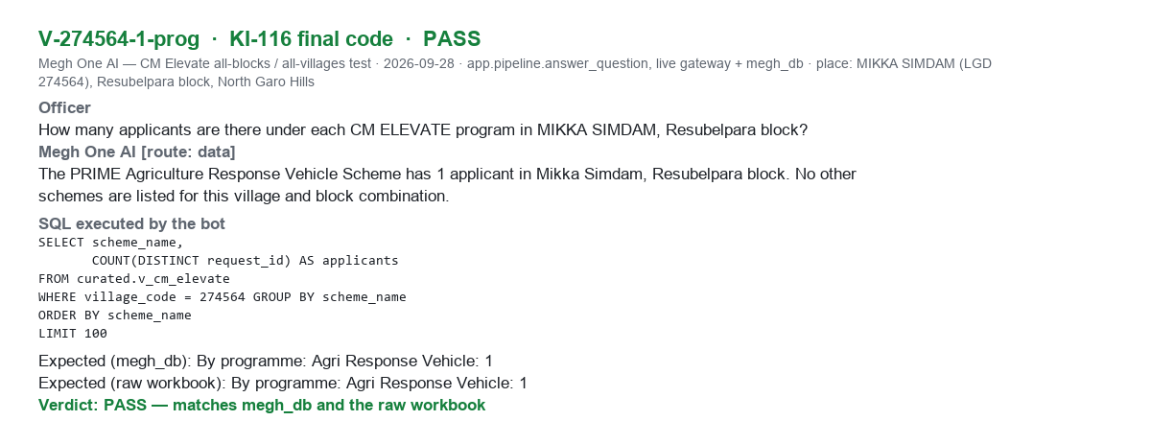
KI-116 final code V-274564-1-prog PASS

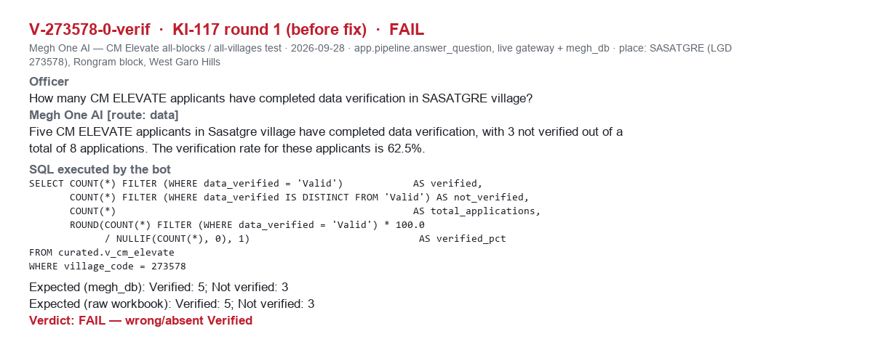
KI-117 round 1 (before fix) V-273578-0-verif FAIL

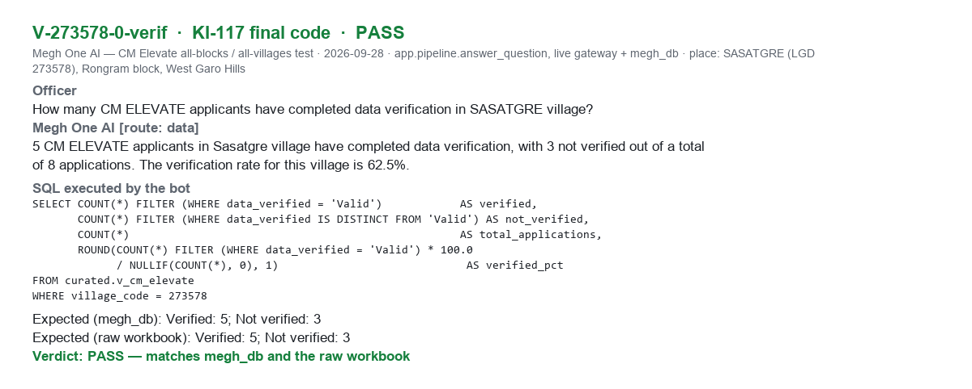
KI-117 final code V-273578-0-verif PASS

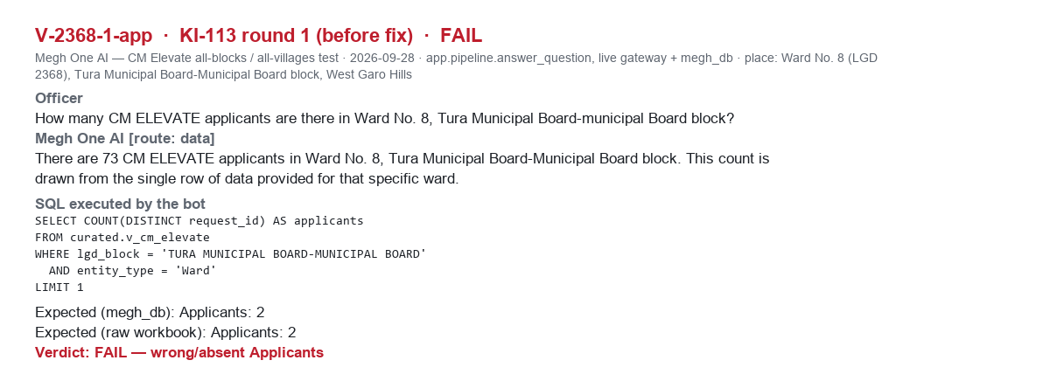
KI-113 round 1 (before fix) V-2368-1-app FAIL

KI-113 final code V-2368-1-app PASS

