Proof Screenshots
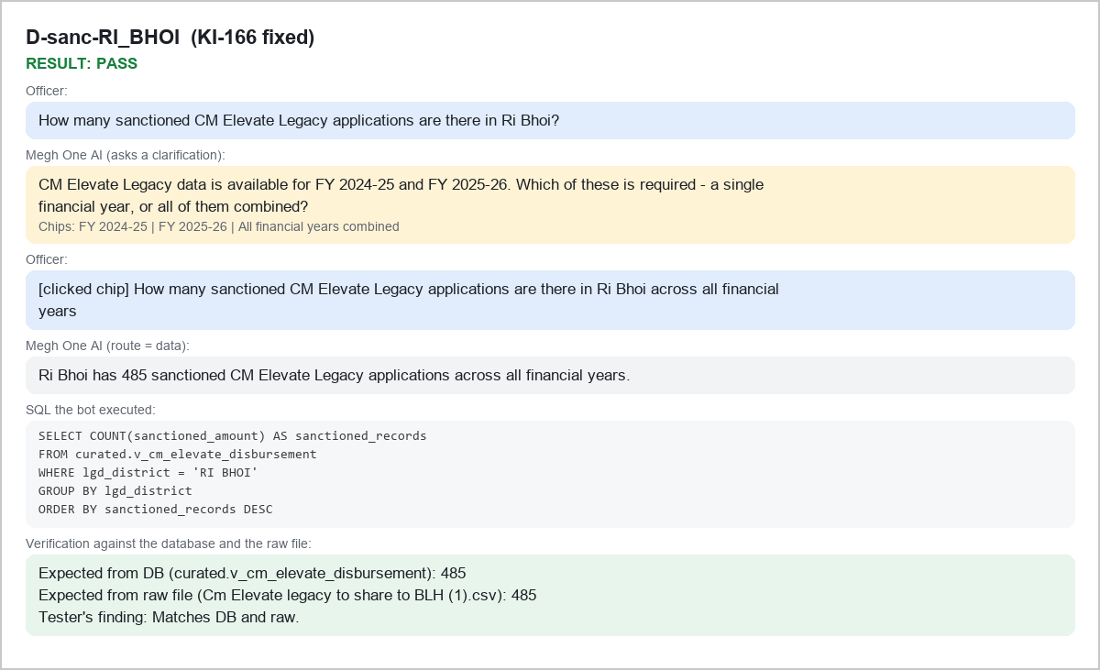
D-sanc-RI_BHOI KI-166 fixed

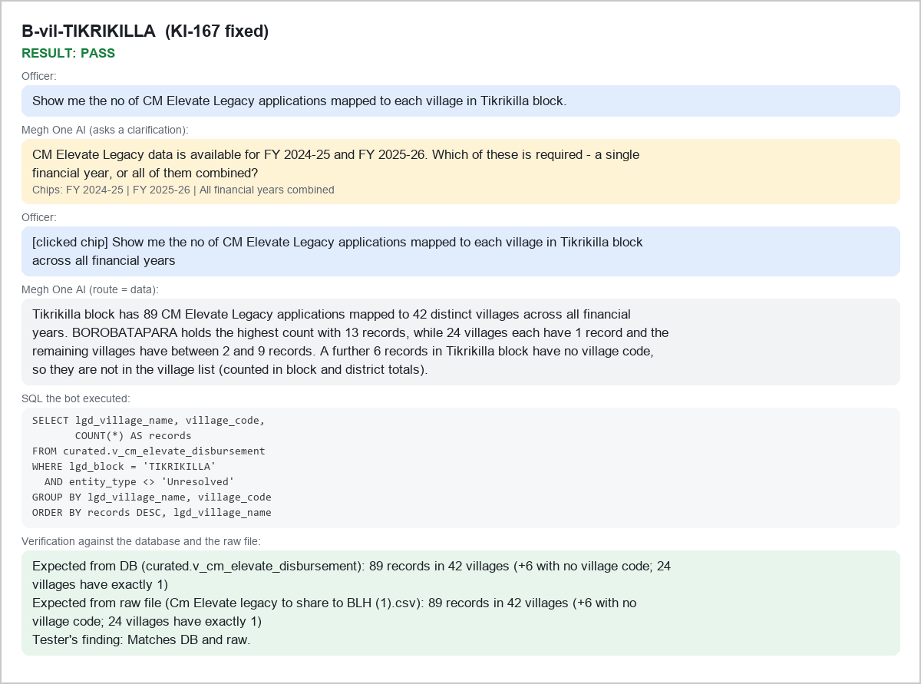
B-vil-TIKRIKILLA KI-167 fixed

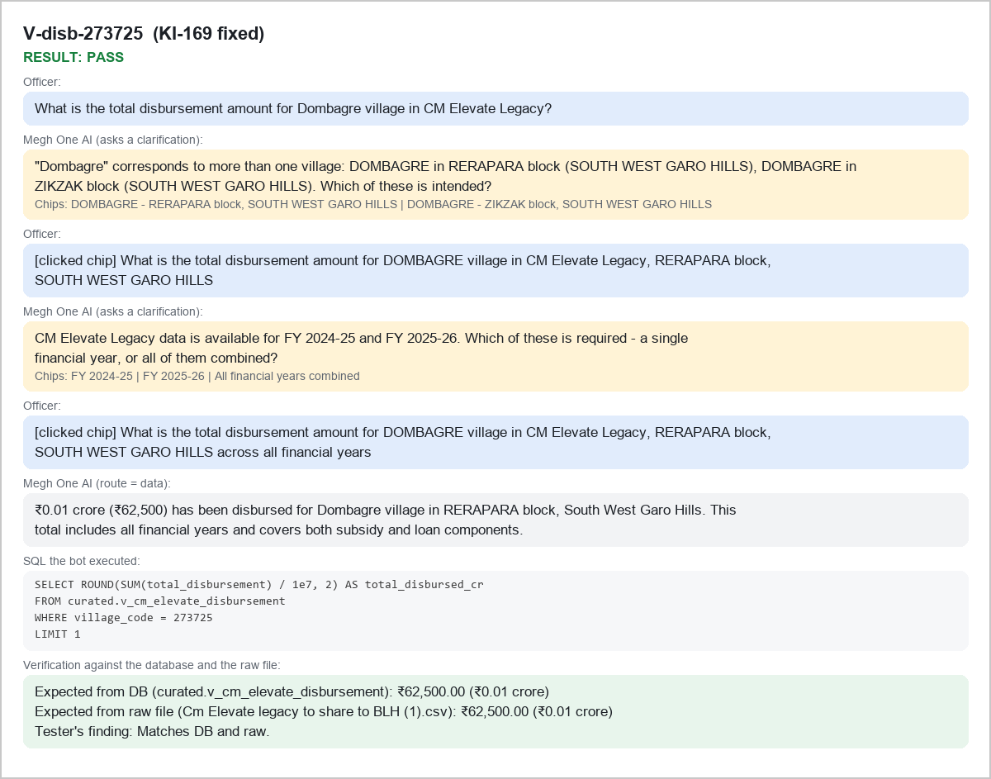
V-disb-273725 KI-169 fixed

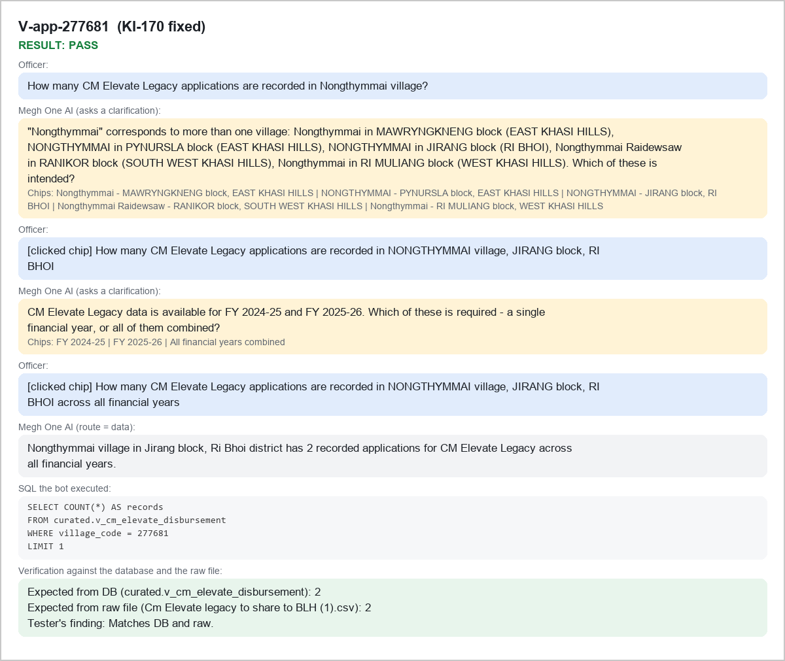
V-app-277681 KI-170 fixed

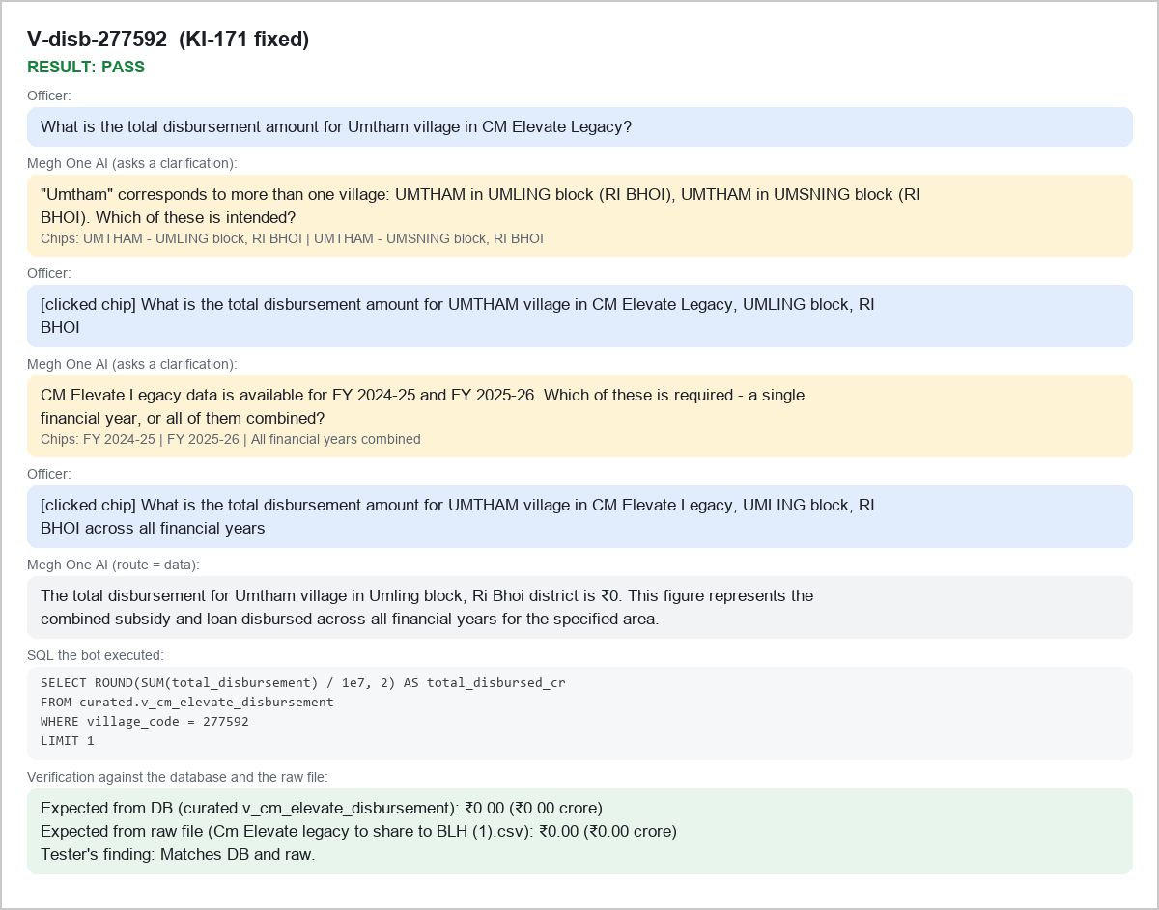
V-disb-277592 KI-171 fixed

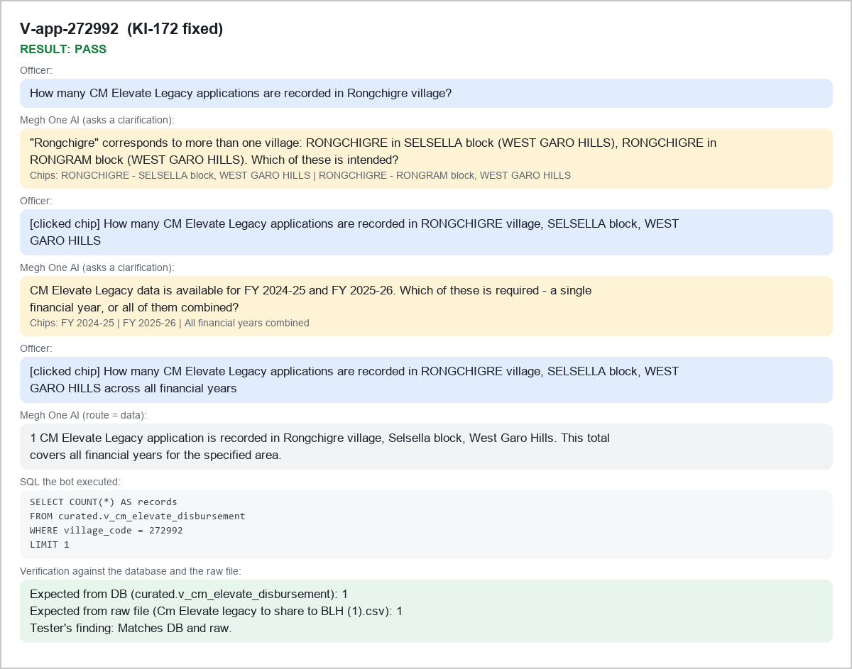
V-app-272992 KI-172 fixed

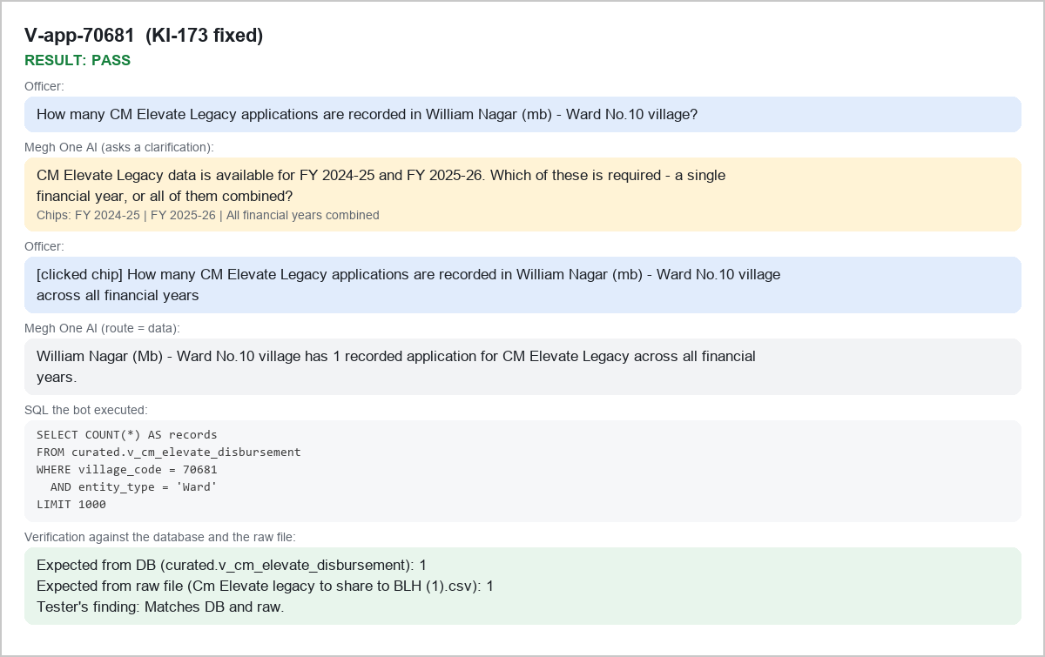
V-app-70681 KI-173 fixed

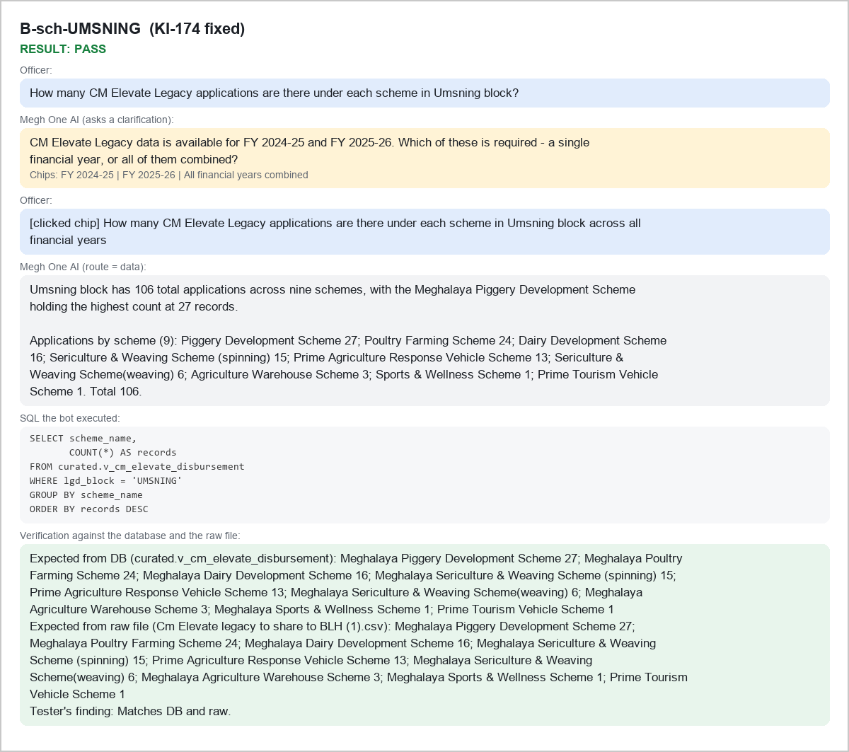
B-sch-UMSNING KI-174 fixed

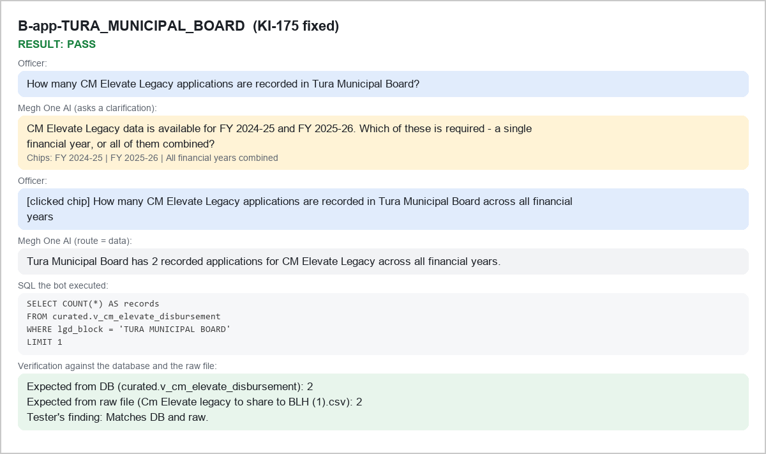
B-app-TURA_MUNICIPAL_BOARD KI-175 fixed

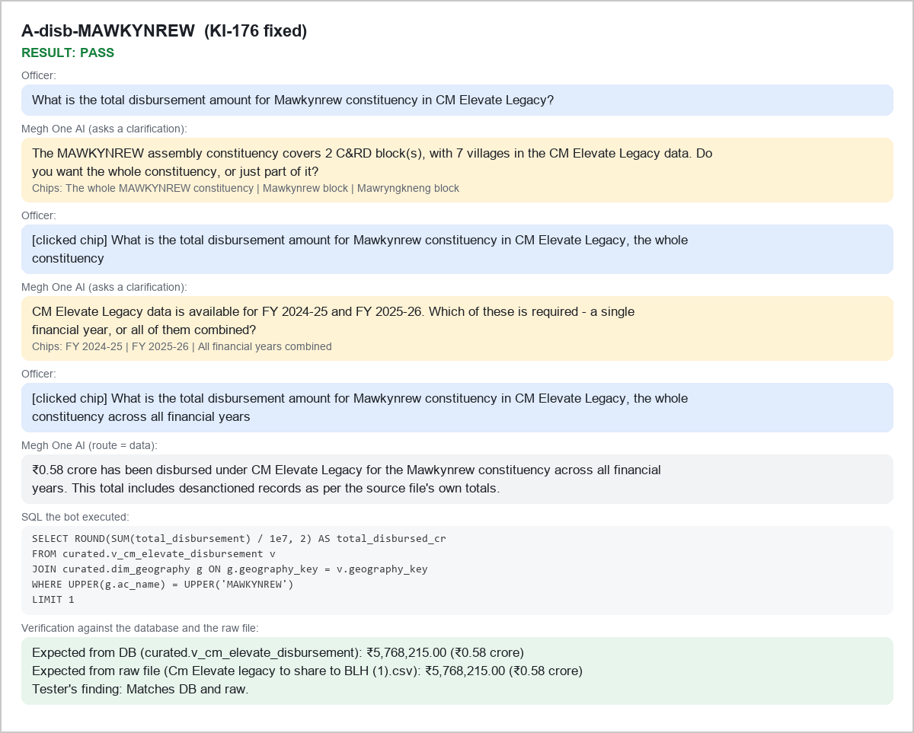
A-disb-MAWKYNREW KI-176 fixed

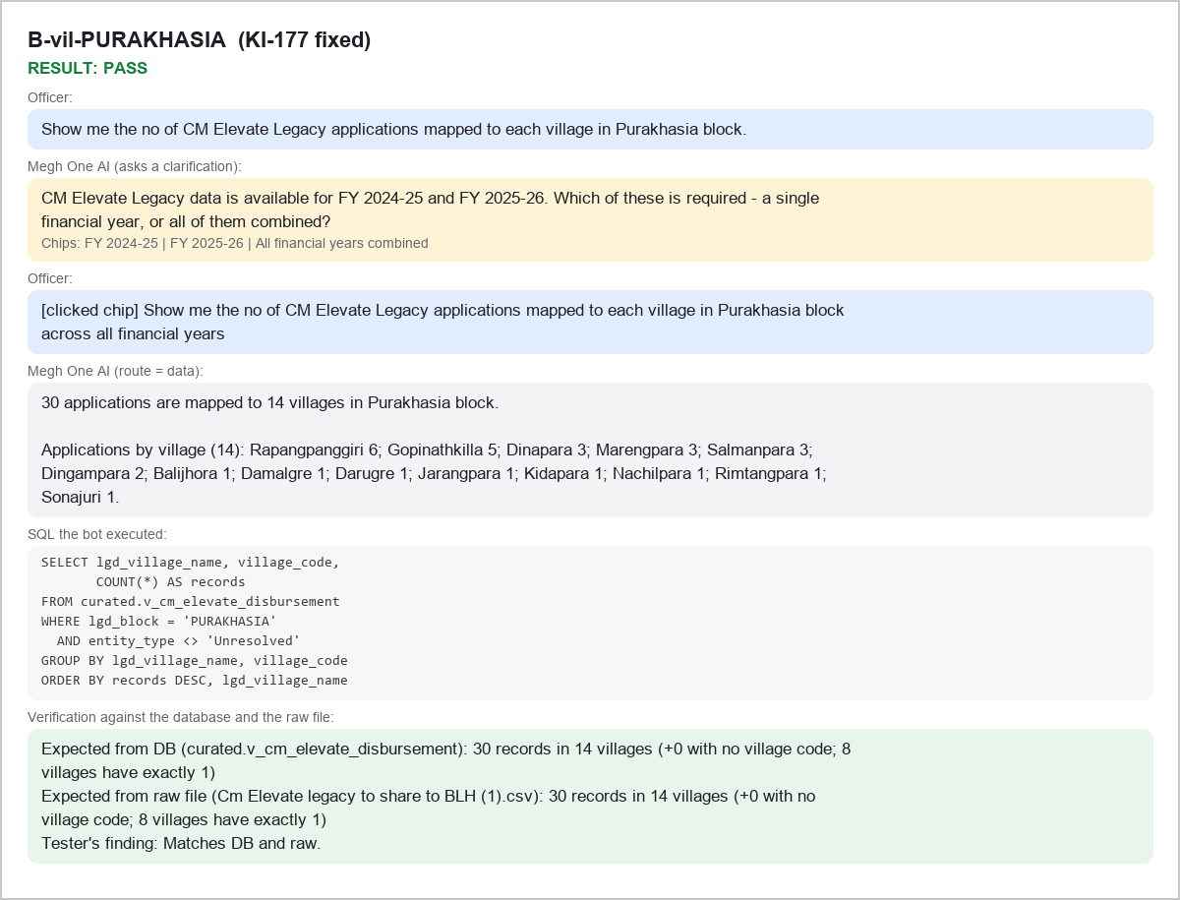
B-vil-PURAKHASIA KI-177 fixed

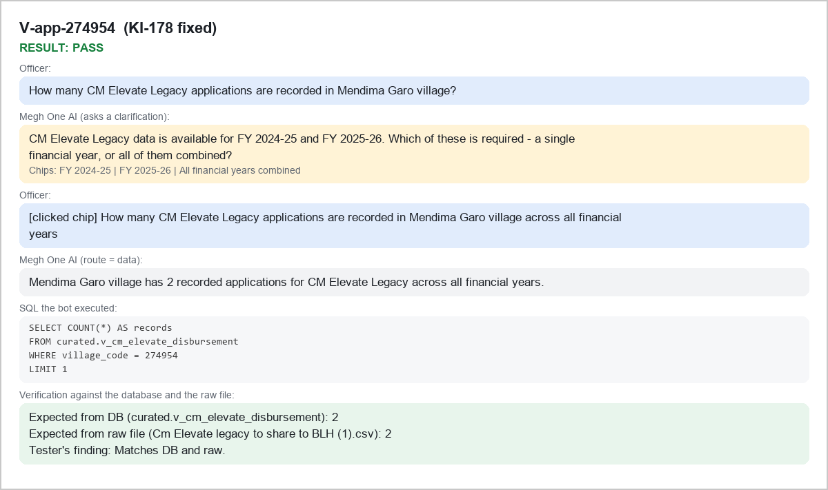
V-app-274954 KI-178 fixed

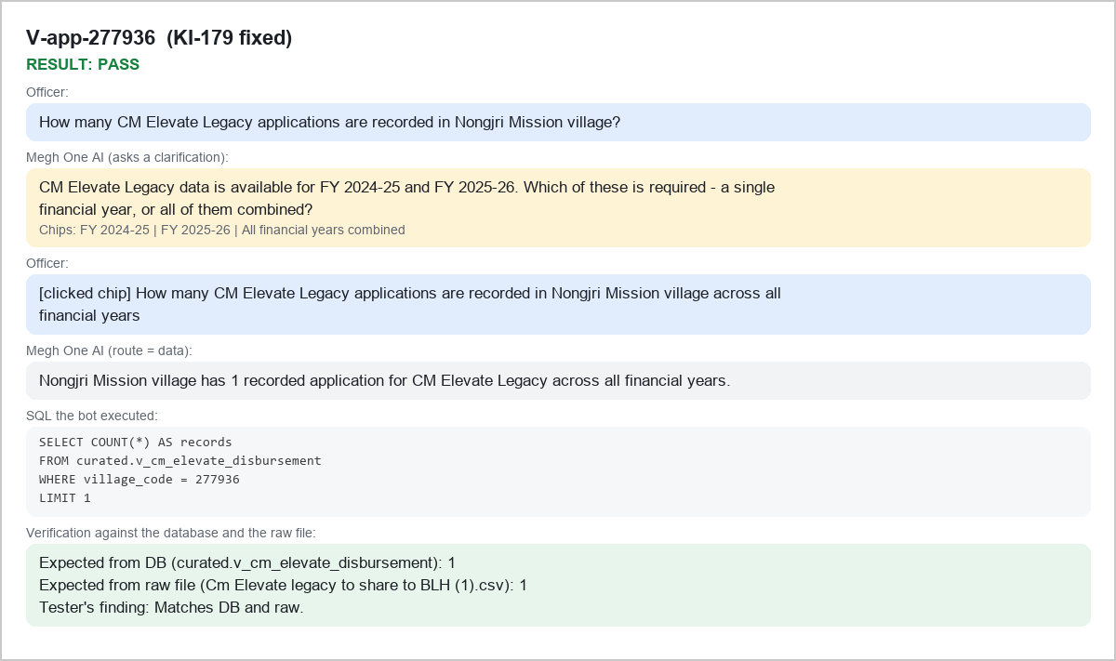
V-app-277936 KI-179 fixed

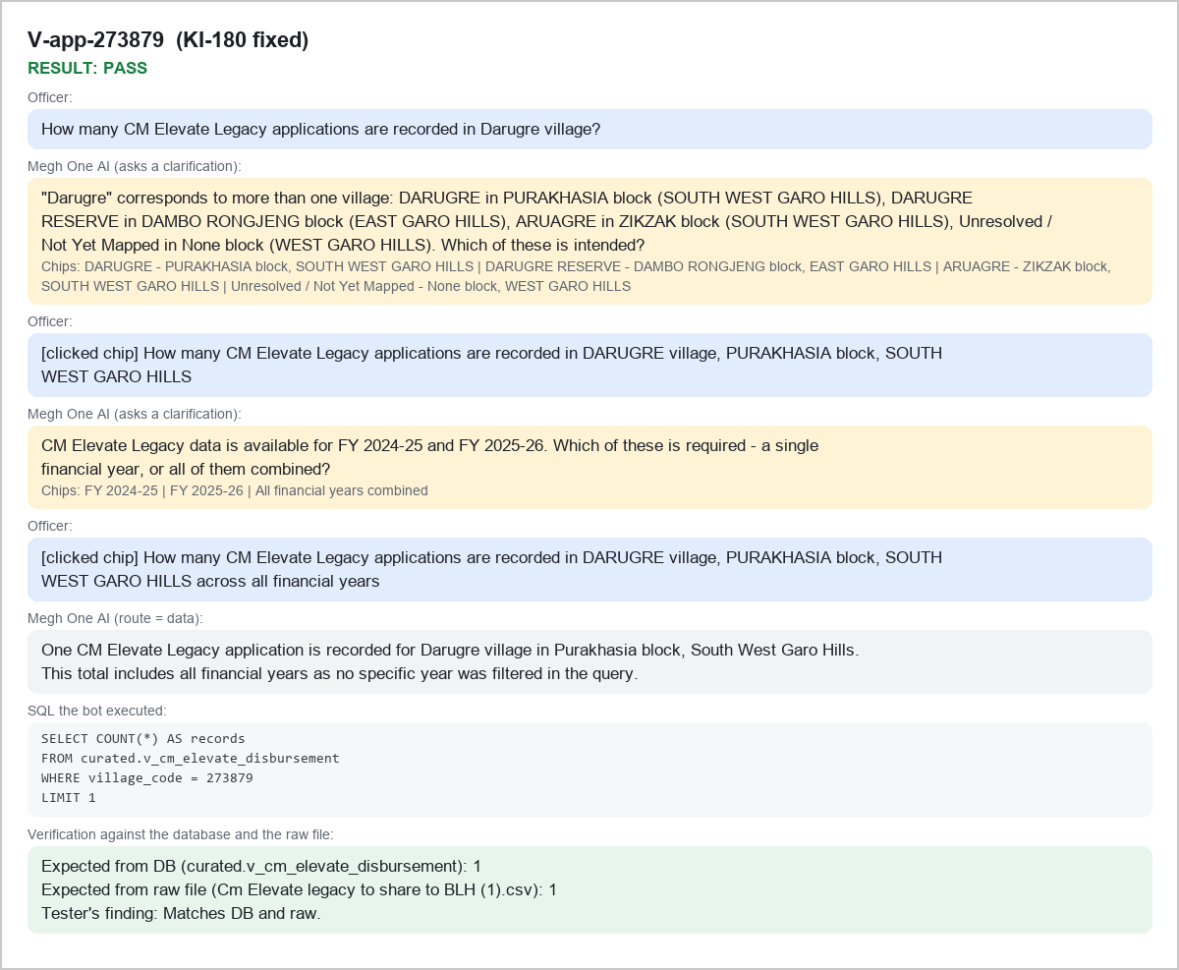
V-app-273879 KI-180 fixed

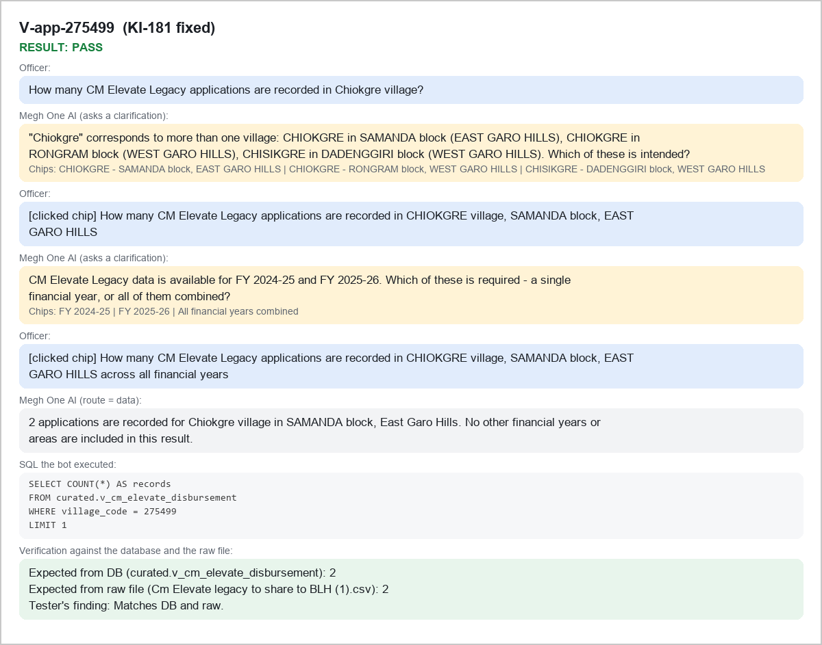
V-app-275499 KI-181 fixed

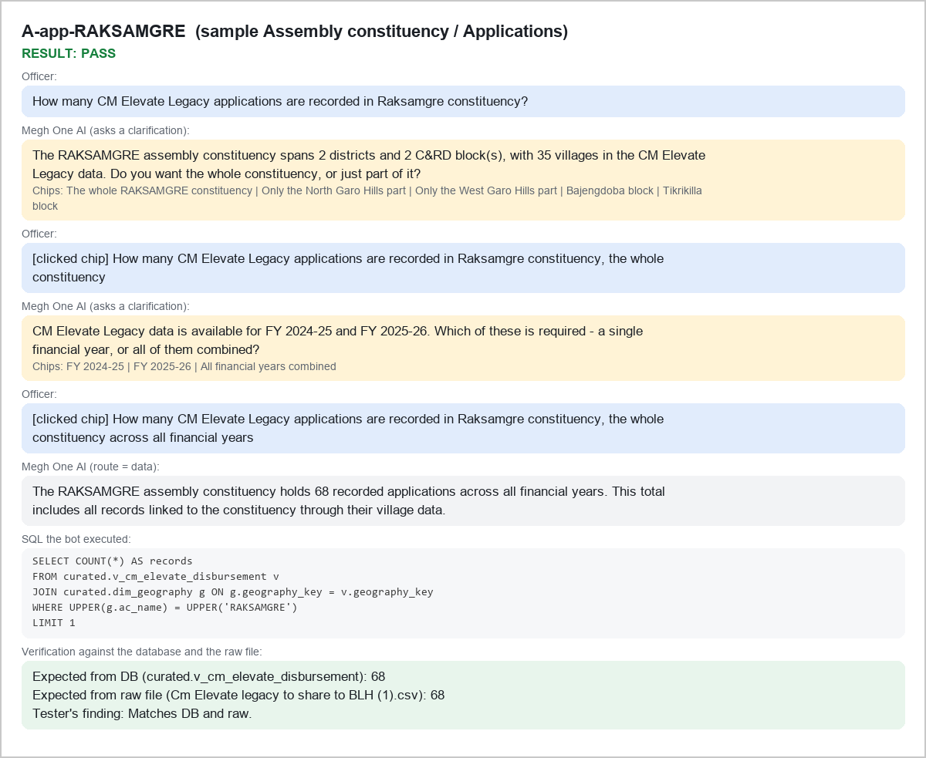
A-app-RAKSAMGRE sample Assembly constituency / Applications

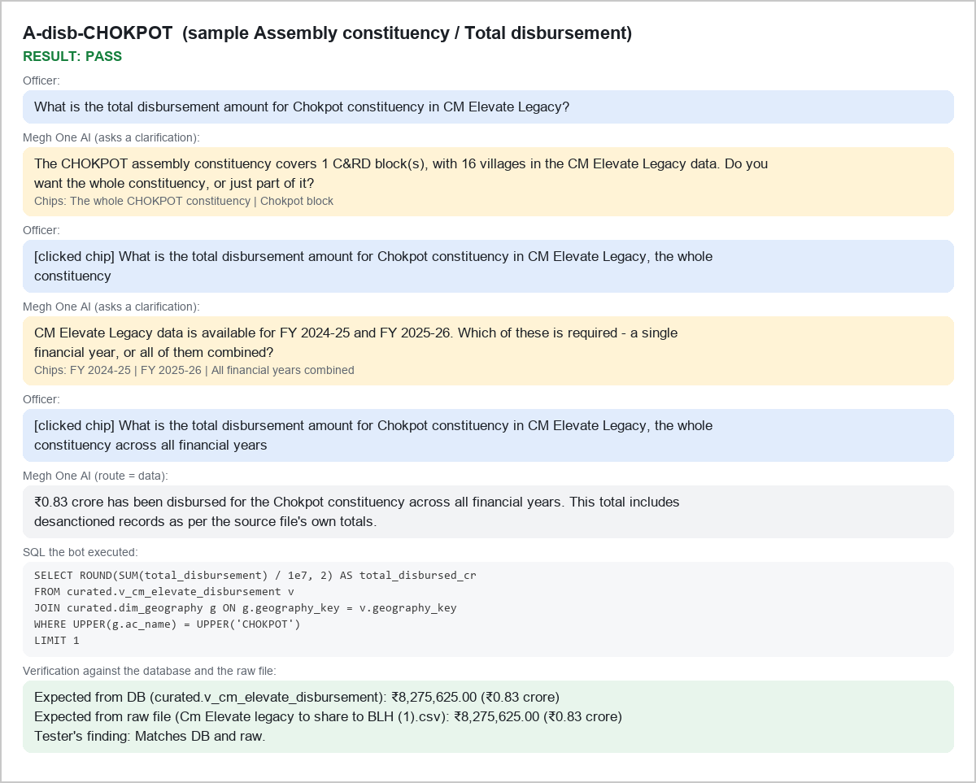
A-disb-CHOKPOT sample Assembly constituency / Total disbursement

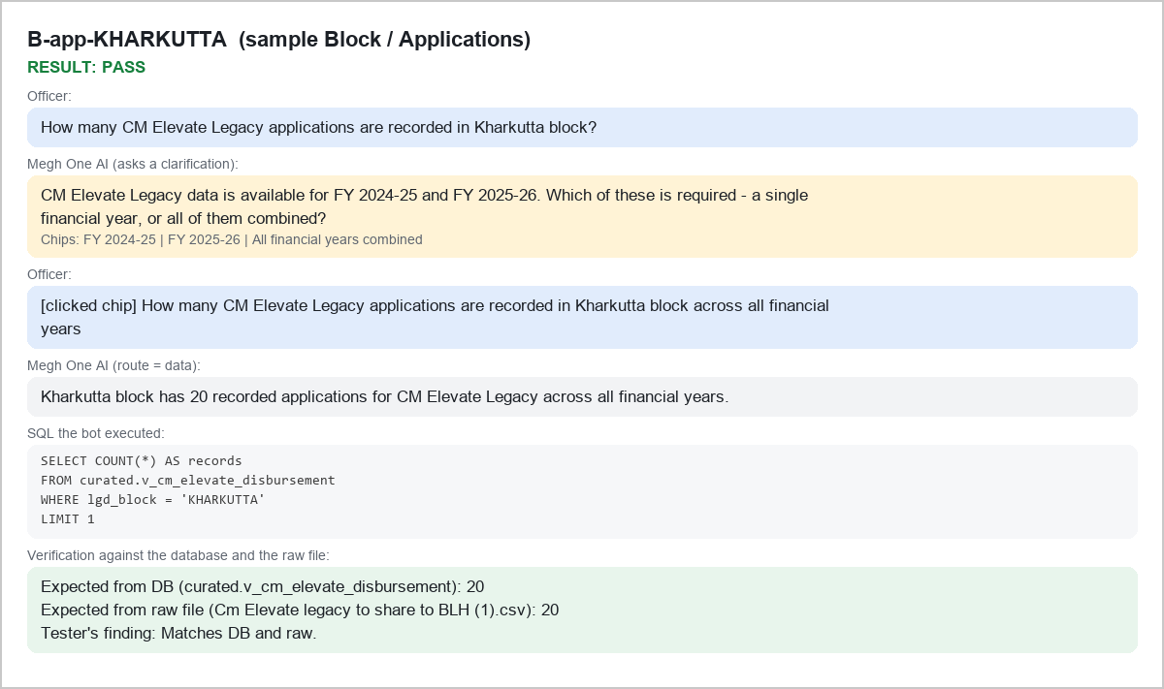
B-app-KHARKUTTA sample Block / Applications

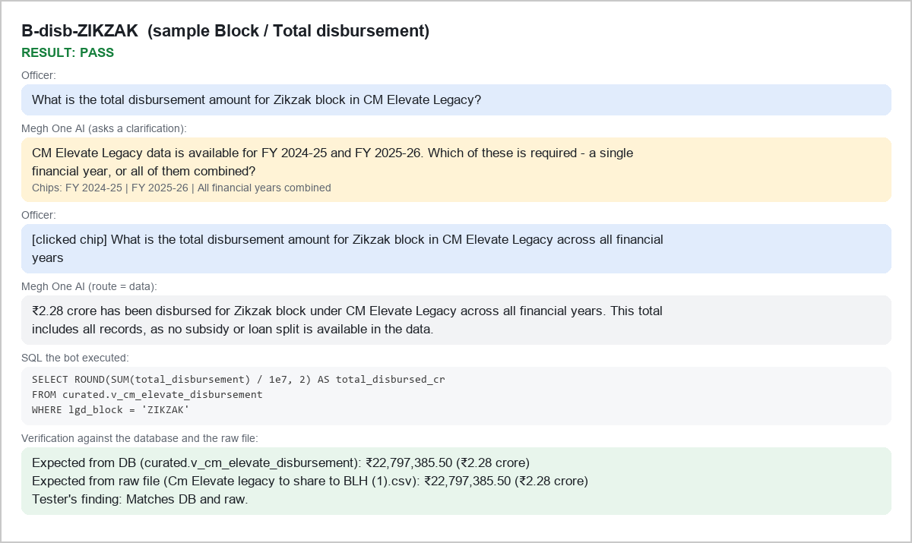
B-disb-ZIKZAK sample Block / Total disbursement

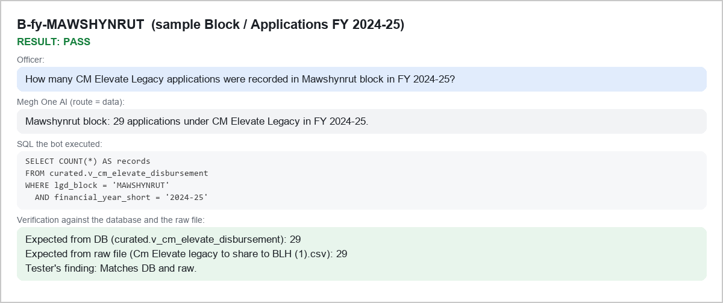
B-fy-MAWSHYNRUT sample Block / Applications FY 2024-25

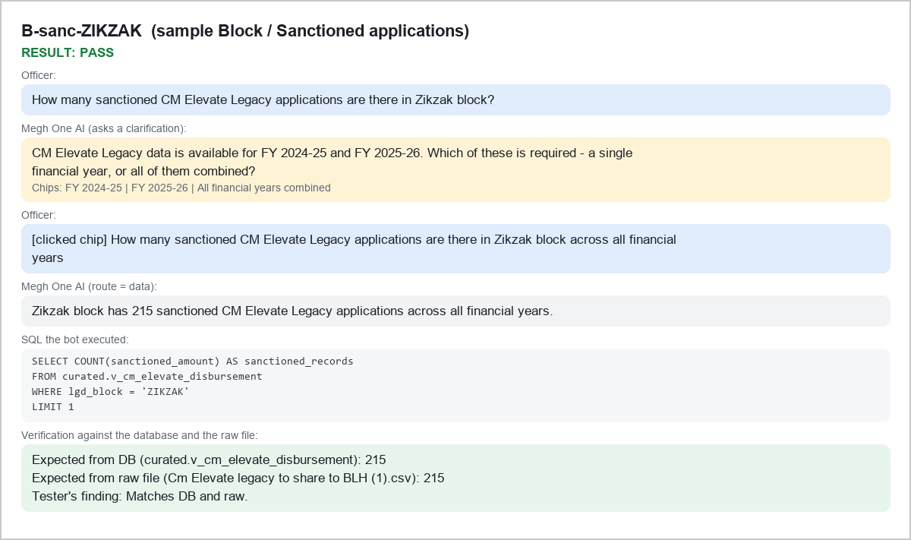
B-sanc-ZIKZAK sample Block / Sanctioned applications

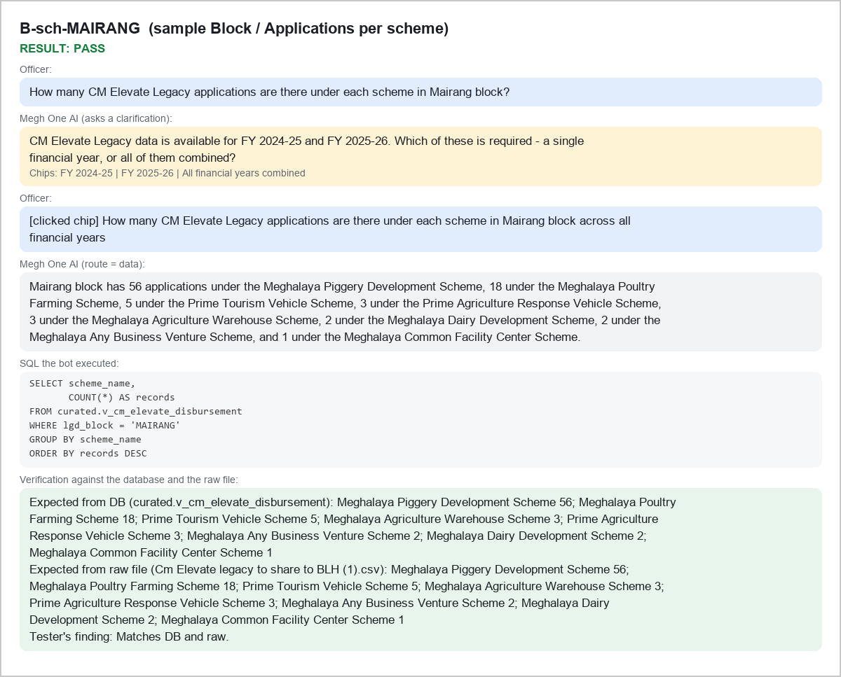
B-sch-MAIRANG sample Block / Applications per scheme

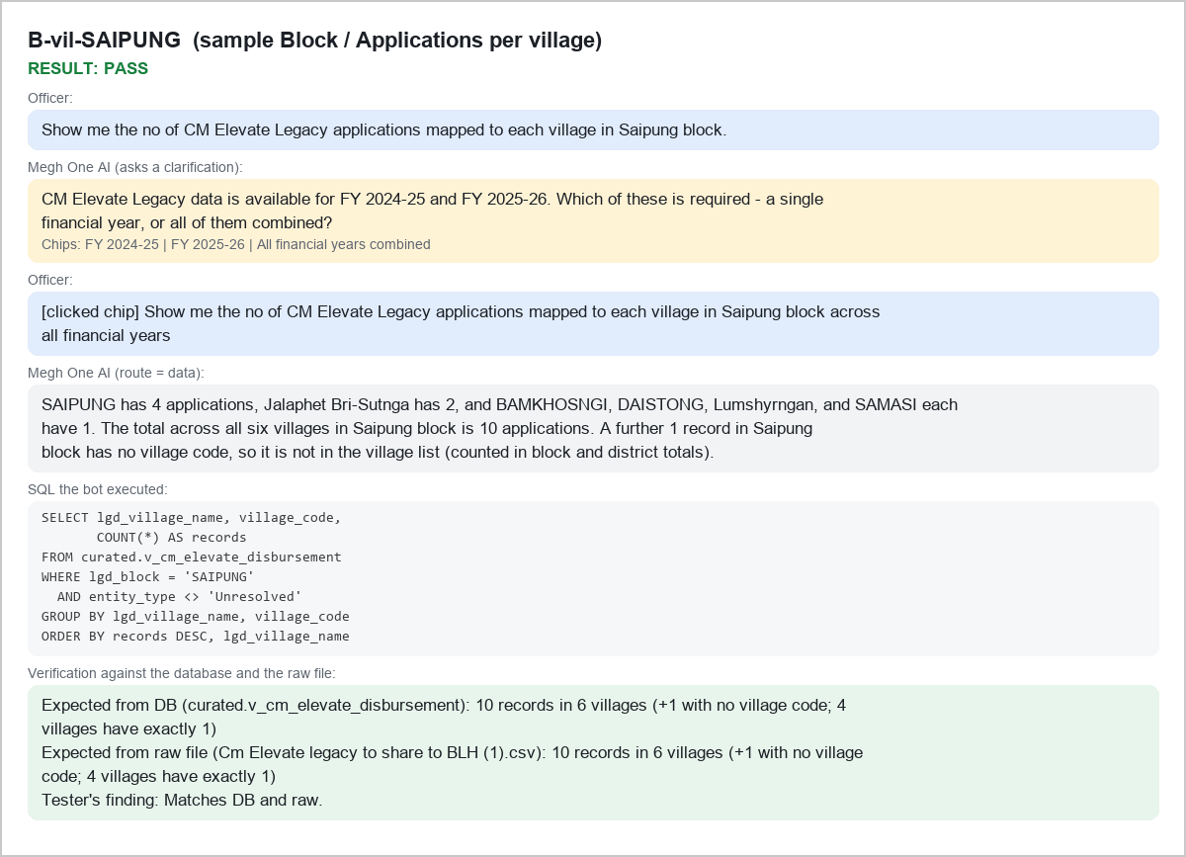
B-vil-SAIPUNG sample Block / Applications per village

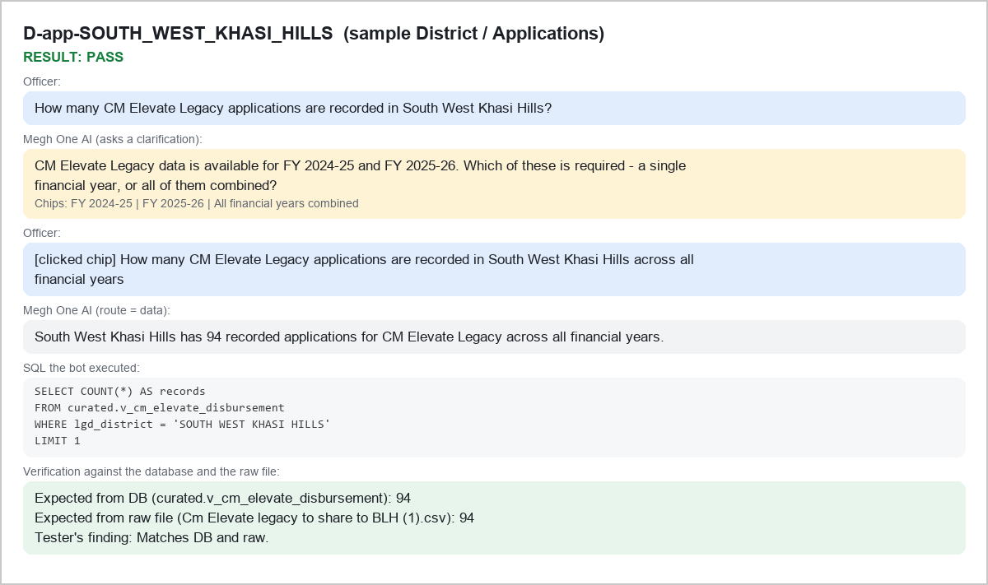
D-app-SOUTH_WEST_KHASI_HILLS sample District / Applications

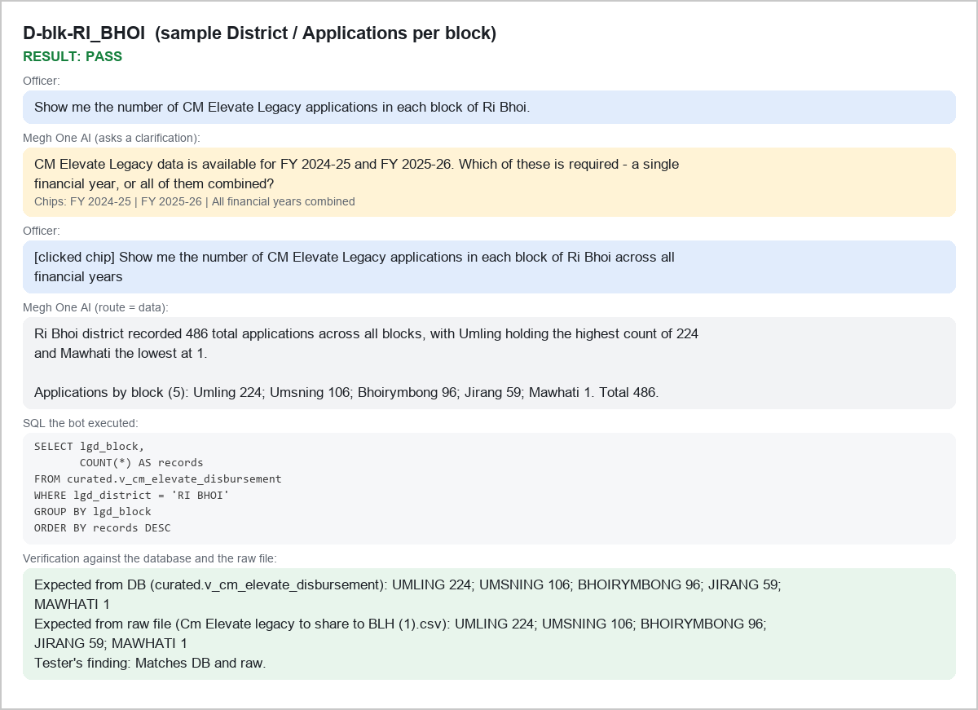
D-blk-RI_BHOI sample District / Applications per block

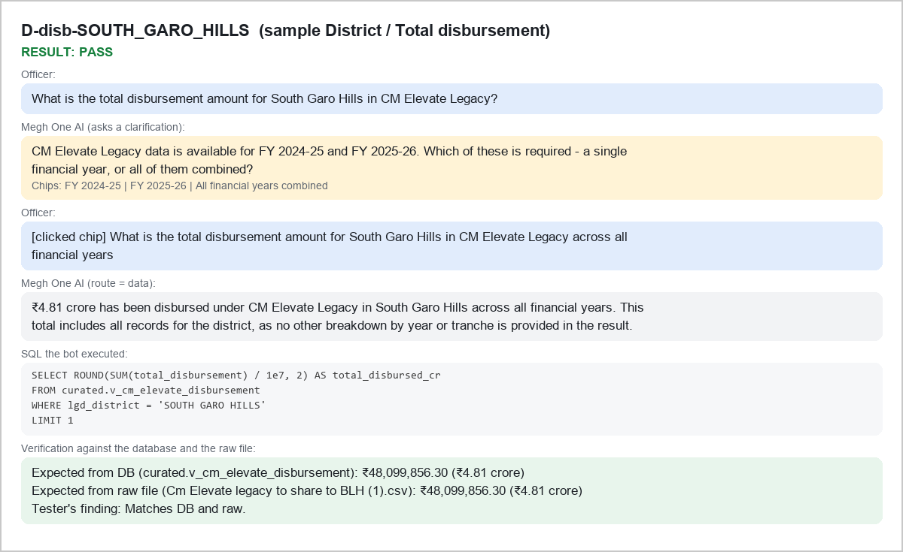
D-disb-SOUTH_GARO_HILLS sample District / Total disbursement

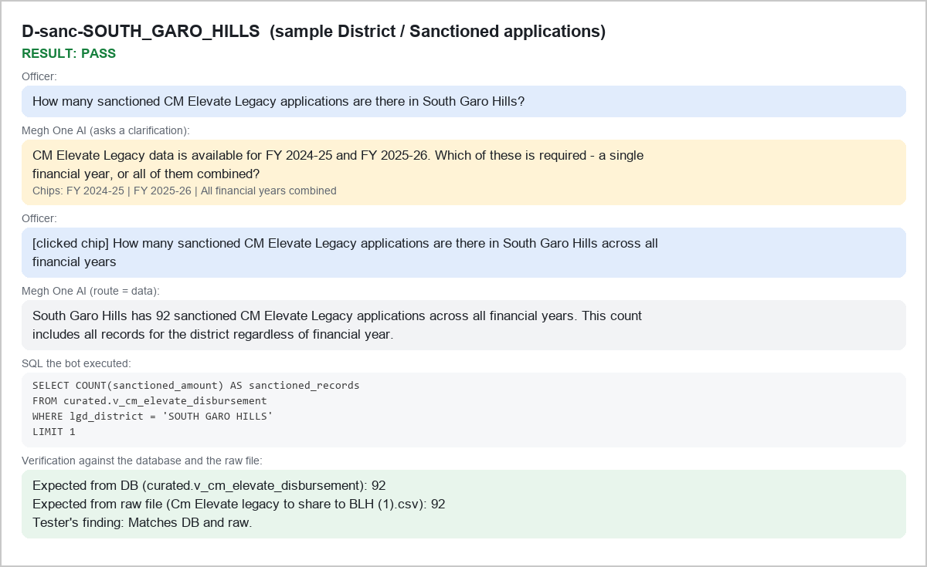
D-sanc-SOUTH_GARO_HILLS sample District / Sanctioned applications

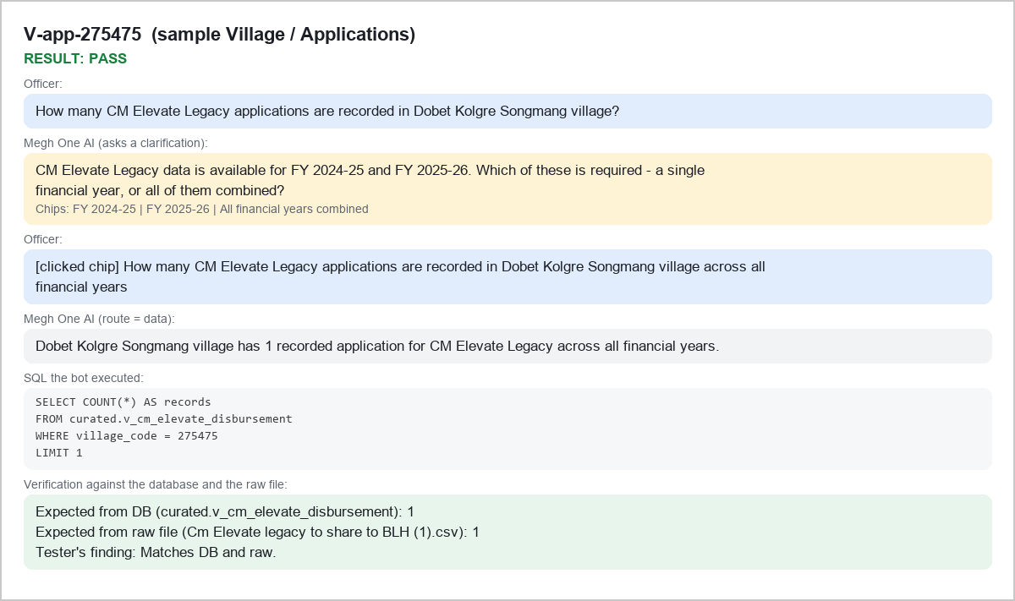
V-app-275475 sample Village / Applications

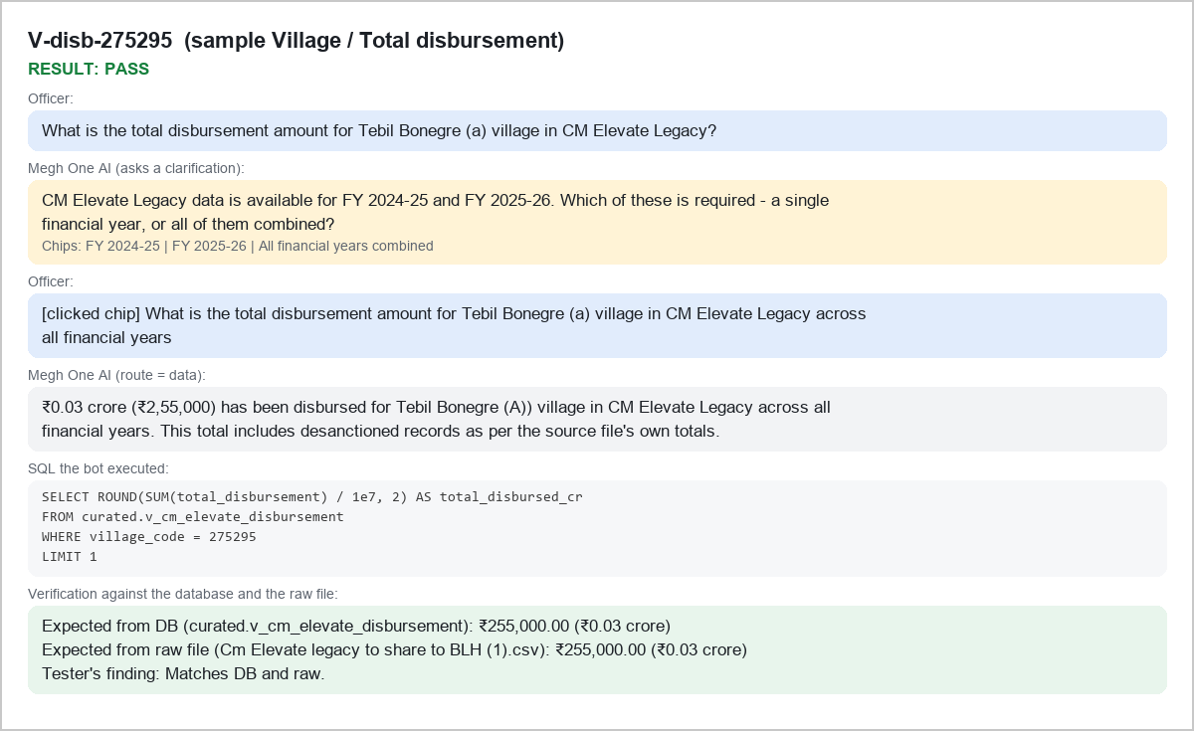
V-disb-275295 sample Village / Total disbursement

