Evidence
Evidence screenshots (run A) — the bot conversation, its SQL, and Bot vs DB vs Raw

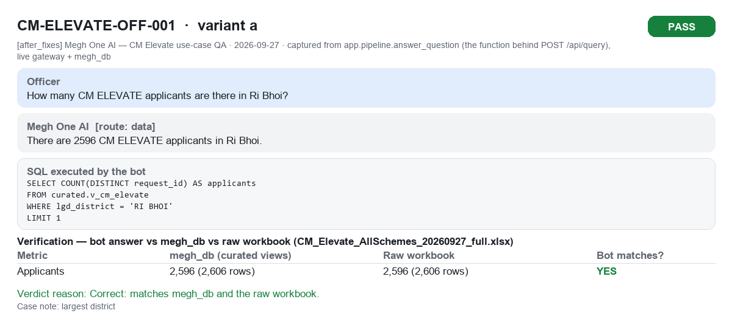
CM-ELEVATE-OFF-001a PASS

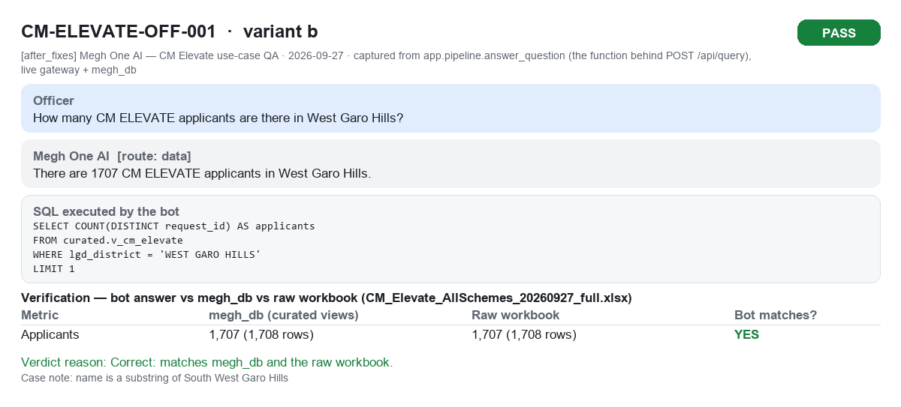
CM-ELEVATE-OFF-001b PASS

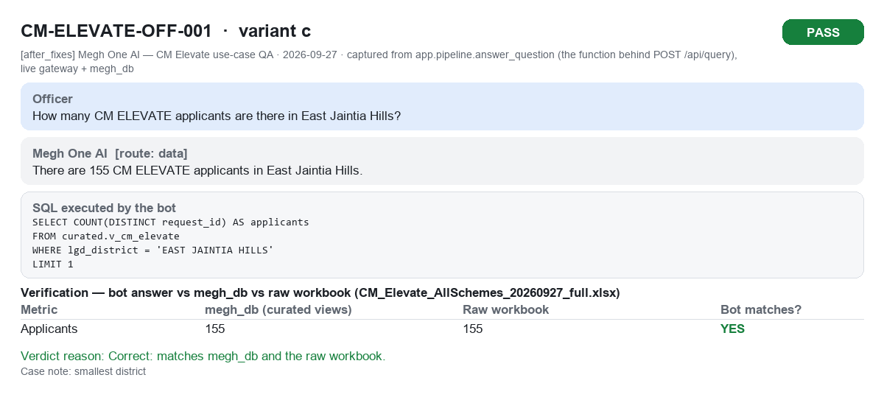
CM-ELEVATE-OFF-001c PASS

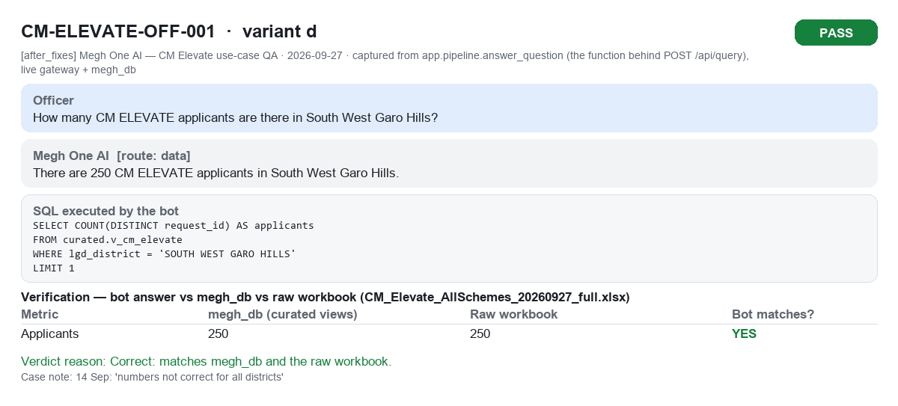
CM-ELEVATE-OFF-001d PASS

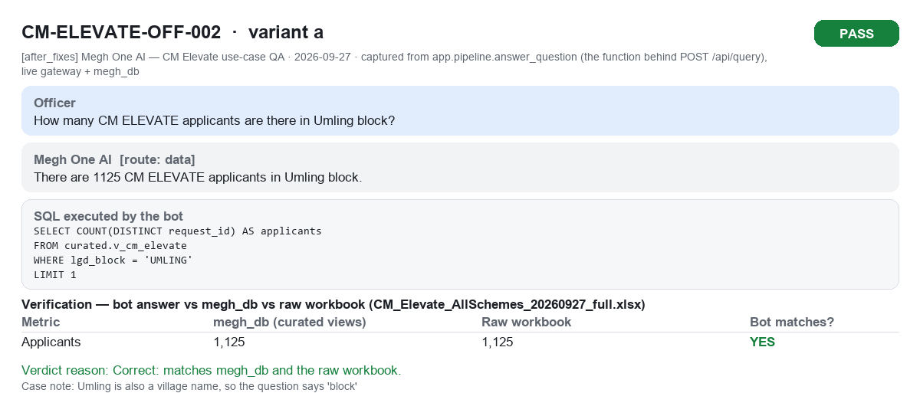
CM-ELEVATE-OFF-002a PASS

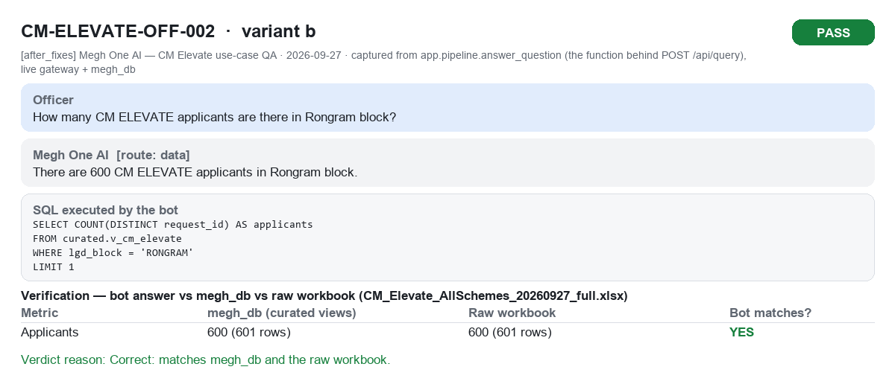
CM-ELEVATE-OFF-002b PASS

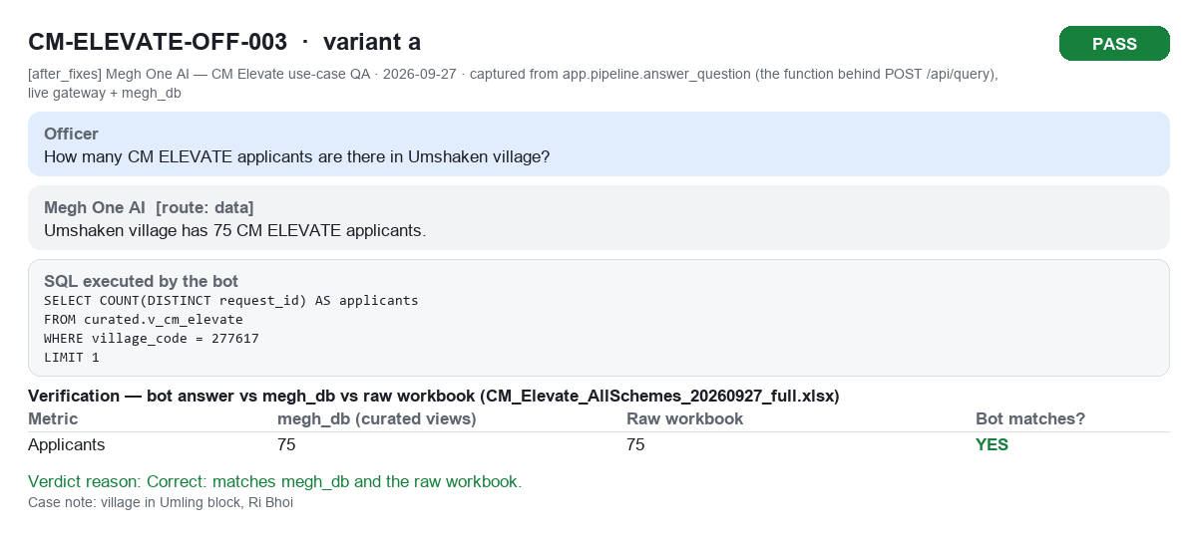
CM-ELEVATE-OFF-003a PASS


CM-ELEVATE-OFF-003b PASS

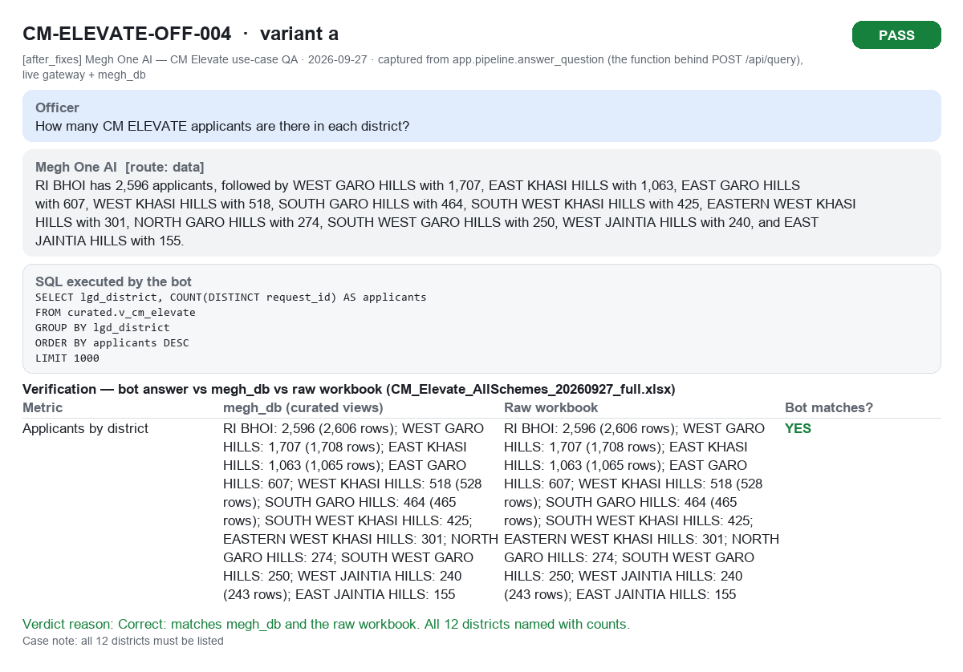
CM-ELEVATE-OFF-004a PASS

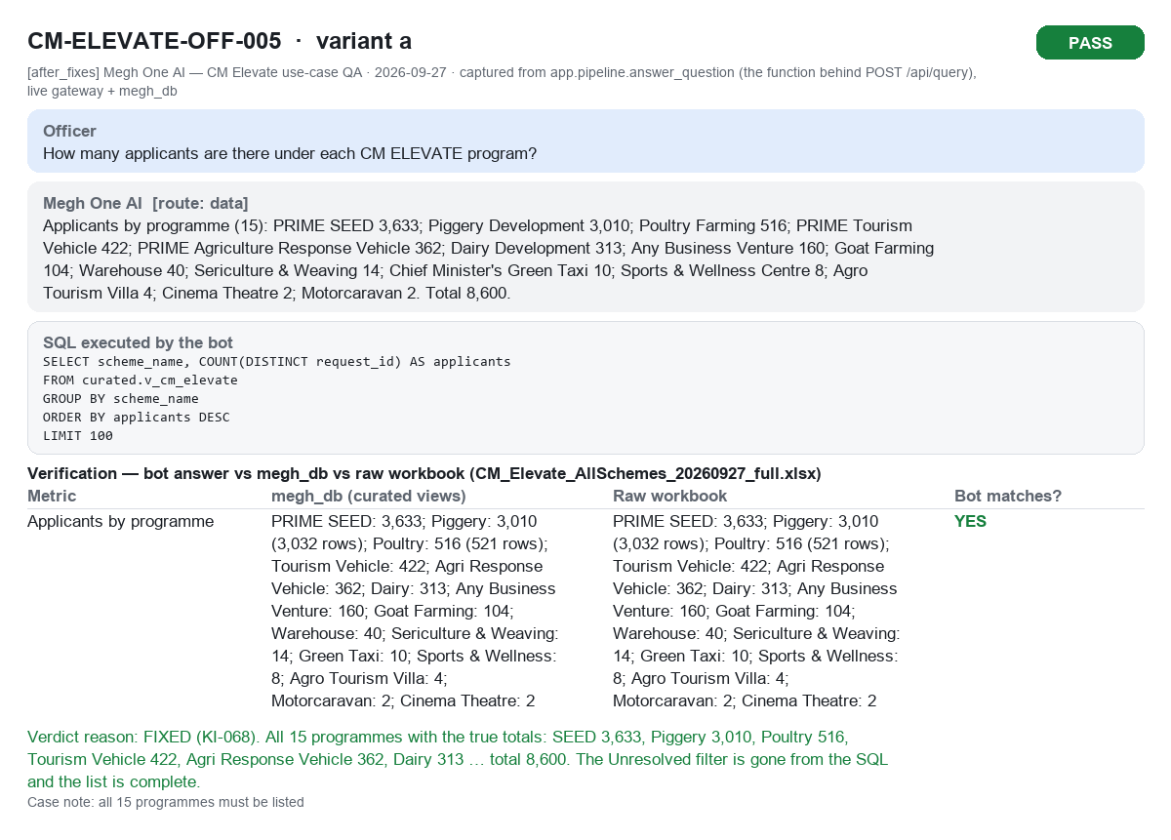
CM-ELEVATE-OFF-005a PASS

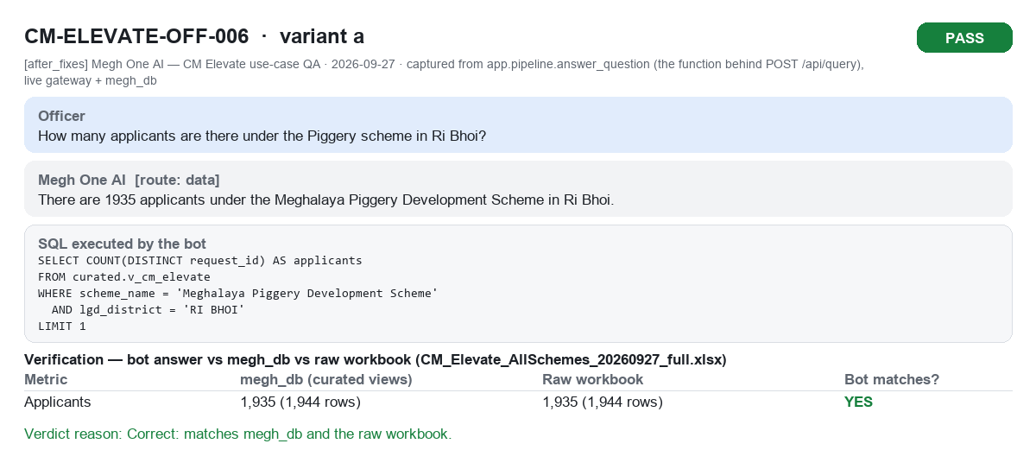
CM-ELEVATE-OFF-006a PASS

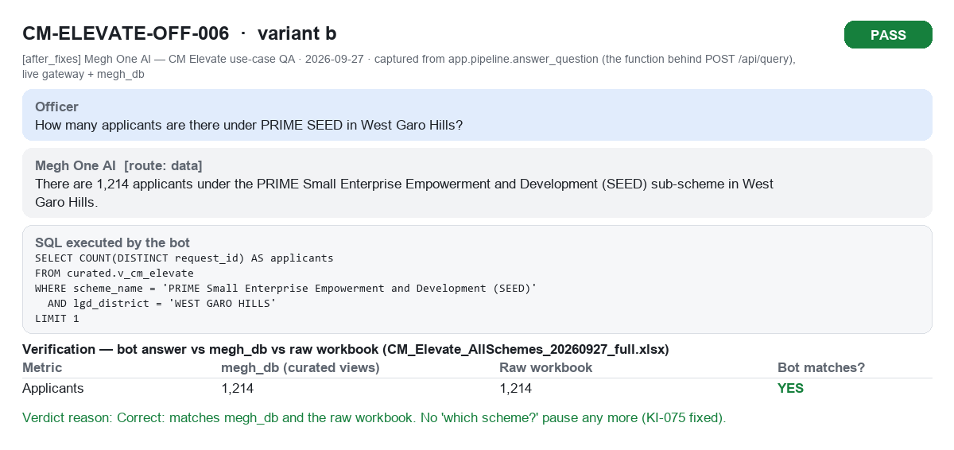
CM-ELEVATE-OFF-006b PASS

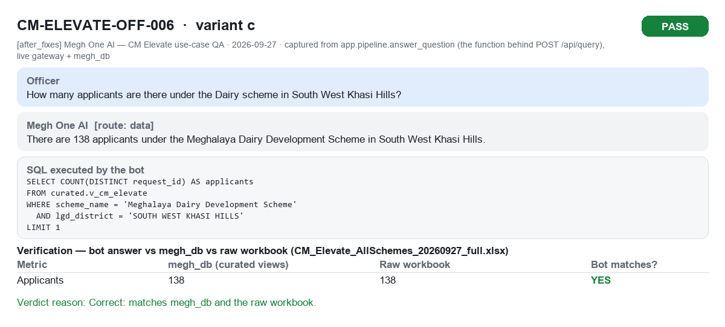
CM-ELEVATE-OFF-006c PASS

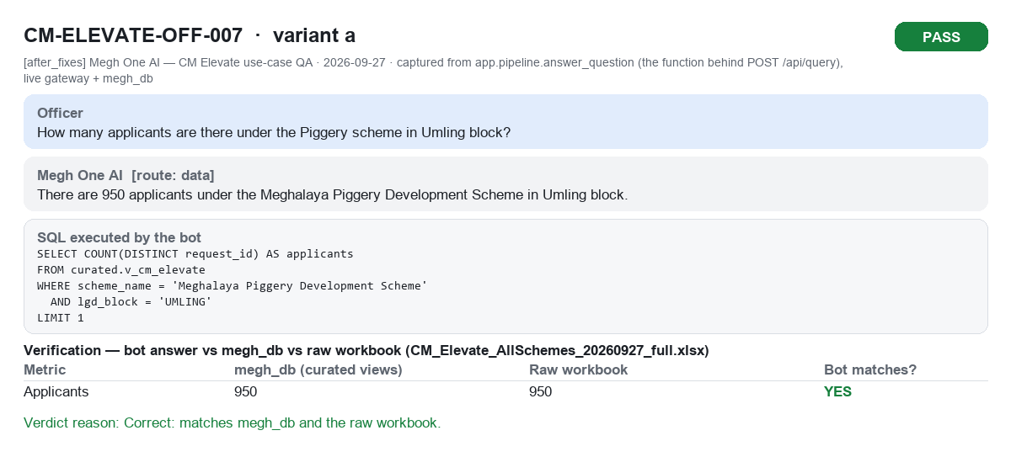
CM-ELEVATE-OFF-007a PASS

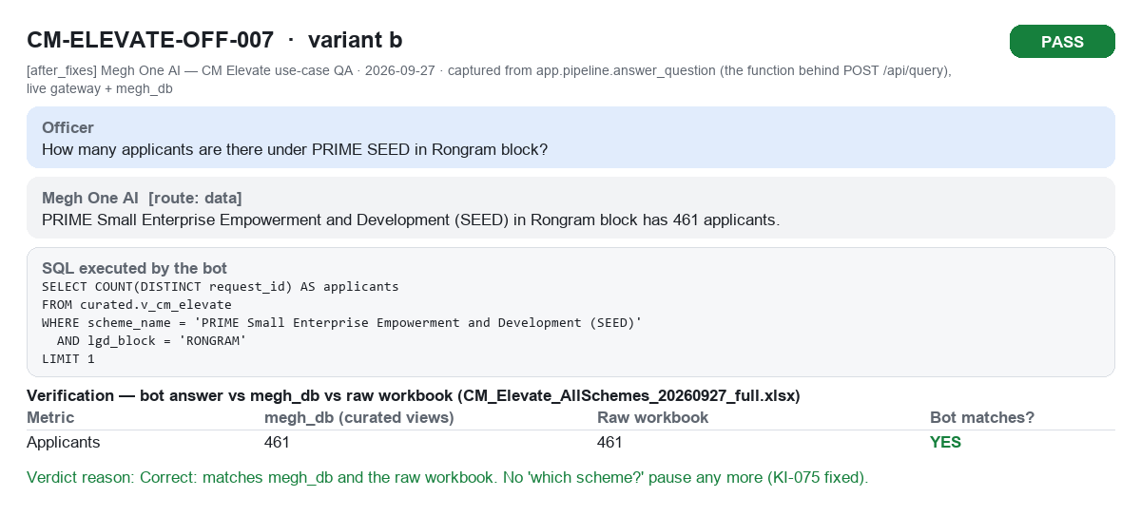
CM-ELEVATE-OFF-007b PASS


CM-ELEVATE-OFF-008a PASS

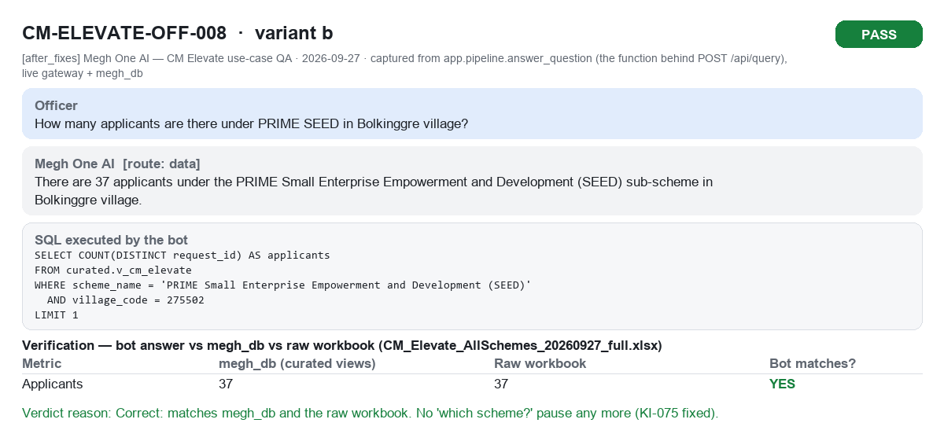
CM-ELEVATE-OFF-008b PASS

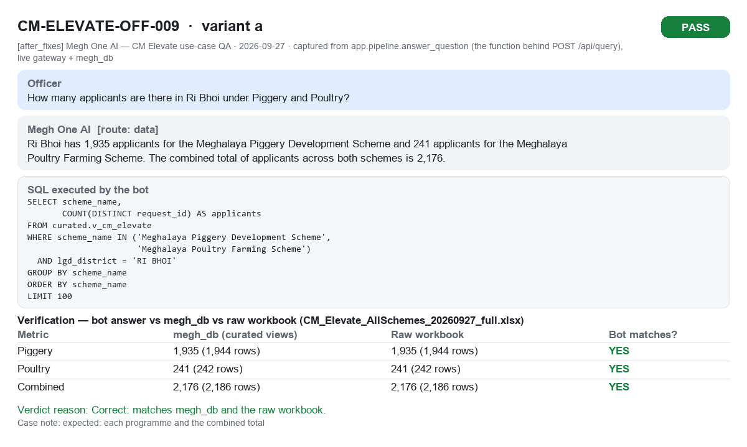
CM-ELEVATE-OFF-009a PASS

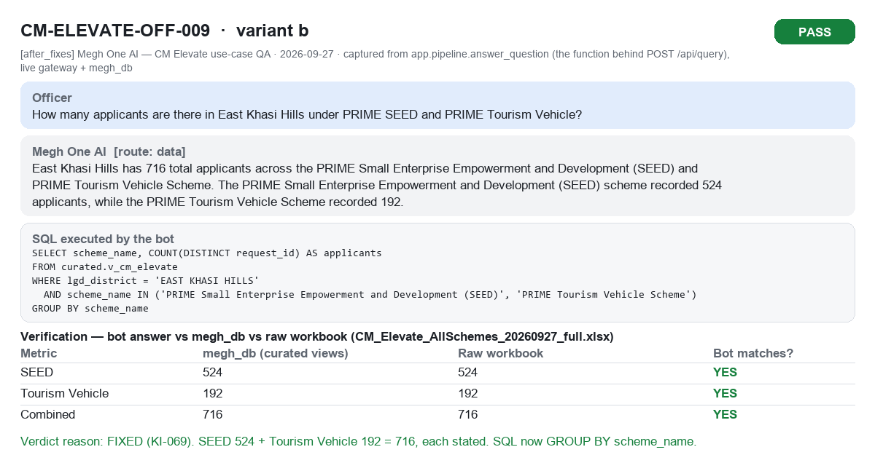
CM-ELEVATE-OFF-009b PASS

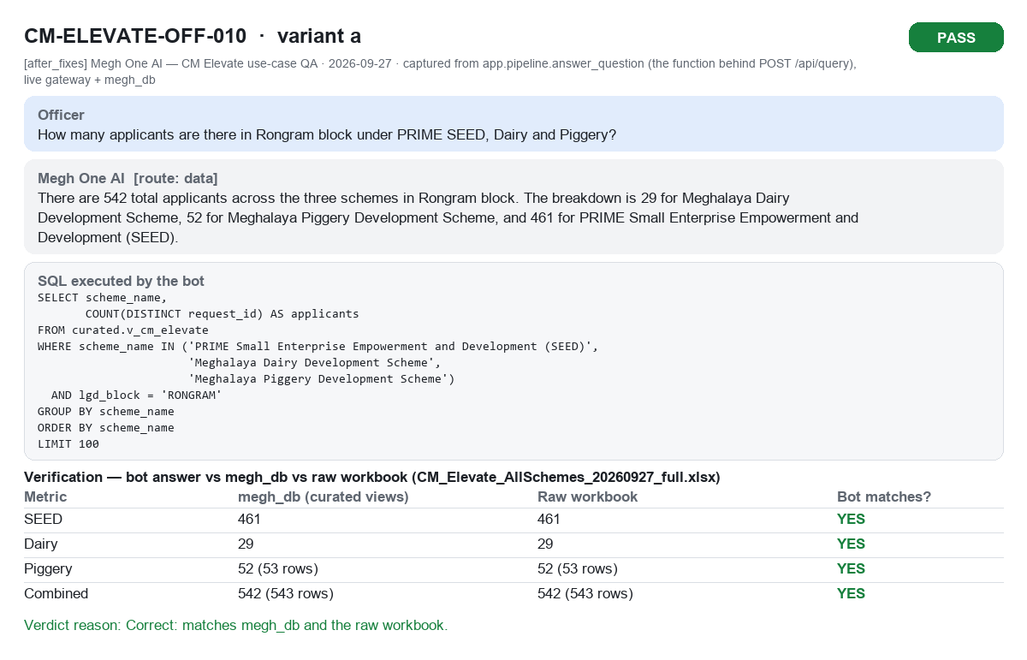
CM-ELEVATE-OFF-010a PASS

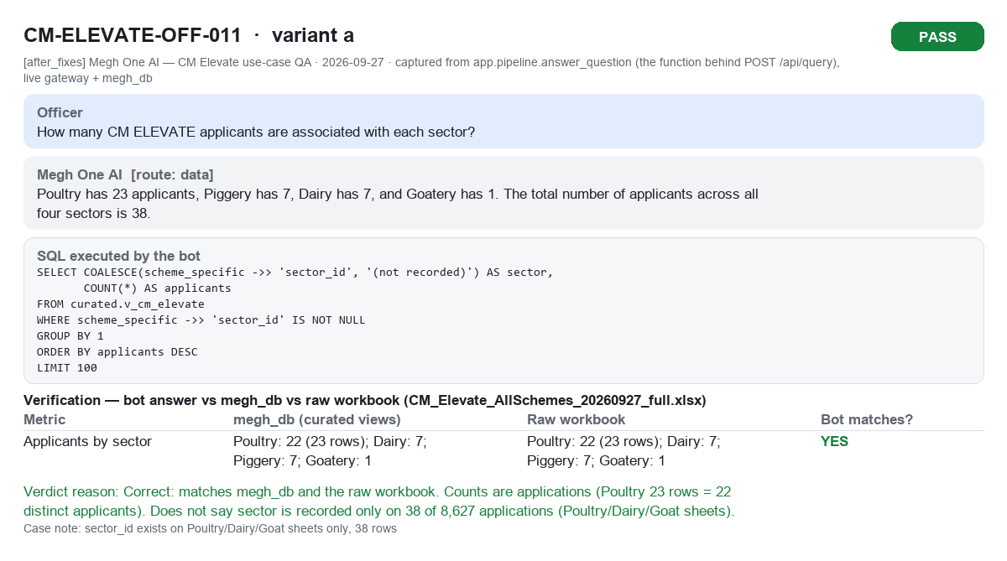
CM-ELEVATE-OFF-011a PASS

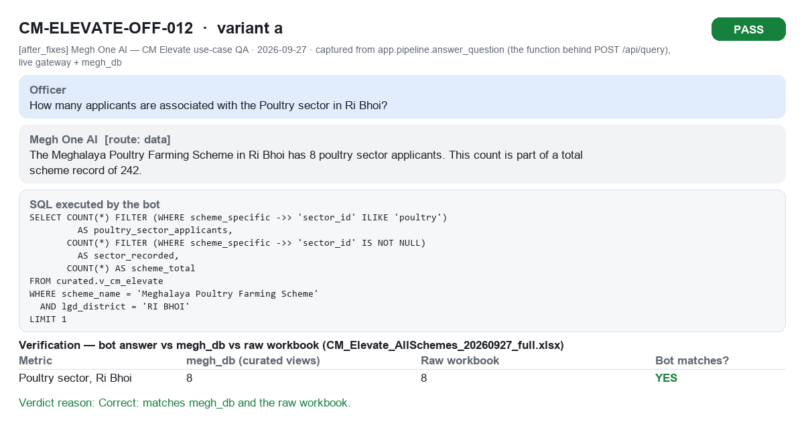
CM-ELEVATE-OFF-012a PASS

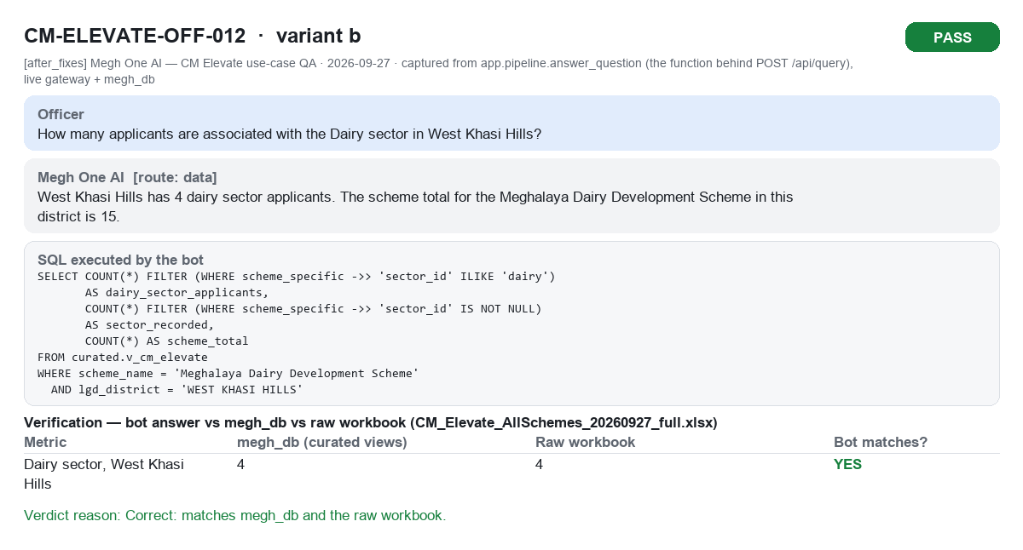
CM-ELEVATE-OFF-012b PASS

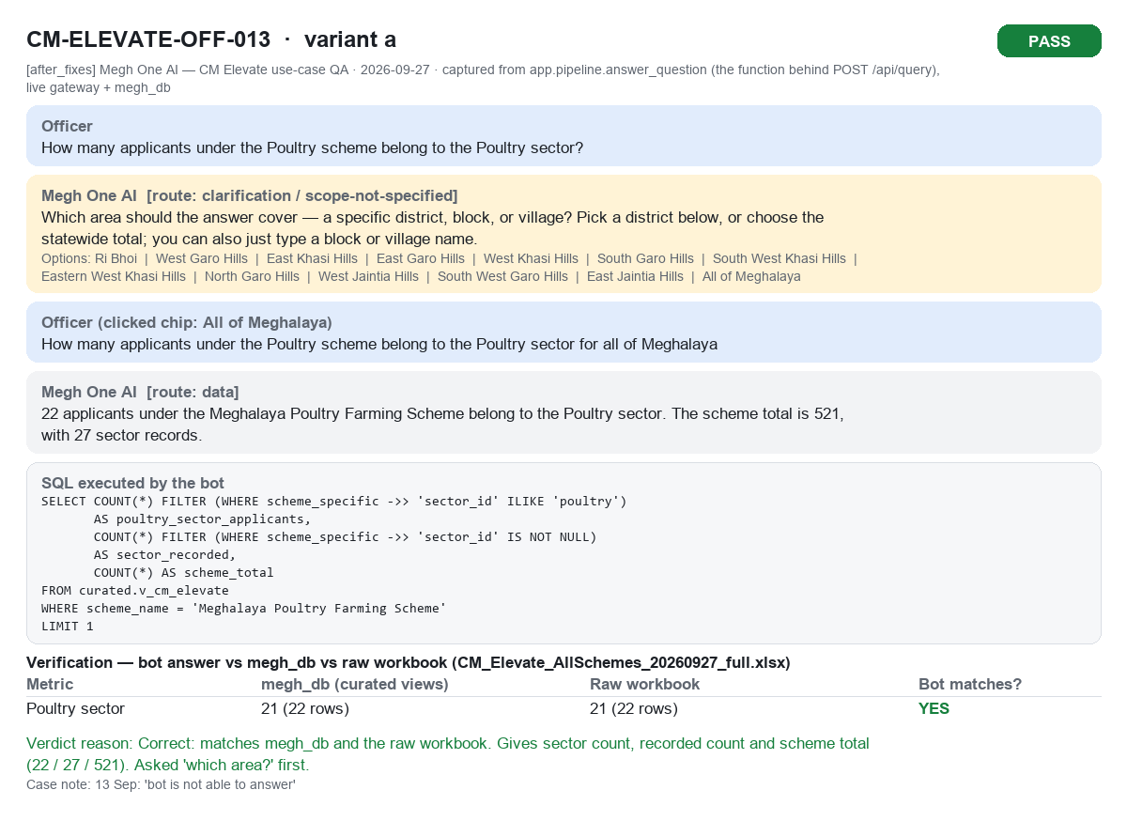
CM-ELEVATE-OFF-013a PASS

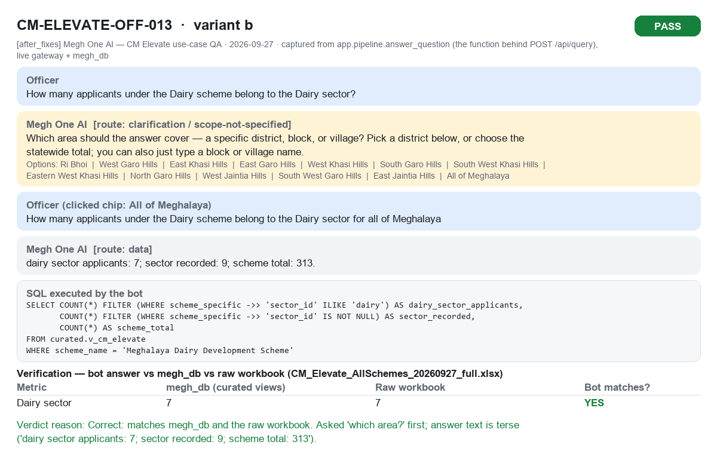
CM-ELEVATE-OFF-013b PASS

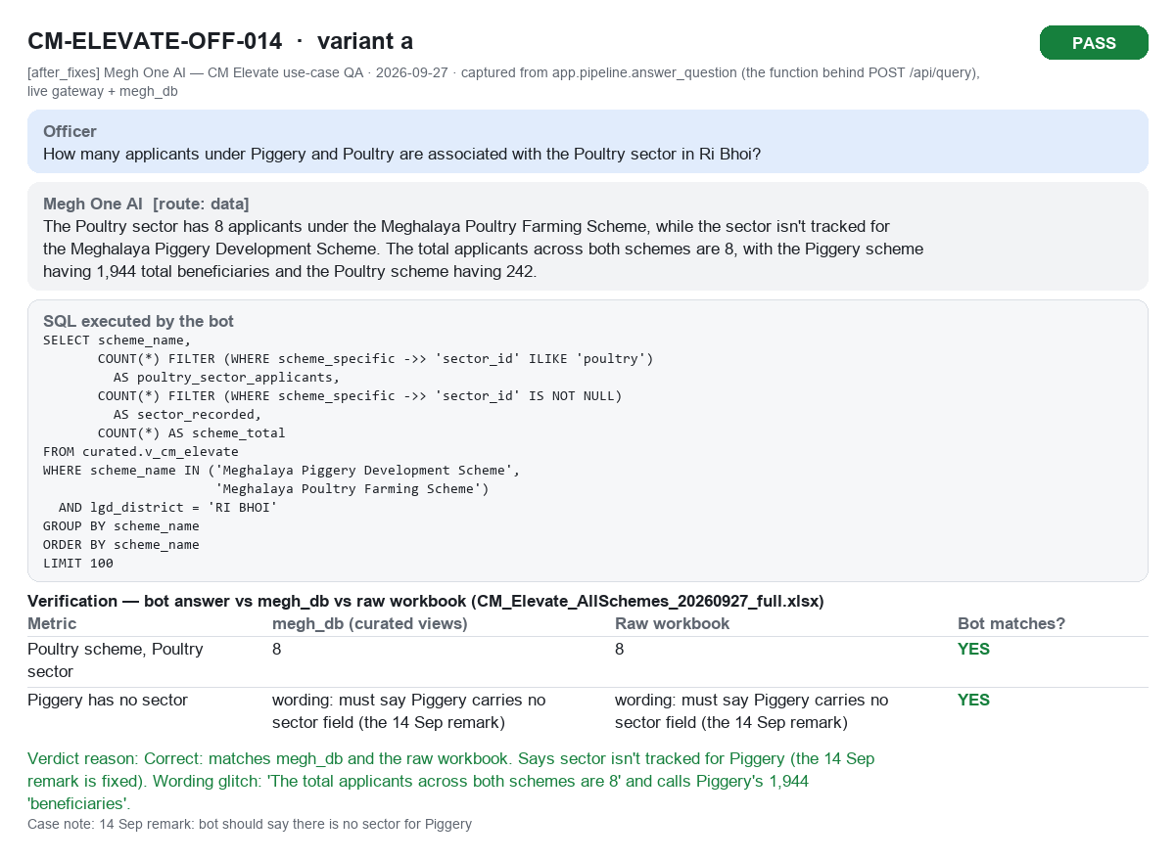
CM-ELEVATE-OFF-014a PASS

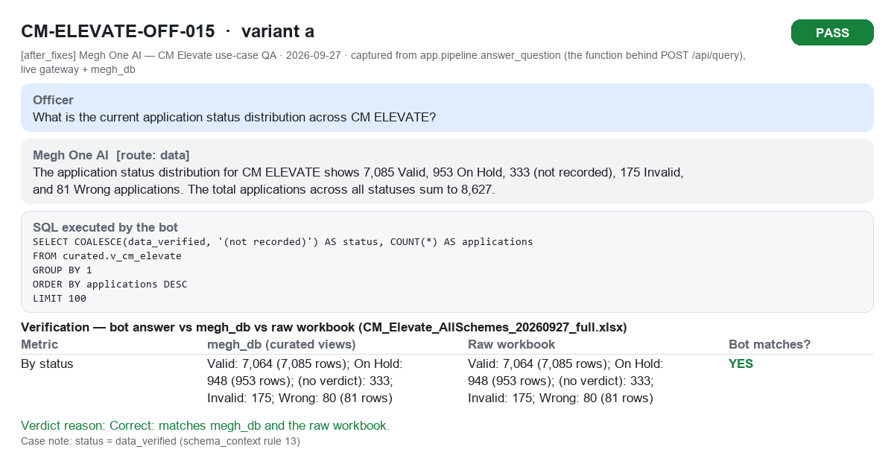
CM-ELEVATE-OFF-015a PASS

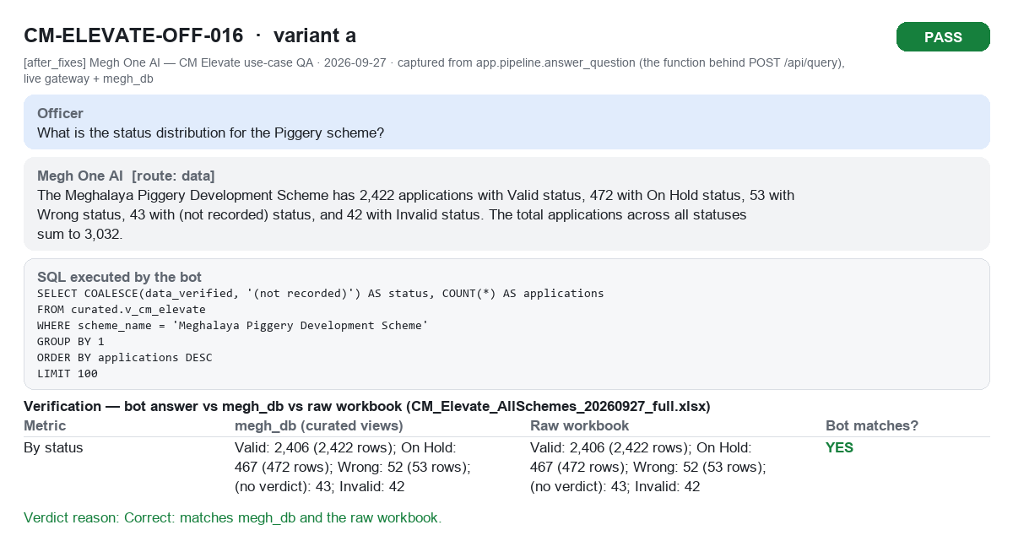
CM-ELEVATE-OFF-016a PASS

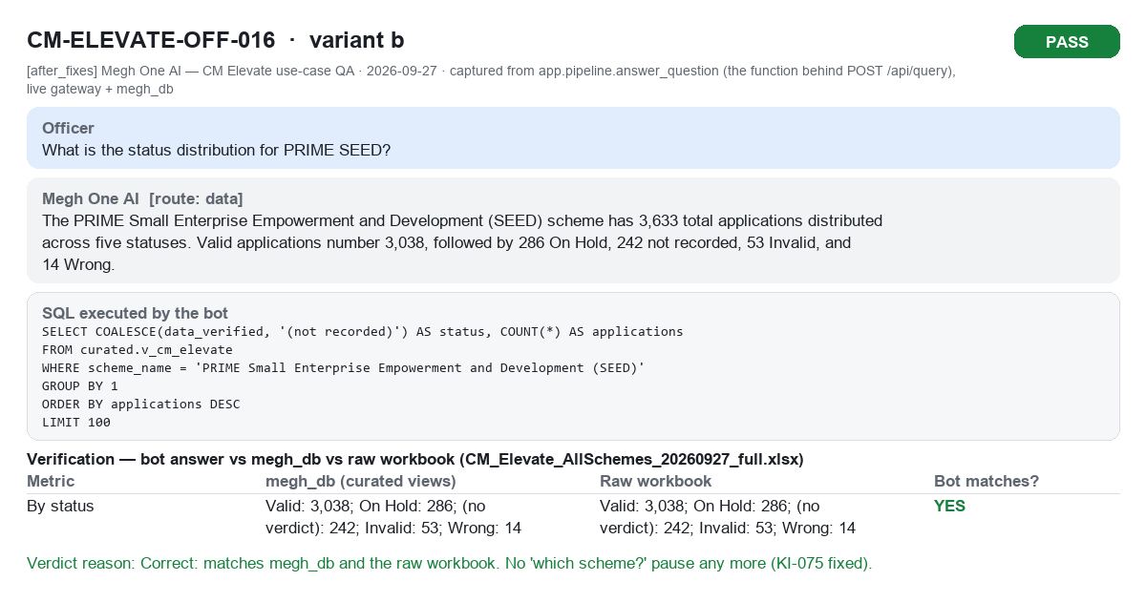
CM-ELEVATE-OFF-016b PASS

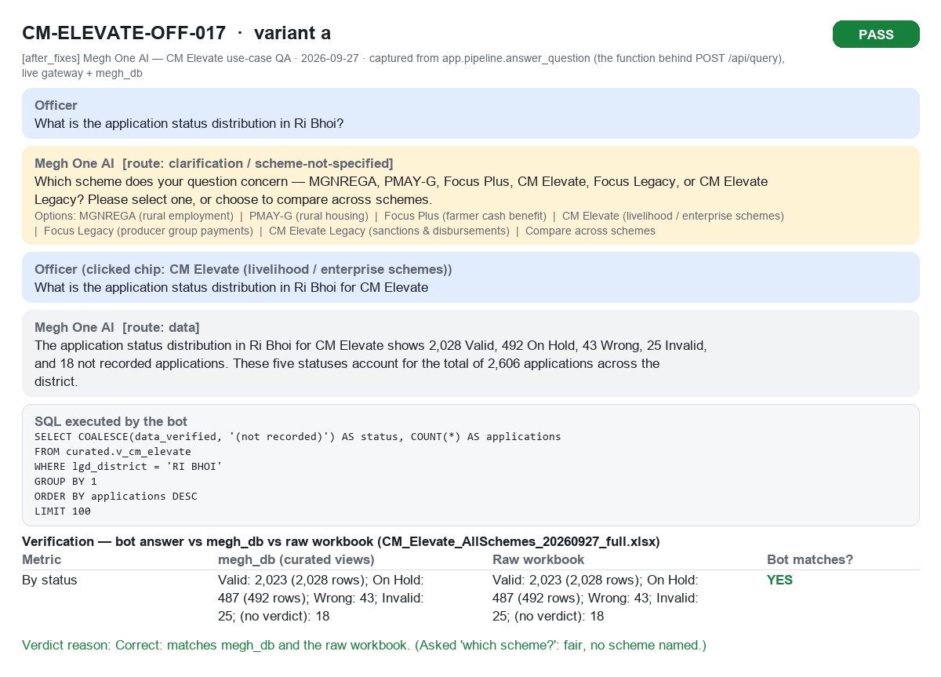
CM-ELEVATE-OFF-017a PASS

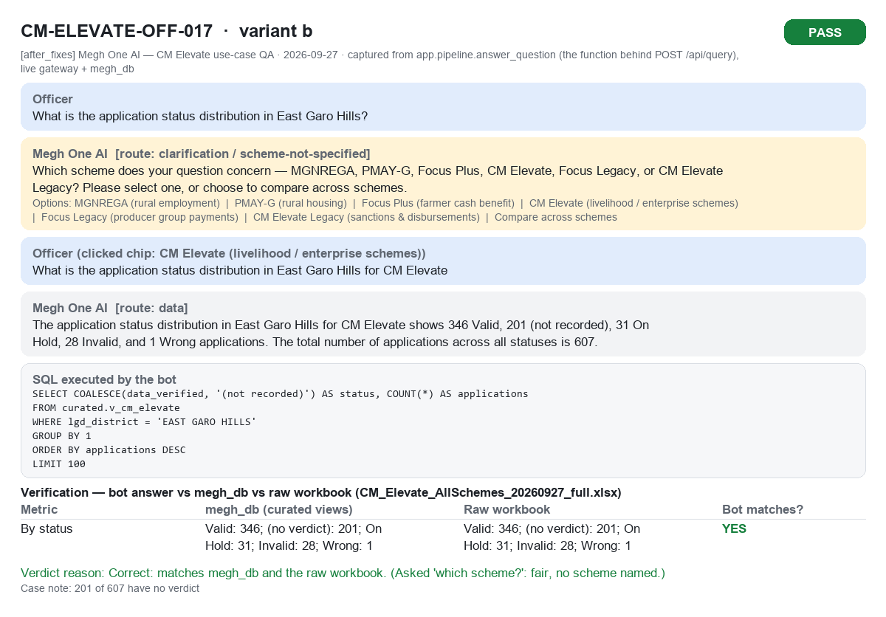
CM-ELEVATE-OFF-017b PASS

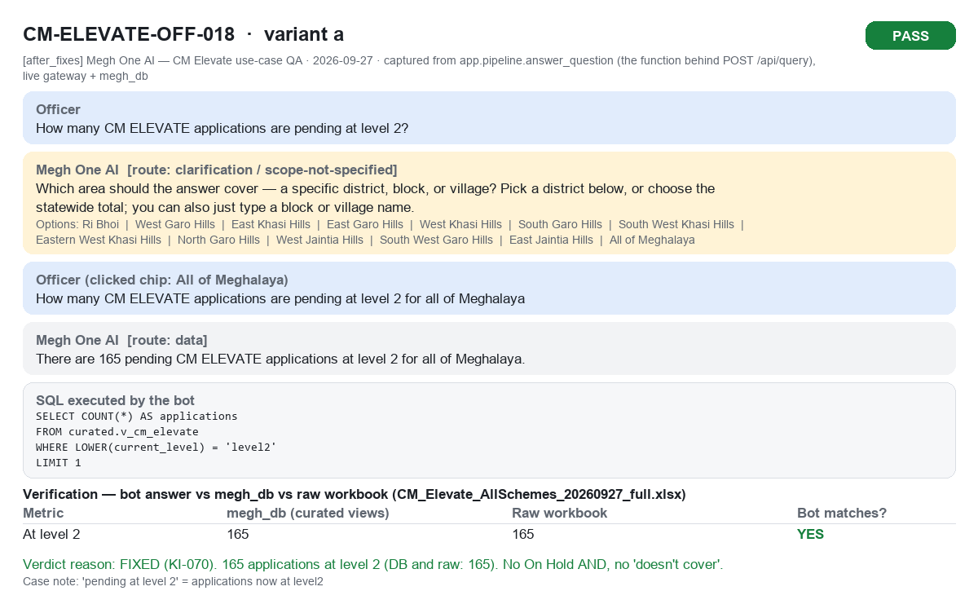
CM-ELEVATE-OFF-018a PASS

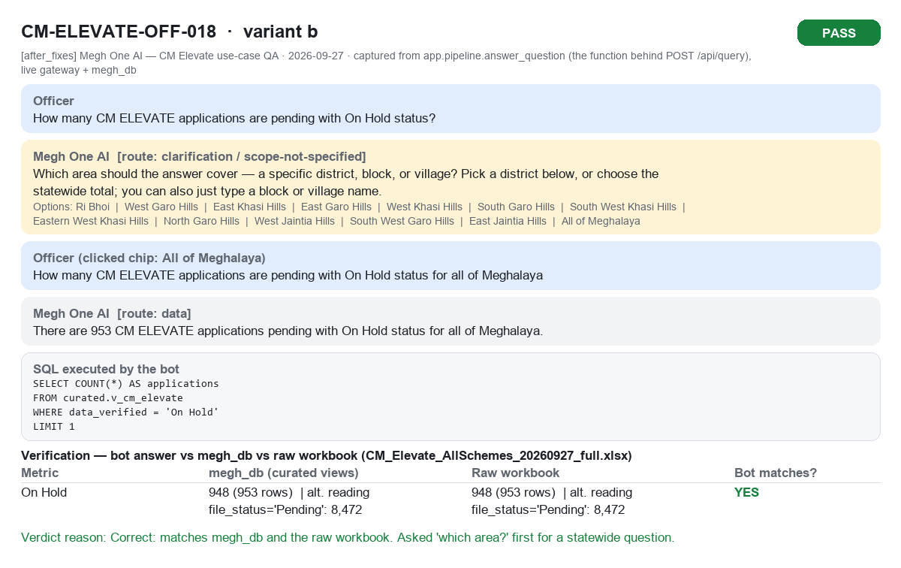
CM-ELEVATE-OFF-018b PASS

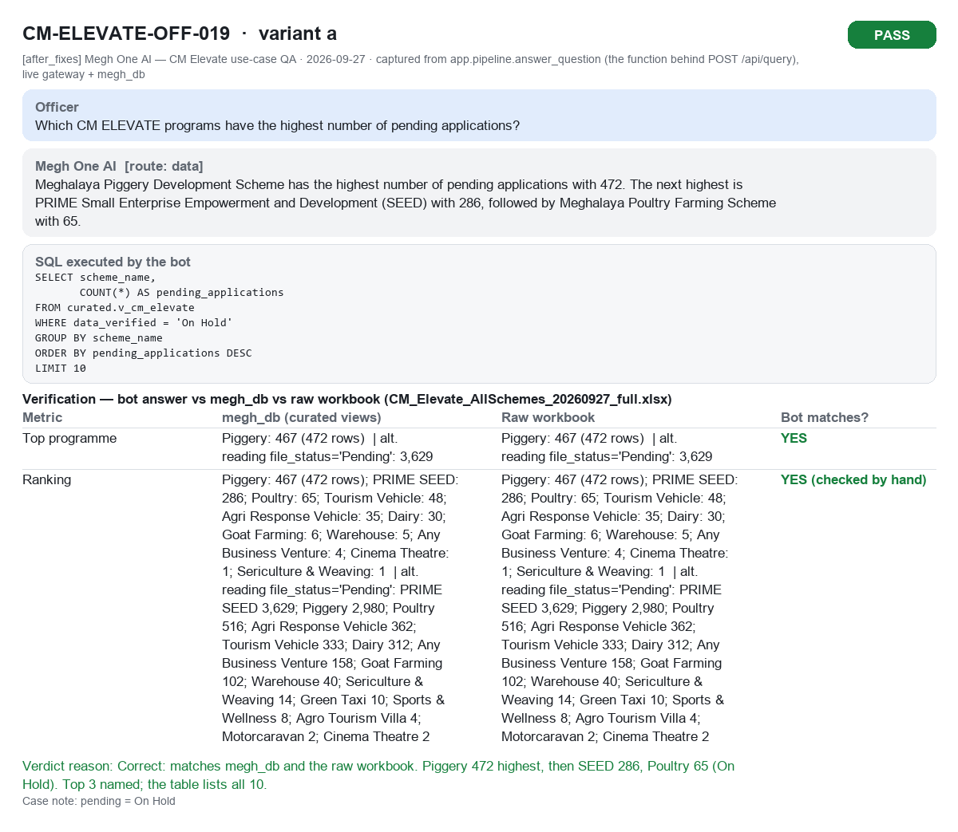
CM-ELEVATE-OFF-019a PASS

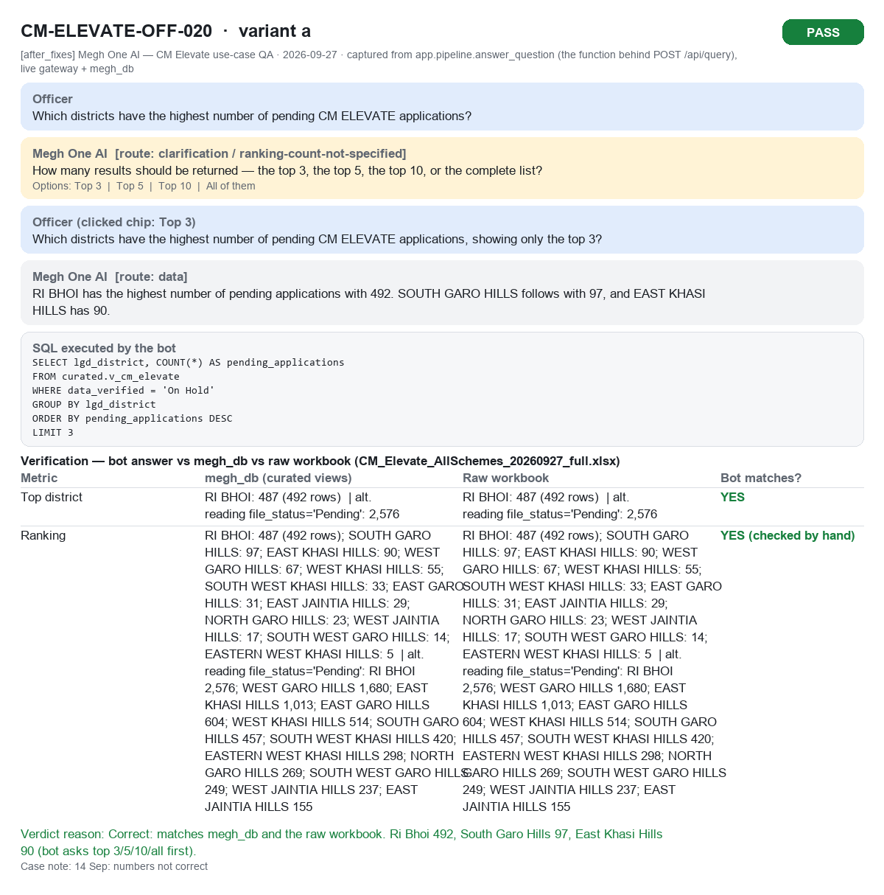
CM-ELEVATE-OFF-020a PASS

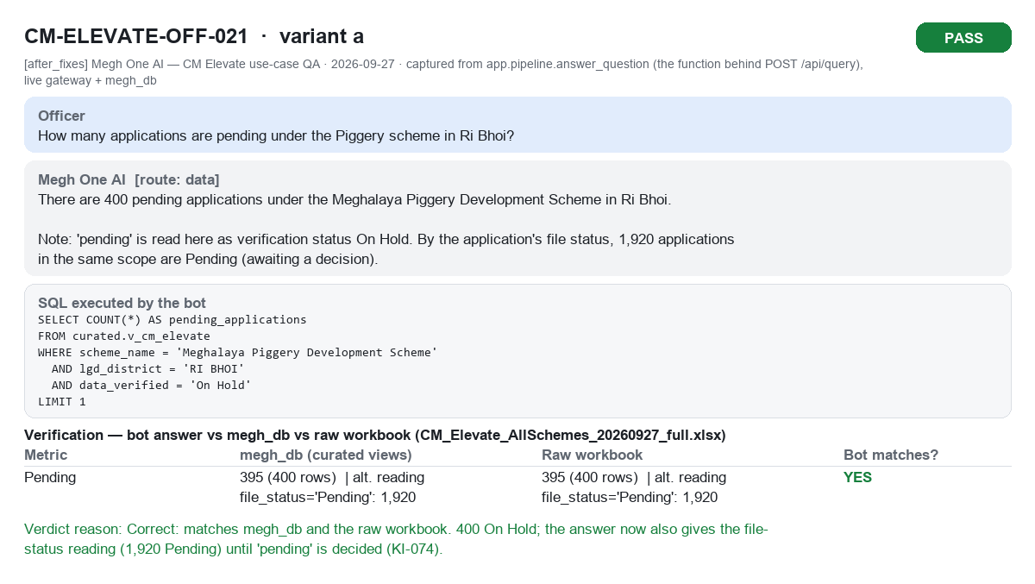
CM-ELEVATE-OFF-021a PASS

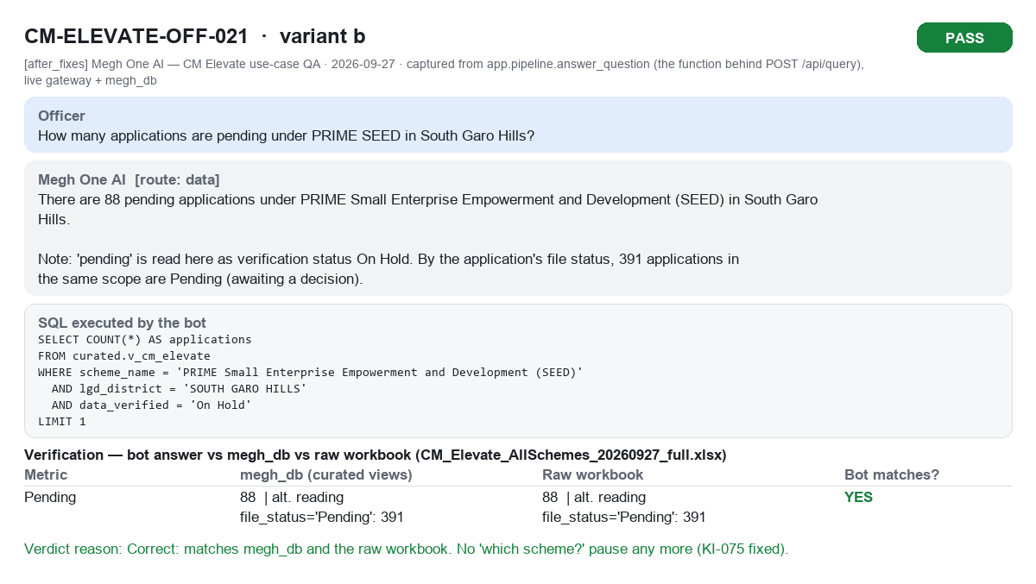
CM-ELEVATE-OFF-021b PASS

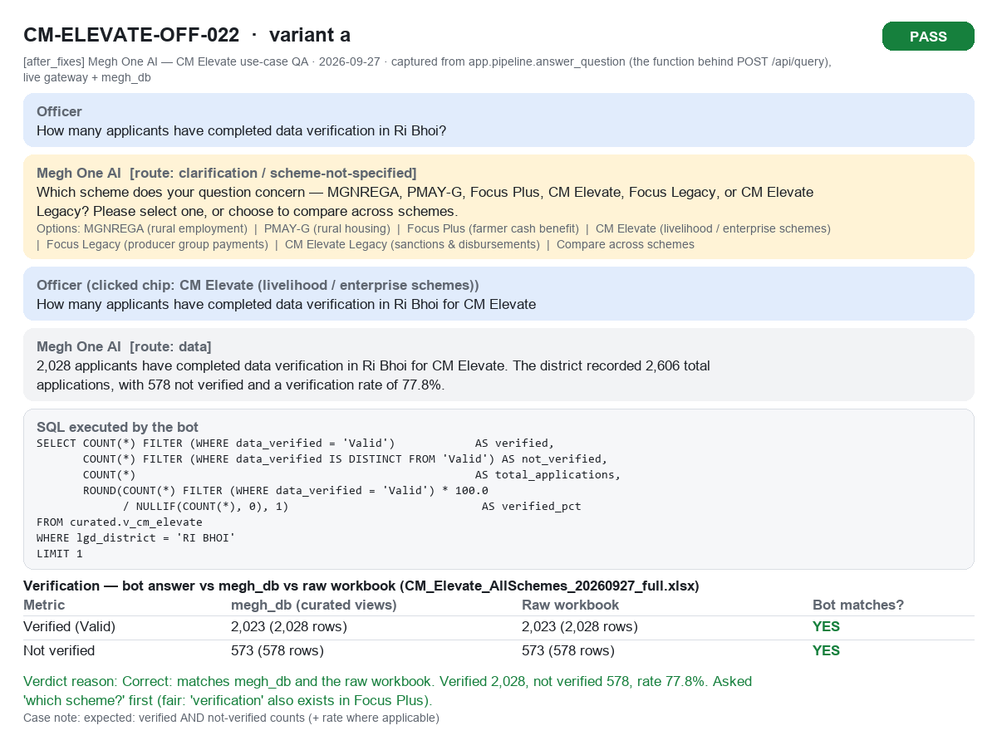
CM-ELEVATE-OFF-022a PASS

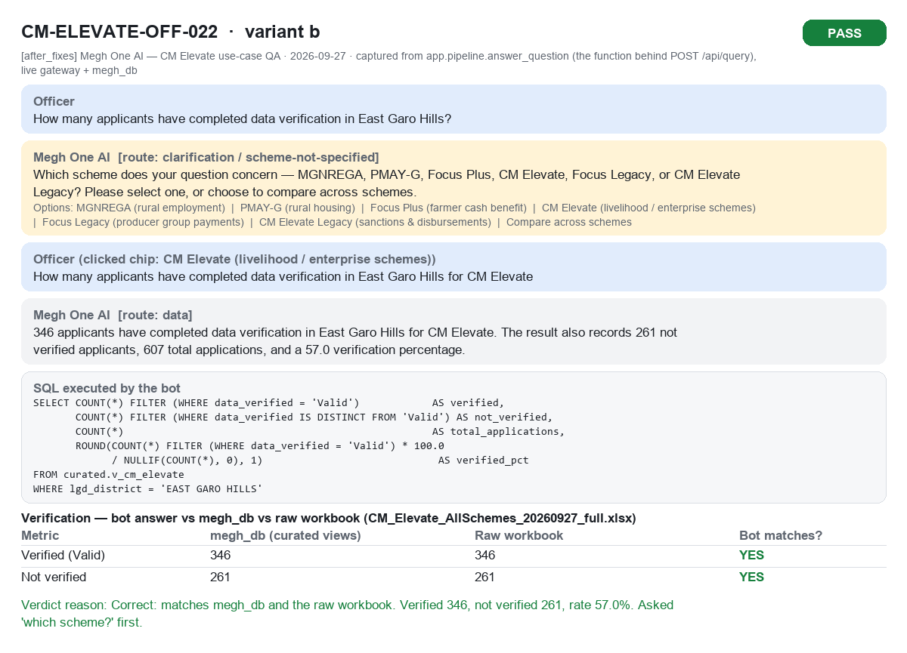
CM-ELEVATE-OFF-022b PASS

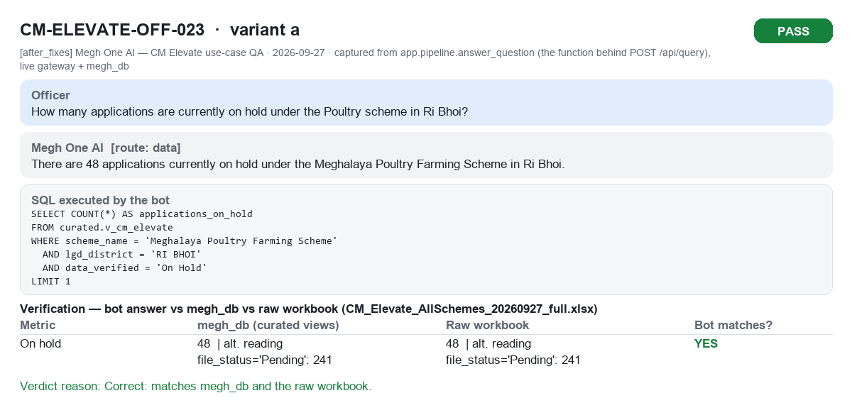
CM-ELEVATE-OFF-023a PASS

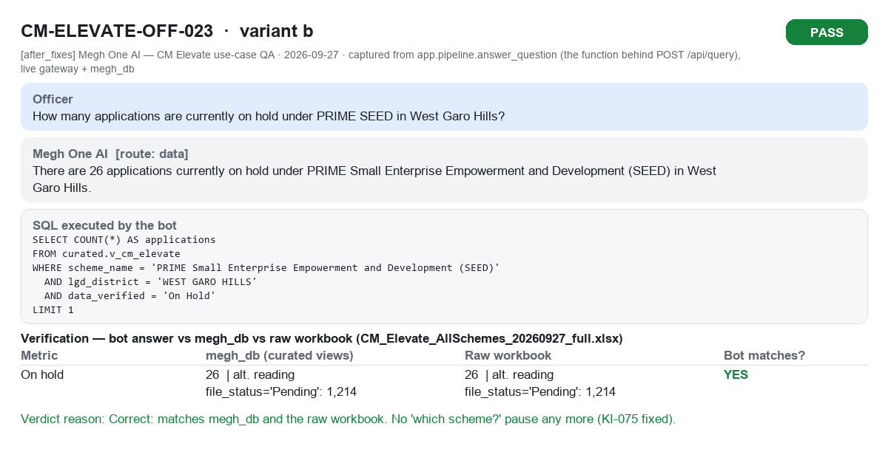
CM-ELEVATE-OFF-023b PASS

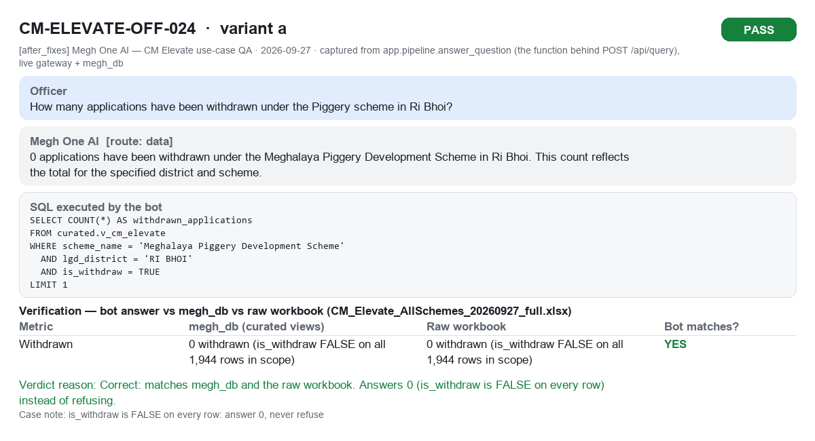
CM-ELEVATE-OFF-024a PASS

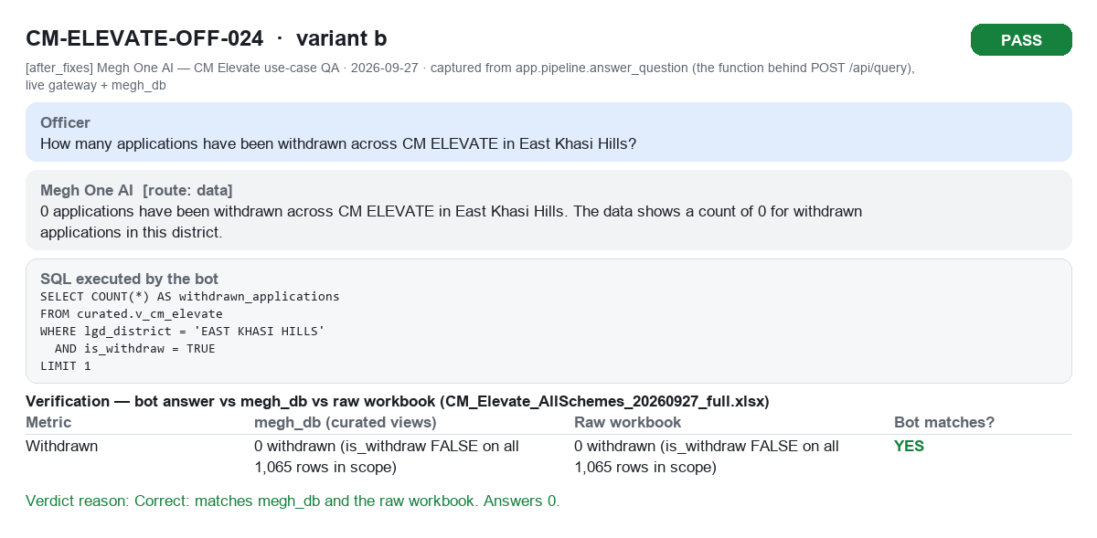
CM-ELEVATE-OFF-024b PASS

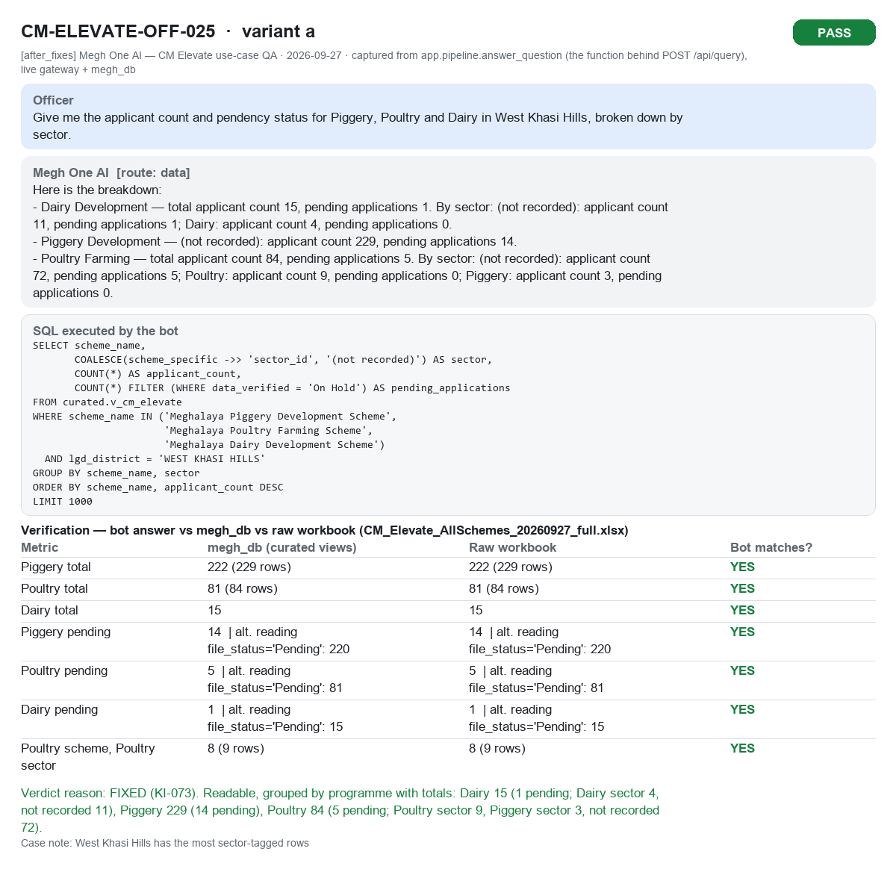
CM-ELEVATE-OFF-025a PASS

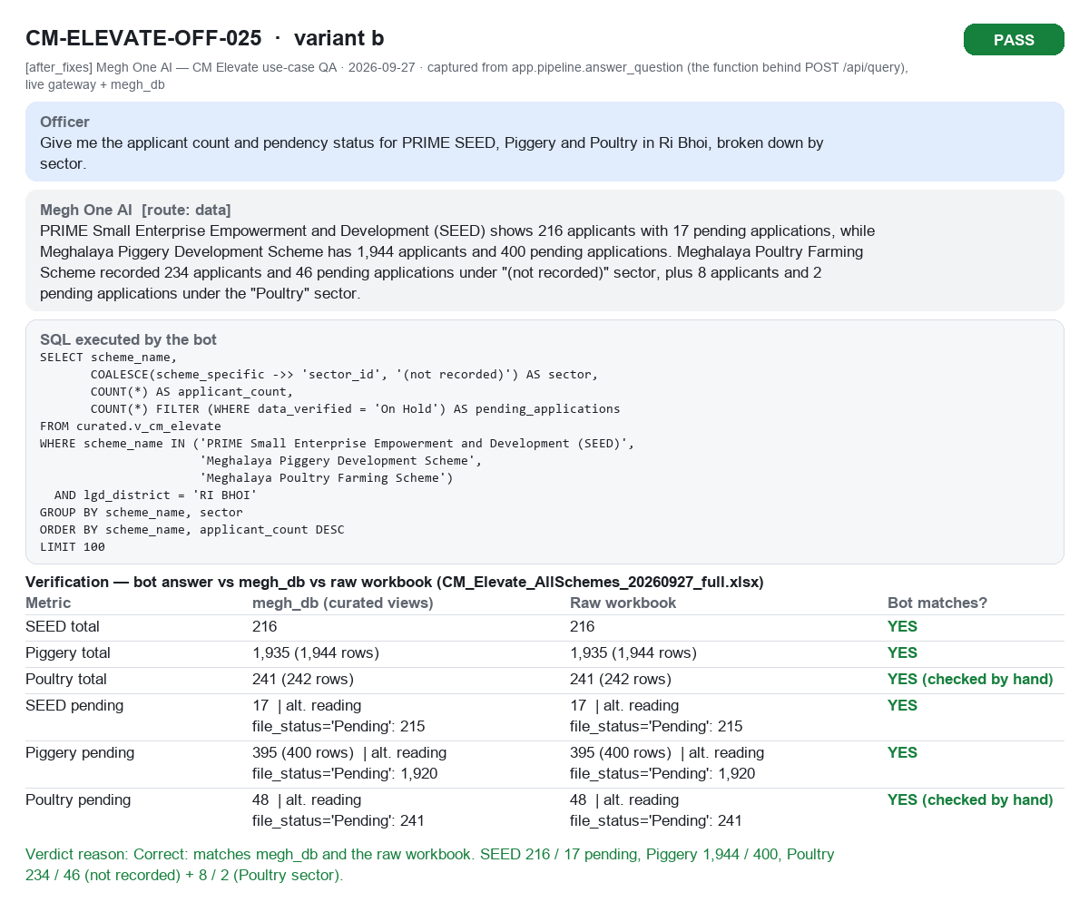
CM-ELEVATE-OFF-025b PASS

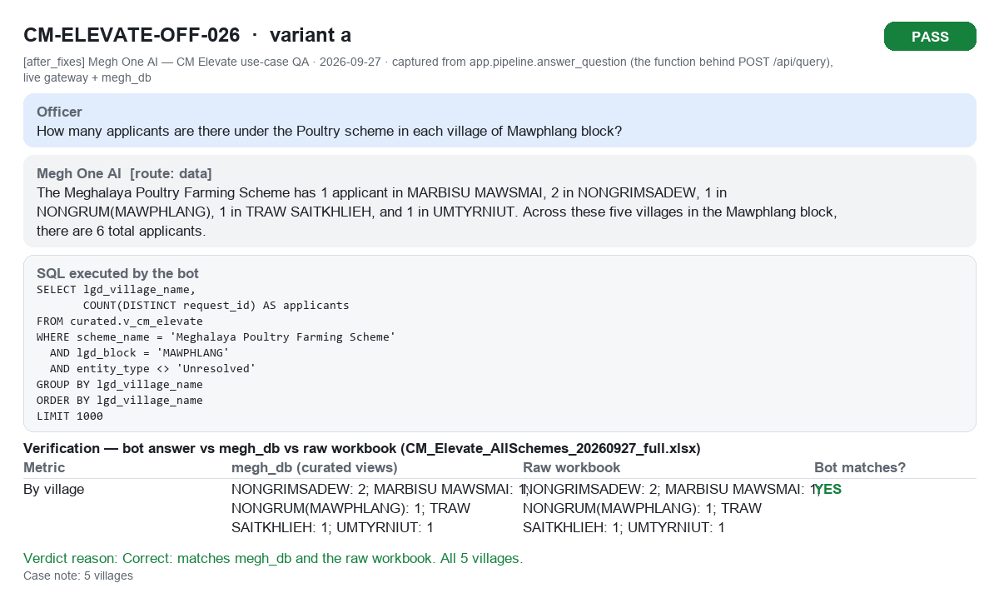
CM-ELEVATE-OFF-026a PASS

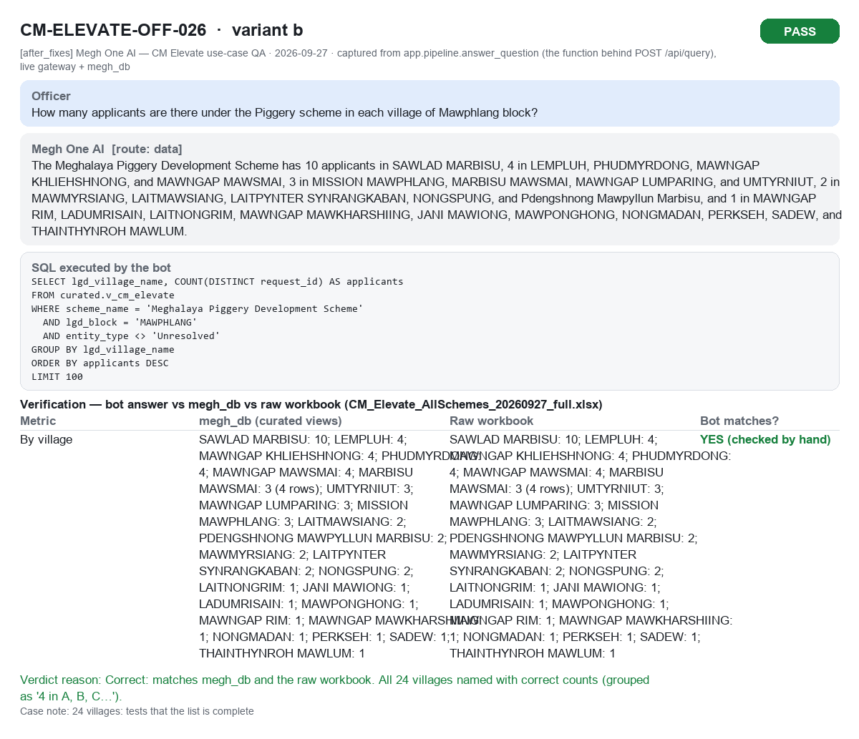
CM-ELEVATE-OFF-026b PASS

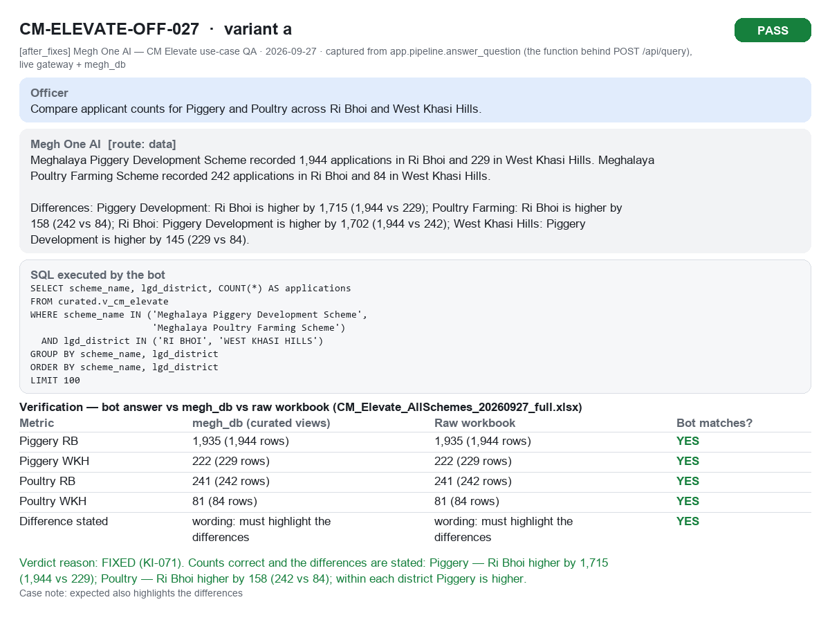
CM-ELEVATE-OFF-027a PASS

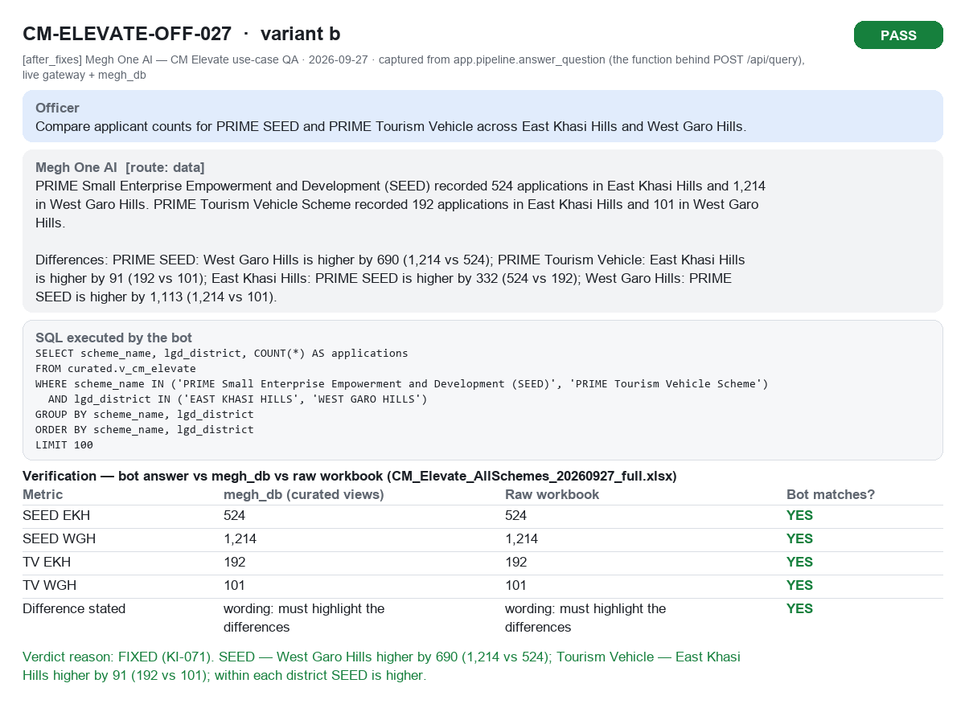
CM-ELEVATE-OFF-027b PASS

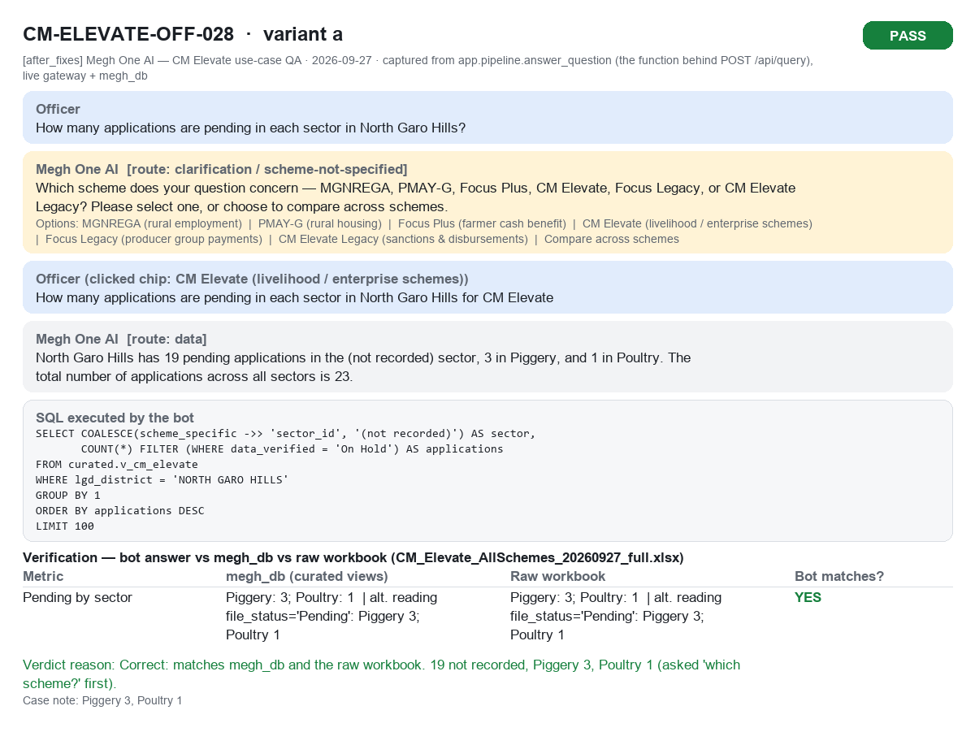
CM-ELEVATE-OFF-028a PASS

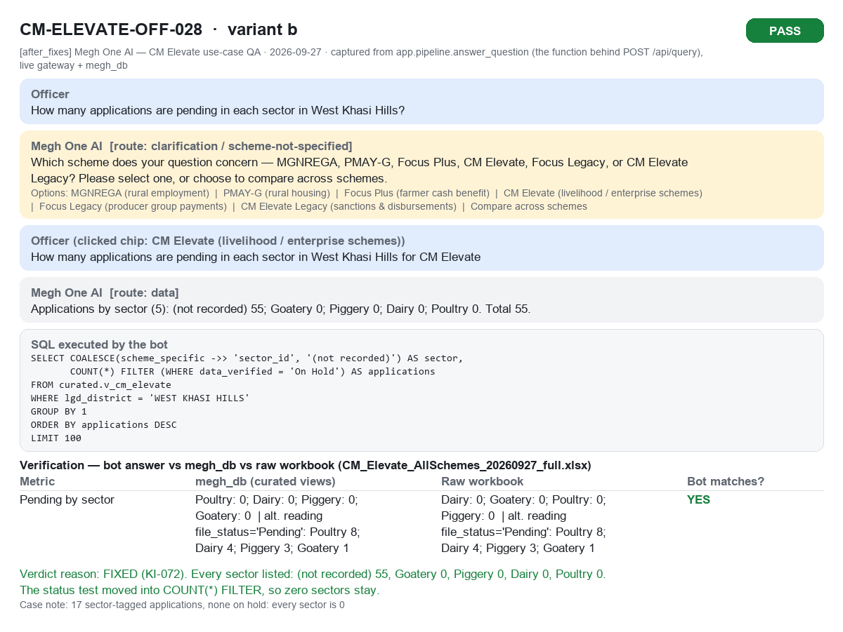
CM-ELEVATE-OFF-028b PASS

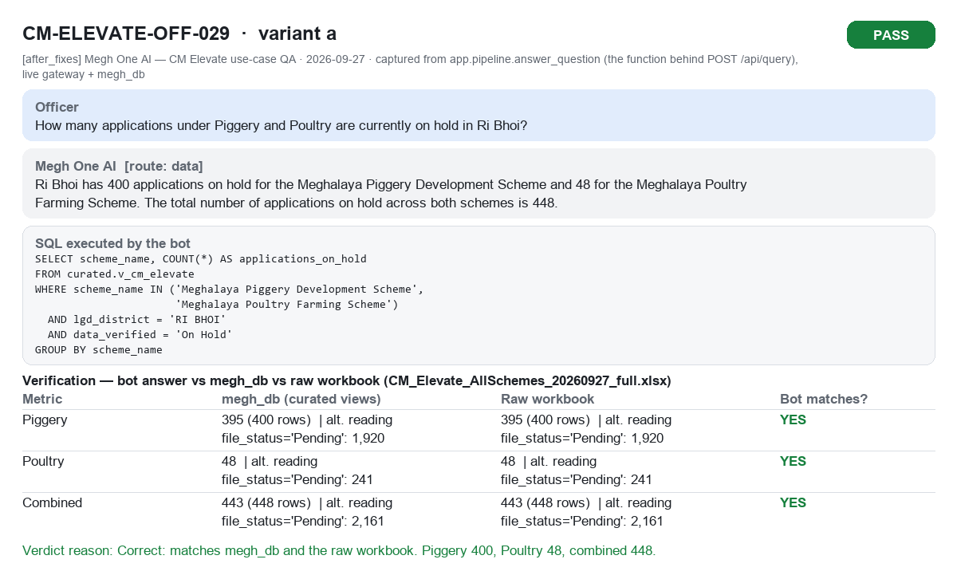
CM-ELEVATE-OFF-029a PASS


CM-ELEVATE-OFF-029b PASS


CM-ELEVATE-OFF-030a PASS


CM-ELEVATE-OFF-030b PASS

