Proof Screenshots
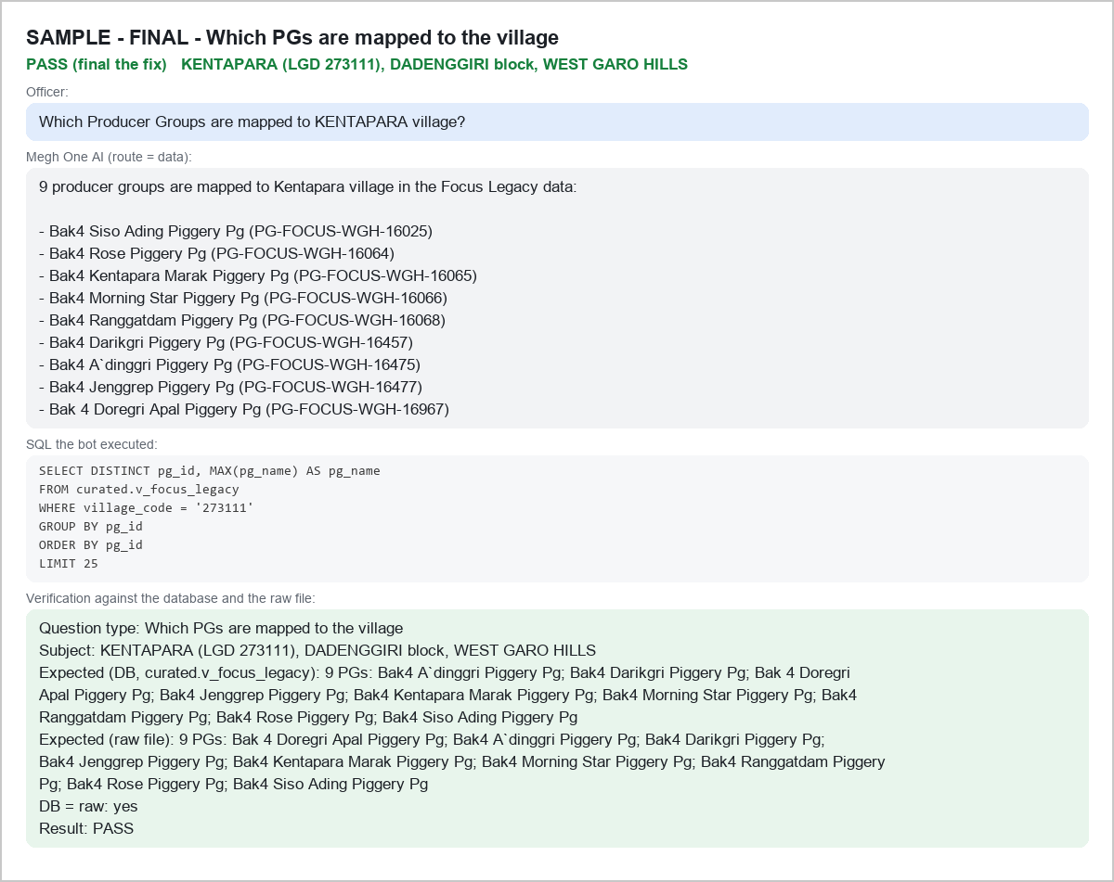
KI-150 - BEFORE - D-BLK|WEST JAINTIA HILLS - FAIL
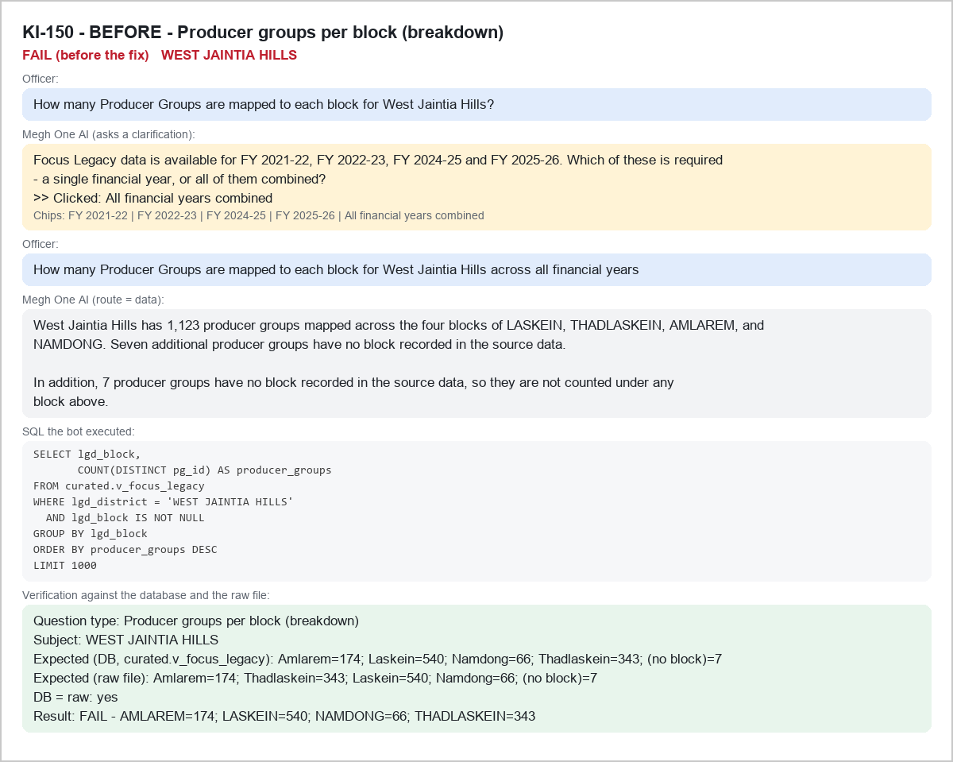

KI-150 - AFTER - D-BLK|WEST JAINTIA HILLS - PASS
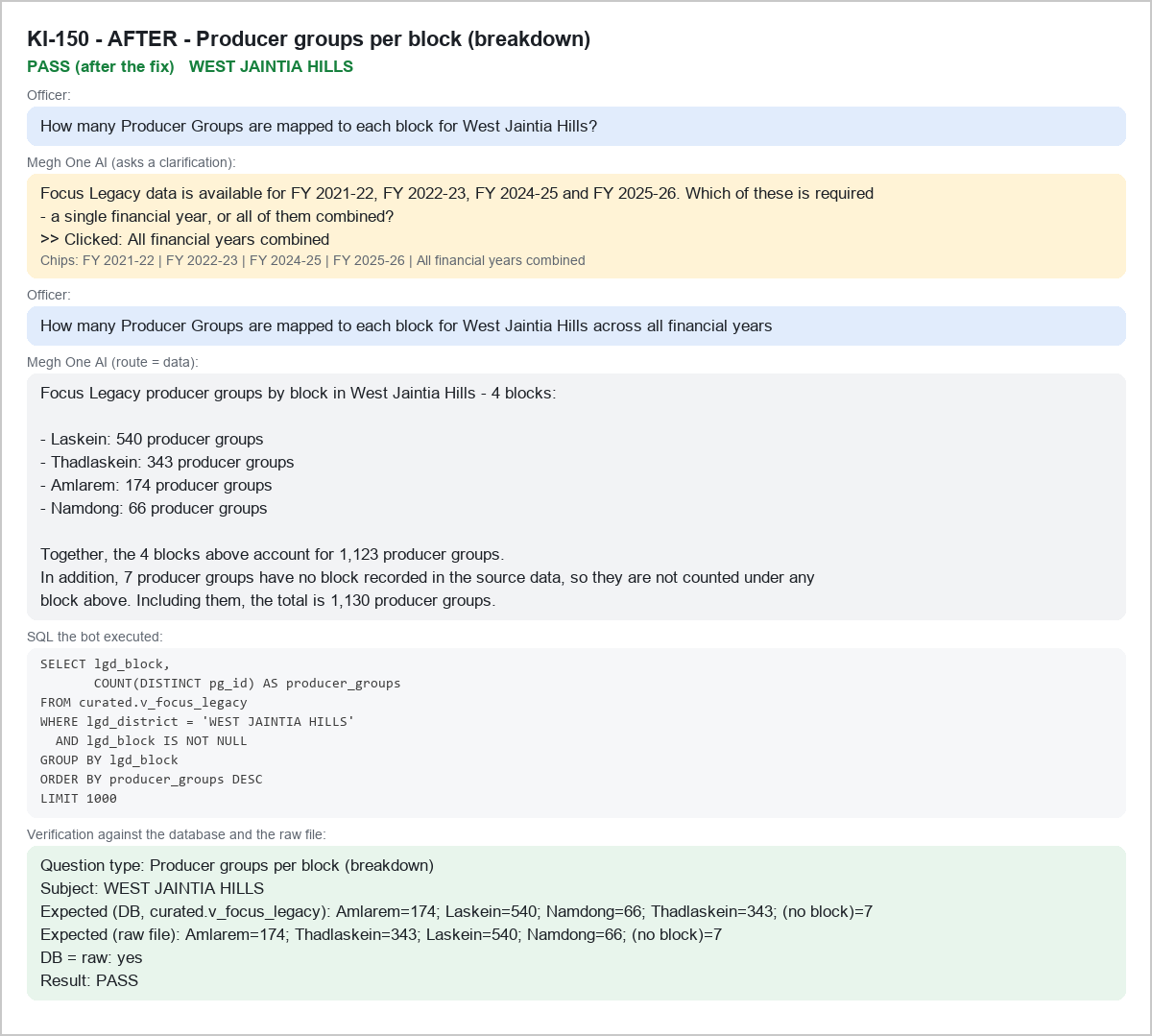

KI-148 - BEFORE - A-AMT|Baghmara - FAIL
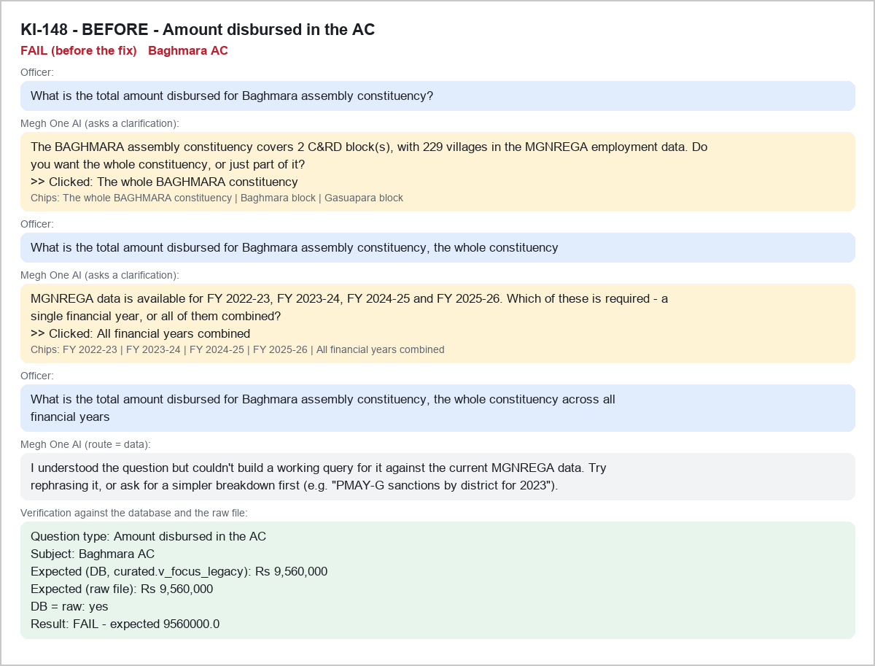

KI-148 - AFTER - A-AMT|Baghmara - PASS
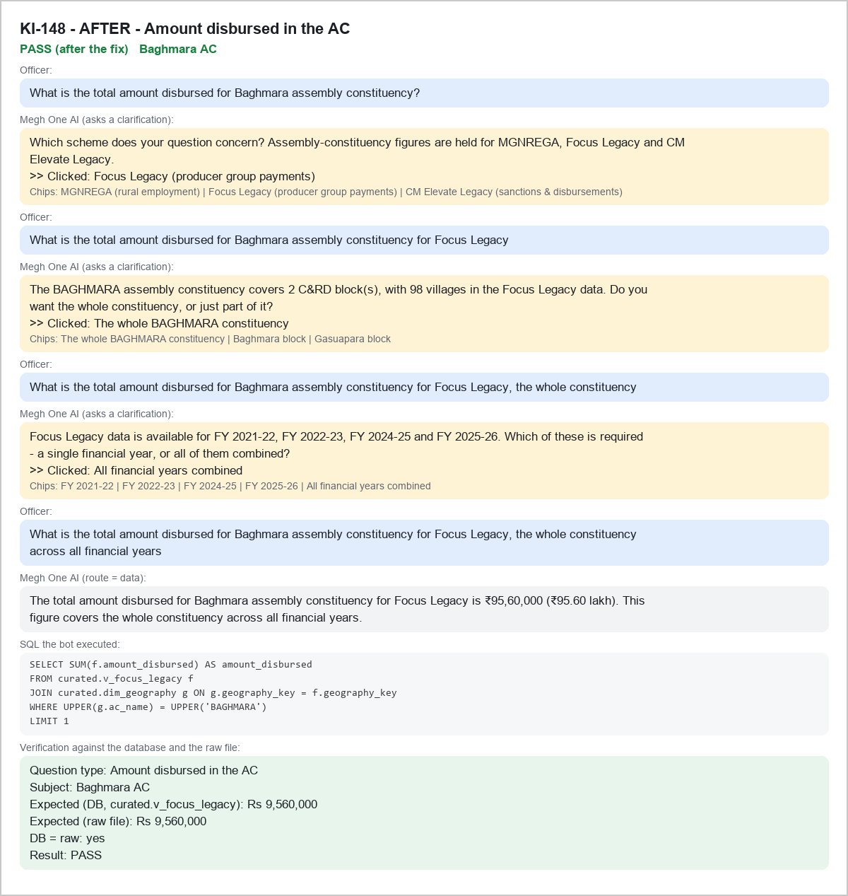

KI-146 - BEFORE - A-PGS|Baghmara - PASS
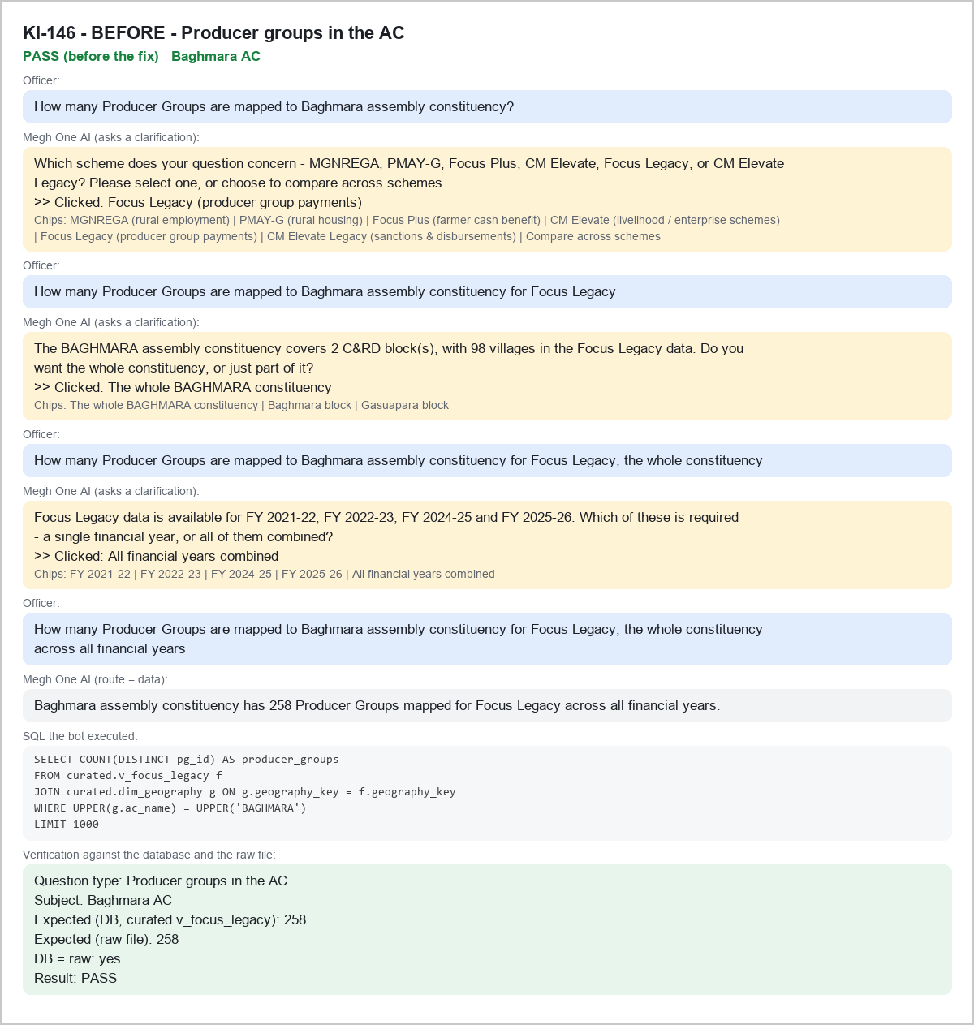

KI-146 - AFTER - A-PGS|Baghmara - PASS
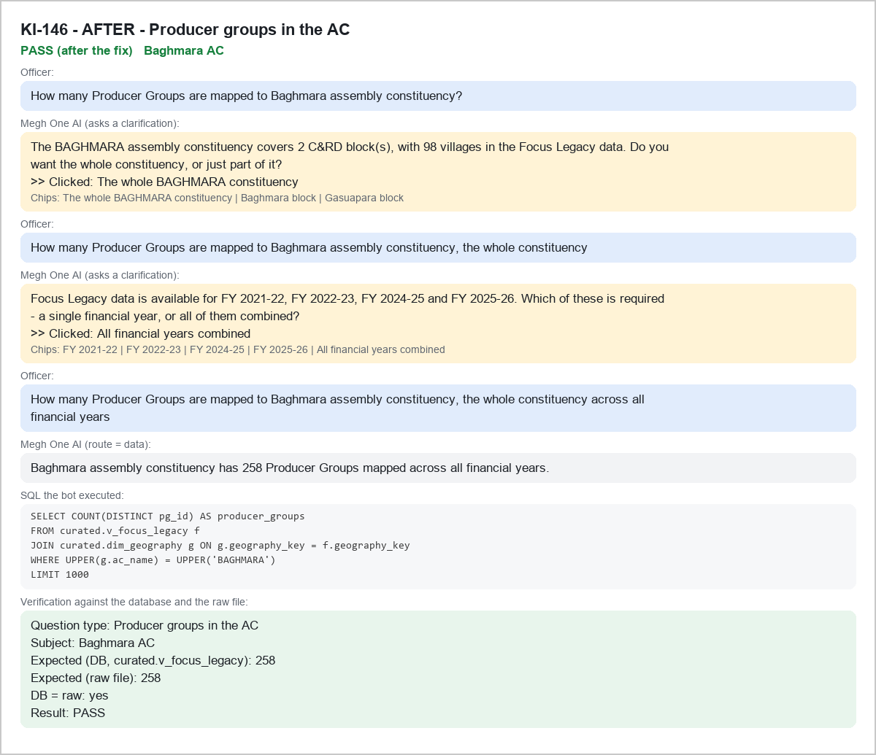

KI-149 - BEFORE - P-EXIST|PG-FOCUS-EGH-11044 - FAIL
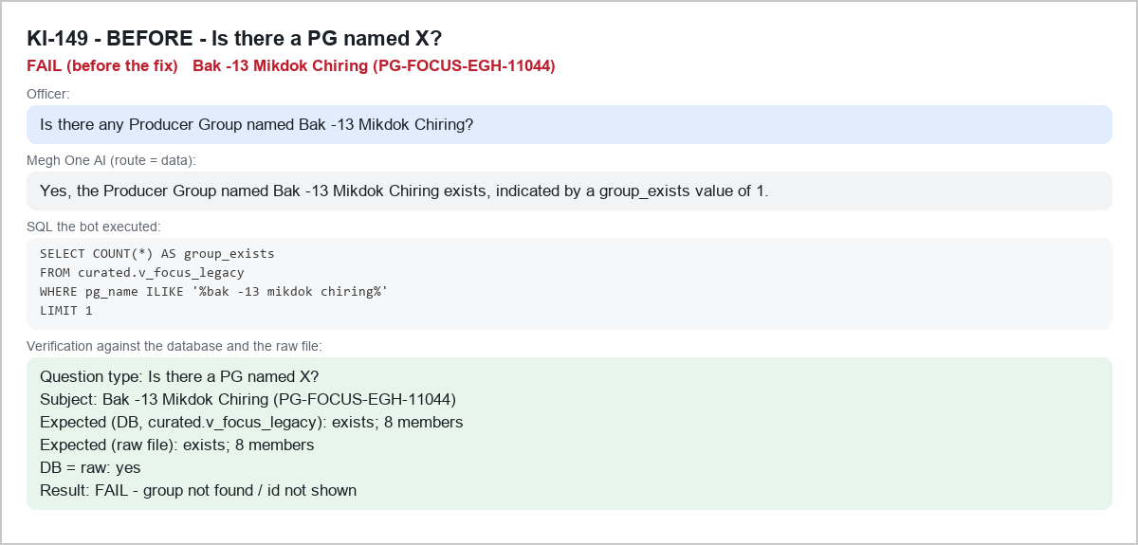

KI-149 - AFTER - P-EXIST|PG-FOCUS-EGH-11044 - PASS
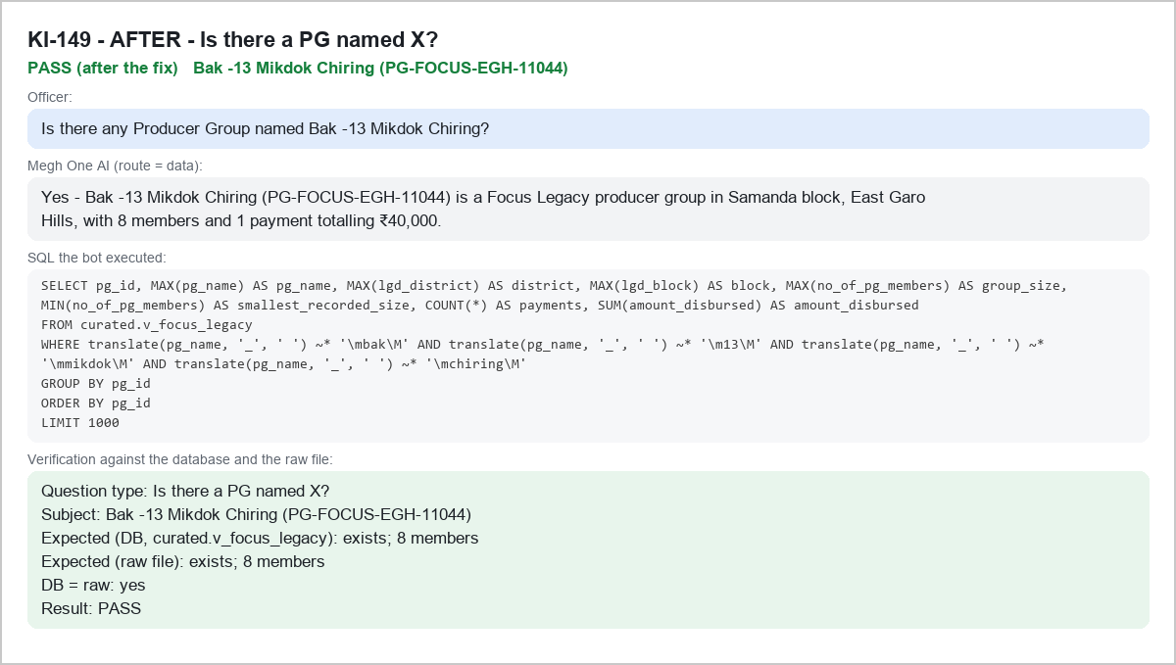

KI-152 - BEFORE - P-EXIST|PG-FOCUS-NGH-494 - FAIL
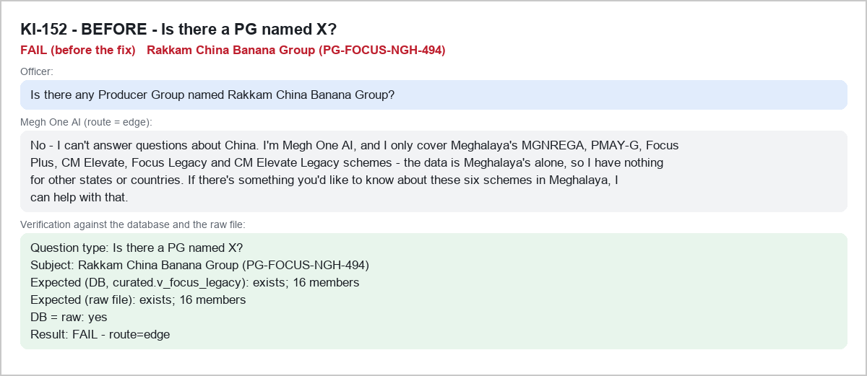

KI-152 - AFTER - P-EXIST|PG-FOCUS-NGH-494 - PASS
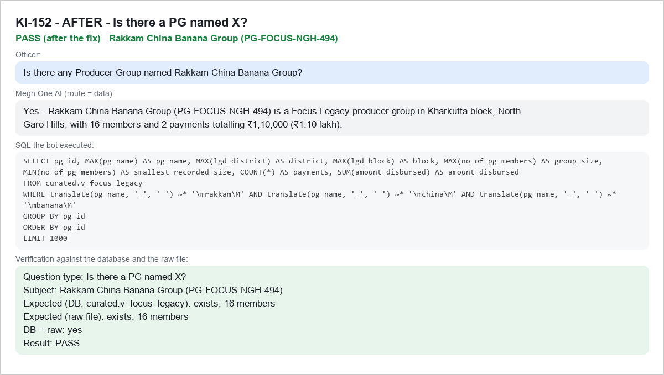

KI-155 - BEFORE - P-MEM|PG-FOCUS-NGH-6415 - FAIL
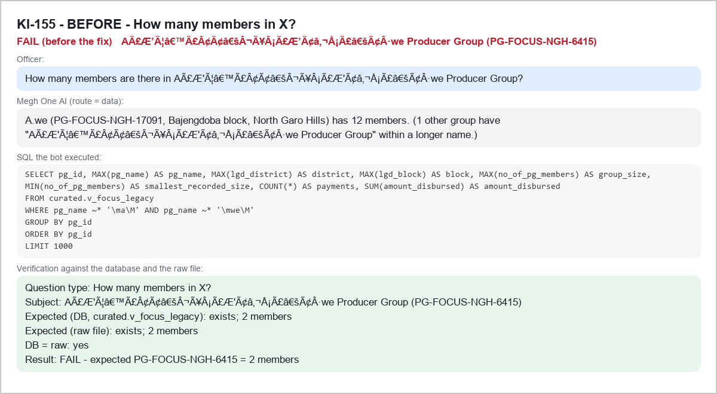

KI-155 - AFTER - P-MEM|PG-FOCUS-NGH-6415 - PASS
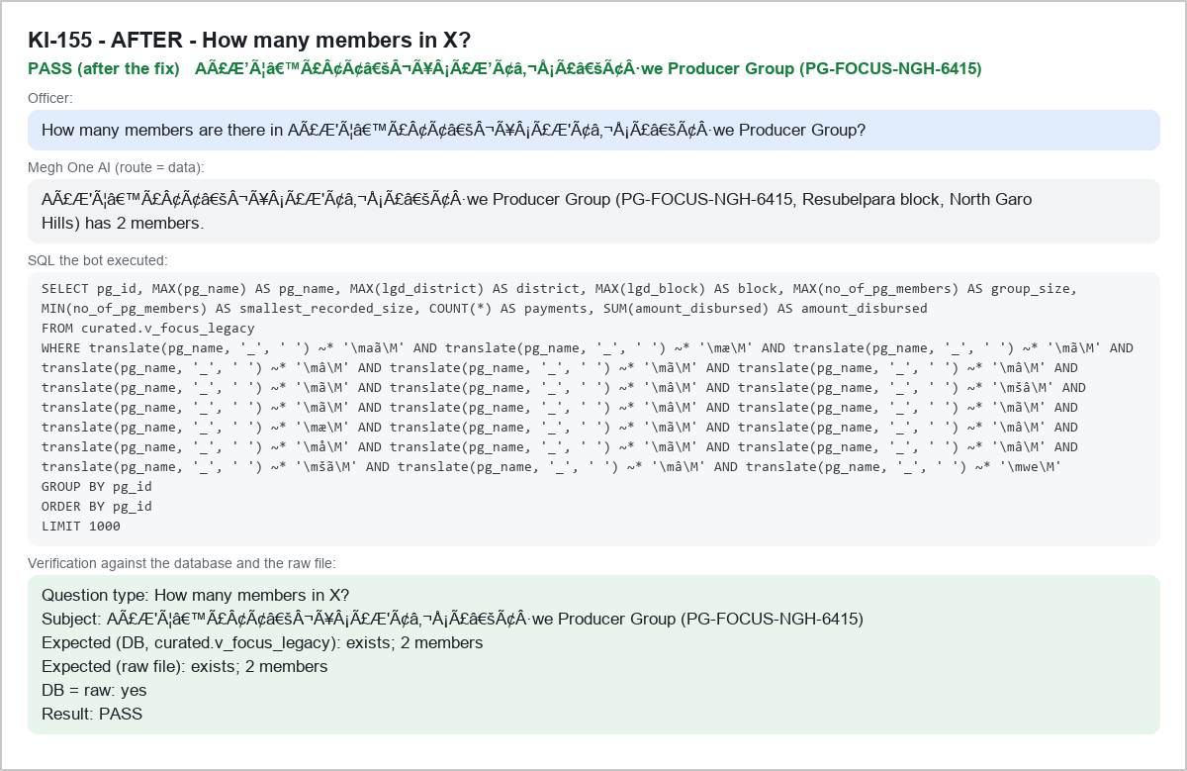

KI-153 - BEFORE - V-AMT|274886 - FAIL
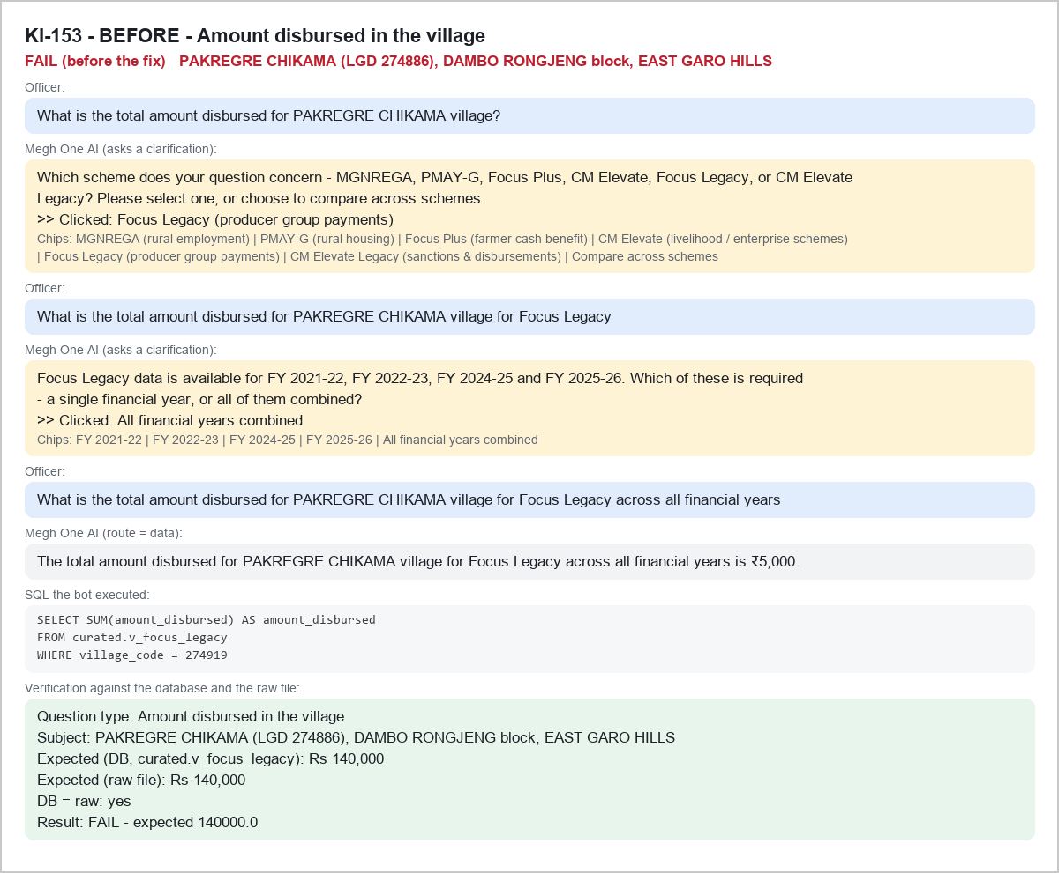

KI-153 - AFTER - V-AMT|274886 - PASS
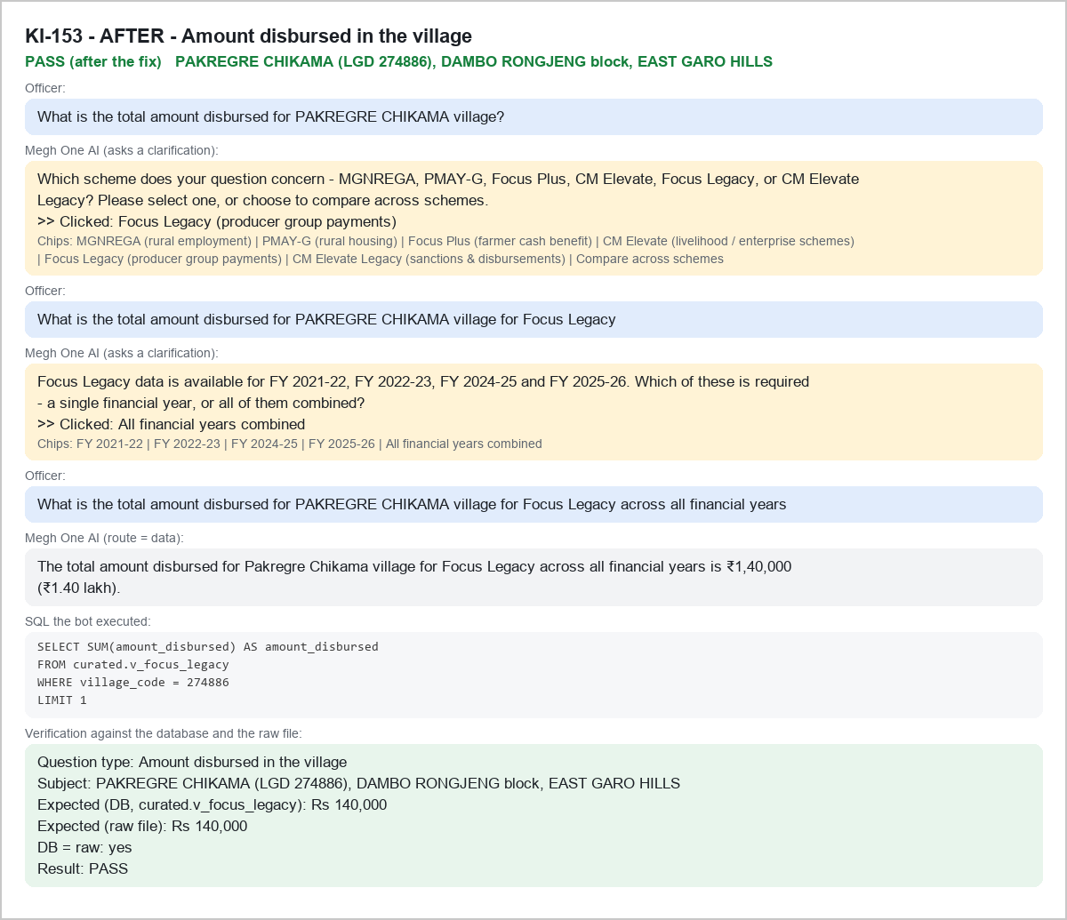

KI-154 - BEFORE - V-LIST|275489 - FAIL
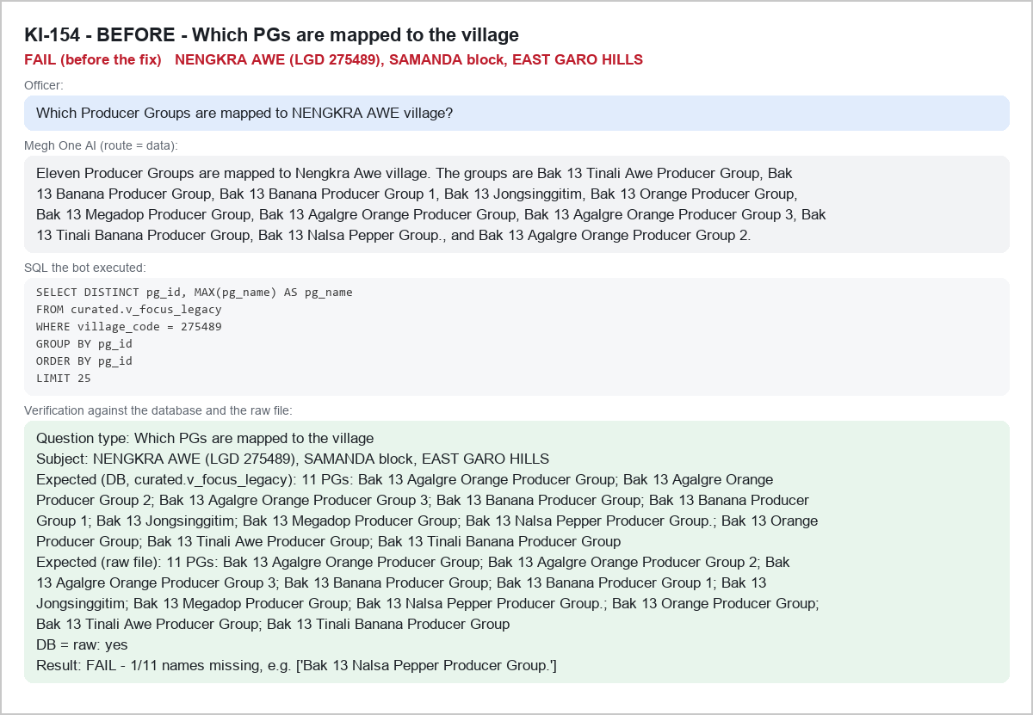

KI-154 - AFTER - V-LIST|275489 - PASS
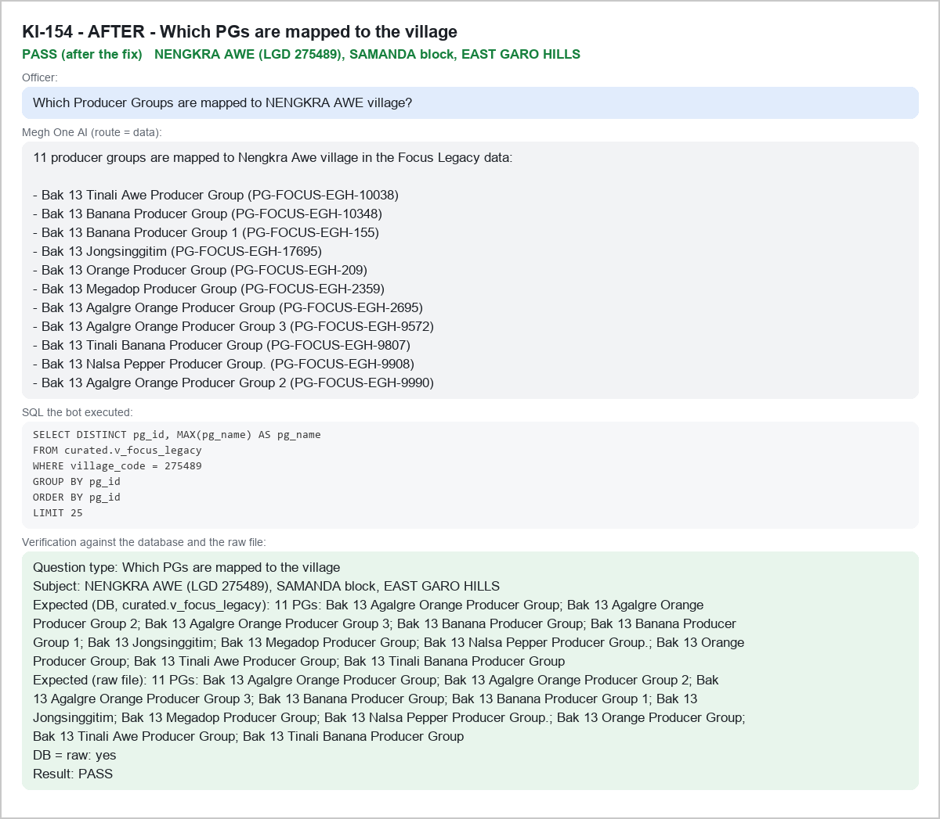

KI-156 - BEFORE - V-AMT|275850 - FAIL
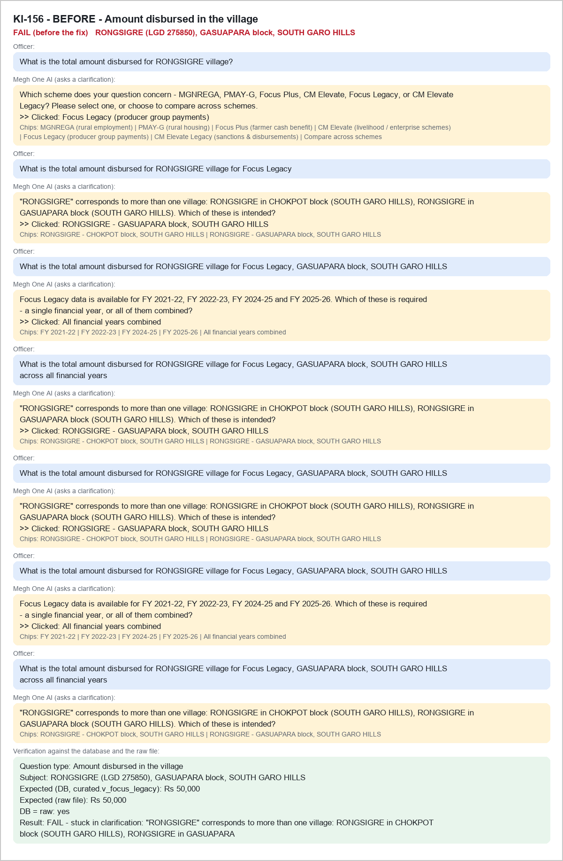

KI-156 - AFTER - V-AMT|275850 - PASS
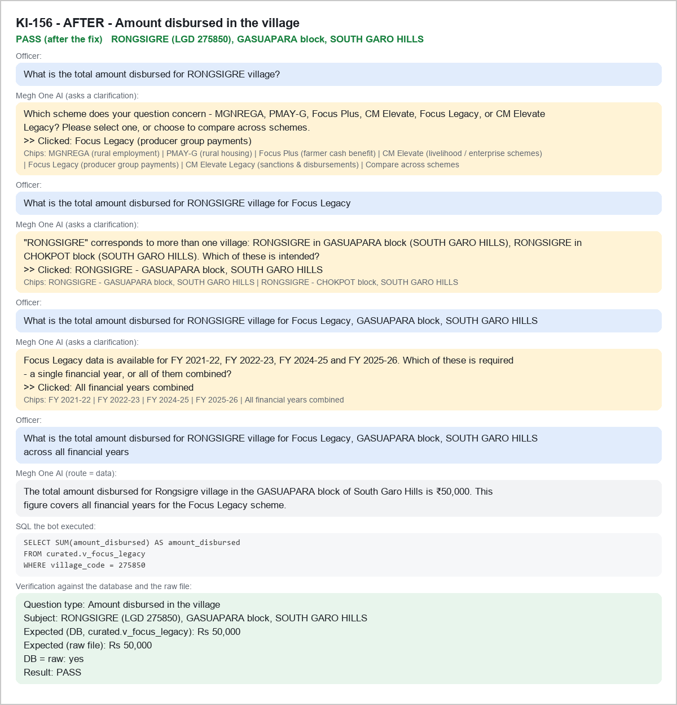

KI-157 - BEFORE - P-MEM|PG-FOCUS-WGH-20810 - FAIL
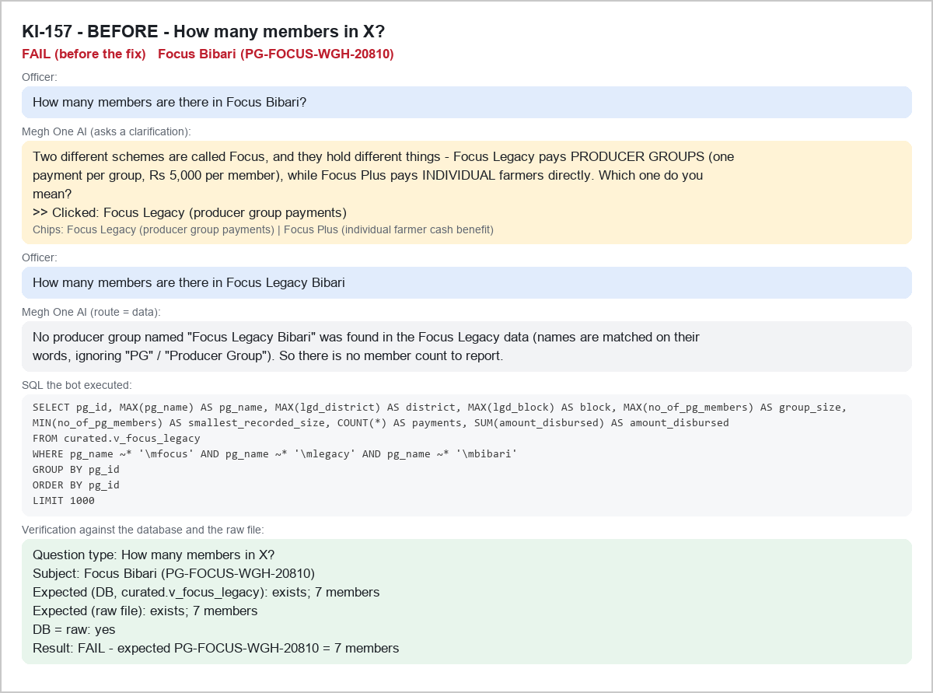

KI-157 - AFTER - P-MEM|PG-FOCUS-WGH-20810 - PASS
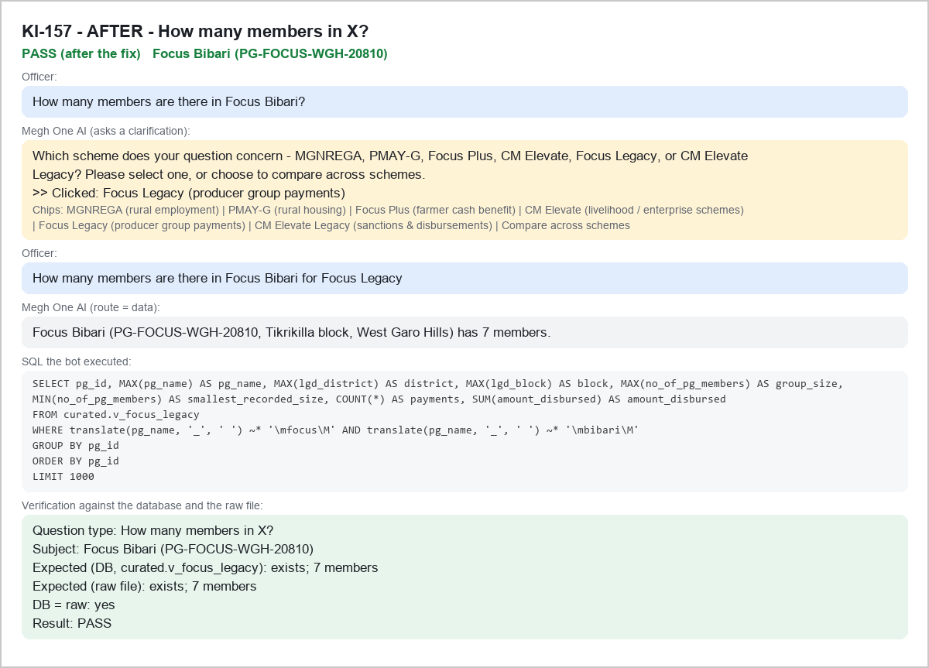

KI-158 - BEFORE - P-EXIST|PG-FOCUS-RB-18311 - FAIL
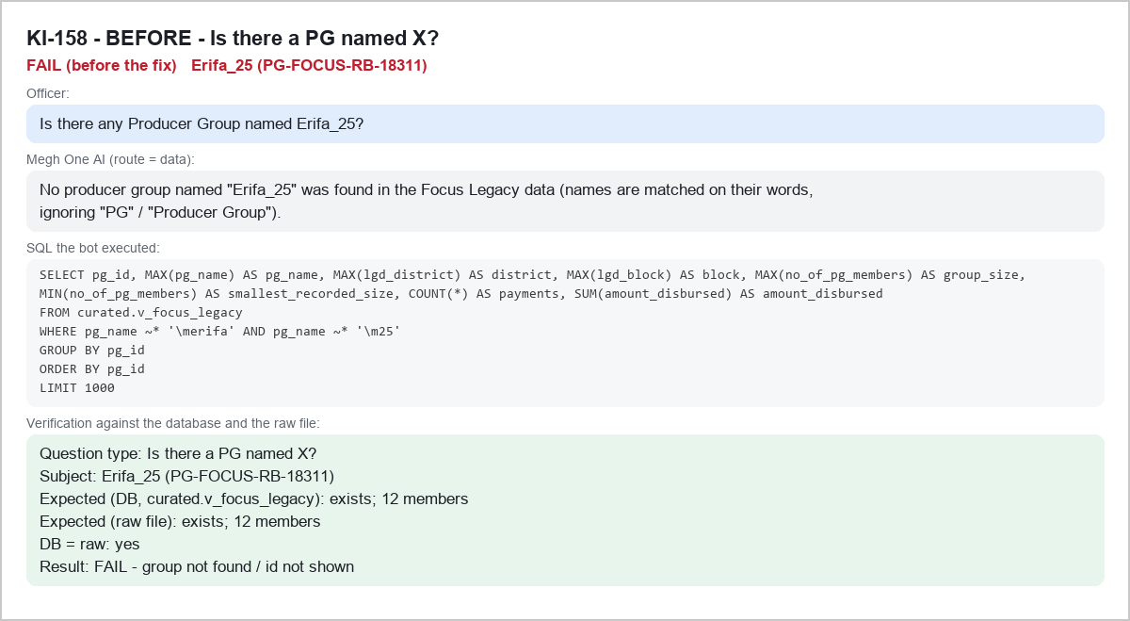

KI-158 - AFTER - P-EXIST|PG-FOCUS-RB-18311 - PASS
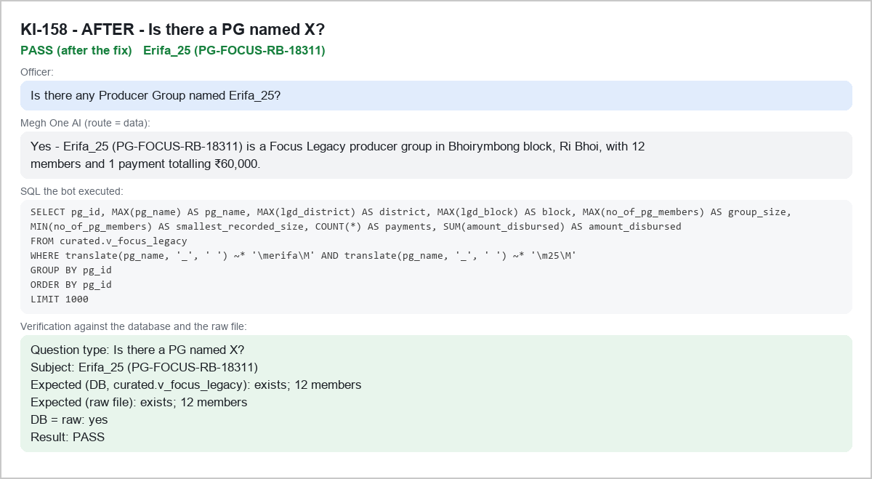

KI-159 - BEFORE - V-AMT|276311 - FAIL
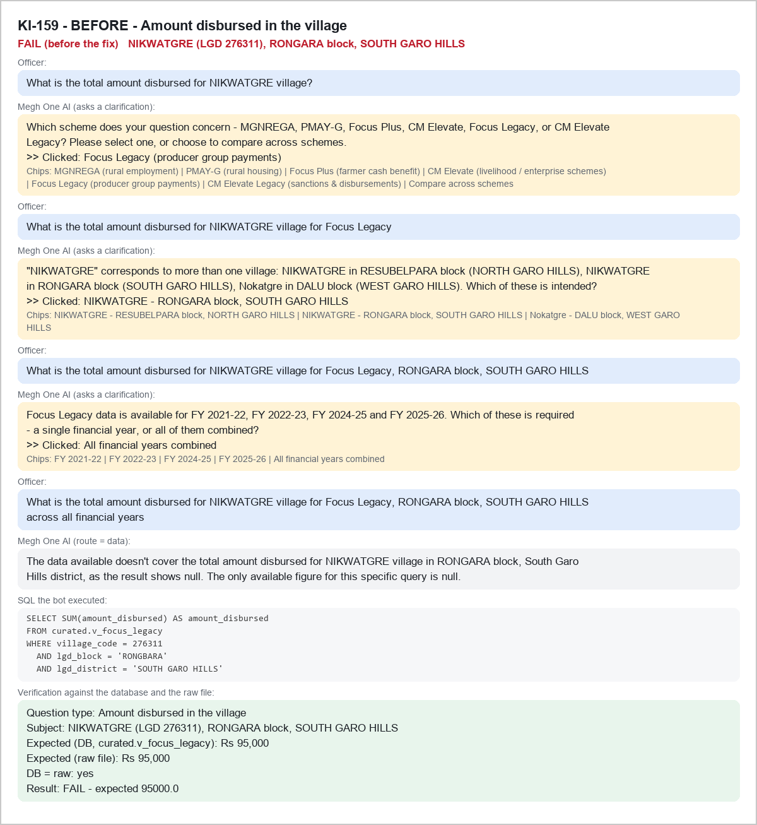

KI-159 - AFTER - V-AMT|276311 - PASS
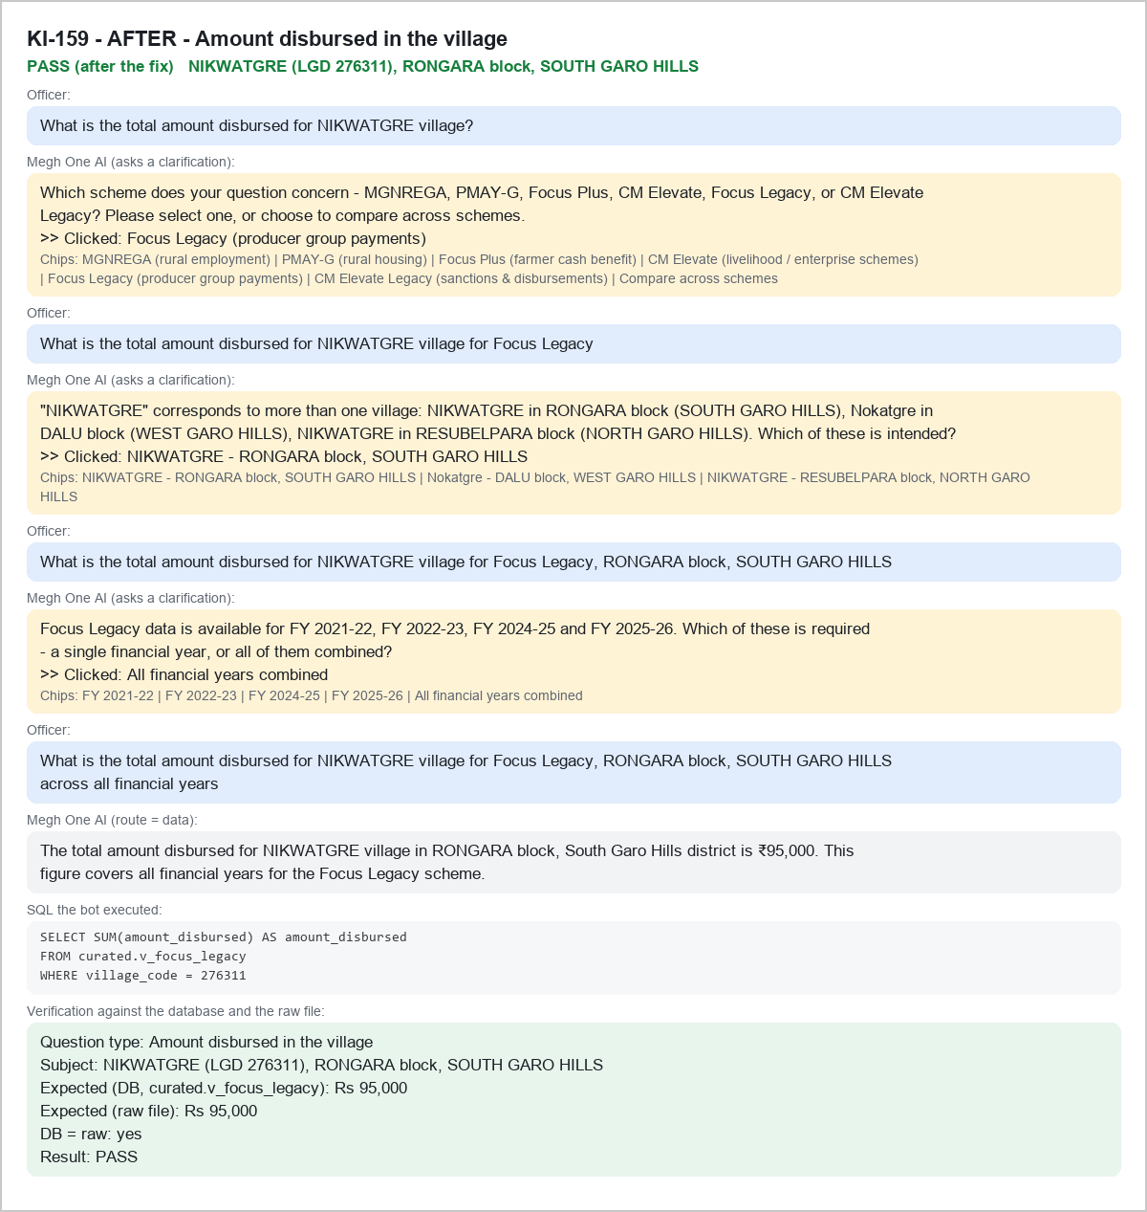

KI-020 - BEFORE - P-ALT|PG-FOCUS-EGH-11214|Drongpa Pg - FAIL
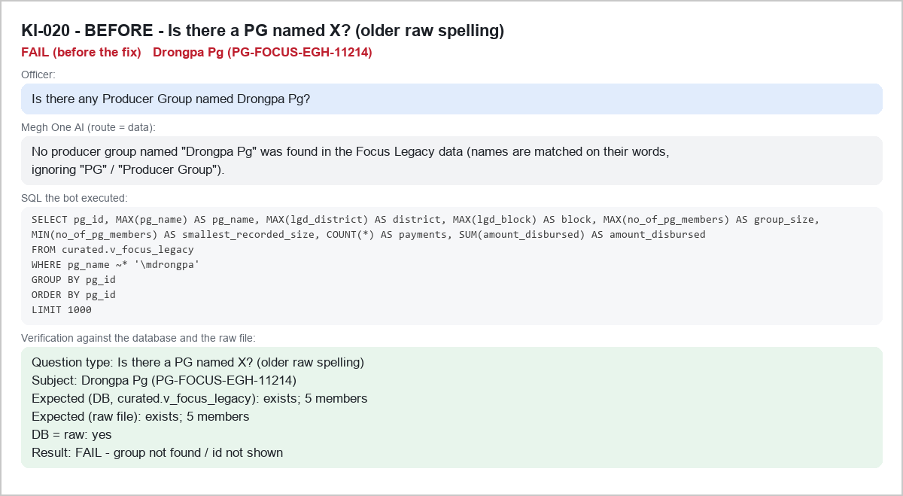

KI-020 - AFTER - P-ALT|PG-FOCUS-EGH-11214|Drongpa Pg - PASS
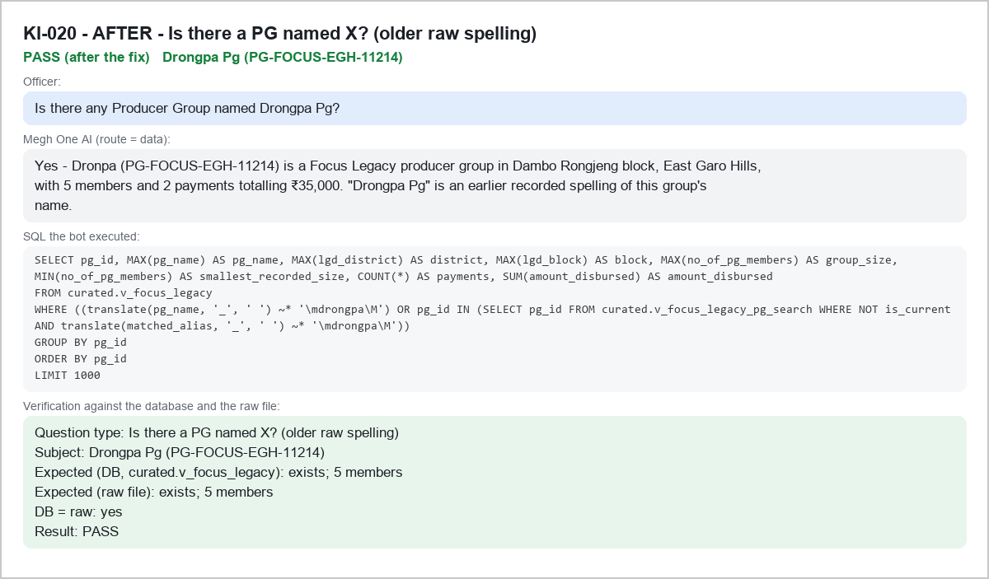

KI-160 - BEFORE - V-AMT|278264 - FAIL
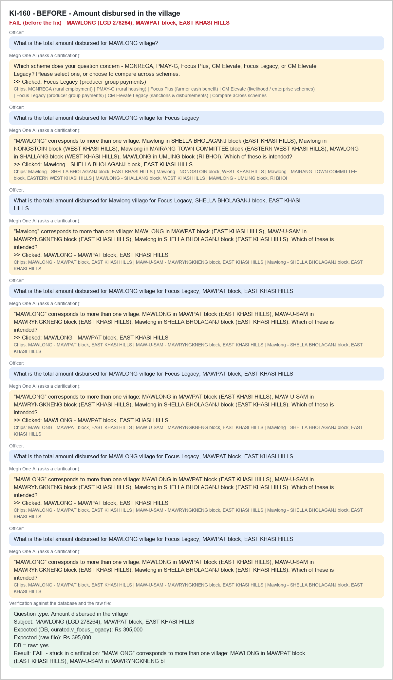

KI-160 - AFTER - V-AMT|278264 - PASS
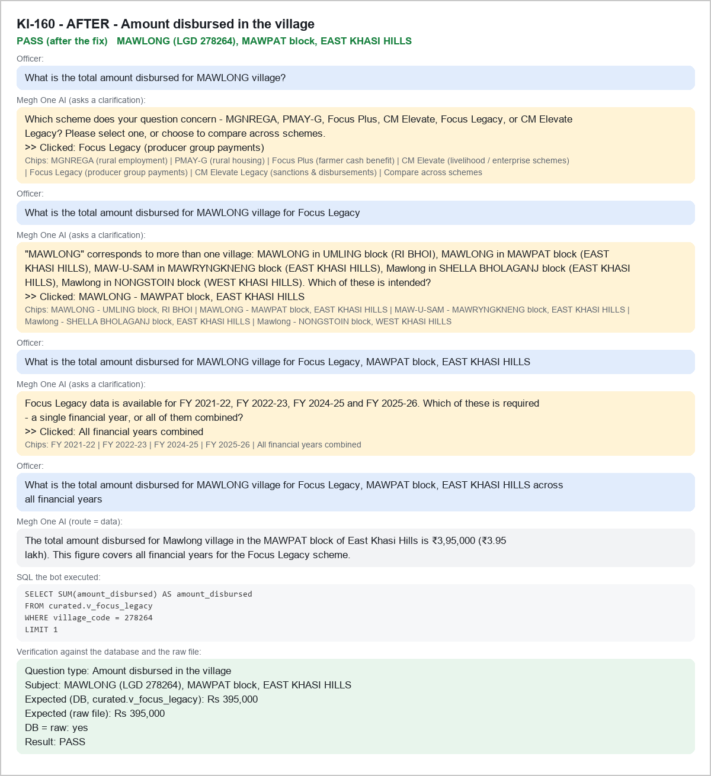

KI-161 - BEFORE - V-LIST|272807 - FAIL
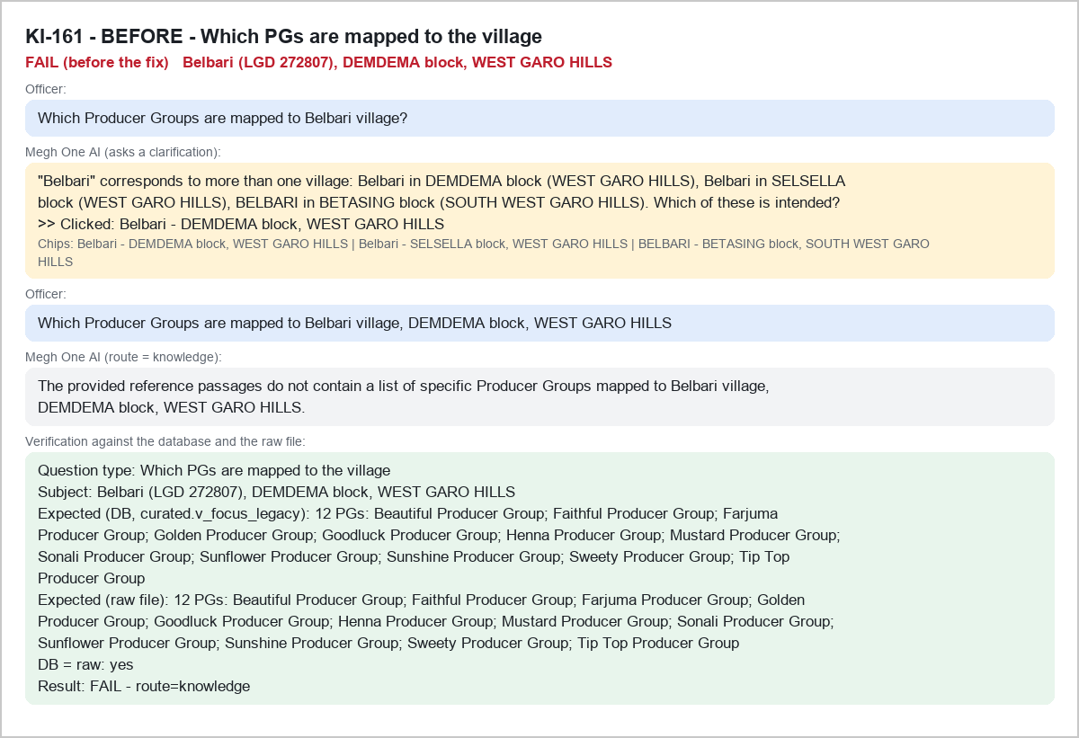

KI-161 - AFTER - V-LIST|272807 - PASS
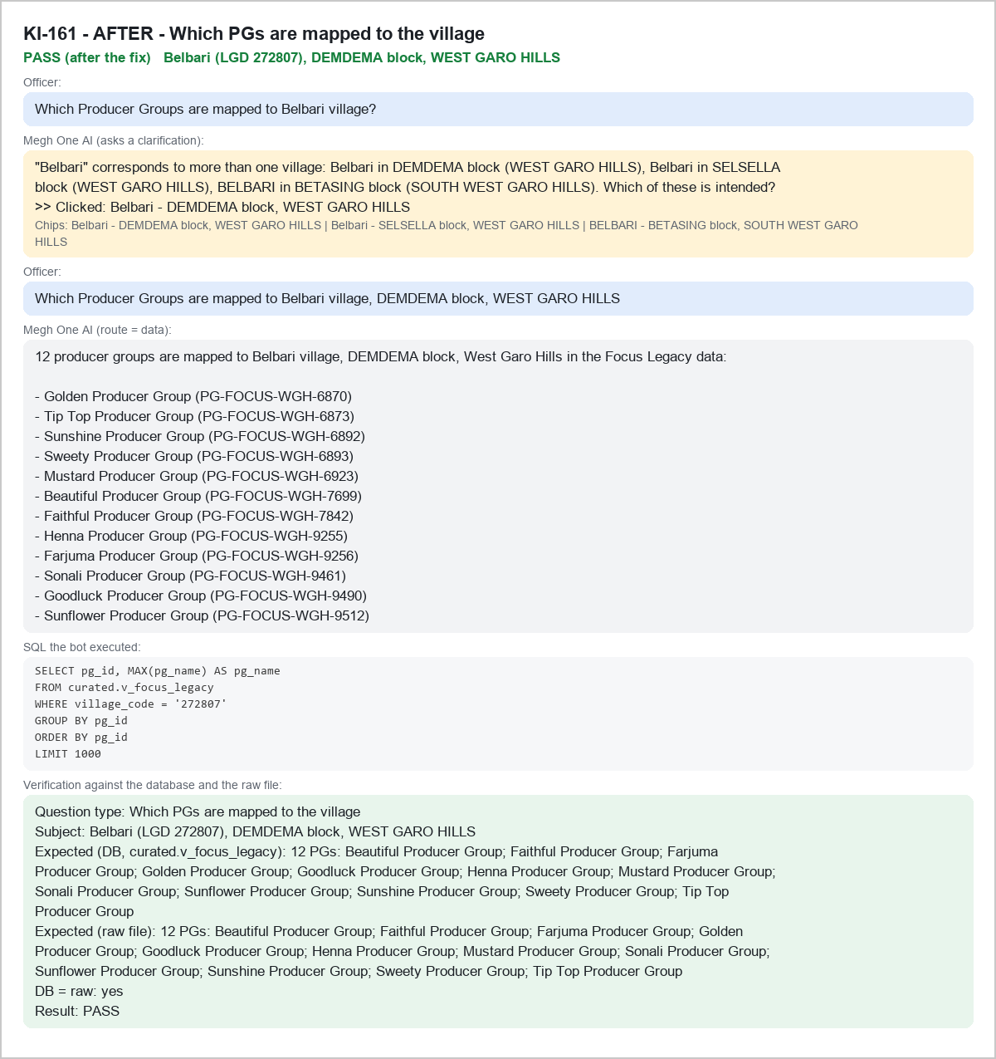

KI-162 - BEFORE - V-LIST|274954 - FAIL
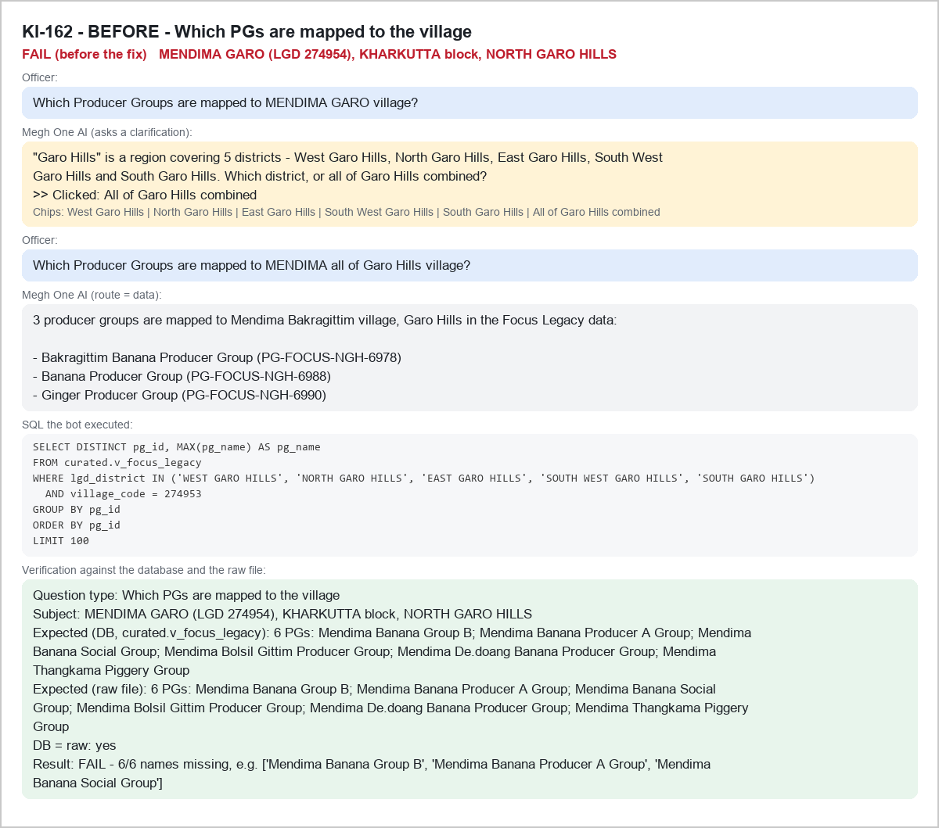

KI-162 - AFTER - V-LIST|274954 - PASS
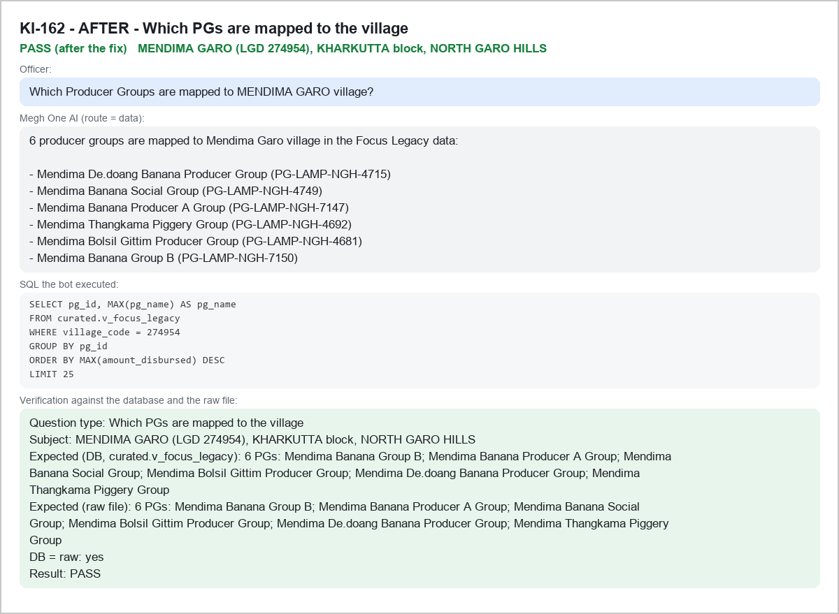

KI-163 - BEFORE - V-LIST|276898 - FAIL
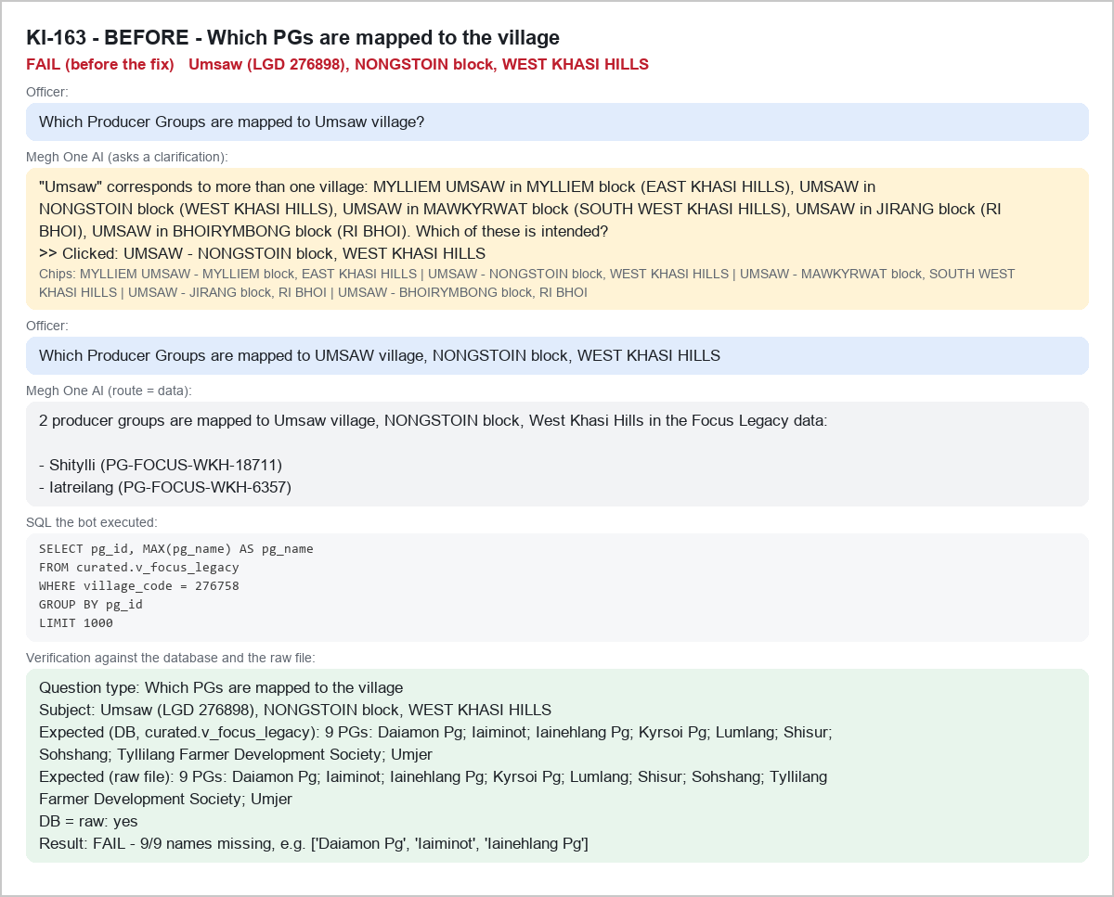

KI-163 - AFTER - V-LIST|276898 - PASS
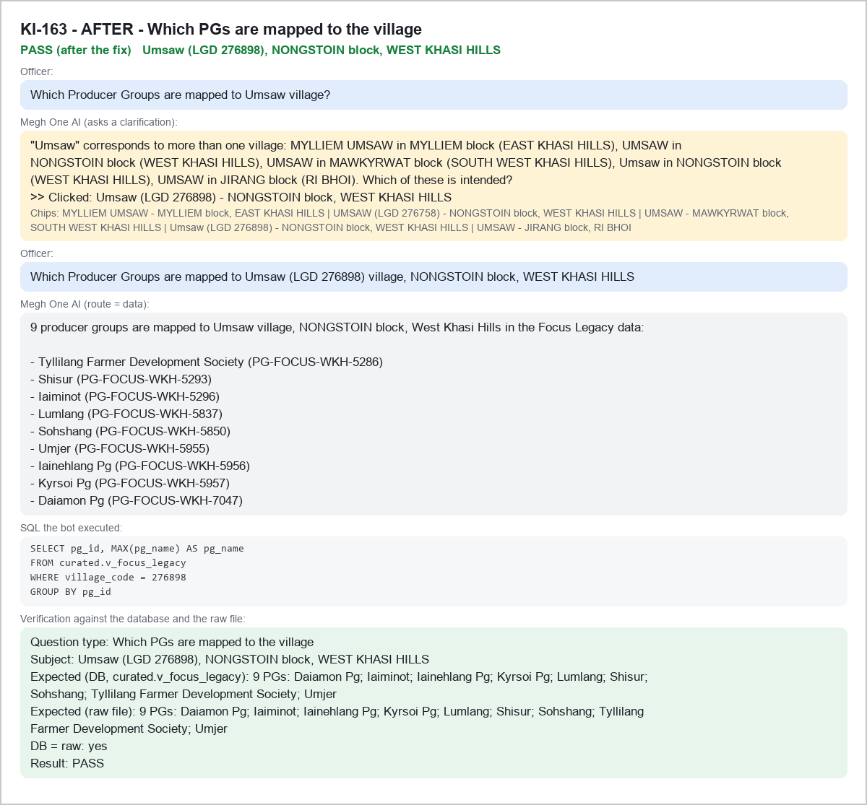

SAMPLE - FINAL - A-AMT|Rajabala - PASS
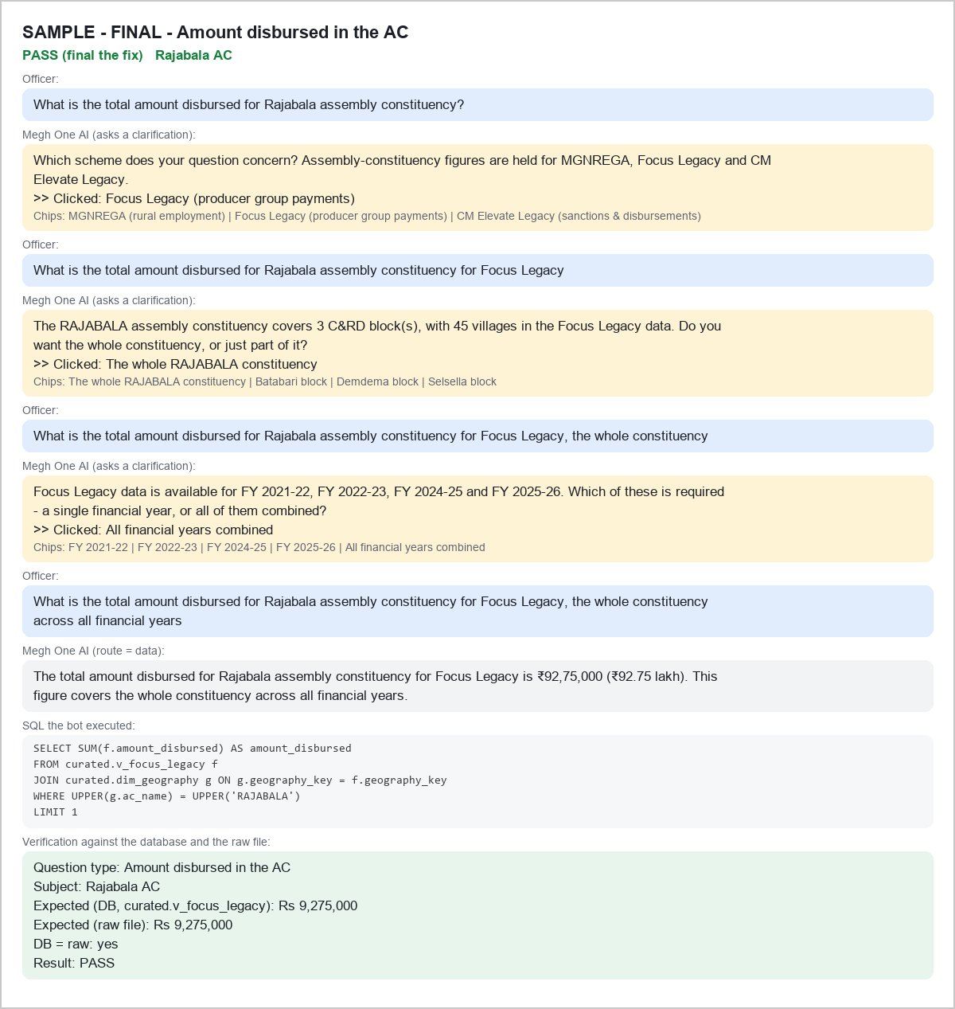

SAMPLE - FINAL - A-AMT|Chokpot - PASS
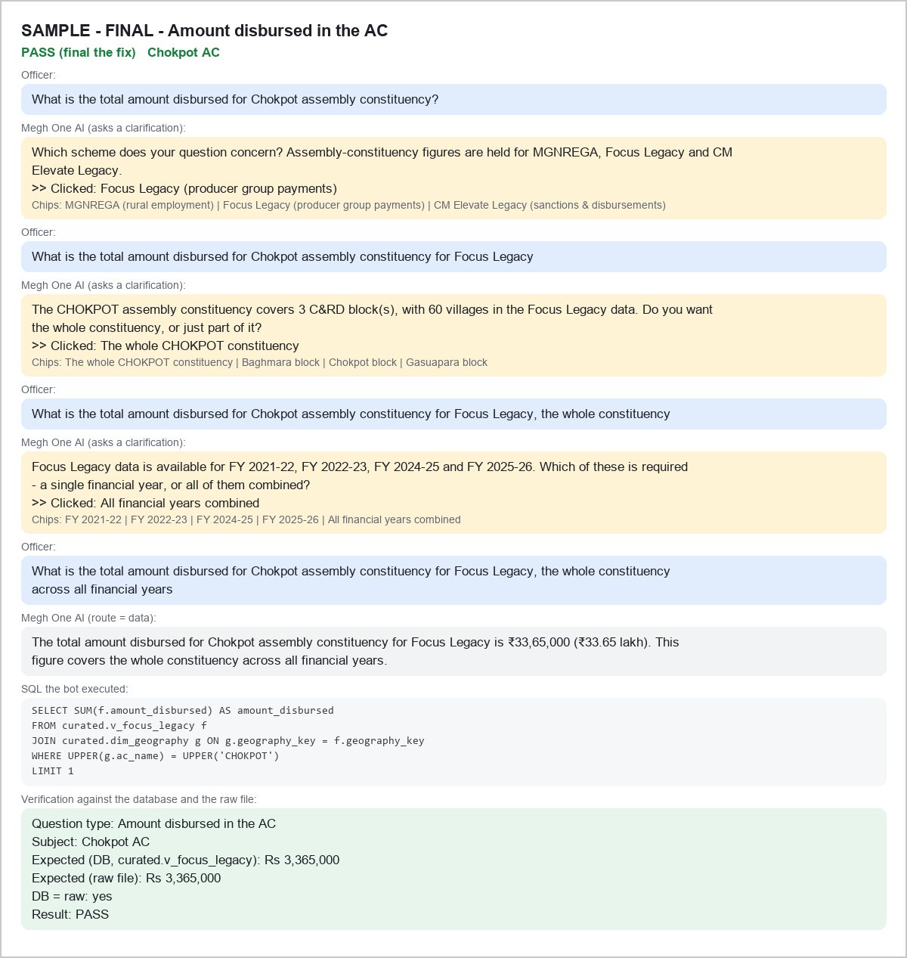

SAMPLE - FINAL - A-AMT|Mawthadraishan - PASS
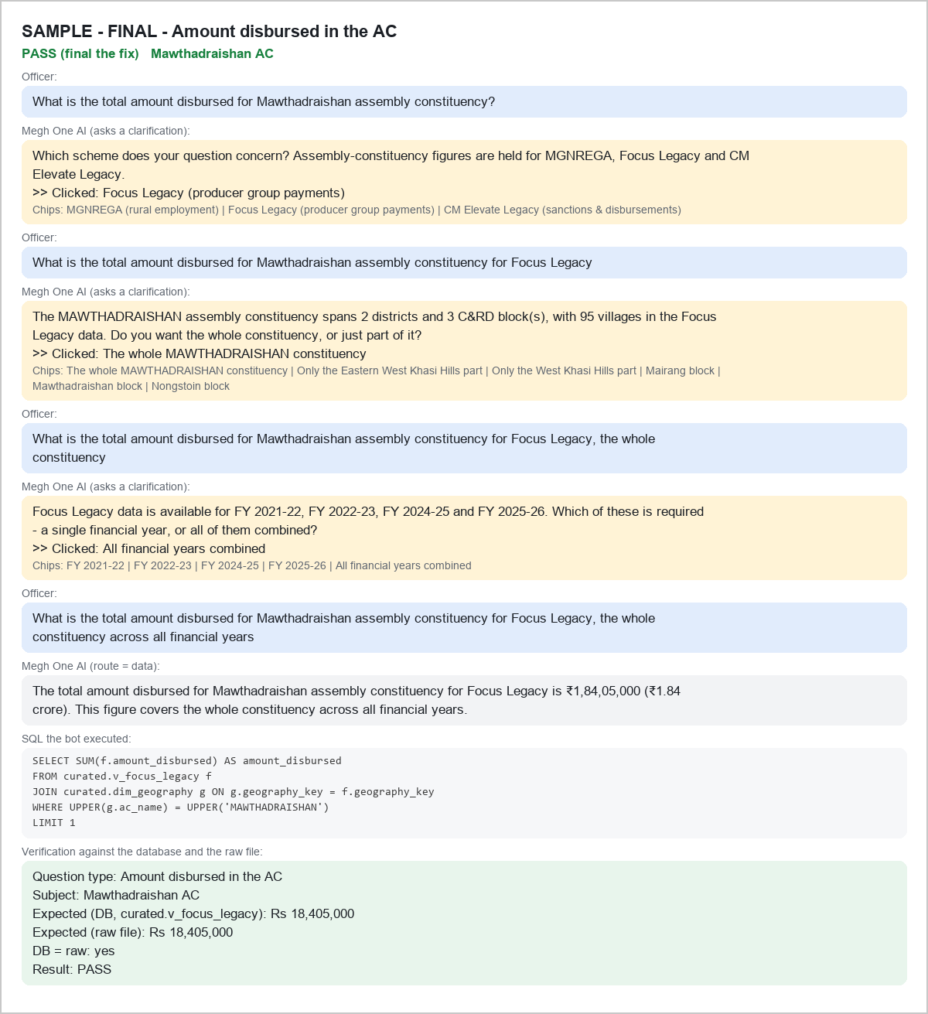

SAMPLE - FINAL - A-MEM|Rambrai jyrngam - PASS
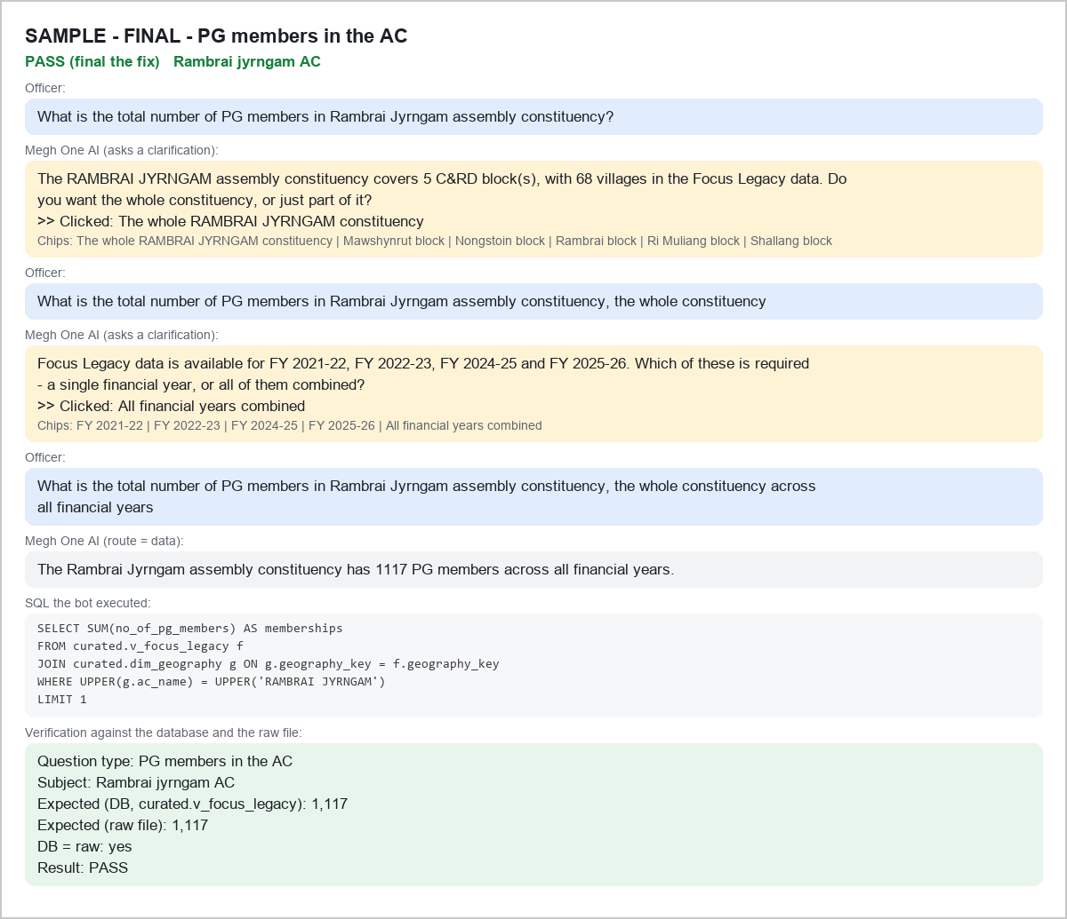

SAMPLE - FINAL - A-MEM|William Nagar - PASS
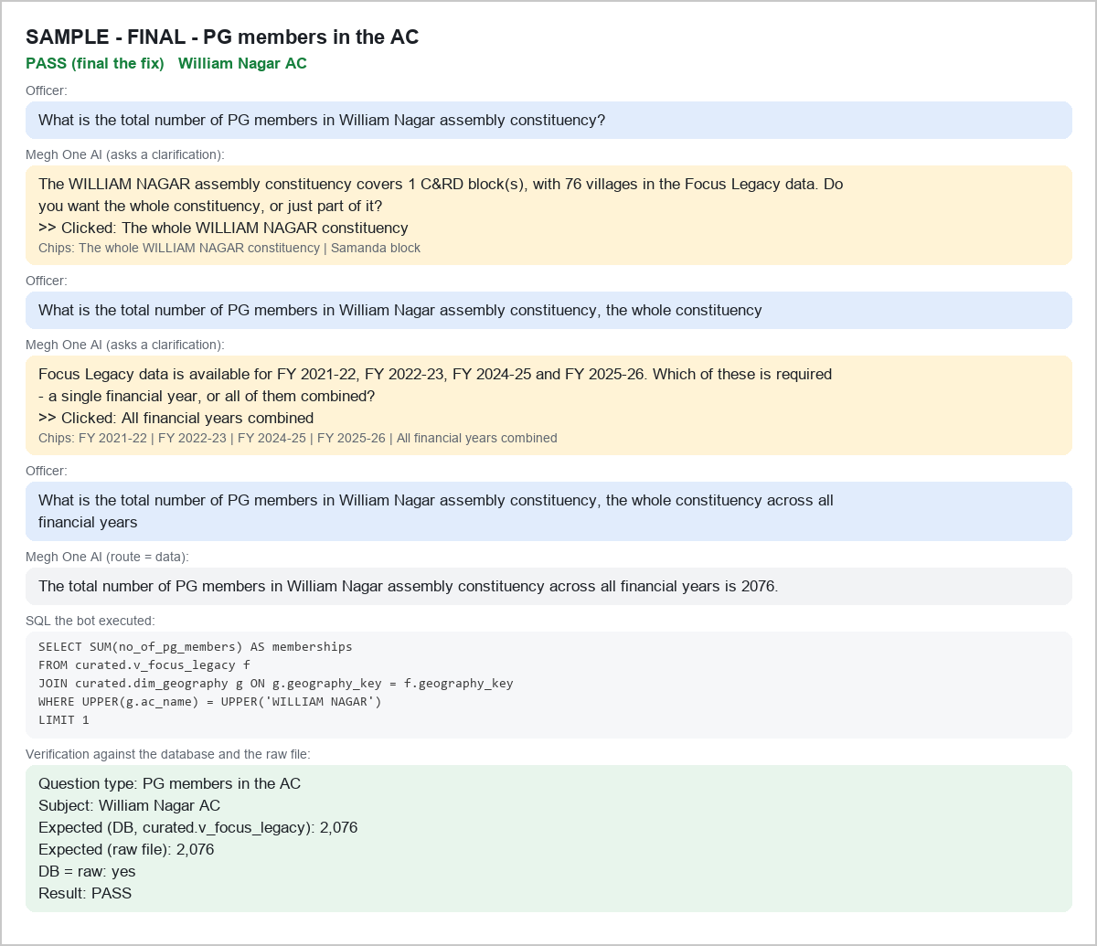

SAMPLE - FINAL - A-MEM|Mawphlang - PASS
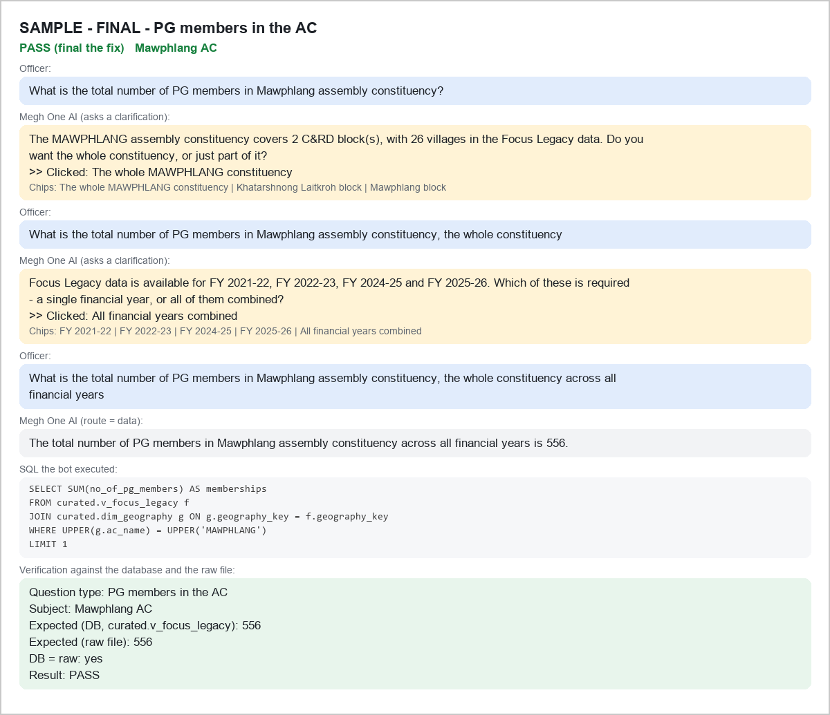

SAMPLE - FINAL - A-PGS|Dadenggre - PASS
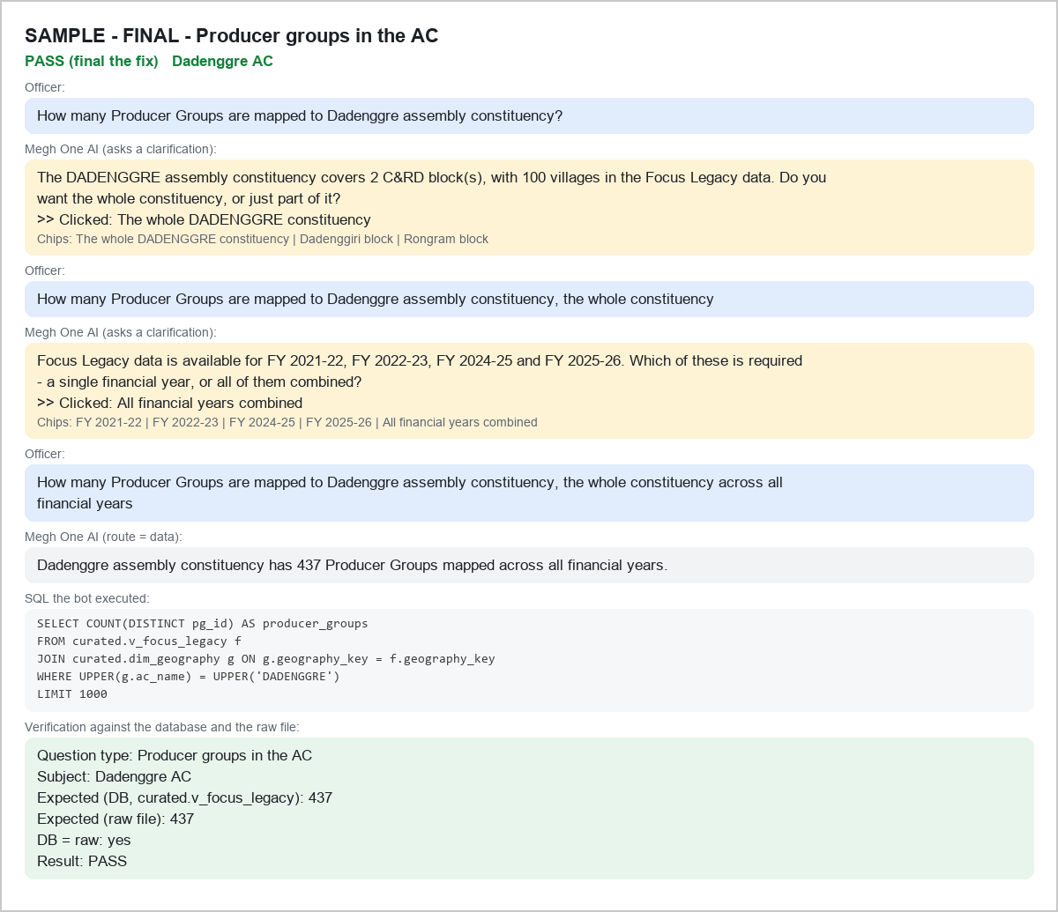

SAMPLE - FINAL - A-PGS|Phulbari - PASS
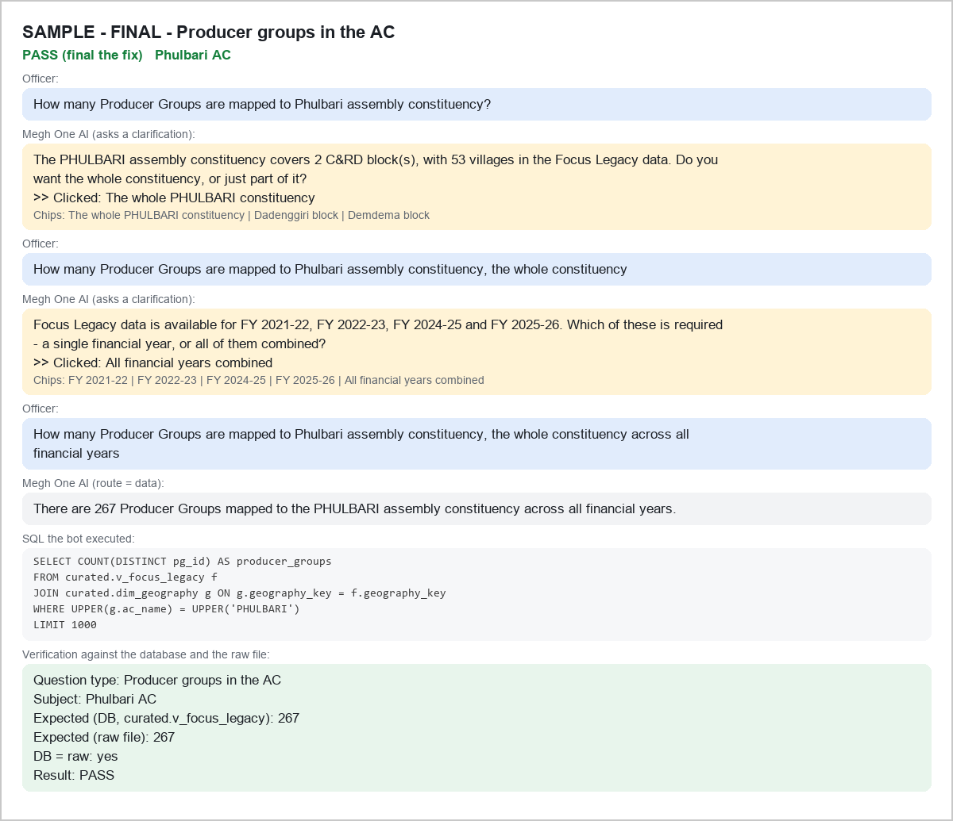

SAMPLE - FINAL - A-PGS|Mawthadraishan - PASS
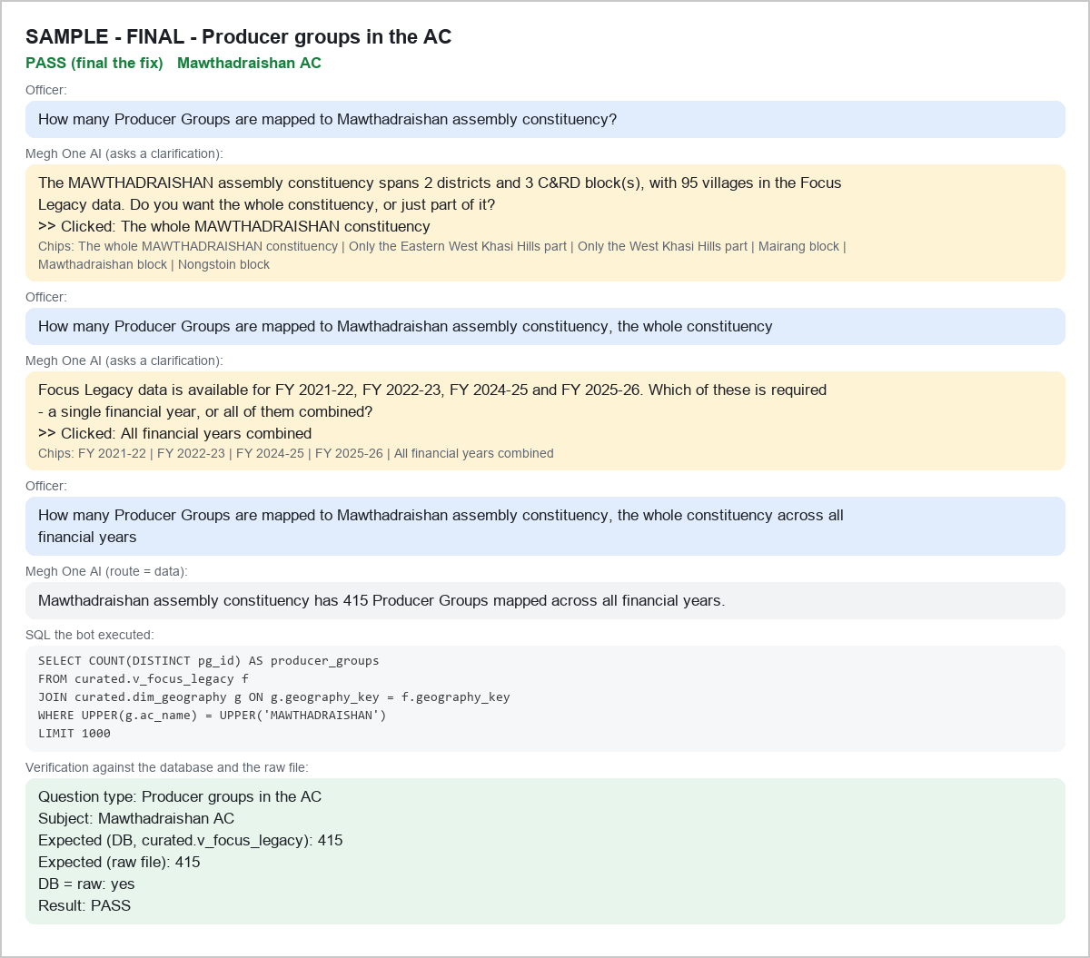

SAMPLE - FINAL - B-AMT|RI BHOI|MAWHATI - PASS
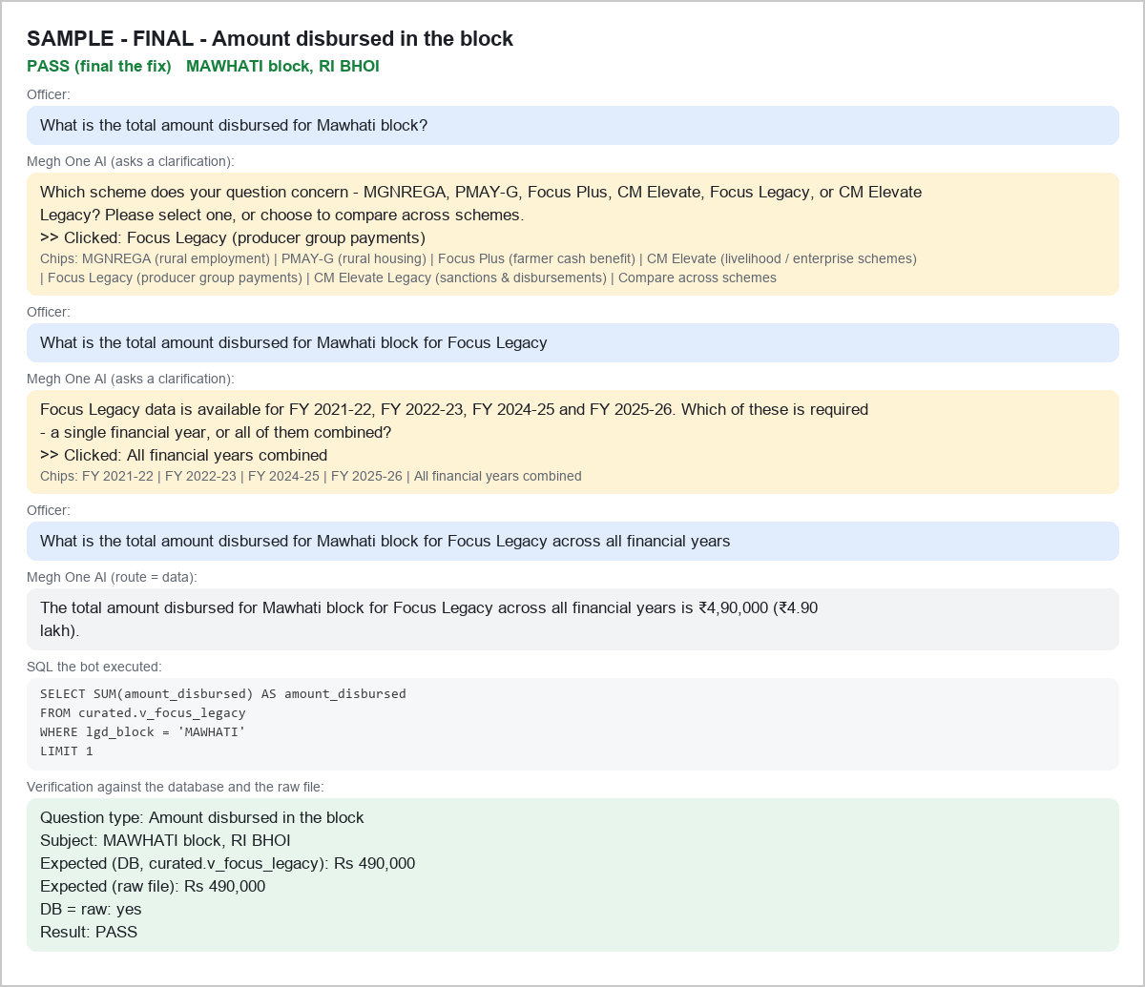

SAMPLE - FINAL - B-AMT|RI BHOI|UMLING - PASS


SAMPLE - FINAL - B-AMT|EAST GARO HILLS|SAMANDA - PASS
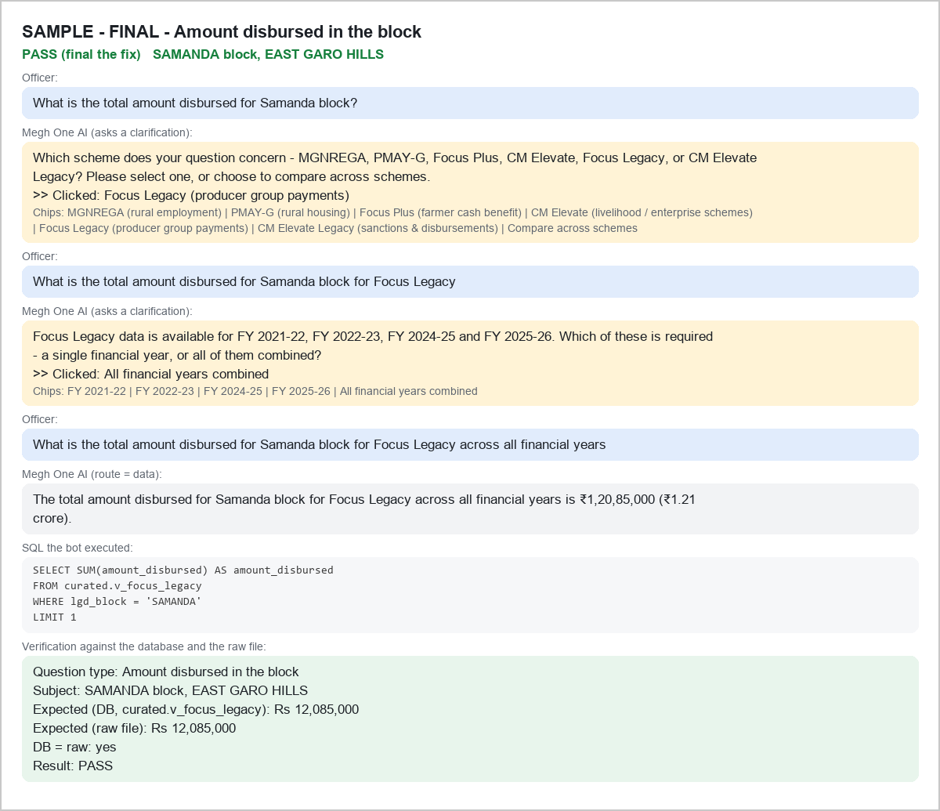

SAMPLE - FINAL - B-MEM|EAST GARO HILLS|SONGSAK - PASS
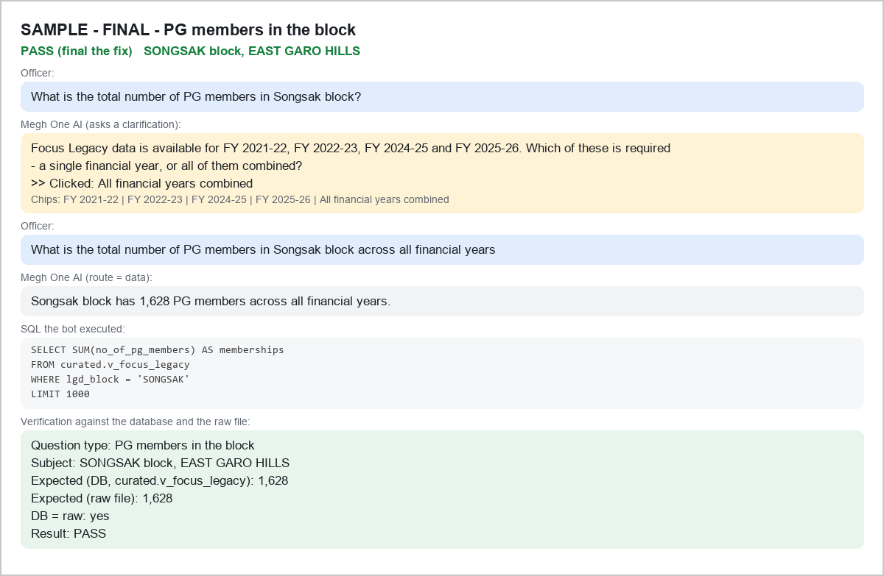

SAMPLE - FINAL - B-MEM|EAST KHASI HILLS|KHATARSHNONG LAITKROH - PASS
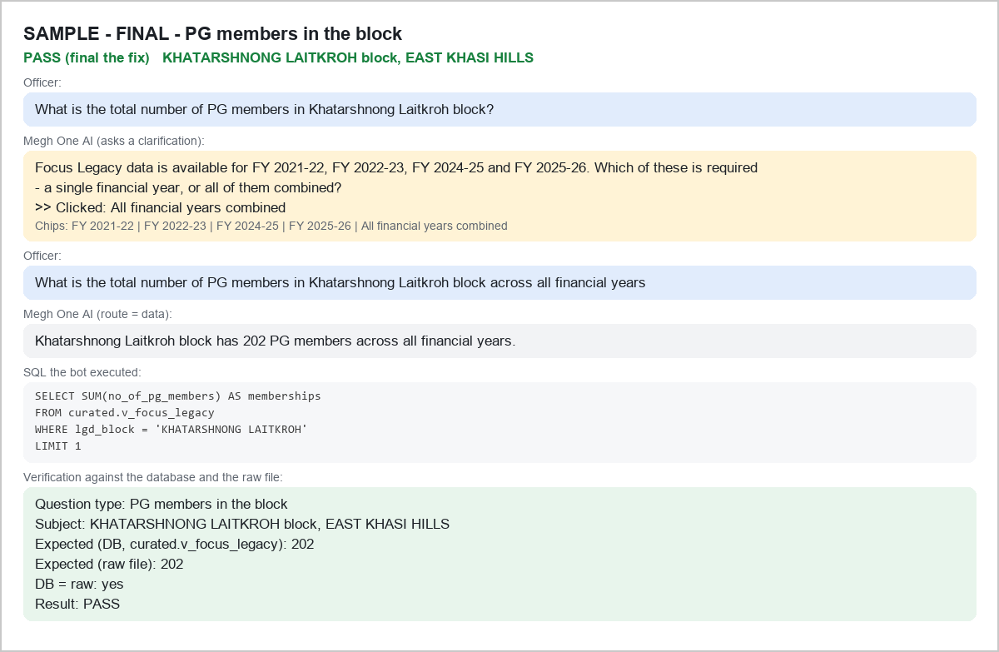

SAMPLE - FINAL - B-MEM|WEST KHASI HILLS|RI MULIANG - PASS
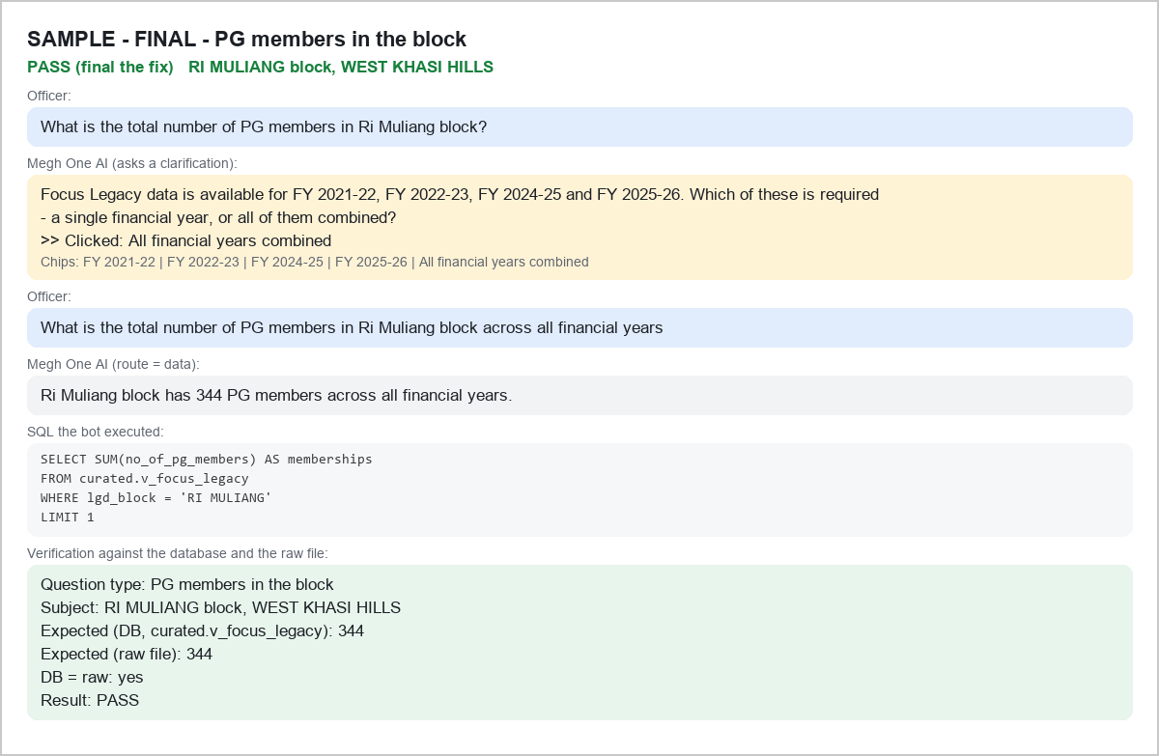

SAMPLE - FINAL - B-PGS|SOUTH GARO HILLS|BAGHMARA - PASS
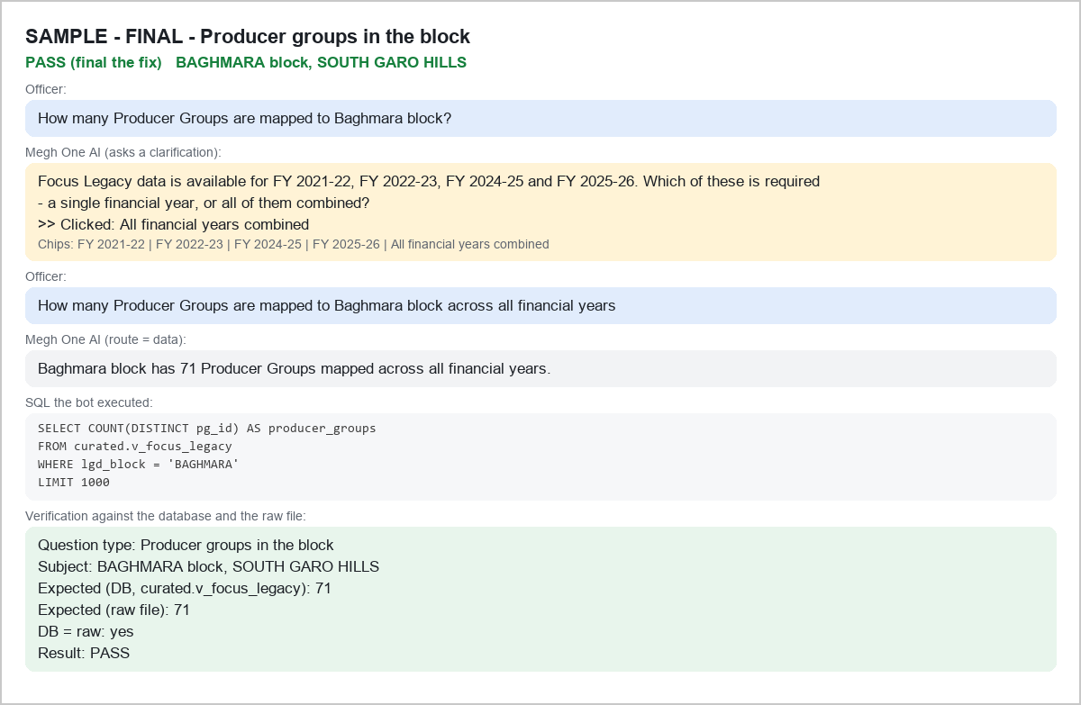

SAMPLE - FINAL - B-PGS|WEST GARO HILLS|DALU - PASS


SAMPLE - FINAL - B-PGS|EAST KHASI HILLS|PYNURSLA - PASS


SAMPLE - FINAL - D-BLK|RI BHOI - PASS


SAMPLE - FINAL - D-BLK|EAST JAINTIA HILLS - PASS


SAMPLE - FINAL - D-BLK|SOUTH WEST GARO HILLS - PASS


SAMPLE - FINAL - P-ALT|PG-FOCUS-SWGH-10602|Gamsan - PASS


SAMPLE - FINAL - P-ALT|PG-FOCUS-WGH-4711|Dechaowa - PASS


SAMPLE - FINAL - P-ALT|PG-FOCUS-WGH-19562|Doyar Asha - PASS


SAMPLE - FINAL - P-EXIST|PG-FOCUS-WGH-46 - PASS


SAMPLE - FINAL - P-EXIST|PG-FOCUS-RB-14483 - PASS


SAMPLE - FINAL - P-EXIST|PG-FOCUS-WGH-74 - PASS


SAMPLE - FINAL - P-MEM|PG-FOCUS-NGH-6032 - PASS


SAMPLE - FINAL - P-MEM|PG-FOCUS-RB-3190 - PASS


SAMPLE - FINAL - P-MEM|PG-FOCUS-WGH-6145 - PASS


SAMPLE - FINAL - V-AMT|276851 - PASS


SAMPLE - FINAL - V-AMT|276000 - PASS


SAMPLE - FINAL - V-AMT|272946 - PASS


SAMPLE - FINAL - V-LIST|276752 - PASS


SAMPLE - FINAL - V-LIST|272998 - PASS


SAMPLE - FINAL - V-LIST|273111 - PASS

